https phptravels.com
Център за обучение по софтуерно тестване Website: http://skillo-bg.com

Bug ID | B01
Name | Accepts only spaces for password
Priority | 1
Severity | 2
Description | In "Password" field accepts "Space" for password before click "Register"
Steps to reproduce | 1.Open https://phptravels.com/ 2.Click "Login" button 3.Click "Account"and in dropdown list press "Register" 4.Enter only spaces in "Password" field. Actual result: А green progress bar appears under the "Password" field Expected result: When enter "Space" don't appears green progress bar.
Attachment
Status
Component | Login page
Version/Build number (Found in)
Environment | Microsoft Windows 10 Pro, Chrome
Comments
Date Created | 02.11.2018
Author | Mirela Cvetkova
Audit Log

Център за обучение по софтуерно тестване Website: http://skillo-bg.com

Bug ID | B02
Name | Email and password not saved after click "Remember me"
Priority | 3
Severity | 3
Description | When enter email and password in login page and click "Remember me" box, the data is not saved.
Steps to reproduce | 1.Open https://phptravels.com/ 2.Click "Login" button 3.Enter Email: mira1929@abv.bg 4.Enter Password: 123412 5.Click "Remember me" check box 6.Click "Login"button 7.Click "Logout" button and "You have been successfully logged out. Click here to continue" a message appears. 8.Click "Click here to continue" Actual result: "Login page" with empty fields appears. Expected result: After Click "Remember me" check box the data are saved for future inputs.
Attachment
Status
Component | Login page
Version/Build number (Found in)
Environment | Microsoft Windows 10 Pro, Chrome
Comments
Date Created | 02.11.2018
Author | Mirela Cvetkova
Audit Log

Център за обучение по софтуерно тестване Website: http://skillo-bg.com

Bug ID | B03
Name | Localization not applied everywhere.
Priority | 2
Severity | 3
Description | When change the language from English to Italian, many of the fields remain in English
Steps to reproduce | 1.Open https://phptravels.com/ 2.Click "Login" button 3.Enter Email: mira1929@abv.bg 4.Enter Password: 123412 5.Click "Login" button 6.Choose Italian language in the field top right Actual result: The fields as "Your Info","Your Active Products/Services" and " Recent Support Tickets" are English Expected result: When change language to Italian all texts should be in Italian
Attachment | 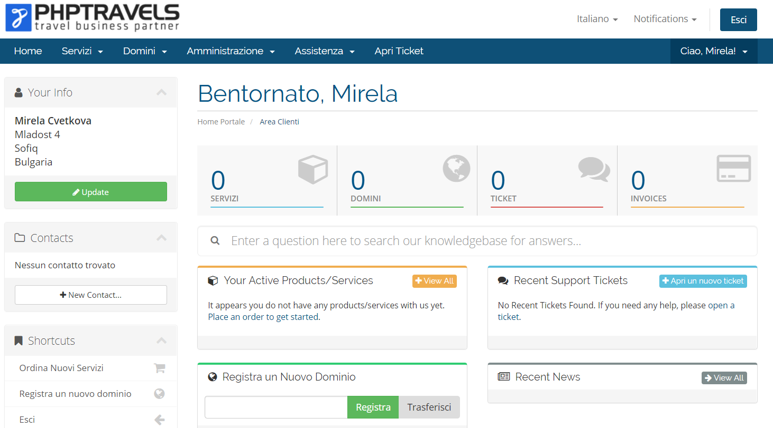
Status
Component | Home page
Version/Build number (Found in)
Environment | Microsoft Windows 10 Pro, Chrome
Comments
Date Created | 02.11.2018
Author | Mirela Cvetkova
Audit Log

Център за обучение по софтуерно тестване Website: http://skillo-bg.com

Bug ID | B04
Name | Localization not applied everywhere.
Priority | P2
Severity | S3
Description | When change the language from English to Estonian, many of the fields remain in English
Steps to reproduce | 1.Open https://phptravels.com/ 2.Click "Login" button 3.Enter Email: mira1929@abv.bg 4.Enter Password: 123412 5.Click "Login" button 6.Choose Estonian language in the field top right Actual result: The fields as "Your Info","Your Active Products/Services" and " Recent Support Tickets" are English Expected result: When change language to Estonian all texts should be in Estonian
Attachment
Status
Component | Login
Version/Build number (Found in)
Environment | Microsoft Windows 10 Pro, Chrome
Comments
Date Created | 03.11.2018
Author | Mirela Cvetkova
Audit Log

Център за обучение по софтуерно тестване Website: http://skillo-bg.com

Bug ID | B04
Name | Localization not applied everywhere.
Priority | P2
Severity | S3
Description | When change the language from English to Hrvatski, many of the fields remain in English
Steps to reproduce | 1.Open https://phptravels.com/ 2.Click "Login" button 3.Enter Email: mira1929@abv.bg 4.Enter Password: 123412 5.Click "Login" button 6.Choose Hrvatski language in the field top right Actual result: The fields as "Your Info","Your Active Products/Services" and " Recent Support Tickets" are English Expected result: When change language to Hrvatski all texts should be in Hrvatski
Attachment
Status
Component | Login
Version/Build number (Found in)
Environment | Microsoft Windows 10 Pro, Chrome
Comments
Date Created | 03.11.2018
Author | Mirela Cvetkova
Audit Log

