Question 3
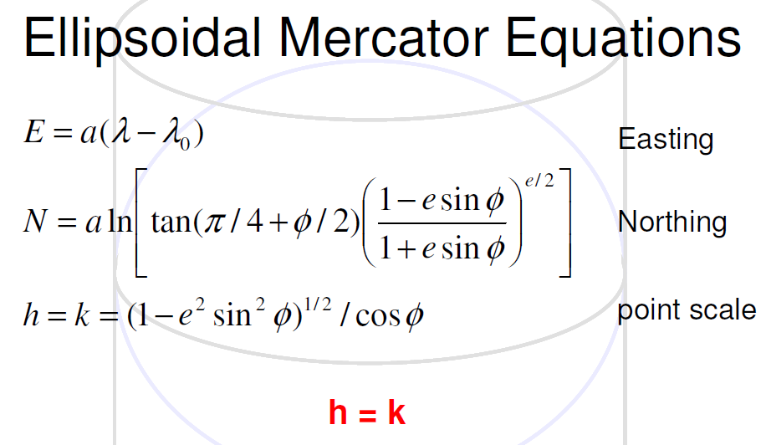
MERCATOR PRJECTION
φ | λ | X (m) | Υ (m)
45 | -67 | -7458487.0375 | 5591021.0038 | 1
45 | -66 | -7347166.3354 | 5591021.0038 | 2
45.316666667 | -66.5 | -7402826.6864 | 5640843.9363 | 3
45.316666667 | -65.5 | -7291505.9844 | 5640843.9363 | 4

a | 6378206.4 | NAD27 | http://www.apsalin.com/convert-geodetic-to-mercator.aspx
b | 6356583.8
e | 0.082271854223

