November 5, 2020
Test case plan
2020-11-05
# | Functionality/ Characteristics | Scenario | Description | Notes | Tested by | Edge | Firefox | Chrome
1 | Page Load | Page loads | After the HTML file is opened, the page loads properly with all images. | - | Nour | Passed | Passed | Passed
2 | Overall body theme | Styles applied | When the page is loaded, the appropriate styles are applied for the body and general fonts | - | Nour | Passed | Passed | Passed
3 | Background image | Styles applied to BG | The page loads the appropriate background image | - | Nour | Passed | Passed | Passed
4 | Game Mode | Game mode switches | Games are able to be played base don the mode selected. If it is cvp, then a letter is automaicaaly generated. If pvp, then no computer plays. | - | Nour | Passed | Passed | Passed
5 |  |  | allows the user to place their game piece into the cell they click | - | Nour | Passed | Passed | Passed
6 | Game Over CVP | The program should determine when the game is over when playing cvp | The program determines when O wins, X wins or if there is a tie | - | Nour | Passed | Passed | Passed
7 | Restart Button | Restart Button restarts the game | The restart button restarts the game when selected. | - | Nour | Passed | Passed | Passed
8 | Timer | The timer appears | The timer appears and records when the game started and when the game ended. It does it for both CVP and PVP | - | Nour | Passed | Passed | Passed
9 | Alert | An alert appears | An alert appears base don if X wins, O wins or if there is a tie. The game must be over. | - | Nour | Passed | Passed | Passed
10 | Play again Button | Play again button appears | The play again button appears after the game is finished. | - | Nour | Passed | Passed | Passed
11 | Switching between X and O. | PVP | When in player vs player mode the game state should change from x to O and vise versa. | 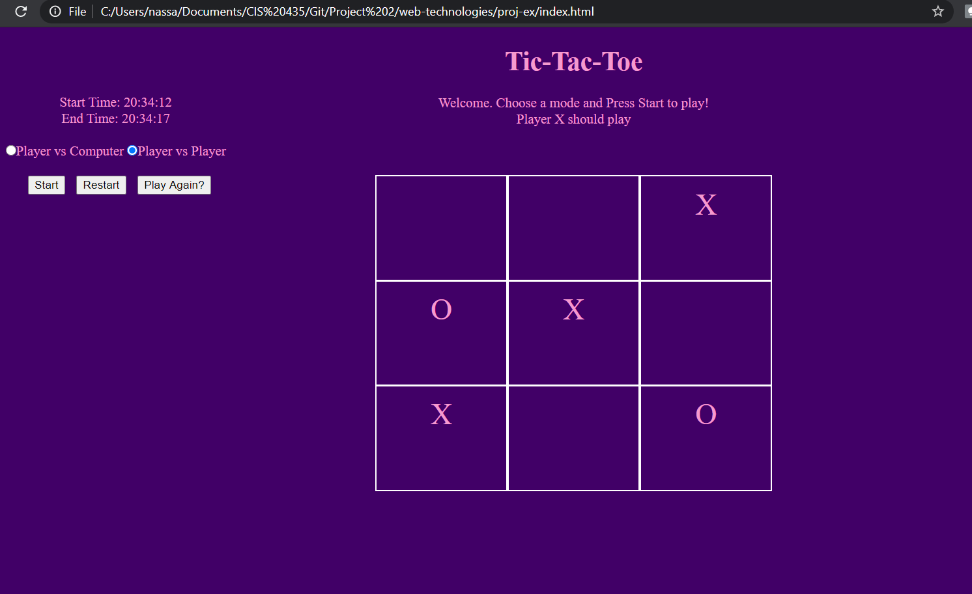 There are some bugs with switching from X and O. In screen shot attached, it works other days it doesn’t. |  | Passed | Passed | Passed

