CBS
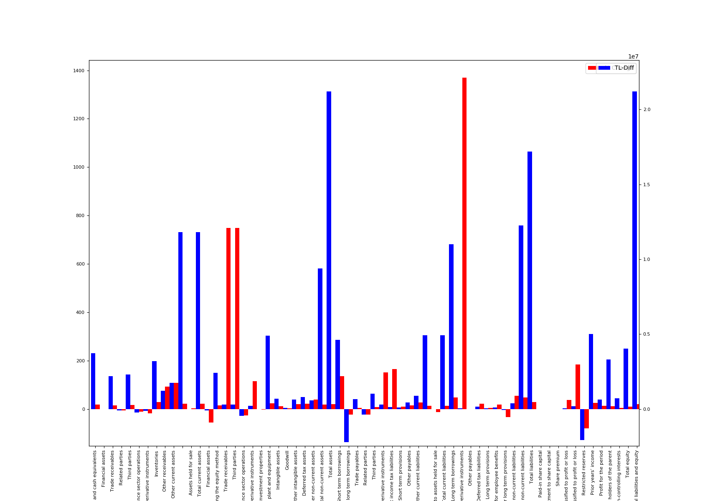
 | Name | Notes | EUR-2018 | USD-2018 | TL-2018 | TL-2017 | TL-Diff | % Change
0 | Cash and cash equivalents | 5 | 4077221 | 4671727 | 24577490 | 20850437 | 3727053 | 17.9
1 | Financial assets | 6 | 9019 | 10334 | 54364
2 | Trade receivables | 8 | 2906154 | 3329905 | 17518296 | 15313455 | 2204841 | 14.4
3 | Related parties | 8 | 277670 | 318157 | 1673794 | 1775864 | -102070 | -5.7
4 | Third parties | 8 | 2628484 | 3011748 | 15844502 | 13537591 | 2306911 | 17
5 | Receivables from finance sector operations | 9 | 317506 | 363803 | 1913929 | 2147141 | -233212 | -10.9
6 | Derivative instruments | 10 | 83706 | 95911 | 504579 | 617246 | -112667 | -18.3
7 | Inventories | 11 | 2363688 | 2708341 | 14248311 | 11038358 | 3209953 | 29.1
8 | Other receivables | 20 | 423432 | 485174 | 2552450 | 1326109 | 1226341 | 92.5
9 | Other current assets | 21 | 555973 | 637040 | 3351406 | 1613603 | 1737803 | 107.7
10 |  |  | 10736699 | 12302235 | 64720825 | 52906349 | 11814476 | 22.3
11 | Assets held for sale | 23 | 7451 | 8538 | 44917 | 43794 | 1123 | 2.6
12 | Total current assets |  | 10744150 | 12310773 | 64765742 | 52950143 | 11815599 | 22.3
13 | Financial assets | 6 | 11665 | 13365 | 70314 | 155765 | -85451 | -54.9
14 | Investments accounted for using the equity method | 7 | 3028691 | 3470310 | 18256952 | 15829122 | 2427830 | 15.3
15 | Trade receivables | 8 | 57030 | 65345 | 343774 | 40538 | 303236 | 748
16 | Third parties | 8 | 57030 | 65345 | 343774 | 40538 | 303236 | 748
17 | Receivables from finance sector operations | 9 | 206629 | 236758 | 1245560 | 1699892 | -454332 | -26.7
18 | Derivative instruments | 10 | 69515 | 79652 | 419039 | 194562 | 224477 | 115.4
19 | Investment properties | 12 | 77523 | 88827 | 467311 | 475799 | -8488 | -1.8
20 | Property, plant and equipment | 13 | 4379034 | 5017548 | 26396819 | 21486258 | 4910561 | 22.9
21 | Intangible assets |  | 1138879 | 1304941 | 6865165 | 6174859 | 690306 | 11.2
22 | Goodwill | 14 | 538226 | 616706 | 3244429 | 3174575 | 69854 | 2.2
23 | Other intangible assets | 15 | 600653 | 688235 | 3620736 | 3000284 | 620452 | 20.7
24 | Deferred tax assets | 17 | 731221 | 837842 | 4407803 | 3596400 | 811403 | 22.6
25 | Other non-current assets | 21 | 337990 | 387273 | 2037402 | 1461030 | 576372 | 39.4
26 | Total non-current assets |  | 10038177 | 11501861 | 60510139 | 51114225 | 9395914 | 18.4
27 | Total assets |  | 20782327 | 23812634 | 125275881 | 104064368 | 21211513 | 20.4
28 | Short term borrowings | 16 | 1332399 | 1526679 | 8031703 | 3402487 | 4629216 | 136.1
29 | Short term portion of long term borrowings | 16 | 1257785 | 1441185 | 7581929 | 9792637 | -2210708 | -22.6
30 | Trade payables | 8 | 2587468 | 2964751 | 15597256 | 14931416 | 665840 | 4.5
31 | Related parties | 8 | 198471 | 227411 | 1196384 | 1554918 | -358534 | -23.1
32 | Third parties | 8 | 2388997 | 2737340 | 14400872 | 13376498 | 1024374 | 7.7
33 | Derivative instruments | 10 | 80838 | 92625 | 487291 | 193805 | 293486 | 151.4
34 | Current income tax liabilities | 17 | 32349 | 37066 | 195000 | 73704 | 121296 | 164.6
35 | Short term provisions | 19 | 193481 | 221693 | 1166305 | 1062480 | 103825 | 9.8
36 | Other payables | 20 | 546326 | 625986 | 3293252 | 2864158 | 429094 | 15
37 | Other current liabilities | 21 | 700599 | 802754 | 4223207 | 3331095 | 892112 | 26.8
38 |  |  | 6731245 | 7712739 | 40575943 | 35651782 | 4924161 | 13.8
39 | Liabilities related to assets held for sale | 23 | 417 | 477 | 2512 | 2871 | -359 | -12.5
40 | Total current liabilities |  | 6731662 | 7713216 | 40578455 | 35654653 | 4923802 | 13.8
41 | Long term borrowings | 16 | 5673531 | 6500797 | 34200045 | 23185745 | 11014300 | 47.5
42 | Derivative instruments | 10 | 8203 | 9400 | 49450 | 3364 | 46086 | 1370
43 | Other payables | 20 | 103193 | 118240 | 622050
44 | Deferred tax liabilities | 17 | 149772 | 171611 | 902826 | 735331 | 167495 | 22.8
45 | Long term provisions |  | 152617 | 174871 | 919978 | 882171 | 37807 | 4.3
46 | Long term provisions for employee benefits | 18 | 126760 | 145243 | 764110 | 649036 | 115074 | 17.7
47 | Other long term provisions | 19 | 25857 | 29628 | 155868 | 233135 | -77267 | -33.1
48 | Other non-current liabilities | 21 | 173302 | 198572 | 1044667 | 672086 | 372581 | 55.4
49 | Total non-current liabilities |  | 6260618 | 7173491 | 37739016 | 25478697 | 12260319 | 48.1
50 | Total liabilities |  | 12992280 | 14886707 | 78317471 | 61133350 | 17184121 | 28.1
51 | Paid-in share capital | 22 | 420686 | 482027 | 2535898 | 2535898 | 0 | 0
52 | Adjustment to share capital | 22 | 160466 | 183864 | 967288 | 967288 | 0 | 0
53 | Share premium |  | 1540 | 1765 | 9286 | 9286 | 0 | 0
54 | Other comprehensive income/expense not to be reclassified to profit or loss | 22 | 37350 | 42796 | 225146 | 163738 | 61408 | 37.5
55 | Other comprehensive income/expense to be reclassified to profit or loss | 22 | 46495 | 53274 | 280270 | 98668 | 181602 | 184.1
56 | Restricted reserves | 22 | 86889 | 99558 | 523765 | 2602389 | -2078624 | -79.9
57 | Prior years’ income |  | 4017321 | 4603093 | 24216413 | 19211387 | 5005026 | 26.1
58 | Profit for the period |  | 918551 | 1052487 | 5537028 | 4908740 | 628288 | 12.8
59 | Equity holders of the parent |  | 5521608 | 6326724 | 33284262 | 29972582 | 3311680 | 11
60 | Non-controlling interests |  | 2268439 | 2599203 | 13674148 | 12958436 | 715712 | 5.5
61 | Total equity |  | 7790047 | 8925927 | 46958410 | 42931018 | 4027392 | 9.4
62 | Total liabilities and equity |  | 20782327 | 23812634 | 125275881 | 104064368 | 21211513 | 20.4

CIS
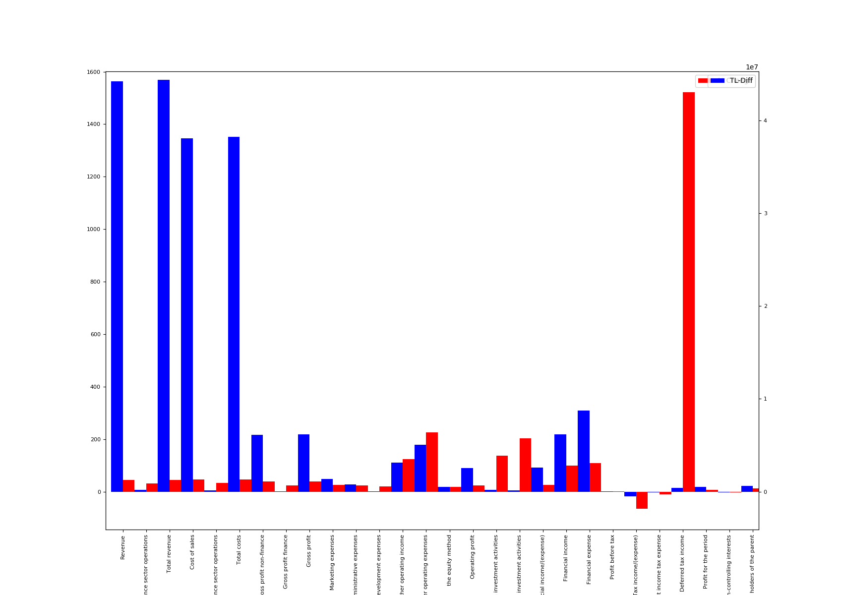
 | Name | Notes | EUR-2018 | USD-2018 | TL-2018 | TL-2017 | TL-Diff | % Change
0 | Revenue | 24 | 25159335 | 29598572 | 142469768 | 98272831 | 44196937 | 45
1 | Revenue from finance sector operations |  | 137486 | 161744 | 778540 | 593918 | 184622 | 31.1
2 | Total revenue | 4 | 25296821 | 29760316 | 143248308 | 98866749 | 44381559 | 44.9
3 | Cost of sales | 25 | 21235844 | 24982801 | 120252216 | 82173057 | 38079159 | 46.3
4 | Cost of finance sector operations |  | 98416 | 115781 | 557302 | 416317 | 140985 | 33.9
5 | Total costs |  | 21334260 | 25098582 | 120809518 | 82589374 | 38220144 | 46.3
6 | Gross profit non-finance |  | 3923491 | 4615771 | 22217552 | 16099774 | 6117778 | 38
7 | Gross profit finance |  | 39070 | 45963 | 221238 | 177601 | 43637 | 24.6
8 | Gross profit |  | 3962561 | 4661734 | 22438790 | 16277375 | 6161415 | 37.9
9 | Marketing expenses | 25 | 1184557 | 1393567 | 6707793 | 5347579 | 1360214 | 25.4
10 | General administrative expenses | 25 | 710489 | 835851 | 4023287 | 3229364 | 793923 | 24.6
11 | Research and development expenses | 25 | 49664 | 58427 | 281234 | 234326 | 46908 | 20
12 | Other operating income | 26 | 995477 | 1171124 | 5637086 | 2508489 | 3128597 | 124.7
13 | Other operating expenses | 26 | 1284885 | 1511596 | 7275918 | 2239369 | 5036549 | 224.9
14 | the equity method | 7 | 560826 | 659780 | 3175787 | 2691404 | 484383 | 18
15 | Operating profit | 4 | 2289269 | 2693197 | 12963431 | 10426630 | 2536801 | 24.3
16 | Gains from investment activities | 27 | 62147 | 73112 | 351917 | 148192 | 203725 | 137.5
17 | Losses from investment activities | 27 | 34014 | 40016 | 192612 | 63549 | 129063 | 203.1
18 | Operating profit before financial income/(expense) |  | 2317402 | 2726293 | 13122736 | 10511273 | 2611463 | 24.8
19 | Financial income | 28 | 2188432 | 2574570 | 12392436 | 6208953 | 6183483 | 99.6
20 | Financial expense | 28 | 2971092 | 3495326 | 16824401 | 8061172 | 8763229 | 108.7
21 | Profit before tax | 4 | 1534742 | 1805537 | 8690771 | 8659054 | 31717 | 0.4
22 | Tax income/(expense) |  | 46917 | 55196 | 265678 | 761627 | -495949 | -65.1
23 | Current income tax expense | 17 | 124801 | 146822 | 706712 | 788821 | -82109 | -10.4
24 | Deferred tax income | 17 | 77884 | 91626 | 441034 | 27194 | 413840 | 1521.8
25 | Profit for the period |  | 1487825 | 1750341 | 8425093 | 7897427 | 527666 | 6.7
26 | Non-controlling interests | 4 | 510016 | 600005 | 2888065 | 2988687 | -100622 | -3.4
27 | Equity holders of the parent | 4 | 977809 | 1150336 | 5537028 | 4908740 | 628288 | 12.8

CCF
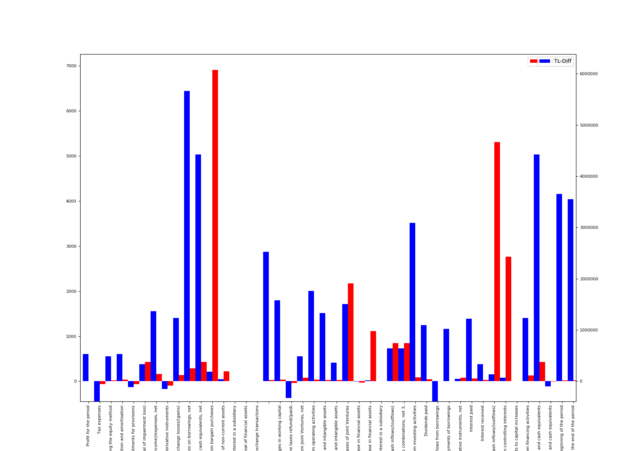
 | Name | Notes | EUR-2018 | USD-2018 | TL-2018 | TL-2017 | TL-Diff | % Change
0 | Profit for the period |  | 1487825 | 1750341 | 8425093 | 7897427 | 527666 | 6.7
1 | Tax expenses | 17 | 46917 | 55196 | 265678 | 761627 | -495949 | -65.1
2 | Undistributed profits of investments accounted for using the equity method | 7 | 560826 | 659780 | 3175787 | 2691404 | 484383 | 18
3 | Depreciation and amortisation | 4 | 373196 | 439044 | 2113296 | 1579490 | 533806 | 33.8
4 | Adjustments for provisions | 36 | 11688 | 13751 | 66188 | 181763 | -115575 | -63.6
5 | Adjustments for impairment loss/(reversal of impairment loss) | 36 | 71849 | 84524 | 406851 | 76518 | 330333 | 431.7
6 | Interest (income)/expenses, net | 28 | 393225 | 462607 | 2226715 | 862882 | 1363833 | 158.1
7 | Fair value losses/(gains) on derivative instruments |  | 867 | 1019 | 4907 | 159347 | -154440 | -96.9
8 | Unrealised foreign exchange losses/(gains) |  | 379158 | 446059 | 2147057 | 910978 | 1236079 | 135.7
9 | Exchange (gains)/losses on borrowings, net |  | 1344796 | 1582079 | 7615177 | 1950264 | 5664913 | 290.5
10 | Exchange (gains)/losses on cash and cash equivalents, net |  | 965638 | 1136020 | 5468120 | 1039286 | 4428834 | 426.1
11 | Gain from bargain purchases | 27 | 33189 | 39045 | 187941 | 2681 | 185260 | 6910.1
12 | Losses/(gains) on disposal of non-current assets | 27 | 9499 | 11175 | 53792 | 16979 | 36813 | 216.8
13 | Gain on sale of interest in a subsidiary | 27 | 4861 | 5718 | 27525
14 | Losses on disposal of financial assets | 27 | 1446 | 1702 | 8191
15 | Losses/(gains) on exchange transactions | 27 |  |  |  | 32099
16 |  |  | 2156062 | 2536487 | 12209117 | 9686869 | 2522248 | 26
17 | Changes in working capital | 36 | 1047832 | 1232714 | 5933546 | 4357202 | 1576344 | 36.2
18 | Income taxes refund/(paid) |  | 94341 | 110987 | 534224 | 864983 | -330759 | -38.2
19 | Dividend payments received from Joint Ventures, net | 7 | 192259 | 226183 | 1088707 | 600957 | 487750 | 81.2
20 | Total cash flows from operating activities |  | 1206148 | 1418969 | 6830054 | 5065641 | 1764413 | 34.8
21 | Cash outflows from purchases of property, plant and equipment and intangible assets | 4 | 1036765 | 1219697 | 5870888 | 4537854 | 1333034 | 29.4
22 | Cash inflows from sale of property, plant and equipment and intangible assets |  | 287220 | 337899 | 1626442 | 1263374 | 363068 | 28.7
23 | Cash outflows from capital increases of Joint Ventures | 7 | 278914 | 328126 | 1579404 | 69395 | 1510009 | 2176
24 | Cash outflows from acquisition of interest/capital increase in financial assets |  | 1645 | 1935 | 9314 | 13041 | -3727 | -28.6
25 | Cash inflows from sale of interest/capital decrease in financial assets |  | 2686 | 3160 | 15209 | 1250 | 13959 | 1116.7
26 | Cash inflows from sale of interest in a subsidiary |  | 2430 | 2859 | 13762
27 | Other cash inflows/(outflows) |  | 127188 | 149629 | 720225 | 76205 | 644020 | 845.1
28 | Cash outflows due to business combinations, net 3, | 20 | 127188 | 149629 | 720225 | 76205 | 644020 | 845.1
29 | Total cash flows from investing activities |  | 1152176 | 1355469 | 6524418 | 3431871 | 3092547 | 90.1
30 | Dividends paid |  | 599143 | 704859 | 3392767 | 2299013 | 1093754 | 47.6
31 | Cash inflows from borrowings | 16 | 9089186 | 10692927 | 51469336 | 51859785 | -390449 | -0.8
32 | Cash outflows from repayments of borrowings | 16 | 8618714 | 10139444 | 48805196 | 47781349 | 1023847 | 2.1
33 | Cash inflows/(outflows) from derivative instruments, net |  | 18858 | 22185 | 106786 | 58753 | 48033 | 81.8
34 | Interest paid |  | 566381 | 666315 | 3207243 | 1986629 | 1220614 | 61.4
35 | Interest received |  | 259551 | 305348 | 1469761 | 1135302 | 334459 | 29.5
36 | Other cash inflows/(outflows) |  | 24733 | 29097 | 140053 | 2588 | 137465 | 5311.6
37 | Transactions with non-controlling interests |  | 13076 | 15383 | 74044 | 2588 | 71456 | 2761.1
38 | Contribution of non-controlling interests to capital increases |  | 11657 | 13714 | 66009
39 | Total cash flows from financing activities |  | 391910 | 461061 | 2219270 | 984261 | 1235009 | 125.5
40 | Effect of exchange rate changes on cash and cash equivalents |  | 965638 | 1136020 | 5468120 | 1039286 | 4428834 | 426.1
41 | Net increase/(decrease) in cash and cash equivalents |  | 627700 | 738459 | 3554486 | 3657317 | -102831 | -2.8
42 | Cash and cash equivalents at the beginning of the period |  | 3470469 | 4082816 | 19652226 | 15994909 | 3657317 | 22.9
43 | Cash and cash equivalents at the end of the period | 36 | 4098169 | 4821275 | 23206712 | 19652226 | 3554486 | 18.1

