forms
 | "C:\Users\kroopny\Desktop\IT Scool\QA documents\Following is a list of module wise fields .xmind"
 | "C:\Users\kroopny\Desktop\IT Scool\QA documents\Banking Project .xmind"

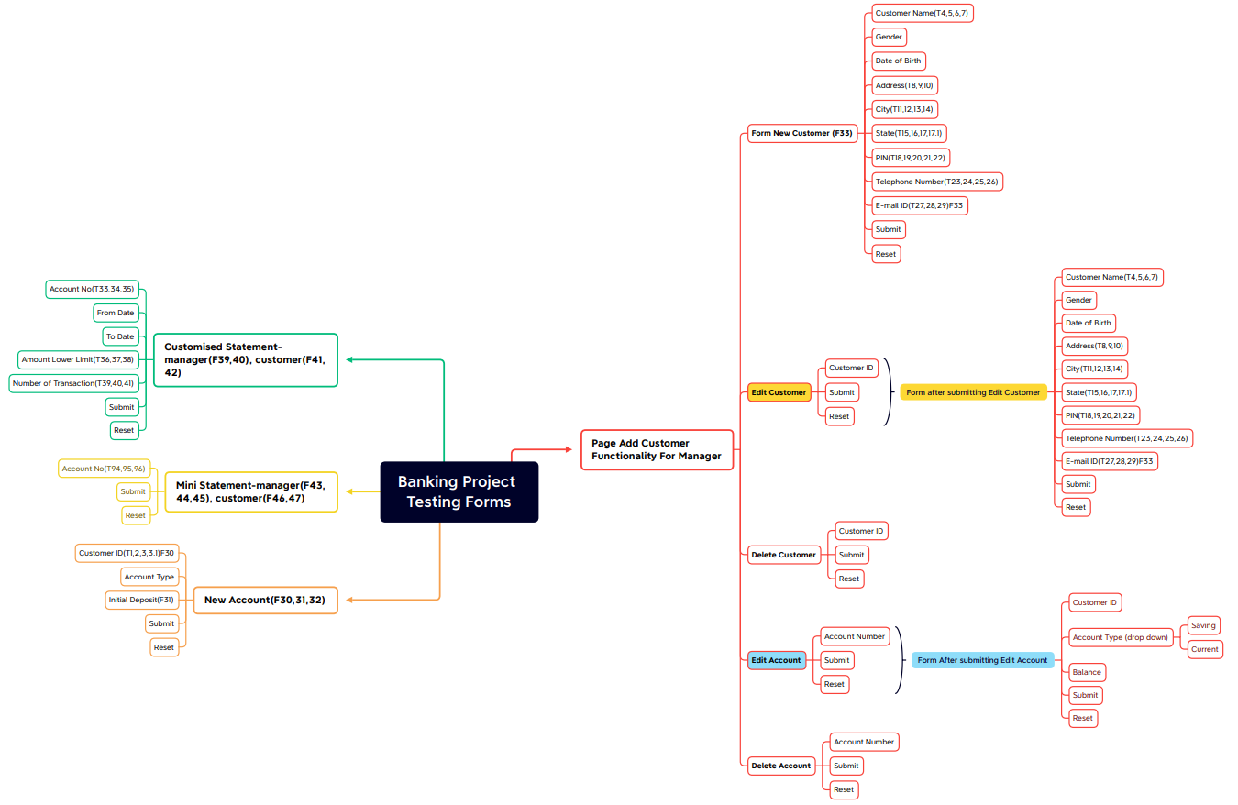
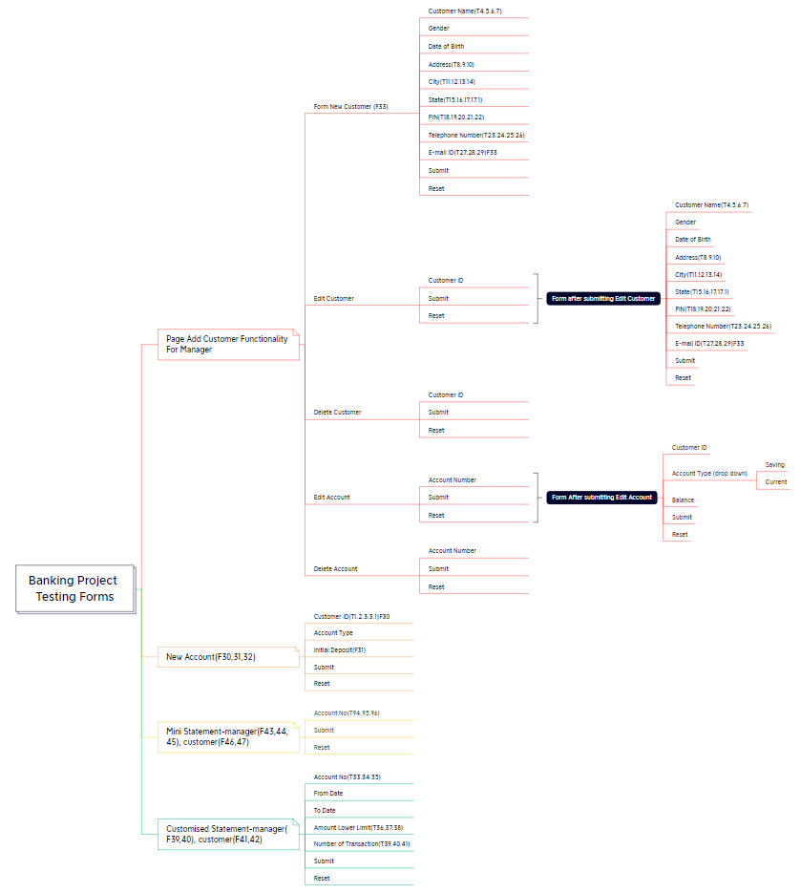

2022-09-23 | 1. Изучение технической документации
 | 2. Визуализация форм для проверки
 | 3. Обозначение требований: функциональные FR (F1-F49), технические TR(T1-110), бизнез-требования BR(B1-B25)
 | 4. Подготовка REQUIREMENTS TRACEABILITY MATRIX
 | 5. Обозначение приоритетов тестирования
 | Написание тест кейсов для форми Login
2022-09-28 | Проверка форми Login (manager)
 | Составление баг-репортов
2022-09-29 | Написание тест кейсов для форми Login
 | Проверка форми New Customer
 | Составление баг репортов
2022-09-30 | версия сайта 2/0
2022-10-03 | new customer created | 66175
2022-10-04 | bug reports in Jira

test cases
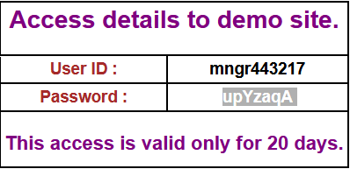
test scenario | test case | pre-conditions | test steps | test data | expected result | actual result | date | pass/fall | attachment |  |  | comments
Check Login Functionality | Check Manager Login with valid data |  | 1. Go to the site http://demo.guru99.com | UserID = mngr443217 | User should Login into an application | As Expected |  | pass
 |  |  | 2. Enter UserID | Password = upYzaqA |  |  | 2022-09-26
 |  |  | 3. Enter password
 |  |  | 4. Click Login

Check Login Functionality | Check Manager Login with invalid data (empty fields) |  | 1. Go to the site http://demo.guru99.com |  | The error: "User-ID must not be blank" and "Password must not be blank" are displayed. The System displays an error: :"User is not valid" | As Expected |  | pass
 |  |  | 2. Leave required login and password empty | empty data |  |  | 2022-09-26
 |  |  | 4. Click Login

Check Login Functionality | Check Manager Login with invalid data (empty UserID and valid password) |  | 1. Go to the site http://demo.guru99.com |  | The error: "User-ID must not be blank". The System displays an error: :"User is not valid" | As Expected |  | pass
 |  |  | 2. Leave UserID field empty | Password = upYzaqA |  |  | 2022-09-26
 |  |  | 3. Enter password
 |  |  | 4. Click Login

Check Login Functionality | Check Manager Login with invalid data (valid UserID and empty password) |  | 1. Go to the site http://demo.guru99.com |  | The error:"Password must not be blank" is displayed. The System displays an error: :"User is not valid" | As Expected |  | pass
 |  |  | 2. Enter UserID | UserID = mngr443217 |  |  | 2022-09-26
 |  |  | 3. Leave password field empty
 |  |  | 4. Click Login

Check Login Functionality | Check Manager Login with invalid data(invalid UserID and invalid password) |  | 1. Go to the site http://demo.guru99.com | UserID = mngr453217 | User shouldn`t Login into an application. The System displays an error: :"User is not valid" | As Expected |  | pass
 |  |  | 2. Enter UserID | Password = downYzaqA |  |  | 2022-09-26
 |  |  | 3. Enter password
 |  |  | 4. Click Login

Check Login Functionality | Check Manager Login with invalid data(valid UserID and invalid password) |  | 1. Go to the site http://demo.guru99.com |  | User shouldn`t Login into an application. The System displays an error: :"User is not valid" | As Expected |  | pass
 |  |  | 2. Enter UserID | UserID = mngr443217 |  |  | 2022-09-26
 |  |  | 3. Enter password | Password = downYzaqA
 |  |  | 4. Click Login

Check Login Functionality | Check Manager Login with invalid data(invalid UserID and valid password) |  | 1. Go to the site http://demo.guru99.com |  | User shouldn`t Login into an application. The System displays an error: :"User is not valid" | As Expected |  | pass
 |  |  | 2. Enter UserID | UserID = mngr453217 |  |  | 2022-09-26
 |  |  | 3. Enter password | Password = upYzaqA
 |  |  | 4. Click Login

Check Login Functionality | Check The Reset button in the Manager Login Page |  | 1. Go to the site http://demo.guru99.com | any data | The data should be cleared from the fields | As Expected |  | pass
 |  |  | 2. Enter UserID |  |  |  | 2022-09-26
 |  |  | 3. Enter password
 |  |  | 4. Click Reset

Check Add New Customer Functionality for Manager | Check Add New Customer with valid data | The manager is Login (BP01) | 1. Enter Customer Name | Customer Name = NataliKazichuk | The New Customer shoud be created | The error: "Please fill all fields" | 2022-09-26 | fail | bug | The space not accepted to Customer Name field
 |  |  | 2. Enter Date of Birth | Date of Birth = 24.02.1990 | The New Customer created | As expected | 2022-09-30 | pass |  | CustomerID 88825 | 88825
 |  | The "Add New Customer" form is opened | 3. Enter Address | Adress = Kn/Olgi 70
 |  |  | 4. Enter City | City = Rivne
 |  |  | 5. Enter State | State = Ukraine
 |  |  | 6. Enter PIN | Pin = 123456
 |  |  | 7. Enter Telephone Number | Telephone N = 380975060112
 |  |  | 8. Enter Email | Email = cisera4426@orlydns.com
 |  |  | 9. Click Submit

Check Add New Customer Functionality for Manager | Check Add New Customer with invalid data (all empty fields) | The manager is Login (BP01) | 1. Leave all the fields empty | empty data | The New Customer shoudn't be created. The "Please fill all fields" error is displayed. | As Expected |  | pass | bug | The " *" symbol not shown in the Telepfone Numder field
 |  |  | 2. Click Submit |  |  |  | 2022-09-26
 |  | The "Add New Customer" form is opened

Check Add New Customer Functionality for Manager | Check Add New Customer with invalid data ("Customers Name", "City", "State" fields type only numbers) | The manager is Login (BP01) | 1. Enter Customer Name | Customer Name = 123456789 | The New Customer shoudn't be created. The "Numbers are not allowed" error is displayed on the "Customers Name", "City", "State" fields. | As Expected |  | pass
 |  |  | 2. Enter Date of Birth | Date of Birth = 24.02.1990 |  |  | 2022-09-26 |  | bug
 |  | The "Add New Customer" form is opened | 3. Enter Address | Adress = Kn/Olgi 70
 |  |  | 4. Enter City | City = 123456
 |  |  | 5. Enter State | State = 123456
 |  |  | 6. Enter PIN | Pin = 123456
 |  |  | 7. Enter Telephone Number | Telephone N = 380975060112 |  |  |  |  | текст ошибки везде одинаковый
 |  |  | 8. Enter Email | Email = cisera4426@orlydns.com |  |  |  |  | логичнее ошибка вы неверно ввели данные
 |  |  | 9. Click Submit

Check Add New Customer Functionality for Manager | Check Add New Customer with invalid data ("Customers Name", "City", "State" fields type text+numbers) | The manager is Login (BP01) | 1. Enter Customer Name | Customer Name = NataliKazichuk11111 | The New Customer shoudn't be created. The "Numbers are not allowed" error is displayed on the "Customers Name", "City", "State" fields. | As Expected |  | pass
 |  |  | 2. Enter Date of Birth | Date of Birth = 24.02.1990 |  |  | 2022-09-26
 |  | The "Add New Customer" form is opened | 3. Enter Address | Adress = Kn/Olgi 70
 |  |  | 4. Enter City | City = Rivne25
 |  |  | 5. Enter State | State = Ukraine123456
 |  |  | 6. Enter PIN | Pin = 123456
 |  |  | 7. Enter Telephone Number | Telephone N = 380975060112
 |  |  | 8. Enter Email | Email = cisera4426@orlydns.com
 |  |  | 9. Click Submit

Check Add New Customer Functionality for Manager | Check Add New Customer with invalid data ("Customers Name", "City", "State" fields type numbers+text) | The manager is Login (BP01) | 1. Enter Customer Name | Customer Name = 1111NataliKazichuk | The New Customer shoudn't be created. The "Numbers are not allowed" error is displayed on the "Customers Name", "City", "State" fields. | As Expected |  | pass
 |  |  | 2. Enter Date of Birth | Date of Birth = 24.02.1990
 |  | The "Add New Customer" form is opened | 3. Enter Address | Adress = Kn/Olgi 70 |  |  | 2022-09-26
 |  |  | 4. Enter City | City = 25Rivne
 |  |  | 5. Enter State | State = 123456Ukraine
 |  |  | 6. Enter PIN | Pin = 123456
 |  |  | 7. Enter Telephone Number | Telephone N = 380975060112
 |  |  | 8. Enter Email | Email = cisera4426@orlydns.com
 |  |  | 9. Click Submit

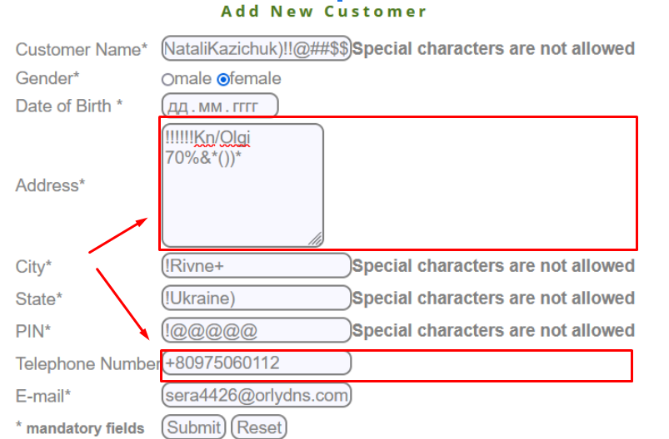
Check Add New Customer Functionality for Manager | Check Add New Customer with invalid data ("Customers Name", "Address", "City", "State", "PIN", "Telephone Number", "" fields type spesial characters) | The manager is Login (BP01) | 1. Enter Customer Name | Customer Name = *NataliKazichuk) | The New Customer shoudn't be created. The "Special characters are not allowed" error is displayed on the "Customers Name", "City", "State", ""PIN" fields. | The error isn`t shown in the "Address", "Telephone Number" fields |  | fail
 |  |  | 2. Enter Date of Birth | Date of Birth = 24.02.1990 |  |  | 2022-09-26 |  | bug
 |  | The "Add New Customer" form is opened | 3. Enter Address | Adress = Kn/Olgi 70%&*())*
 |  |  | 4. Enter City | City = !Rivne+
 |  |  | 5. Enter State | State = !Ukraine)
 |  |  | 6. Enter PIN | Pin = !@#$^
 | special characters |  | 7. Enter Telephone Number | Telephone N = +80975060112
 | ! @ # $ % ^ & * () { }: " ;' <>? |  | 8. Enter Email | Email = cisera4426@orlydns.com
 |  |  | 9. Click Submit

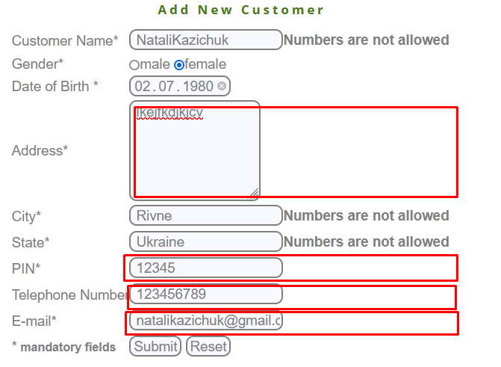
Check Add New Customer Functionality for Manager | Check Add New Customer with invalid data ("Customers Name", "Address", "City", "State", "PIN", "Telephone Number", "" fields type space as first character) | The manager is Login (BP01) | 1. Enter spaceCustomer Name | Customer Name = NataliKazichuk | The "Numbers are not allowed" error is displayed on the "Customers Name", "City", "State" fields. | The error isn`t shown in the "Address", "Telephone Number", "PIN" and "E-mail" fields |  | fail | Ошибка не показываеться при введениипробела первым символом
 |  |  | 2. Enter Date of Birth | Date of Birth = 24.02.1990 |  |  | 2022-09-26 |  |  |  |  | Текст ошибки?
 |  | The "Add New Customer" form is opened | 3. Enter spaseAddress | Adress = Kn/Olgi 70 |  |  |  |  | bug | Ошибка не показываеться при введении спецю.символов
 |  |  | 4. Enter spaceCity | City = Rivne
 |  |  | 5. Enter spaceState | State = Ukraine
 |  |  | 6. Enter spacePIN | Pin = 123456
 |  |  | 7. Enter spaceTelephone Number | Telephone N = 380975060112
 |  |  | 8. Enter spaceEmail | Email = cisera4426@orlydns.com
 |  |  | 9. Click Submit

Check Add New Customer Functionality for Manager | Check Add New Customer with invalid data ( "PIN", "Telephone Number", "" fields type characters) | The manager is Login (BP01) | 1. Enter spaceCustomer Name | Customer Name = NataliKazichuk | The New Customer shoudn't be created. The "The characters are not allowed" error is displayed on the "Telephone Number" and "PIN" fields. | As Expected |  | pass
 |  |  | 2. Enter Date of Birth | Date of Birth = 24.02.1990 |  |  | 2022-09-26
 |  | The "Add New Customer" form is opened | 3. Enter spaseAddress | Adress = Kn/Olgi 70
 |  |  | 4. Enter spaceCity | City = Rivne
 |  |  | 5. Enter spaceState | State = Ukraine
 |  |  | 6. Enter spacePIN | Pin = abcde
 |  |  | 7. Enter spaceTelephone Number | Telephone N = telephone
 |  |  | 8. Enter spaceEmail | Email = cisera4426@orlydns.com
 |  |  | 9. Click Submit

 |  |  |  |  |  |  |  |  |  |  | T75 Telephone Number — номер мобильного телефона не должен быть пустым
 |  |  |  |  |  |  |  |  |  |  | T76 Telephone Number — специальные символы не допускаются
 |  |  |  |  |  |  |  |  |  |  | T77 Telephone Number – символы не допускаются
 |  |  |  |  |  |  |  |  |  |  | T78 Telephone Number — первый символ не может содержать пробел

NewCustomer
 |  |  | The "" field can not contain numbers | 1.Enter numbers into the "" field 2.Press Tab | 1.The "Numbers are not allowed" error is displayed in the "" field
 |  |  | The "" field must not be blank | 1.Leave empty "" field 2.Press Tab | 1.The "" field must be not blank" error is displayed in the "" field
 |  |  | The "" field can not contain special characters | 1.Enter special characters into the "" field 2.Press Tab | 1.The "Special characters are not allowed" error is displayed in the "" field
 |  |  | The "" field cann't have the space as the first character | 1.Enter space as first character into the "" field 2.Press Tab | 1.The "First character cannot have space" error is displayed in the "" field

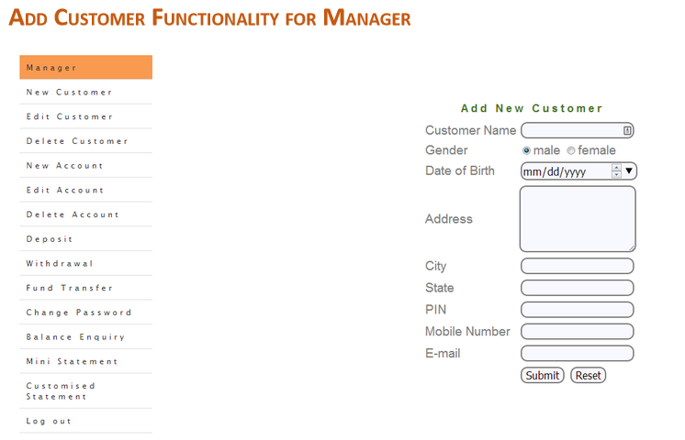
 | Date | Version | Change By | Description |  | preconditions
 | 2022-11-21 | 1 | Harick | Initial Draft |  | UserID = mngr443217 Password = upYzaqA
 | 2022-11-23 | 2022-01-01 | Test case executed on v1 of website. Test results updated. |  |  | https://demo.guru99.com/V1/
 | 2022-10-03 | 2.0 | Test case executed on v2 of website. Retesting bugs |  |  | https://clicks.aweber.com/y/ct/?l=EtZ66&m=n764IvVUEUEWDy9&b=_aqOpGzXj3rPxXl.Vc2JUw
 | 2022-10-04 | 2022-01-01 | bug reports |  |  | https://natalikazichuk12.atlassian.net/jira/software/c/projects/GUR/issues

Test Suit "New Customer Form" |  |  |  | priority: High
TR | TestCase# | Test Scenario | Test Cases | Test Steps | Test Data | Expected Result | Actual Result | Pass/Fail | Retesting 2.0(03/10) actual result 2.0 | Pass/Fail | bugs v1.0 |  | Jira SoftWare
T4 | NC1 | Check the "Customer Name" Field | The "Customer Name" field can not contain numbers | 1. Enter numbers into the "Customer Name" field 2. Press Tab | 123456 Natali1234 1234Natali | 1.The "Numbers are not allowed" error is displayed | As Expected | pass |  | pass
T5 | NC2 |  | The "Customer Name" field can not contain special characters | 1. Enter special characters into the "Customer Name" field 2. Press Tab | !@#$%% Natali!@@#$$ !@#$#Natali | 1.The "Special characters are not allowed" error is displayed | As Expected | pass |  | pass
T6 | NC3 |  | The "Customer Name" field cannot be blank | 1. Leave empty the "Customer Name" field 2. Press Tab | empty field | 1.The "Customer name must not be blank" error is displayed | As Expected | pass |  | pass
T7 | NC4 |  | The "Customer Name" cannot have space as the first character | 1. Enter space as first character into the "Customer Name" field 2. Press Tab | space | 1.The "First character cannot have space" error is displayed | "Numbers are not allowed" error is shown | fail | The "First character can not have space" error is shown | pass | GUR-1 | The "Numbers are not allowed" error message is shown in the "Customer Name"fiel after entering space as first character | https://natalikazichuk12.atlassian.net/browse/GUR-1
T8 | NC5 | Check "Address" Field | The "Address" field must not be blank | 1. Leave empty the "Address" field 2. Press Tab | empty field | 1.The "Adress must not be blank" error is displayed | No error message is shown | fail | The "Address Field must not be blank" error message is shown | pass | GUR-2 | No error message in the "Address" field is shown after living the "Address" field empty | https://natalikazichuk12.atlassian.net/browse/GUR-2
T9 | NC6 |  | The "Address" field cann't have the space as the first character | 1. Enter space as first character into the "Address" field 2. Press Tab | space | 1.The "First character cannot have space" error is displayed | No error message is shown | fail | The "First character can not have space" is shown | pass | GUR-3 | No error message in the "Address" field is shown after entering space as first character | https://natalikazichuk12.atlassian.net/browse/GUR-3
T10 | NC7 |  | The "Address" field cann't have special characters | 1. Enter special characters into the "Address" field 2. Press Tab | !@#$%% address!@@#$$ !@#$#address | 1.The "Special characters are not allowed" error is displayed | No error message is shown | fail | The "Special characters are not allowed" is shown | pass | GUR-4 | No error message in the "Address" field is shown after entering specials characters | https://natalikazichuk12.atlassian.net/browse/GUR-4
T11 | NC8 | Check "City" Field | The "City" field can not contain special characters | 1.Enter special characters into the "City" field 2.Press Tab | !@#$%% city!@@#$$ !@#$#city | 1.The "Special characters are not allowed" error is displayed | As Expected | pass |  | pass
T12 | NC9 |  | The "City" Field must not be blank | 1.Leave empty "City" field 2.Press Tab | empty field | 1.The "City Field must be not blank" error is displayed | As Expected | pass |  | pass
T13 | NC10 |  | The "City" field can not contain numbers | 1.Enter numbers into the "City" field | 123456 city1234 1234city | 1.The "Numbers are not allowed" error is displayed | As Expected | pass |  | pass
T14 | NC11 |  | The "City" field cann't have the space as the first character | 1.Enter space as first character into the "City" field 2.Press Tab | space | 1.The "First character cannot have space" error is displayed | "Numbers are not allowed" error is shown | fail | "First character can not have space" is shown | pass | GUR-5 | The "Numbers are not allowed" error message is shown in the "City" field after entering space as first character | https://natalikazichuk12.atlassian.net/browse/GUR-5
T15 | NC12 | Check "State" Field | The "State" field can not contain numbers | 1.Enter numbers into the "State" field 2.Press Tab | 123456 state1234 1234state | 1.The "Numbers are not allowed" error is displayed |  | pass |  | pass
T16 | NC13 |  | The "State" field must not be blank | 1.Leave empty "State" field 2.Press Tab | empty field | 1.The "State" field must be not blank" error is displayed in the "State" field |  | pass |  | pass
T17 | NC14 |  | The "State" field can not contain special characters | 1.Enter special characters into the "State" field 2.Press Tab | !@#$%% state!@@#$$ !@#$#state | 1.The "Special characters are not allowed" error is displayed in the "State" field |  | pass |  | pass
T17.1 | NC15 |  | The "State" field cann't have the space as the first character | 1.Enter space as first character into the "State" field 2.Press Tab | space | 1.The "First character cannot have space" error is displayed in the "State" field | The "Numbers are not allowed" error is shown in the "State" field | fail | "First character can not have space" is shown | pass | GUR-6 | The "Numbers are not allowed" error message is shown in the "State" field after entering space as first character | https://natalikazichuk12.atlassian.net/browse/GUR-6
T18 | NC16 | Check Pin Field | PIN CODE must be numeric | 1.Enter characters into the "Pin" field 2. Press Tab | 123qwe qwerrt | The "Characters are not allowed" error is displayed in the "Pin" field | The "Special characters are not allowed" is shown in the "Pin" field | fail | "Characters are not allowed is shown | pass | GUR-7 | The "Specials characters are not allowed" error message is shown in the "Pin" field after entering "-" character | https://natalikazichuk12.atlassian.net/browse/GUR-7
T19 | NC17 |  | The "Pin" field must not be blank | 1.Leave empty "Pin" field 2.Press Tab | empty field | 1.The "Pin" field must be not blank" error is displayed in the "Pin" field | As expected | pass
T20 | NC18 |  | The "Pin" field can not contain special characters | 1.Enter special characters into the "Pin" field 2.Press Tab | !!@##$%%^ | The "Special characters are not allowed" error is displayed in the "Pin" field | As expected | pass
T21 | NC19 |  | PIN Code must have 6 Digits | 1.Enter invalid number of digits into the "Pin" field 2.Press Tab | 12345 123456 01234567 | The "PIN Code must have 6 Digits" error is displayed in the "Pin" field | As expected | pass
T22 | NC20 |  | The "Pin" field cann't have the space as the first character | 1.Enter space as first character into the "Pin" field 2.Press Tab | space | The "First character cannot have space" error is displayed in the "Pin"field | The "Characters are not allowed" is shown in the "Pin" field | fail | The "First character can not have space" is shown in the "Pin" field | pass | GUR-8 | The "Characters are not allowed" error message is shown in the "Pin" field after entering space as a first character | https://natalikazichuk12.atlassian.net/browse/GUR-8
T23 | NC21 | Check Telephone Field | The "Telephone Number" field must not be blank | 1.Leave empty "Telephone Number" field 2.Press Tab | empty field | The "Mobile no must not be blank" error is displayed in the "Telephone Number" field |  | pass
T24 | NC22 |  | The "Telephone Number" field can not contain special characters | 1.Enter special characters into the "Telephone Number" field 2.Press Tab | !!@##$%%^ | The "Special characters are not allowed" error is displayed in the "Telephone Number" field |  | pass
T25 | NC23 |  | The "Telephone Number" field can not contain characters | 1.Enter characters into the "Telephone Number" field 2.Press Tab | 123poikl | The "Character are not allowed" is displayed in the "Telephone Number" field | The "Special characters are not allowed" error is shown in the "Telephone Number" field | fail | "Characters are not allowed" is shown | pass | GUR-9 | The "Specials characters are not allowed" error message is shown in the "Telephone" field after entering "-" character | https://natalikazichuk12.atlassian.net/browse/GUR-9
T26 | NC24 |  | The "Telephone Number" field cann't have the space as the first character | 1.Enter space as first character into the "Telephone Number" field 2.Press Tab | space | The "First character cannot have space" error is displayed in the "Telephone Number" field | The "Characters are not allowed" error is shown in the "Telephone Number" field | fail | "First character can not have space" is shown | pass | GUR-10 | The "Characters are not allowed" error message is shown in the "Pin" field after entering space as a first character | https://natalikazichuk12.atlassian.net/browse/GUR-10
T27 | NC25 | Check Email Field | The "Email" field must not be blank | 1.Leave empty "Email" field 2.Press Tab | empty field | The "Email ID must not be blank" error is displayed in the "Email" field | As expected | pass
T28 | NC26 |  | Email ID must be correct in the format | 1. Enter email with invalid email 2. Press Tab | natali654@ghail natali654@ natali654@ghail.co | The "Email ID is not valid" error is displayed in the "Email" field |  | pass
T29 | NC27 |  | The "Email" field cann't have the space as the first character | 1.Enter space as first character into the "Email" field 2.Press Tab | space | The "First character cannot have space" error is displayed | No error message is shown | fail | "First character can not have space" is shown | pass | GUR-11 | No error message is shown in the "E-mail" field after entering space as a first character | https://natalikazichuk12.atlassian.net/browse/GUR-11
T30 | NC28 | Check New Customer Functionality (create new customer) | Type valid data | Enter all required fields | Customer Name = NataliKazichuk Date of Birth = 24.02.1990 Adress = Kn/Olgi 70 City = Rivne State = Ukraine Pin = 123456 Telephone N = 380975060112 Email = cisera4426@orlydns.com | The "New Customer is created successfully!" message is shown | The "Connection failed: Access denied for user 'root'@'localhost' (using password: NO)" is shown | pass | "Customer added successfully !!!. Generated Customer ID: 67924" message is shown | pass | GUR-12 | New Customer couldn`t be created | https://natalikazichuk12.atlassian.net/browse/GUR-12
 | NC29 | Check New Customer Functionality (Verify Customer is not added twice) |  | 1.Enter all required fields with valid test data | Customer Name = NataliKazichuk Date of Birth = 24.02.1990 Adress = Kn/Olgi 70 City = Rivne State = Ukraine Pin = 123456 Telephone N = 380975060112 Email = cisera4426@orlydns.com | "Customer Name, address, telephone Already Exist !!" is displayed | Connection failed: Access denied for user 'root'@'localhost' (using password: NO) | fail
F33 | NC30 | Check New Customer Functionality (Verify Customer is not added with the same email) | If same Email Id exist in the system, system shows an error. | 1. Enter all required fields 2. Enter Email = cisera4426@orlydns.com | Email = cisera4426@orlydns.com | "Email Address Already Exist !!" is displayed | As expected | pass

