batch gradient
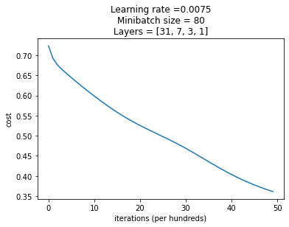
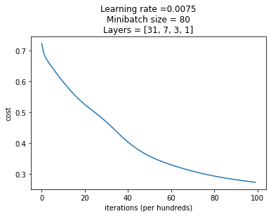
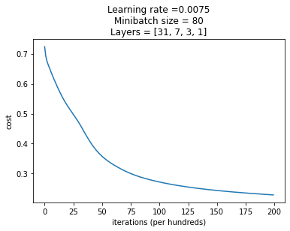
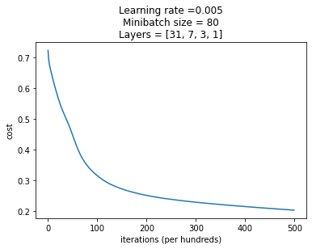
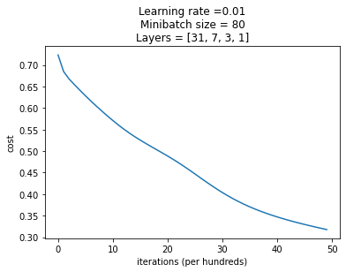
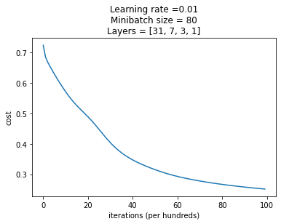

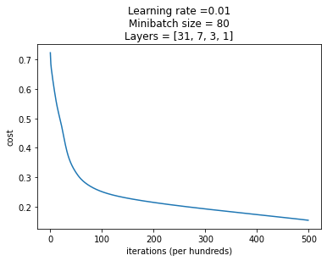

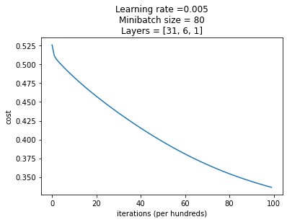
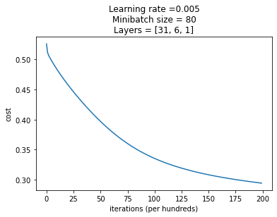
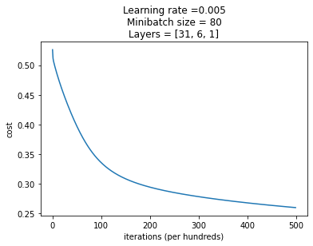
BATCH GRADIENT |  | iterations
accuracy - validation & model |  | 5000 |  | 10000 |  | 20000 |  | 50000
learning rate | 0.005 | 88.17 | 78.75 | 90.32 | 83.75 | 92.47 | 86.25 | 95.69 | 90
 | 0.0075 | 97.84 | 91.25 | 97.84 | 91.25 | 94.62 | 93.75 | 94.62 | 96.25
 | 0.01 | 90.32 | 83.75 | 92.47 | 86.25 | 95.69 | 88.75 | 97.84 | 90

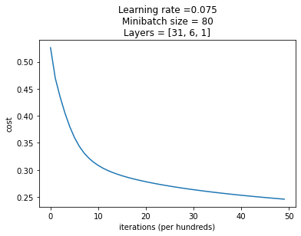
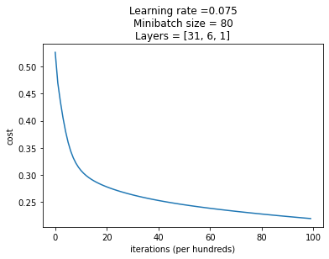
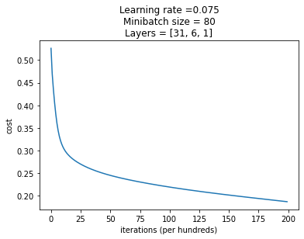
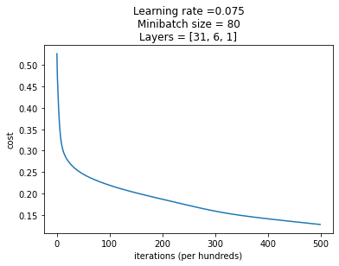

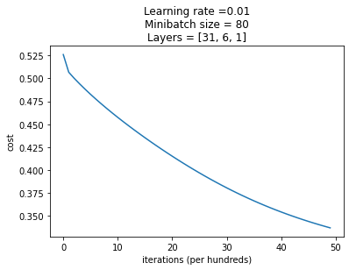
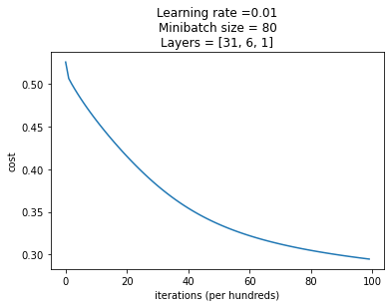
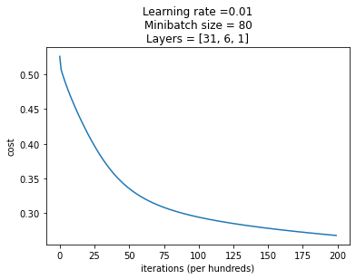


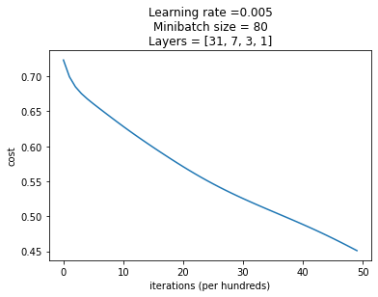
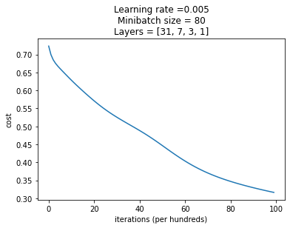
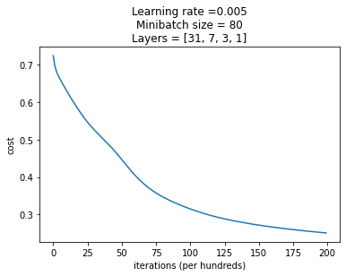
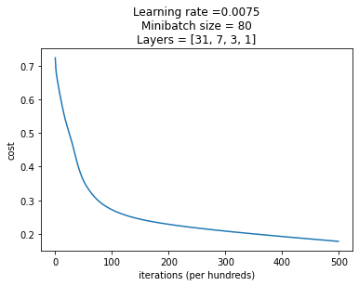
BATCH GRADIENT |  | iterations
accuracy - validation & model |  | 5000 |  | 10000 |  | 20000 |  | 50000
learning rate | 0.005 | 81.72 | 75 | 91.39 | 87.5 | 96.77 | 92.5 | 98.92 | 93.75
 | 0.0075 | 89.24 | 85 | 95.69 | 88.75 | 97.84 | 91.25 | 97.84 | 93.75
 | 0.01 | 91.39 | 87.5 | 96.77 | 92.5 | 98.92 | 91.25 | 97.84 | 96.25

stochastic gradient
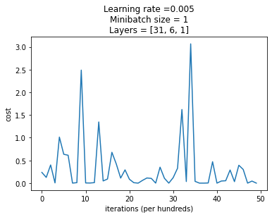
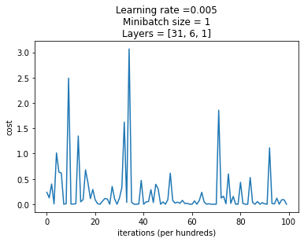
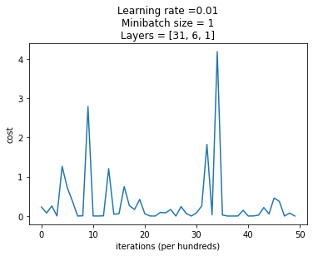
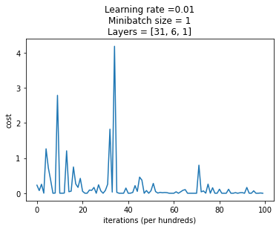
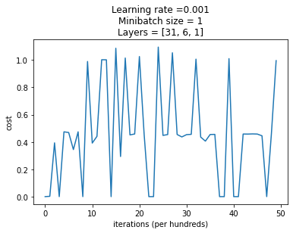
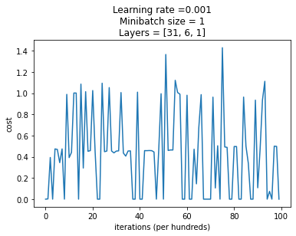
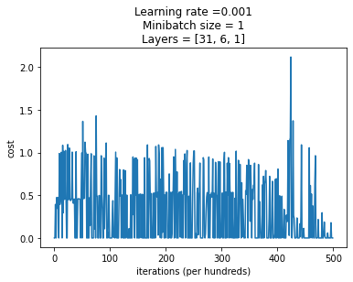
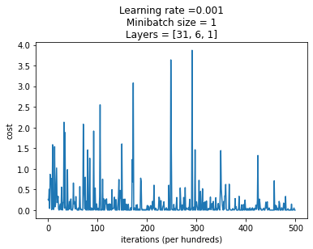
STOCHASTIC GRADIENT |  | iterations
accuracy - validation & model |  | 5000 |  | 10000 |  | 20000 |  | 50000
learning rate | 0.001 | 70.96 | 76.25 | 68.81 | 76.25 | 70.96 | 76.25 | 90.32 | 90
 | 0.005 | 72.04 | 76.25 | 90.32 | 90 | 93.54 | 95 | 91.39 | 98.75
 | 0.0075 | 72.04 | 76.25 | 93.54 | 92.5 | 91.39 | 93.75 | 91.39 | 98.75

parameters * 10

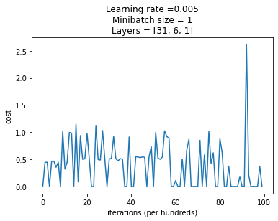
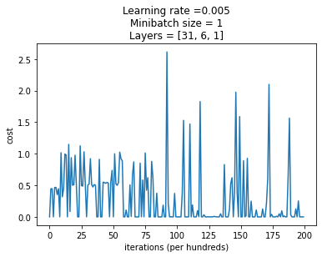
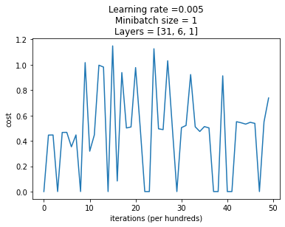
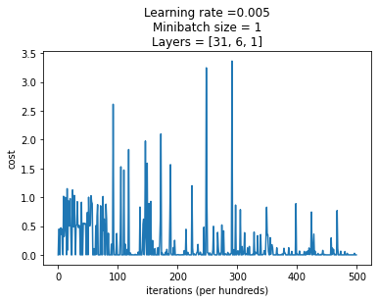

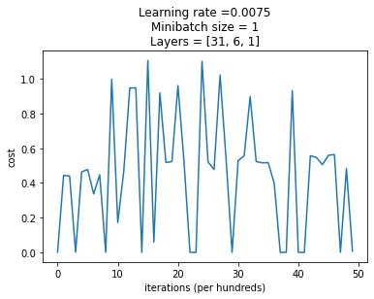
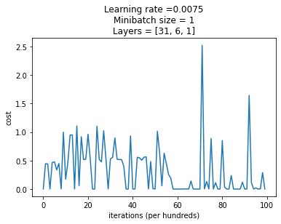
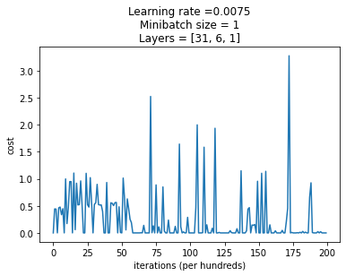
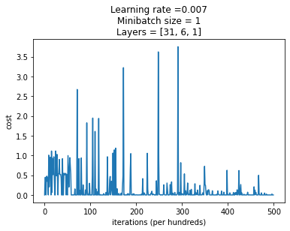

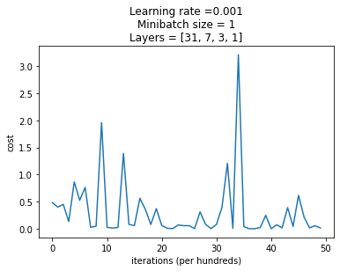
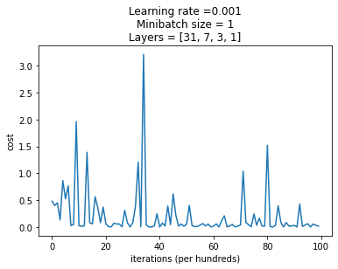
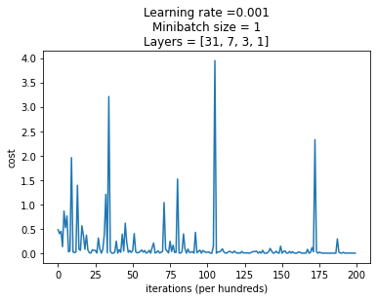
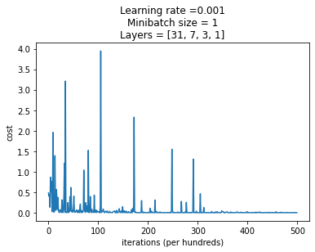
just parameters now

STOCHASTIC GRADIENT |  | iterations
accuracy - validation & model |  | 5000 |  | 10000 |  | 20000 |  | 50000
learning rate | 0.001 | 97.84 | 97.5 | 96.77 | 98.75 | 95.69 | 98.75 | 86.02 | 100
 | 0.005 | 96.77 | 98.75 | 91.39 | 100 | 90.32 | 100 | 90.32 | 100
 | 0.01 | 92.47 | 100 | 88.17 | 100 | 89.24 | 100 | 89.24 | 100

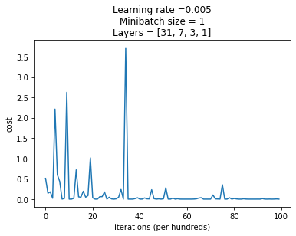
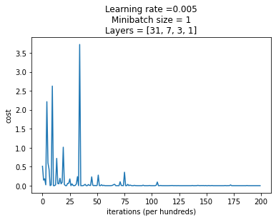
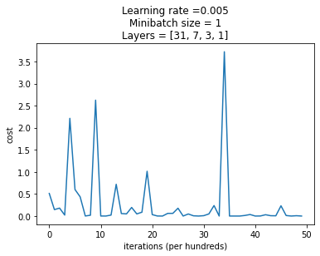
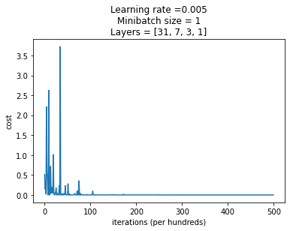

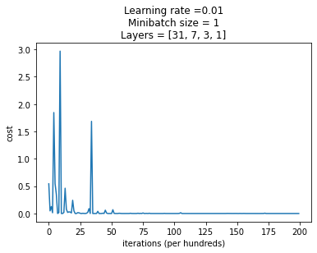
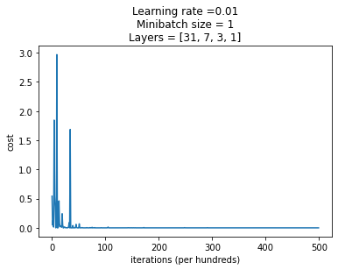
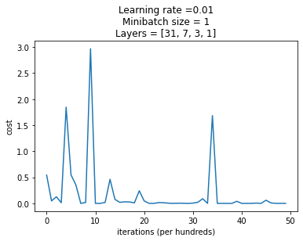
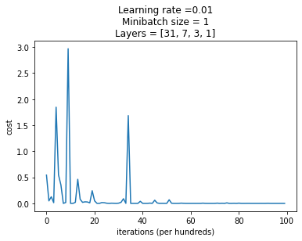

paramters normal
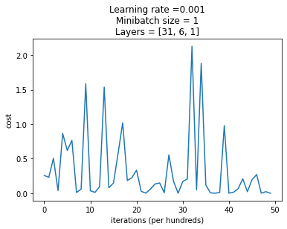


STOCHASTIC GRADIENT |  | iterations
accuracy - validation & model |  | 5000 |  | 10000 |  | 20000 |  | 50000
learning rate | 0.001 | 97.84 | 91.25 | 97.84 | 91.25 | 94.62 | 93.75
 | 0.005 | 94.62 | 96.25 | 95.69 | 97.5 | NaN | NaN
 | 0.01 | 95.69 | 97.5 | 93.54 | 98.75 | NaN | NaN

minibatch_16
















MINIBATCH GRADIENT |  | iterations
accuracy - validation & model |  | 5000 |  | 10000 |  | 20000 |  | 50000
learning rate | 0.001 | 88.17 | 78.75 | 90.32 | 83.75 | 92.47 | 86.25 | 95.69 | 90
 | 0.005 | 94.62 | 86.25 | 95.69 | 90 | 97.84 | 90 | 94.62 | 91.25
 | 0.0075 | 95.69 | 87.5 | 97.84 | 91.25 | 97.84 | 91.25 | 94.62 | 93.75
 | 0.01 | 95.69 | 90 | 97.84 | 90 | 96.77 | 91.25 | 95.69 | 96.25





















MINIBATCH GRADIENT |  | iterations
accuracy - validation & model |  | 5000 |  | 10000 |  | 20000 |  | 50000
learning rate | 0.001 | 81.72 | 75 | 91.39 | 86.25 | 96.77 | 92.5 | 98.24 | 93.75
 | 0.005 | 97.84 | 92.5 | 98.24 | 93.75 | 97.84 | 96.25 | 96.77 | 98.75
 | 0.0075 | 97.84 | 92.5 | 97.84 | 93.75 | 97.84 | 98.75 | 95.69 | 98.75
 | 0.01 | 98.92 | 93.75 | 97.84 | 96.25 | 96.77 | 98.75 | 93.54 | 98.75

