Sheet 4 - Outlier Analysis
Project 2 – Outlier Analysis
Outliers are identified using the IQR (Interquartile Range) method on TotalPrice. Outliers are flagged for investigation and are not automatically removed.

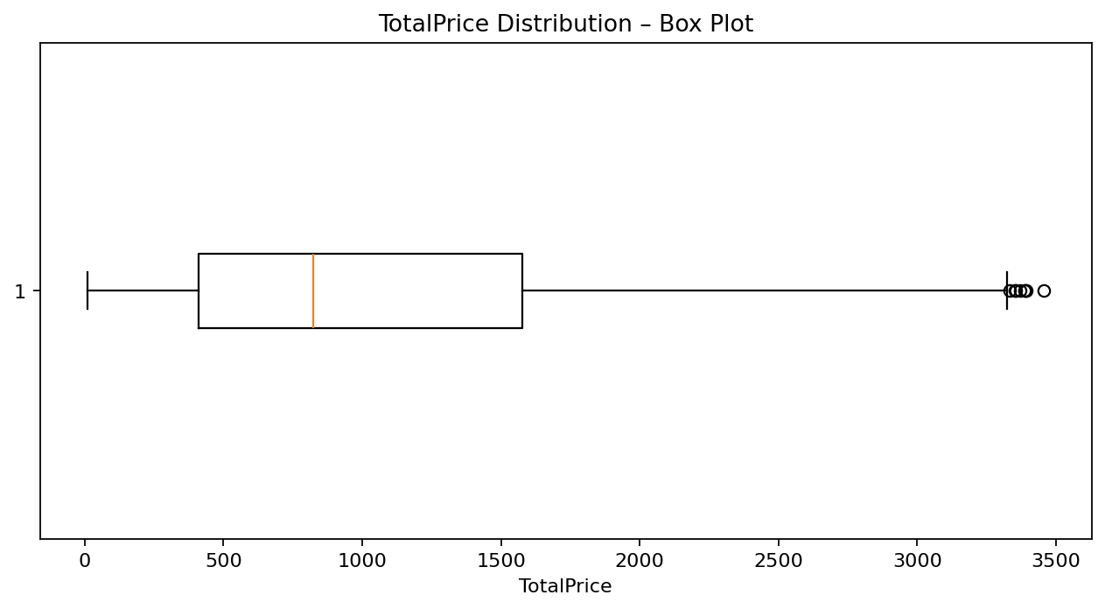
IQR Calculation
Q1 (25th percentile) | 410.52
Q3 (75th percentile) | 1,578.48
IQR (Q3 - Q1) | 1,167.96
Lower Bound (Q1 - 1.5×IQR) | -1,341.41
Upper Bound (Q3 + 1.5×IQR) | 3,330.41
Number of Outliers | 8

Identified Outliers
OrderID | Date | Product | Quantity | UnitPrice | TotalPrice | Outlier Type
ORD200789 | 2023-08-17 | Tablet | 5 | 691.28 | 3,456.40 | High
ORD201122 | 2023-06-07 | Monitor | 5 | 678.19 | 3,390.95 | High
ORD200632 | 2023-05-02 | Laptop | 5 | 678.16 | 3,390.80 | High
ORD200469 | 2023-11-26 | Chair | 5 | 676.98 | 3,384.90 | High
ORD200328 | 2023-02-28 | Tablet | 5 | 674.04 | 3,370.20 | High
ORD200107 | 2023-03-27 | Printer | 5 | 670.75 | 3,353.75 | High
ORD200326 | 2024-07-01 | Laptop | 5 | 670.48 | 3,352.40 | High
ORD201065 | 2023-10-30 | Printer | 5 | 666.80 | 3,334.00 | High

Outlier Interpretation
Using the IQR method, TotalPrice values above ₹3,330.41 are flagged as high outliers. 8 high-value orders were identified. The highest is ORD200789 at ₹3,456.40. These records should be reviewed, not automatically deleted.

Sheet 6 - Charts
Project 2 – EDA Charts
Visual summaries supporting the EDA findings: monthly orders, monthly sales, product sales, and order-status distribution.

Monthly Orders Trend
Monthly Sales Trend

Total Sales by Product
Order Status Distribution

