Sheet1
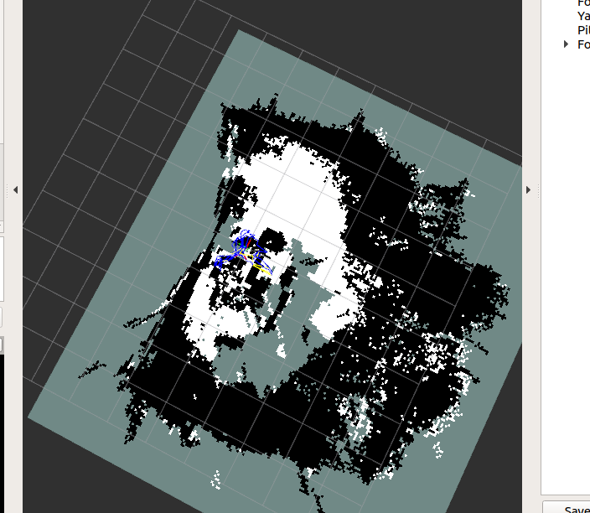
1. RTAB-MAP |  |  | RTAB Sample Image -- note the lower resolution
-- This is the method that is currently used

 | Advantage:
 | -- Lot of documentation if run into errors (probably most used method for Intel RealSense)
 | -- Runs rs_d400_and_t265.launch internally and tends not to have too many errors
 |  | -- i.e. don't have to launch the cameras separately and come into extra errors
 | -- Good at detecting the ground without having to set parameters

 | Distadvantage
 | -- resolution default is set to 0.05 (ie each cell is around 5 cm) so not the best resolution and hard to adjust with Rviz
 |  | --it might be easier to adjust if w/ Rtabmap as visualization tool instead of Rviz bc you can specify resolution in the init/confiuguration file of Rtabmap
 | -- does not always consistently run --> need to exit and re-run at times
 | -- sometimes hangs in the middle of creating map --> might have to do with power of jetson

2. Occupancy Mapping
 | https://github.com/IntelRealSense/realsense-ros/tree/occupancy-mapping/occupancy
 | -- This uses the occupancy-mapping branch of realsense-ros
 | Advantages:
 | -- very easy to adjust resolution (it's a parameter under occupancy.launch)
 | -- easy to adjust height of interest and depth of interest (edit the parameters in occupancy.launch) |  | Occupancy Sample Image -- note the red circle indicating differences in wall detection/drifting
 | -- runs rs_d400_and_t265.launch internally

 | Distadvantages:
 | -- Produced map is very sensitive to the parameters HeightOfInterestMin, HeightOfInterestMax in occupancy.launch
 |  | -- Also there is not much documentation about what these values are and why one of them is negative
 | -- Location tracking/Odometer doesn't seem to work well
 |  | -- Location drifting? Odometer/ position is off
 |  | -- T265 which provides odometry also seems to come pre-calibrated so not sure what an easy fix is (also since not as much documentation)
 | -- does not consistently run all the time
 | -- sometimes hangs in the middle of creating map --> might have to do with power of jetson
 | -- not very good at detecting the floor and coloring it white (though might have to do with the HeightOfInterestMin and HeightOfInterestMax parameters)

