DRAFT FIGURE 1 New
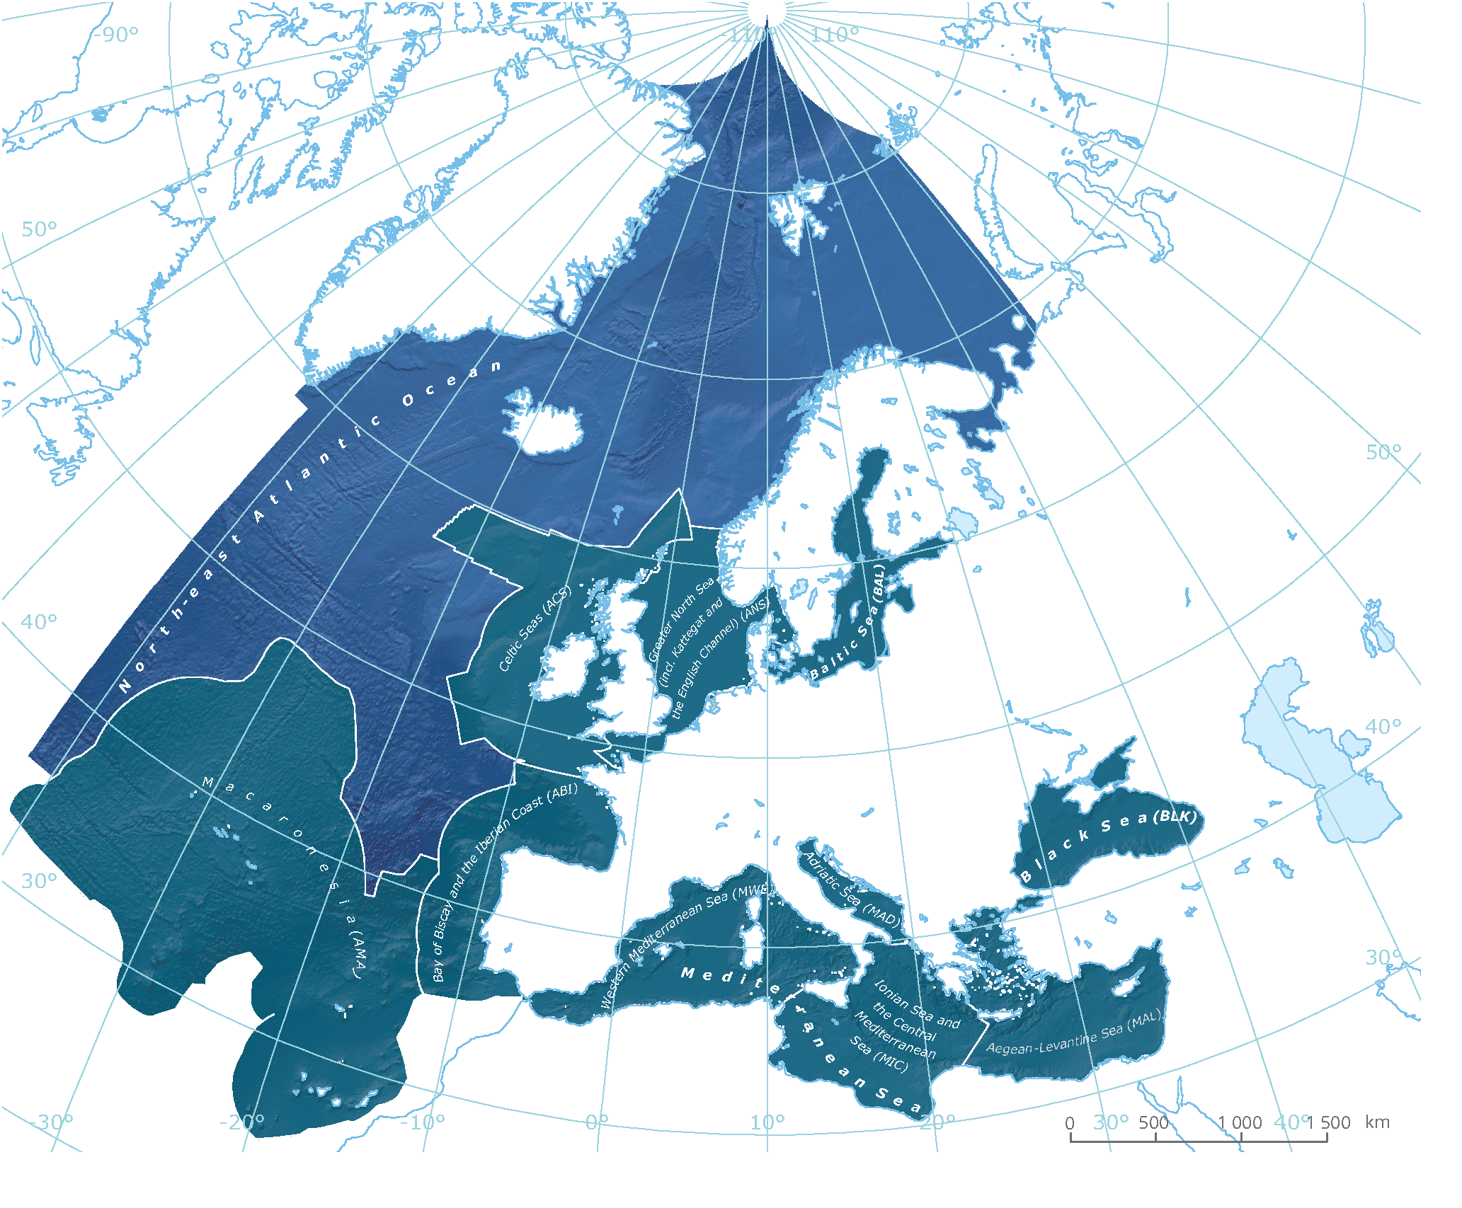
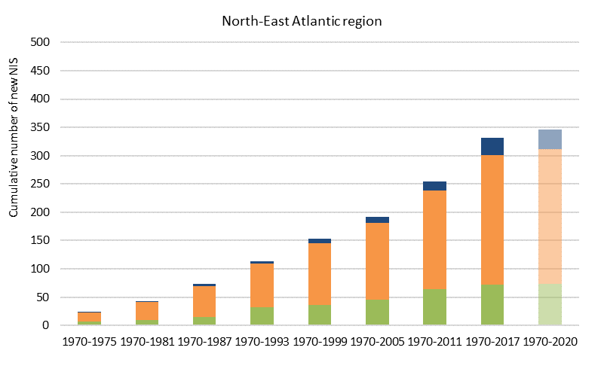
North-East Atlantic region
 | New NIS per cycle | Primary producers | Invertebrates | Vertebrates
1970-1975 | 22 | 7 | 14 | 1
1976-1981 | 18 | 2 | 16 | 0
1982-1987 | 30 | 6 | 22 | 2
1988-1993 | 36 | 17 | 18 | 1
1994-1999 | 39 | 4 | 31 | 4
2000-2005 | 36 | 7 | 27 | 2
2006-2011 | 59 | 18 | 36 | 5
2012-2017 | 70 | 8 | 48 | 14
Mediterranean region
 | New NIS per cycle | Primary producers | Invertebrates | Vertebrates
1970-1975 | 22 | 5 | 16 | 1
1976-1981 | 46 | 15 | 30 | 1
1982-1987 | 48 | 16 | 30 | 2
1988-1993 | 41 | 16 | 23 | 2
1994-1999 | 64 | 15 | 45 | 4
2000-2005 | 62 | 8 | 37 | 17
2006-2011 | 60 | 11 | 33 | 16
2012-2017 | 84 | 7 | 48 | 29
Black Sea
 | No. of new NIS per cycle | Primary producers | Invertebrates | Vertebrates
1970-1975 | 3 | 0 | 2 | 1
1976-1981 | 2 | 0 | 2 | 0
1982-1987 | 2 | 0 | 2 | 0
1988-1993 | 0 | 0 | 0 | 0
1994-1999 | 2 | 0 | 2 | 0
2000-2005 | 6 | 1 | 5 | 0
2006-2011 | 5 | 0 | 5 | 0
2012-2017 | 1 | 0 | 1 | 0
Baltic Sea
 | No. of new NIS per cycle | Primary producers | Invertebrates | Vertebrates
1970-1975 | 3 | 0 | 3 | 0
1976-1981 | 0 | 0 | 0 | 0
1982-1987 | 4 | 1 | 2 | 1
1988-1993 | 5 | 2 | 2 | 1
1994-1999 | 3 | 0 | 2 | 1
2000-2005 | 2 | 1 | 1 | 0
2006-2011 | 11 | 0 | 11 | 0
2012-2017 | 19 | 1 | 18 | 0
(Multiple Items)
 | Primary producers | Invertebrates | Vertebrates
1970-1975 | 0 | 3 | 0
1970-1981 | 0 | 3 | 0
1970-1987 | 1 | 5 | 1
1970-1993 | 3 | 7 | 2
1970-1999 | 3 | 9 | 3
1970-2005 | 4 | 10 | 3
1970-2011 | 4 | 21 | 3
1970-2017 | 5 | 39 | 3
1970-2020 | 5 | 43 | 4
(Multiple Items)
 | Primary producers | Invertebrates | Vertebrates
1970-1975 | 0 | 2 | 1
1970-1981 | 0 | 4 | 1
1970-1987 | 0 | 6 | 1
1970-1993 | 0 | 6 | 1
1970-1999 | 0 | 8 | 1
1970-2005 | 1 | 13 | 1
1970-2011 | 1 | 18 | 1
1970-2017 | 1 | 19 | 1
1970-2020 | 1 | 20 | 1
Mediterranean region
 | Primary producers | Invertebrates | Vertebrates
1970-1975 | 5 | 16 | 1
1970-1981 | 20 | 46 | 2
1970-1987 | 36 | 76 | 4
1970-1993 | 52 | 99 | 6
1970-1999 | 67 | 144 | 10
1970-2005 | 75 | 181 | 27
1970-2011 | 86 | 214 | 43
1970-2017 | 93 | 262 | 72
1970-2020 | 95 | 280 | 86
Europe's seas
 | Primary producers | Vertebrates | Invertebrates
1970-1975 | 8 | 3 | 25
1970-1981 | 18 | 4 | 61
1970-1987 | 35 | 7 | 105
1970-1993 | 61 | 11 | 131
1970-1999 | 74 | 19 | 194
1970-2005 | 84 | 35 | 246
1970-2011 | 105 | 55 | 306
1970-2017 | 114 | 93 | 388
1970-2020 | 118 | 111 | 411
Europe's seas
 | New NIS per cycle | Primary producers | Invertebrates | Vertebrates
1970-1975 | 36 | 8 | 25 | 3
1976-1981 | 47 | 10 | 36 | 1
1982-1987 | 64 | 17 | 44 | 3
1988-1993 | 56 | 26 | 26 | 4
1994-1999 | 84 | 13 | 63 | 8
2000-2005 | 78 | 10 | 52 | 16
2006-2011 | 101 | 21 | 60 | 20
2012-2017 | 129 | 9 | 82 | 38
NIS
804 TOTAL
640 SINCE 1970
52
325
22
461

DATA FOR CHART - EU
Europe's seas
 | Europe's seas

 |  | Primary producers | Invertebrates | Vertebrates | New NIS per cycle | Cumulative | Annaul average
 | 1970-1975 | 8 | 25 | 3 | 36 | 36 | 6.00
 | 1976-1981 | 10 | 36 | 1 | 47 | 83 | 7.83
 | 1982-1987 | 17 | 44 | 3 | 64 | 147 | 10.67
 | 1988-1993 | 26 | 26 | 4 | 56 | 203 | 9.33
 | 1994-1999 | 13 | 63 | 8 | 84 | 287 | 14.00
 | 2000-2005 | 10 | 52 | 16 | 78 | 365 | 13.00
 | 2006-2011 | 21 | 60 | 20 | 101 | 466 | 16.83
 | 2012-2017 | 9 | 82 | 38 | 129 | 595 | 21.50
Not included in graph (not a full 6 year cycle) | 2018-2020 | 4 | 23 | 18 | 45 | 640 | 15.00
 | SUM | 118 | 411 | 111 | 640

Europe's seas
 | EU: cumulative number of NIS
 |  | Primary producers | Invertebrates | Vertebrates | Cumulative | New NIS per cycle
 | 1970-1975 | 8 | 25 | 3 | 36 | 36
 | 1970-1981 | 18 | 61 | 4 | 83 | 47
 | 1970-1987 | 35 | 105 | 7 | 147 | 64
 | 1970-1993 | 61 | 131 | 11 | 203 | 56
 | 1970-1999 | 74 | 194 | 19 | 287 | 84
 | 1970-2005 | 84 | 246 | 35 | 365 | 78
 | 1970-2011 | 105 | 306 | 55 | 466 | 101
 | 1970-2017 | 114 | 388 | 93 | 595 | 129
 | 1970-2020 | 118 | 411 | 111 | 640 | 45

 |  | 18.4% | 64.2% | 17.3%

DATA FOR CHART - BS
Baltic Sea
 | No. of new NIS per cycle | Primary producers | Invertebrates | Vertebrates
1970-1975 | 3 | 0 | 3 | 0
1976-1981 | 0 | 0 | 0 | 0
1982-1987 | 4 | 1 | 2 | 1
1988-1993 | 5 | 2 | 2 | 1
1994-1999 | 3 | 0 | 2 | 1
2000-2005 | 2 | 1 | 1 | 0
2006-2011 | 11 | 0 | 11 | 0
2012-2017 | 19 | 1 | 18 | 0
Region | Baltic Sea
STATUS | (Multiple Items)
Status comment | (All)

Count of Group | Column Labels
Row Labels | Primary producer | Invertebrate | Vertebrate | Grand Total |  | Primary producers | Invertebrates | Vertebrates | No. of new NIS per cycle | Cumulative | Annaul average
1970-1975 |  | 3 |  | 3 | 1970-1975 | 0 | 3 | 0 | 3 | 3 | 0.5
1982-1987 | 1 | 2 | 1 | 4 | 1976-1981 | 0 | 0 | 0 | 0 | 3 | 0.0
1988-1993 | 2 | 2 | 1 | 5 | 1982-1987 | 1 | 2 | 1 | 4 | 7 | 0.7
1994-1999 |  | 2 | 1 | 3 | 1988-1993 | 2 | 2 | 1 | 5 | 12 | 0.8
2000-2005 | 1 | 1 |  | 2 | 1994-1999 | 0 | 2 | 1 | 3 | 15 | 0.5
2006-2011 |  | 11 |  | 11 | 2000-2005 | 1 | 1 | 0 | 2 | 17 | 0.3
2012-2017 | 1 | 18 |  | 19 | 2006-2011 | 0 | 11 | 0 | 11 | 28 | 1.8
2018-2020 |  | 4 | 1 | 5 | 2012-2017 | 1 | 18 | 0 | 19 | 47 | 3.2
Grand Total | 5 | 43 | 4 | 52 | 2018-2020 | 0 | 4 | 1 | 5 | 52 | 1.7
 |  |  |  |  | SUM | 5 | 43 | 4 | 52

Baltic Sea
 |  |  |  |  | EU: cumulative number of NIS
 |  |  |  |  |  | Primary producers | Invertebrates | Vertebrates | Cumulative | No. of new NIS per cycle
 |  |  |  |  | 1970-1975 | 0 | 3 | 0 | 3 | 3
 |  |  |  |  | 1970-1981 | 0 | 3 | 0 | 3 | 0
 |  |  |  |  | 1970-1987 | 1 | 5 | 1 | 7 | 4
 |  |  |  |  | 1970-1993 | 3 | 7 | 2 | 12 | 5
 |  |  |  |  | 1970-1999 | 3 | 9 | 3 | 15 | 3
 |  |  |  |  | 1970-2005 | 4 | 10 | 3 | 17 | 2
 |  |  |  |  | 1970-2011 | 4 | 21 | 3 | 28 | 11
 |  |  |  |  | 1970-2017 | 5 | 39 | 3 | 47 | 19
 |  |  |  |  | 1970-2020 | 5 | 43 | 4 | 52 | 5

 |  |  |  |  |  | 9.6% | 82.7% | 7.7%

DATA FOR CHART - NEA
North-East Atlantic region
 | North-East Atlantic region

 |  | Primary producers | Invertebrates | Vertebrates | New NIS per cycle | Cumulative | Annaul average
 | 1970-1975 | 7 | 14 | 1 | 22 | 22 | 3.7
 | 1976-1981 | 2 | 16 | 0 | 18 | 40 | 3.0
 | 1982-1987 | 6 | 22 | 2 | 30 | 70 | 5.0
 | 1988-1993 | 17 | 18 | 1 | 36 | 106 | 6.0
 | 1994-1999 | 4 | 31 | 4 | 39 | 145 | 6.5
 | 2000-2005 | 7 | 27 | 2 | 36 | 181 | 6.0
 | 2006-2011 | 18 | 36 | 5 | 59 | 240 | 9.8
 | 2012-2017 | 8 | 48 | 14 | 70 | 310 | 11.7
Not included in graph (not a full 6 year cycle) | 2018-2020 | 2 | 8 | 5 | 15 | 325 | 5.0
 | SUM | 71 | 220 | 34 | 325

North-East Atlantic region
 | EU: cumulative number of NIS
 |  | Primary producers | Invertebrates | Vertebrates | Cumulative | New NIS per cycle
 | 1970-1975 | 7 | 14 | 1 | 22 | 22
 | 1970-1981 | 9 | 30 | 1 | 40 | 18
 | 1970-1987 | 15 | 52 | 3 | 70 | 30
 | 1970-1993 | 32 | 70 | 4 | 106 | 36
 | 1970-1999 | 36 | 101 | 8 | 145 | 39
 | 1970-2005 | 43 | 128 | 10 | 181 | 36
 | 1970-2011 | 61 | 164 | 15 | 240 | 59
 | 1970-2017 | 69 | 212 | 29 | 310 | 70
 | 1970-2020 | 71 | 220 | 34 | 325 | 15

 |  | 21.8% | 67.7% | 10.5%

 |  |  |  |  |  |  |  |  | Primary producers | Invertebrates | Vertebrates | New NIS per cycle | Cumulative | Annaul average
 |  |  |  |  |  |  |  | 1970-1975 | 5 | 15 | 1 | 21 | 0 | 3.50
 |  |  |  |  |  |  |  | 1976-1981 | 15 | 30 | 1 | 46 | 0 | 7.67
 |  |  |  |  |  |  |  | 1982-1987 | 16 | 28 | 2 | 46 | 0 | 7.67
 |  |  |  |  |  |  |  | 1988-1993 | 16 | 22 | 2 | 40 | 0 | 6.67
 |  |  |  |  |  |  |  | 1994-1999 | 14 | 45 | 4 | 63 | 0 | 10.50
 |  |  |  |  |  |  |  | 2000-2005 | 9 | 37 | 17 | 63 | 0 | 10.50
 |  |  |  |  |  |  |  | 2006-2011 | 11 | 33 | 16 | 60 | 0 | 10.00
 |  |  |  |  |  |  |  | 2012-2017 | 7 | 48 | 29 | 84 | 0 | 14.00
 |  |  |  |  |  |  |  | 2018-2020 | 2 | 18 | 14 | 34 | 0 | 11.33
 |  |  |  |  |  |  |  | SUM | 95 | 276 | 86 | 457

DATA FOR CHART - MED
Mediterranean region
 | Mediterranean region

 |  | Primary producers | Invertebrates | Vertebrates | New NIS per cycle | Cumulative | Annaul average
 | 1970-1975 | 5 | 16 | 1 | 22 | 22 | 3.7
 | 1976-1981 | 15 | 30 | 1 | 46 | 68 | 7.7
 | 1982-1987 | 16 | 30 | 2 | 48 | 116 | 8.0
 | 1988-1993 | 16 | 23 | 2 | 41 | 157 | 6.8
 | 1994-1999 | 15 | 45 | 4 | 64 | 221 | 10.7
 | 2000-2005 | 8 | 37 | 17 | 62 | 283 | 10.3
 | 2006-2011 | 11 | 33 | 16 | 60 | 343 | 10.0
 | 2012-2017 | 7 | 48 | 29 | 84 | 427 | 14.0
Not included in graph (not a full 6 year cycle) | 2018-2020 | 2 | 18 | 14 | 34 | 461 | 11.3
 | SUM | 95 | 280 | 86 | 461

Mediterranean region
 | EU: cumulative number of NIS
 |  | Primary producers | Invertebrates | Vertebrates | Cumulative | New NIS per cycle
 | 1970-1975 | 5 | 16 | 1 | 22 | 22
 | 1970-1981 | 20 | 46 | 2 | 68 | 46
 | 1970-1987 | 36 | 76 | 4 | 116 | 48
 | 1970-1993 | 52 | 99 | 6 | 157 | 41
 | 1970-1999 | 67 | 144 | 10 | 221 | 64
 | 1970-2005 | 75 | 181 | 27 | 283 | 62
 | 1970-2011 | 86 | 214 | 43 | 343 | 60
 | 1970-2017 | 93 | 262 | 72 | 427 | 84
 | 1970-2020 | 95 | 280 | 86 | 461 | 34

 |  | 20.6% | 60.7% | 18.7%

DATA FOR CHART - BLK
Black Sea
 | No. of new NIS per cycle | Primary producers | Invertebrates | Vertebrates
1970-1975 | 3 | 0 | 2 | 1
1976-1981 | 2 | 0 | 2 | 0
1982-1987 | 2 | 0 | 2 | 0
1988-1993 | 0 | 0 | 0 | 0
1994-1999 | 2 | 0 | 2 | 0
2000-2005 | 6 | 1 | 5 | 0
2006-2011 | 5 | 0 | 5 | 0
2012-2017 | 1 | 0 | 1 | 0
Region | Black Sea
STATUS | (Multiple Items)
Status comment | (All)

Count of Group | Column Labels
Row Labels | Primary producer | Invertebrate | Vertebrate | Grand Total |  | Primary producers | Invertebrates | Vertebrates | No. of new NIS per cycle | Cumulative | Annaul average
1970-1975 |  | 2 | 1 | 3 | 1970-1975 | 0 | 2 | 1 | 3 | 3 | 0.5
1976-1981 |  | 2 |  | 2 | 1976-1981 | 0 | 2 | 0 | 2 | 5 | 0.3
1982-1987 |  | 2 |  | 2 | 1982-1987 | 0 | 2 | 0 | 2 | 7 | 0.3
1994-1999 |  | 2 |  | 2 | 1988-1993 | 0 | 0 | 0 | 0 | 7 | 0.0
2000-2005 | 1 | 5 |  | 6 | 1994-1999 | 0 | 2 | 0 | 2 | 9 | 0.3
2006-2011 |  | 5 |  | 5 | 2000-2005 | 1 | 5 | 0 | 6 | 15 | 1.0
2012-2017 |  | 1 |  | 1 | 2006-2011 | 0 | 5 | 0 | 5 | 20 | 0.8
2018-2020 |  | 1 |  | 1 | 2012-2017 | 0 | 1 | 0 | 1 | 21 | 0.2
Grand Total | 1 | 20 | 1 | 22 | 2018-2020 | 0 | 1 | 0 | 1 | 22 | 0.3
 |  |  |  |  | SUM | 1 | 20 | 1 | 22

Black Sea
 |  |  |  |  | EU: cumulative number of NIS
 |  |  |  |  |  | Primary producers | Invertebrates | Vertebrates | Cumulative | No. of new NIS per cycle
 |  |  |  |  | 1970-1975 | 0 | 2 | 1 | 3 | 3
 |  |  |  |  | 1970-1981 | 0 | 4 | 1 | 5 | 2
 |  |  |  |  | 1970-1987 | 0 | 6 | 1 | 7 | 2
 |  |  |  |  | 1970-1993 | 0 | 6 | 1 | 7 | 0
 |  |  |  |  | 1970-1999 | 0 | 8 | 1 | 9 | 2
 |  |  |  |  | 1970-2005 | 1 | 13 | 1 | 15 | 6
 |  |  |  |  | 1970-2011 | 1 | 18 | 1 | 20 | 5
 |  |  |  |  | 1970-2017 | 1 | 19 | 1 | 21 | 1
 |  |  |  |  | 1970-2020 | 1 | 20 | 1 | 22 | 1

 |  |  |  |  |  | 4.5% | 90.9% | 4.5%

