DRAFT FIGURE 1b
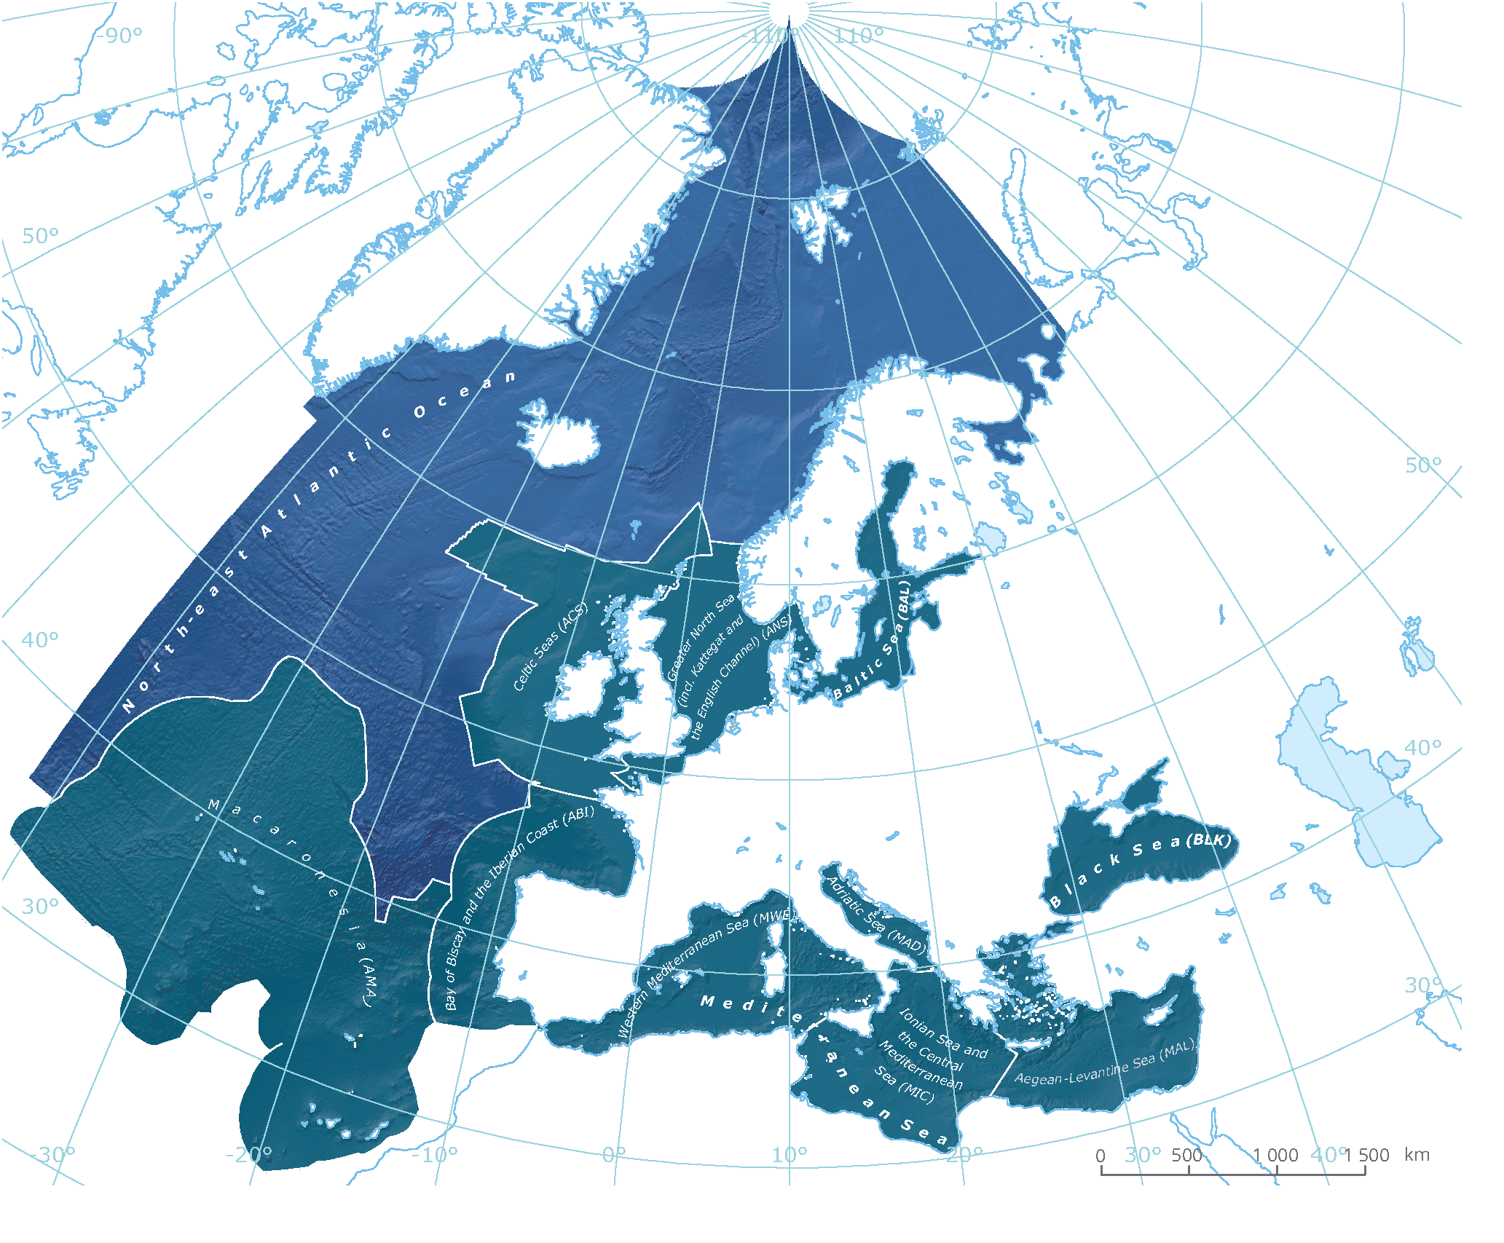
Eastern Mediterranean Sea
 | Primary producers | Invertebrates | Vertebrates | No. of new NIS per cycle
1970-1975 | 0 | 8 | 0 | 8
1970-1981 | 3 | 14 | 0 | 9
1970-1987 | 4 | 29 | 1 | 17
1970-1993 | 11 | 46 | 2 | 25
1970-1999 | 13 | 87 | 5 | 46
1970-2005 | 15 | 102 | 14 | 26
1970-2011 | 23 | 121 | 23 | 36
1970-2017 | 24 | 157 | 37 | 51
Central Mediterranean Sea
 | Primary producers | Invertebrates | Vertebrates | No. of new NIS per cycle
1970-1975 | 5 | 5 | 1 | 11
1970-1981 | 7 | 17 | 4 | 17
1970-1987 | 9 | 24 | 5 | 10
1970-1993 | 17 | 32 | 7 | 18
1970-1999 | 21 | 37 | 7 | 9
1970-2005 | 26 | 56 | 11 | 28
1970-2011 | 33 | 72 | 19 | 31
1970-2017 | 42 | 102 | 43 | 63
Greater North Sea
 | Primary producers | Invertebrates | Vertebrates | No. of new NIS per cycle
1970-1975 | 2 | 3 | 0 | 5
1970-1981 | 3 | 9 | 0 | 7
1970-1987 | 5 | 15 | 2 | 10
1970-1993 | 9 | 19 | 2 | 8
1970-1999 | 16 | 33 | 4 | 23
1970-2005 | 20 | 51 | 6 | 24
1970-2011 | 26 | 68 | 10 | 27
1970-2017 | 31 | 94 | 13 | 34
Baltic Sea
 | Primary producers | Invertebrates | Vertebrates | No. of new NIS per cycle
1970-1975 | 0 | 3 | 0 | 3
1970-1981 | 0 | 3 | 0 | 0
1970-1987 | 1 | 5 | 1 | 4
1970-1993 | 3 | 7 | 2 | 5
1970-1999 | 3 | 9 | 3 | 3
1970-2005 | 4 | 10 | 3 | 2
1970-2011 | 4 | 21 | 3 | 11
1970-2017 | 5 | 39 | 3 | 19
Celtic Seas
 | Primary producers | Invertebrates | Vertebrates | No. of new NIS per cycle
1970-1975 | 5 | 5 | 1 | 11
1970-1981 | 5 | 8 | 1 | 3
1970-1987 | 8 | 10 | 1 | 5
1970-1993 | 12 | 13 | 1 | 7
1970-1999 | 12 | 24 | 2 | 12
1970-2005 | 12 | 33 | 2 | 9
1970-2011 | 15 | 40 | 2 | 10
1970-2017 | 15 | 45 | 2 | 5
Bay of Biscay & Iberian Coast
 | Primary producers | Invertebrates | Vertebrates | No. of new NIS per cycle
1970-1975 | 1 | 13 | 1 | 15
1970-1981 | 3 | 26 | 1 | 15
1970-1987 | 6 | 41 | 1 | 18
1970-1993 | 14 | 56 | 1 | 23
1970-1999 | 18 | 75 | 1 | 23
1970-2005 | 24 | 93 | 1 | 24
1970-2011 | 34 | 117 | 2 | 35
1970-2017 | 43 | 150 | 2 | 42
(Multiple Items)
 | Primary producers | Invertebrates | Vertebrates | No. of new NIS per cycle
1970-1975 | 6 | 8 | 0 | 14
1970-1981 | 17 | 31 | 0 | 34
1970-1987 | 35 | 49 | 2 | 38
1970-1993 | 48 | 53 | 2 | 17
1970-1999 | 64 | 61 | 2 | 24
1970-2005 | 69 | 88 | 9 | 39
1970-2011 | 72 | 106 | 11 | 23
1970-2017 | 78 | 132 | 18 | 39
Black Sea
 | Primary producers | Invertebrates | Vertebrates | No. of new NIS per cycle
1970-1975 | 0 | 2 | 1 | 3
1970-1981 | 0 | 4 | 1 | 2
1970-1987 | 0 | 6 | 1 | 2
1970-1993 | 0 | 6 | 1 | 0
1970-1999 | 0 | 8 | 1 | 2
1970-2005 | 1 | 13 | 1 | 6
1970-2011 | 1 | 18 | 1 | 5
1970-2017 | 1 | 19 | 1 | 1
Adriatic Sea
 | Primary producers | Invertebrates | Vertebrates | No. of new NIS per cycle
1970-1975 | 3 | 3 | 1 | 7
1970-1981 | 5 | 10 | 1 | 9
1970-1987 | 7 | 16 | 3 | 10
1970-1993 | 12 | 27 | 3 | 16
1970-1999 | 25 | 35 | 5 | 23
1970-2005 | 33 | 49 | 11 | 28
1970-2011 | 43 | 73 | 17 | 40
1970-2017 | 51 | 99 | 20 | 37
Macaronesia
 | Primary producers | Invertebrates | Vertebrates | No. of new NIS per cycle
1970-1975 | 2 | 6 | 0 | 8
1970-1981 | 3 | 6 | 0 | 1
1970-1987 | 4 | 10 | 0 | 5
1970-1993 | 13 | 16 | 1 | 16
1970-1999 | 15 | 23 | 2 | 10
1970-2005 | 20 | 26 | 3 | 9
1970-2011 | 25 | 40 | 4 | 20
1970-2017 | 26 | 61 | 15 | 33
NIS
804 TOTAL
640 SINCE 1970
22
150
62
198
108
52
240
205
244
178

DATA FOR CHART - BS
Region | Baltic Sea
STATUS | (Multiple Items)

Count of Group | Column Labels
Row Labels | Primary producer | Invertebrate | Vertebrate | Grand Total |  | Primary producers | Invertebrates | Vertebrates | No. of new NIS per cycle | Cumulative | Annaul average
1970-1975 |  | 3 |  | 3 | 1970-1975 | 0 | 3 | 0 | 3 | 3 | 0.5
1982-1987 | 1 | 2 | 1 | 4 | 1976-1981 | 0 | 0 | 0 | 0 | 3 | 0.0
1988-1993 | 2 | 2 | 1 | 5 | 1982-1987 | 1 | 2 | 1 | 4 | 7 | 0.7
1994-1999 |  | 2 | 1 | 3 | 1988-1993 | 2 | 2 | 1 | 5 | 12 | 0.8
2000-2005 | 1 | 1 |  | 2 | 1994-1999 | 0 | 2 | 1 | 3 | 15 | 0.5
2006-2011 |  | 11 |  | 11 | 2000-2005 | 1 | 1 | 0 | 2 | 17 | 0.3
2012-2017 | 1 | 18 |  | 19 | 2006-2011 | 0 | 11 | 0 | 11 | 28 | 1.8
2018-2020 |  | 4 | 1 | 5 | 2012-2017 | 1 | 18 | 0 | 19 | 47 | 3.2
Grand Total | 5 | 43 | 4 | 52 | 2018-2020 | 0 | 4 | 1 | 5 | 52 | 1.7
 |  |  |  |  | SUM | 5 | 43 | 4 | 52
Baltic Sea
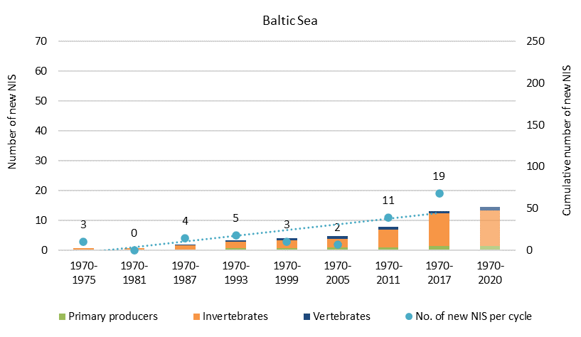

 |  |  |  |  | EU: cumulative number of NIS
 |  |  |  |  |  | Primary producers | Invertebrates | Vertebrates | Cumulative | No. of new NIS per cycle
 |  |  |  |  | 1970-1975 | 0 | 3 | 0 | 3 | 3
 |  |  |  |  | 1970-1981 | 0 | 3 | 0 | 3 | 0
 |  |  |  |  | 1970-1987 | 1 | 5 | 1 | 7 | 4
 |  |  |  |  | 1970-1993 | 3 | 7 | 2 | 12 | 5
 |  |  |  |  | 1970-1999 | 3 | 9 | 3 | 15 | 3
 |  |  |  |  | 1970-2005 | 4 | 10 | 3 | 17 | 2
 |  |  |  |  | 1970-2011 | 4 | 21 | 3 | 28 | 11
 |  |  |  |  | 1970-2017 | 5 | 39 | 3 | 47 | 19
 |  |  |  |  | 1970-2020 | 5 | 43 | 4 | 52 | 5

 |  |  |  |  |  | 9.6% | 82.7% | 7.7%

DATA FOR CHART - GNS
Subregion | Greater North Sea |  |  |  | Greater North Sea
STATUS | (Multiple Items)

Count of Group | Column Labels
Row Labels | Primary producer | Invertebrate | Vertebrate | Grand Total |  | Primary producers | Invertebrates | Vertebrates | No. of new NIS per cycle | Cumulative | Annaul average
1970-1975 | 2 | 3 |  | 5 | 1970-1975 | 2 | 3 | 0 | 5 | 5 | 0.83
1976-1981 | 1 | 6 |  | 7 | 1976-1981 | 1 | 6 | 0 | 7 | 12 | 1.17
1982-1987 | 2 | 6 | 2 | 10 | 1982-1987 | 2 | 6 | 2 | 10 | 22 | 1.67
1988-1993 | 4 | 4 |  | 8 | 1988-1993 | 4 | 4 | 0 | 8 | 30 | 1.33
1994-1999 | 7 | 14 | 2 | 23 | 1994-1999 | 7 | 14 | 2 | 23 | 53 | 3.83
2000-2005 | 4 | 18 | 2 | 24 | 2000-2005 | 4 | 18 | 2 | 24 | 77 | 4.00
2006-2011 | 6 | 17 | 4 | 27 | 2006-2011 | 6 | 17 | 4 | 27 | 104 | 4.50
2012-2017 | 5 | 26 | 3 | 34 | 2012-2017 | 5 | 26 | 3 | 34 | 138 | 5.67
Greater North Sea
2018-2020 | 2 | 10 |  | 12 | 2018-2020 | 2 | 10 | 0 | 12 | 150 | 4.00
Grand Total | 33 | 104 | 13 | 150 | SUM | 33 | 104 | 13 | 150

 |  |  |  |  | EU: cumulative number of NIS
 |  |  |  | 263 |  | Primary producers | Invertebrates | Vertebrates | Cumulative | No. of new NIS per cycle
 |  |  |  | 197 | 1970-1975 | 2 | 3 | 0 | 5 | 5
 |  |  |  |  | 1970-1981 | 3 | 9 | 0 | 12 | 7
 |  |  |  |  | 1970-1987 | 5 | 15 | 2 | 22 | 10
 |  |  |  |  | 1970-1993 | 9 | 19 | 2 | 30 | 8
 |  |  |  |  | 1970-1999 | 16 | 33 | 4 | 53 | 23
 |  |  |  |  | 1970-2005 | 20 | 51 | 6 | 77 | 24
 |  |  |  |  | 1970-2011 | 26 | 68 | 10 | 104 | 27
 |  |  |  |  | 1970-2017 | 31 | 94 | 13 | 138 | 34
 |  |  |  |  | 1970-2020 | 33 | 104 | 13 | 150 | 12

 |  |  |  |  |  | 22.0% | 69.3% | 8.7%

DATA FOR CHART - CS
Subregion | Celtic Seas
STATUS | (Multiple Items)

Count of Group | Column Labels
Row Labels | Primary producer | Invertebrate | Vertebrate | Grand Total |  | Primary producers | Invertebrates | Vertebrates | No. of new NIS per cycle | Cumulative | Annaul average
1970-1975 | 5 | 5 | 1 | 11 | 1970-1975 | 5 | 5 | 1 | 11 | 11 | 1.83
1976-1981 |  | 3 |  | 3 | 1976-1981 | 0 | 3 | 0 | 3 | 14 | 0.50
1982-1987 | 3 | 2 |  | 5 | 1982-1987 | 3 | 2 | 0 | 5 | 19 | 0.83
1988-1993 | 4 | 3 |  | 7 | 1988-1993 | 4 | 3 | 0 | 7 | 26 | 1.17
1994-1999 |  | 11 | 1 | 12 | 1994-1999 | 0 | 11 | 1 | 12 | 38 | 2.00
2000-2005 |  | 9 |  | 9 | 2000-2005 | 0 | 9 | 0 | 9 | 47 | 1.50
2006-2011 | 3 | 7 |  | 10 | 2006-2011 | 3 | 7 | 0 | 10 | 57 | 1.67
2012-2017 |  | 5 |  | 5 | 2012-2017 | 0 | 5 | 0 | 5 | 62 | 0.83
Celtic Seas
Grand Total | 15 | 45 | 2 | 62 | 2018-2020 | 0 | 0 | 0 | 0 | 62 | 0.00
 |  |  |  |  | SUM | 15 | 45 | 2 | 62

 |  |  |  |  | EU: cumulative number of NIS
 |  |  |  |  |  | Primary producers | Invertebrates | Vertebrates | Cumulative | No. of new NIS per cycle
 |  |  |  |  | 1970-1975 | 5 | 5 | 1 | 11 | 11
 |  |  |  |  | 1970-1981 | 5 | 8 | 1 | 14 | 3
 |  |  |  |  | 1970-1987 | 8 | 10 | 1 | 19 | 5
 |  |  |  |  | 1970-1993 | 12 | 13 | 1 | 26 | 7
 |  |  |  |  | 1970-1999 | 12 | 24 | 2 | 38 | 12
 |  |  |  |  | 1970-2005 | 12 | 33 | 2 | 47 | 9
 |  |  |  |  | 1970-2011 | 15 | 40 | 2 | 57 | 10
 |  |  |  |  | 1970-2017 | 15 | 45 | 2 | 62 | 5
 |  |  |  |  | 1970-2020 | 15 | 45 | 2 | 62 | 0

 |  |  |  |  |  | 24.2% | 72.6% | 3.2%

DATA FOR CHART - BoB
Subregion | Bay of Biscay & Iberian Coast
STATUS | (Multiple Items)

Count of Group | Column Labels
Row Labels | Primary producer | Invertebrate | Vertebrate | Grand Total |  | Primary producers | Invertebrates | Vertebrates | No. of new NIS per cycle | Cumulative | Annaul average
1970-1975 | 1 | 13 | 1 | 15 | 1970-1975 | 1 | 13 | 1 | 15 | 15 | 2.50
1976-1981 | 2 | 13 |  | 15 | 1976-1981 | 2 | 13 | 0 | 15 | 30 | 2.50
1982-1987 | 3 | 15 |  | 18 | 1982-1987 | 3 | 15 | 0 | 18 | 48 | 3.00
1988-1993 | 8 | 15 |  | 23 | 1988-1993 | 8 | 15 | 0 | 23 | 71 | 3.83
1994-1999 | 4 | 19 |  | 23 | 1994-1999 | 4 | 19 | 0 | 23 | 94 | 3.83
2000-2005 | 6 | 18 |  | 24 | 2000-2005 | 6 | 18 | 0 | 24 | 118 | 4.00
2006-2011 | 10 | 24 | 1 | 35 | 2006-2011 | 10 | 24 | 1 | 35 | 153 | 5.83
2012-2017 | 9 | 33 |  | 42 | 2012-2017 | 9 | 33 | 0 | 42 | 195 | 7.00
2018-2020 |  | 3 |  | 3 | 2018-2020 | 0 | 3 | 0 | 3 | 198 | 1.00
Grand Total | 43 | 153 | 2 | 198 | SUM | 43 | 153 | 2 | 198
Bay of Biscay & Iberian Coast

 |  |  |  |  | EU: cumulative number of NIS
 |  |  |  |  |  | Primary producers | Invertebrates | Vertebrates | Cumulative | No. of new NIS per cycle
 |  |  |  |  | 1970-1975 | 1 | 13 | 1 | 15 | 15
 |  |  |  |  | 1970-1981 | 3 | 26 | 1 | 30 | 15
 |  |  |  |  | 1970-1987 | 6 | 41 | 1 | 48 | 18
 |  |  |  |  | 1970-1993 | 14 | 56 | 1 | 71 | 23
 |  |  |  |  | 1970-1999 | 18 | 75 | 1 | 94 | 23
 |  |  |  |  | 1970-2005 | 24 | 93 | 1 | 118 | 24
 |  |  |  |  | 1970-2011 | 34 | 117 | 2 | 153 | 35
 |  |  |  |  | 1970-2017 | 43 | 150 | 2 | 195 | 42
 |  |  |  |  | 1970-2020 | 43 | 153 | 2 | 198 | 3

 |  |  |  |  |  | 21.7% | 77.3% | 1.0%

DATA FOR CHART - MAC
Subregion | Macaronesia
STATUS | (Multiple Items)

Count of Group | Column Labels
Row Labels | Primary producer | Invertebrate | Vertebrate | Grand Total |  | Primary producers | Invertebrates | Vertebrates | No. of new NIS per cycle | Cumulative | Annaul average
1970-1975 | 2 | 6 |  | 8 | 1970-1975 | 2 | 6 | 0 | 8 | 8 | 1.33
1976-1981 | 1 |  |  | 1 | 1976-1981 | 1 | 0 | 0 | 1 | 9 | 0.17
1982-1987 | 1 | 4 |  | 5 | 1982-1987 | 1 | 4 | 0 | 5 | 14 | 0.83
1988-1993 | 9 | 6 | 1 | 16 | 1988-1993 | 9 | 6 | 1 | 16 | 30 | 2.67
1994-1999 | 2 | 7 | 1 | 10 | 1994-1999 | 2 | 7 | 1 | 10 | 40 | 1.67
2000-2005 | 5 | 3 | 1 | 9 | 2000-2005 | 5 | 3 | 1 | 9 | 49 | 1.50
2006-2011 | 5 | 14 | 1 | 20 | 2006-2011 | 5 | 14 | 1 | 20 | 69 | 3.33
2012-2017 | 1 | 21 | 11 | 33 | 2012-2017 | 1 | 21 | 11 | 33 | 102 | 5.50
Macaronesia
2018-2020 | 1 |  | 5 | 6 | 2018-2020 | 1 | 0 | 5 | 6 | 108 | 2.00
Grand Total | 27 | 61 | 20 | 108 | SUM | 27 | 61 | 20 | 108

 |  |  |  |  | EU: cumulative number of NIS
 |  |  |  |  |  | Primary producers | Invertebrates | Vertebrates | Cumulative | No. of new NIS per cycle
 |  |  |  |  | 1970-1975 | 2 | 6 | 0 | 8 | 8
 |  |  |  |  | 1970-1981 | 3 | 6 | 0 | 9 | 1
 |  |  |  |  | 1970-1987 | 4 | 10 | 0 | 14 | 5
 |  |  |  |  | 1970-1993 | 13 | 16 | 1 | 30 | 16
 |  |  |  |  | 1970-1999 | 15 | 23 | 2 | 40 | 10
 |  |  |  |  | 1970-2005 | 20 | 26 | 3 | 49 | 9
 |  |  |  |  | 1970-2011 | 25 | 40 | 4 | 69 | 20
 |  |  |  |  | 1970-2017 | 26 | 61 | 15 | 102 | 33
 |  |  |  |  | 1970-2020 | 27 | 61 | 20 | 108 | 6

 |  |  |  |  |  | 25.0% | 56.5% | 18.5%

DATA FOR CHART - W MED
Subregion | Western Mediterranean Sea
STATUS | (Multiple Items)
Status comment | (All)

Count of Group | Column Labels
Row Labels | Primary producer | Invertebrate | Vertebrate | Grand Total |  | Primary producers | Invertebrates | Vertebrates | No. of new NIS per cycle | Cumulative | Annaul average
1970-1975 | 6 | 8 |  | 14 | 1970-1975 | 6 | 8 | 0 | 14 | 14 | 2.33
1976-1981 | 11 | 23 |  | 34 | 1976-1981 | 11 | 23 | 0 | 34 | 48 | 5.67
1982-1987 | 18 | 18 | 2 | 38 | 1982-1987 | 18 | 18 | 2 | 38 | 86 | 6.33
1988-1993 | 13 | 4 |  | 17 | 1988-1993 | 13 | 4 | 0 | 17 | 103 | 2.83
1994-1999 | 16 | 8 |  | 24 | 1994-1999 | 16 | 8 | 0 | 24 | 127 | 4.00
2000-2005 | 5 | 27 | 7 | 39 | 2000-2005 | 5 | 27 | 7 | 39 | 166 | 6.50
2006-2011 | 3 | 18 | 2 | 23 | 2006-2011 | 3 | 18 | 2 | 23 | 189 | 3.83
2012-2017 | 6 | 26 | 7 | 39 | 2012-2017 | 6 | 26 | 7 | 39 | 228 | 6.50
2018-2020 | 1 | 6 | 5 | 12 | 2018-2020 | 1 | 6 | 5 | 12 | 240 | 4.00
Western Mediterranean Sea
Grand Total | 79 | 138 | 23 | 240 | SUM | 79 | 138 | 23 | 240

 |  |  |  |  | EU: cumulative number of NIS
 |  |  |  |  |  | Primary producers | Invertebrates | Vertebrates | Cumulative | No. of new NIS per cycle
 |  |  |  |  | 1970-1975 | 6 | 8 | 0 | 14 | 14
 |  |  |  |  | 1970-1981 | 17 | 31 | 0 | 48 | 34
 |  |  |  |  | 1970-1987 | 35 | 49 | 2 | 86 | 38
 |  |  |  |  | 1970-1993 | 48 | 53 | 2 | 103 | 17
 |  |  |  |  | 1970-1999 | 64 | 61 | 2 | 127 | 24
 |  |  |  |  | 1970-2005 | 69 | 88 | 9 | 166 | 39
 |  |  |  |  | 1970-2011 | 72 | 106 | 11 | 189 | 23
 |  |  |  |  | 1970-2017 | 78 | 132 | 18 | 228 | 39
 |  |  |  |  | 1970-2020 | 79 | 138 | 23 | 240 | 12

 |  |  |  |  |  | 32.9% | 57.5% | 9.6%

DATA FOR CHART - C MED
Subregion | Central Mediterranean Sea
STATUS | (Multiple Items)

Count of Species | Column Labels
Row Labels | Primary producer | Invertebrate | Vertebrate | Grand Total |  | Primary producers | Invertebrates | Vertebrates | No. of new NIS per cycle | Cumulative | Annaul average
1970-1975 | 5 | 5 | 1 | 11 | 1970-1975 | 5 | 5 | 1 | 11 | 11 | 1.83
1976-1981 | 2 | 12 | 3 | 17 | 1976-1981 | 2 | 12 | 3 | 17 | 28 | 2.83
1982-1987 | 2 | 7 | 1 | 10 | 1982-1987 | 2 | 7 | 1 | 10 | 38 | 1.67
1988-1993 | 8 | 8 | 2 | 18 | 1988-1993 | 8 | 8 | 2 | 18 | 56 | 3.00
1994-1999 | 4 | 5 |  | 9 | 1994-1999 | 4 | 5 | 0 | 9 | 65 | 1.50
2000-2005 | 5 | 19 | 4 | 28 | 2000-2005 | 5 | 19 | 4 | 28 | 93 | 4.67
2006-2011 | 7 | 16 | 8 | 31 | 2006-2011 | 7 | 16 | 8 | 31 | 124 | 5.17
2012-2017 | 9 | 30 | 24 | 63 | 2012-2017 | 9 | 30 | 24 | 63 | 187 | 10.50
Central Mediterranean Sea
2018-2020 |  | 15 | 3 | 18 | 2018-2020 | 0 | 15 | 3 | 18 | 205 | 3.00
Grand Total | 42 | 117 | 46 | 205 | SUM | 42 | 117 | 46 | 205

 |  |  |  |  | EU: cumulative number of NIS
 |  |  |  |  |  | Primary producers | Invertebrates | Vertebrates | Cumulative | No. of new NIS per cycle
 |  |  |  |  | 1970-1975 | 5 | 5 | 1 | 11 | 11
 |  |  |  |  | 1970-1981 | 7 | 17 | 4 | 28 | 17
 |  |  |  |  | 1970-1987 | 9 | 24 | 5 | 38 | 10
 |  |  |  |  | 1970-1993 | 17 | 32 | 7 | 56 | 18
 |  |  |  |  | 1970-1999 | 21 | 37 | 7 | 65 | 9
 |  |  |  |  | 1970-2005 | 26 | 56 | 11 | 93 | 28
 |  |  |  |  | 1970-2011 | 33 | 72 | 19 | 124 | 31
 |  |  |  |  | 1970-2017 | 42 | 102 | 43 | 187 | 63
 |  |  |  |  | 1970-2020 | 42 | 117 | 46 | 205 | 18

 |  |  |  |  |  | 20.5% | 57.1% | 22.4%

DATA FOR CHART - ADRI
Subregion | Adriatic Sea
STATUS | (Multiple Items)

Count of Group | Column Labels
Row Labels | Primary producer | Invertebrate | Vertebrate | Grand Total |  | Primary producers | Invertebrates | Vertebrates | No. of new NIS per cycle | Cumulative | Annaul average
1970-1975 | 3 | 3 | 1 | 7 | 1970-1975 | 3 | 3 | 1 | 7 | 7 | 1.17
1976-1981 | 2 | 7 |  | 9 | 1976-1981 | 2 | 7 | 0 | 9 | 16 | 1.50
1982-1987 | 2 | 6 | 2 | 10 | 1982-1987 | 2 | 6 | 2 | 10 | 26 | 1.67
1988-1993 | 5 | 11 |  | 16 | 1988-1993 | 5 | 11 | 0 | 16 | 42 | 2.67
1994-1999 | 13 | 8 | 2 | 23 | 1994-1999 | 13 | 8 | 2 | 23 | 65 | 3.83
2000-2005 | 8 | 14 | 6 | 28 | 2000-2005 | 8 | 14 | 6 | 28 | 93 | 4.67
2006-2011 | 10 | 24 | 6 | 40 | 2006-2011 | 10 | 24 | 6 | 40 | 133 | 6.67
2012-2017 | 8 | 26 | 3 | 37 | 2012-2017 | 8 | 26 | 3 | 37 | 170 | 6.17
2018-2020 | 1 | 3 | 4 | 8 | 2018-2020 | 1 | 3 | 4 | 8 | 178 | 2.67
Adriatic Sea
Grand Total | 52 | 102 | 24 | 178 | SUM | 52 | 102 | 24 | 178

 |  |  |  |  | EU: cumulative number of NIS
 |  |  |  |  |  | Primary producers | Invertebrates | Vertebrates | Cumulative | No. of new NIS per cycle
 |  |  |  |  | 1970-1975 | 3 | 3 | 1 | 7 | 7
 |  |  |  |  | 1970-1981 | 5 | 10 | 1 | 16 | 9
 |  |  |  |  | 1970-1987 | 7 | 16 | 3 | 26 | 10
 |  |  |  |  | 1970-1993 | 12 | 27 | 3 | 42 | 16
 |  |  |  |  | 1970-1999 | 25 | 35 | 5 | 65 | 23
 |  |  |  |  | 1970-2005 | 33 | 49 | 11 | 93 | 28
 |  |  |  |  | 1970-2011 | 43 | 73 | 17 | 133 | 40
 |  |  |  |  | 1970-2017 | 51 | 99 | 20 | 170 | 37
 |  |  |  |  | 1970-2020 | 52 | 102 | 24 | 178 | 8

 |  |  |  |  |  | 29.2% | 57.3% | 13.5%

DATA FOR CHART - E MED
Subregion | Eastern Mediterranean Sea
STATUS | (Multiple Items)

Count of Group | Column Labels
Row Labels | Primary producer | Invertebrate | Vertebrate | Grand Total |  | Primary producers | Invertebrates | Vertebrates | No. of new NIS per cycle | Cumulative | Annaul average
1970-1975 |  | 8 |  | 8 | 1970-1975 | 0 | 8 | 0 | 8 | 8 | 1.33
1976-1981 | 3 | 6 |  | 9 | 1976-1981 | 3 | 6 | 0 | 9 | 17 | 1.50
1982-1987 | 1 | 15 | 1 | 17 | 1982-1987 | 1 | 15 | 1 | 17 | 34 | 2.83
1988-1993 | 7 | 17 | 1 | 25 | 1988-1993 | 7 | 17 | 1 | 25 | 59 | 4.17
1994-1999 | 2 | 41 | 3 | 46 | 1994-1999 | 2 | 41 | 3 | 46 | 105 | 7.67
2000-2005 | 2 | 15 | 9 | 26 | 2000-2005 | 2 | 15 | 9 | 26 | 131 | 4.33
2006-2011 | 8 | 19 | 9 | 36 | 2006-2011 | 8 | 19 | 9 | 36 | 167 | 6.00
2012-2017 | 1 | 36 | 14 | 51 | 2012-2017 | 1 | 36 | 14 | 51 | 218 | 8.50
2018-2020 | 1 | 17 | 8 | 26 | 2018-2020 | 1 | 17 | 8 | 26 | 244 | 8.67
Eastern Mediterranean Sea
Grand Total | 25 | 174 | 45 | 244 | SUM | 25 | 174 | 45 | 244

 |  |  |  |  | EU: cumulative number of NIS
 |  |  |  |  |  | Primary producers | Invertebrates | Vertebrates | Cumulative | No. of new NIS per cycle
 |  |  |  |  | 1970-1975 | 0 | 8 | 0 | 8 | 8
 |  |  |  |  | 1970-1981 | 3 | 14 | 0 | 17 | 9
 |  |  |  |  | 1970-1987 | 4 | 29 | 1 | 34 | 17
 |  |  |  |  | 1970-1993 | 11 | 46 | 2 | 59 | 25
 |  |  |  |  | 1970-1999 | 13 | 87 | 5 | 105 | 46
 |  |  |  |  | 1970-2005 | 15 | 102 | 14 | 131 | 26
 |  |  |  |  | 1970-2011 | 23 | 121 | 23 | 167 | 36
 |  |  |  |  | 1970-2017 | 24 | 157 | 37 | 218 | 51
 |  |  |  |  | 1970-2020 | 25 | 174 | 45 | 244 | 26

 |  |  |  |  |  | 10.2% | 71.3% | 18.4%

DATA FOR CHART - BLK
Subregion | Black Sea
STATUS | (Multiple Items)

Count of Group | Column Labels
Row Labels | Primary producer | Invertebrate | Vertebrate | Grand Total |  | Primary producers | Invertebrates | Vertebrates | No. of new NIS per cycle | Cumulative | Annaul average
1970-1975 |  | 2 | 1 | 3 | 1970-1975 | 0 | 2 | 1 | 3 | 3 | 0.5
1976-1981 |  | 2 |  | 2 | 1976-1981 | 0 | 2 | 0 | 2 | 5 | 0.3
1982-1987 |  | 2 |  | 2 | 1982-1987 | 0 | 2 | 0 | 2 | 7 | 0.3
1994-1999 |  | 2 |  | 2 | 1988-1993 | 0 | 0 | 0 | 0 | 7 | 0.0
2000-2005 | 1 | 5 |  | 6 | 1994-1999 | 0 | 2 | 0 | 2 | 9 | 0.3
2006-2011 |  | 5 |  | 5 | 2000-2005 | 1 | 5 | 0 | 6 | 15 | 1.0
2012-2017 |  | 1 |  | 1 | 2006-2011 | 0 | 5 | 0 | 5 | 20 | 0.8
2018-2020 |  | 1 |  | 1 | 2012-2017 | 0 | 1 | 0 | 1 | 21 | 0.2
Grand Total | 1 | 20 | 1 | 22 | 2018-2020 | 0 | 1 | 0 | 1 | 22 | 0.3
Black Sea
 |  |  |  |  | SUM | 1 | 20 | 1 | 22

 |  |  |  |  | EU: cumulative number of NIS
 |  |  |  |  |  | Primary producers | Invertebrates | Vertebrates | Cumulative | No. of new NIS per cycle
 |  |  |  |  | 1970-1975 | 0 | 2 | 1 | 3 | 3
 |  |  |  |  | 1970-1981 | 0 | 4 | 1 | 5 | 2
 |  |  |  |  | 1970-1987 | 0 | 6 | 1 | 7 | 2
 |  |  |  |  | 1970-1993 | 0 | 6 | 1 | 7 | 0
 |  |  |  |  | 1970-1999 | 0 | 8 | 1 | 9 | 2
 |  |  |  |  | 1970-2005 | 1 | 13 | 1 | 15 | 6
 |  |  |  |  | 1970-2011 | 1 | 18 | 1 | 20 | 5
 |  |  |  |  | 1970-2017 | 1 | 19 | 1 | 21 | 1
 |  |  |  |  | 1970-2020 | 1 | 20 | 1 | 22 | 1

 |  |  |  |  |  | 4.5% | 90.9% | 4.5%

