DRAFT FIGURE 2
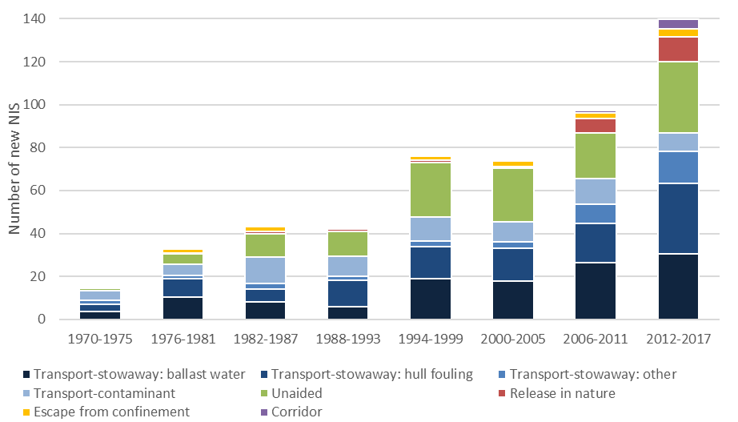
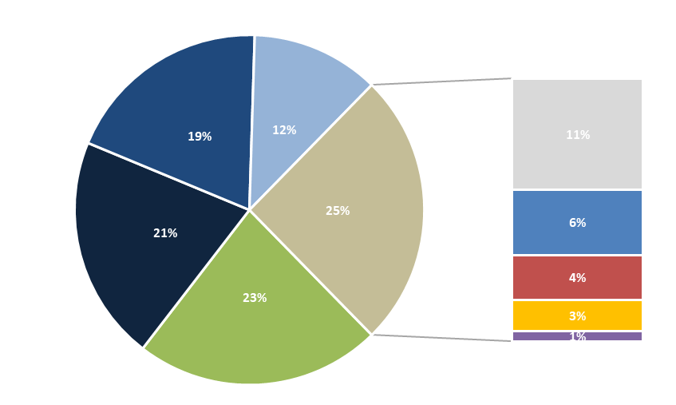

DATA FOR PIE CHART
Mode of NIS introduction in EU waters since 1970

 | Unaided | 145.8508 | 22.8%
 | Transport-stowaway: ballast water | 134.3797 | 21.0%
 | Transport-stowaway: hull fouling | 123.0660 | 19.2%
 | Transport-contaminant | 76.3885 | 11.9%
 | Unknown | 66.6692 | 10.4%
 | Transport-stowaway: other | 40.6429 | 6.4%
 | Release in nature | 27.7918 | 4.3%
 | Escape from confinement | 19.0306 | 3.0%
 | Corridor | 6.1805 | 1.0%

 |  | 640 | 100%

DATA FOR CHART_TRENDS
>1970
 | Transport-stowaway: ballast water | Transport-stowaway: hull fouling | Transport-stowaway: other | Transport-contaminant | Unaided | Release in nature | Escape from confinement | Corridor | Unknown
1970-1975 | 3.92 | 3.06 | 1.67 | 4.69 | 1.26 | 0.75 | 0.43 | 0.00 | 3.83
1976-1981 | 10.21 | 8.60 | 1.47 | 5.21 | 4.83 | 0.58 | 1.85 | 0.06 | 2.17
1982-1987 | 8.17 | 6.20 | 2.36 | 13.45 | 10.79 | 1.13 | 2.39 | 0.00 | 1.00
1988-1993 | 5.82 | 12.38 | 1.72 | 9.56 | 11.38 | 1.17 | 0.71 | 0.13 | 7.67
1994-1999 | 18.99 | 15.00 | 2.50 | 11.16 | 25.55 | 1.08 | 2.08 | 0.00 | 1.33
2000-2005 | 17.66 | 14.86 | 3.03 | 9.37 | 24.83 | 0.92 | 2.60 | 0.00 | 7.00
2006-2011 | 25.89 | 18.52 | 9.40 | 12.11 | 21.21 | 6.75 | 2.47 | 1.17 | 13.08
2012-2017 | 32.14 | 33.08 | 14.92 | 8.39 | 33.80 | 11.42 | 4.00 | 4.33 | 21.25
2018-2020 | 11.57 | 11.37 | 3.57 | 2.45 | 12.20 | 4.00 | 2.50 | 0.50 | 9.33
 | 134.3797 | 123.0660 | 40.6429 | 76.3885 | 145.8508 | 27.7918 | 19.0306 | 6.1805 | 66.6692

