Data
...
XGDiff R | Py - Xpy | Std | League Average
-4.98 | -5.93 | 0.11 | GA−xGA | -6.2
-1.20 | -1.14 | 0.02 | xGDiff | 0.0
0.04 | 8.47 | 0.14 | Net Luck | 0.0
-0.17 | 2.78 | 0.05 | Gdiff | 0.0
3.19 | -0.07 | 0.00 | Sdiff | 0.0
1.08 | -6.11 | 0.14
-7.09 | -10.50 | 0.21
-3.89 | -9.04 | 0.20
-0.91 | -6.20 | 0.14
-5.94 | -0.95 | 0.02
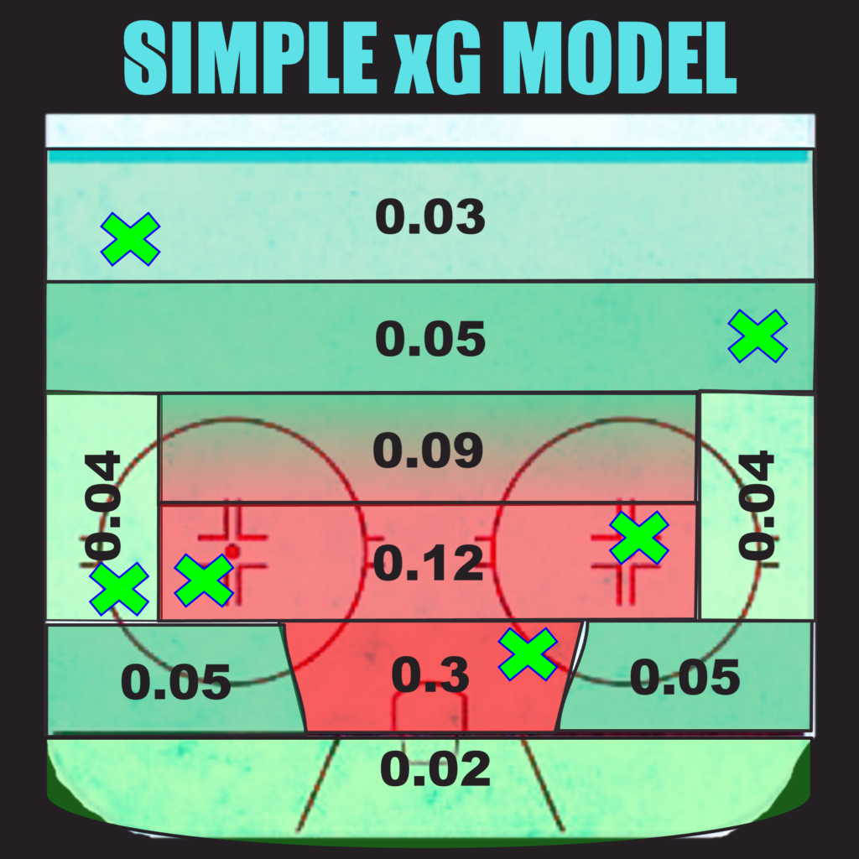
-2.74 | 1.17 | 0.02
-2.22 | -12.98 | 0.35
1.03 | -4.23 | 0.10
-2.77 | -0.79 | 0.02
-0.89 | -3.58 | 0.09
-5.17 | -6.42 | 0.15
-5.20 | -4.13 | 0.09
-1.16 | 6.26 | 0.13
0.65 | -0.15 | 0.00
-4.47 | -4.26 | 0.11
-7.55 | 1.43 | 0.03
1.68 | 3.24 | 0.09
-11.86 | -10.68 | 0.38
...

Regression Analysis
...
 |  |  |  |  |  |  |  | 45.248868778 | 50.6 | 52.842137264 | 49.38 | 50.6 | 55.738463893 | 99.7 | -13 | -5.0599262587
 |  | -21.3 | 50 | 51.157198649 | 20.3 | 50 | 59.594821172 | 49.667777753 | 50 | 56.05117634 | 43.41 | 50 | 50.814727665 | 101.2 | 20.3 | 20.009811929
Intercept | 14.9697 | -33.8 | 48.8 | 48.15291256 | -2.2 | 48.8 | 55.914083193 | 40.310122879 | 48.8 | 49.255589392 | 40.46 | 48.8 | 48.38082219 | 100.1 | -2.2 | 1.6253372579
R | 0.6994 | -20.4 | 46.9 | 51.373507247 | -11.6 | 46.9 | 54.376352659 | 39.913671953 | 46.9 | 48.967684273 | 44.18 | 46.9 | 51.447260848 | 98.6 | -11.6 | -23.44440093
R² | 0.4891 | -7.6 | 46.9 | 54.449896201 | 4.6 | 46.9 | 57.026484004 | 48.996756515 | 46.9 | 55.563876559 | 47.57 | 46.9 | 54.246957984 | 100.8 | 4.6 | 13.324548412
Std Error | 5.7379 | -58.9 | 43.8 | 42.120306095 | 12.9 | 43.8 | 58.384267348 | 36.638019938 | 43.8 | 46.588885484 | 33.40 | 43.8 | 42.545845053 | 99.6 | 12.9 | -6.7312421379
N | 32 | -39.2 | 35 | 46.85506097 | -36.8 | 35 | 50.253926122 | 28.248275862 | 35 | 40.496201354 | 38.93 | 35 | 47.111094251 | 97.8 | -36.8 | -36.814927963
Equation | PTS% = 14.9697 + 0.8257 * XPythagWin%

PTS% vs PyThagWin%
 | PTS% | Predicted
73.713926188 | 72.8 | 73.513638321
56.4436098 | 68.8 | 60.971827555
60.393698998 | 67.5 | 63.840406804
59.32912608 | 66.3 | 63.067307356
57.023825919 | 65.4 | 61.393184096
62.874460081 | 65 | 65.641950874
53.465858265 | 63.8 | 58.80936594
58.474826517 | 60.5 | 62.44690972
57.647058824 | 60.5 | 61.845779692
54.97297761 | 59.9 | 59.903845347
53.941227312 | 58.8 | 59.154581888
59.781132075 | 57.4 | 63.39555691
53.588182632 | 56.8 | 58.898198654
46.032753864 | 56.2 | 53.41139947
43.318685261 | 56.9 | 51.440426034
49.408304741 | 56.9 | 55.862745431
45.51467809 | 56.3 | 53.035169633
44.899700551 | 56.3 | 52.588569133
56.481416917 | 56.3 | 60.999283317
53.222453222 | 55.1 | 58.63260369
36.598927518 | 53.7 | 46.560496327
41.6988711 | 53.8 | 50.264106954
47.126976033 | 51.9 | 54.206030388
42.085603113 | 51.9 | 50.544954138
42.169818208 | 50 | 50.606111662
45.248868778 | 50.6 | 52.842137264
49.667777753 | 50 | 56.05117634
40.310122879 | 48.8 | 49.255589392
39.913671953 | 46.9 | 48.967684273
48.996756515 | 46.9 | 55.563876559
36.638019938 | 43.8 | 46.588885484
28.248275862 | 35 | 40.496201354
PTS% vs Net Luck
 | PTS% | Predicted
34.5 | 72.8 | 61.917775808
-15.1 | 68.8 | 53.803793418
19.6 | 67.5 | 59.480309324
39.7 | 66.3 | 62.768435253
25.7 | 65.4 | 60.478198287
25 | 65 | 60.363686439
15.6 | 63.8 | 58.825955905
52.5 | 60.5 | 64.862366192
9.4 | 60.5 | 57.811708107
-18.8 | 59.9 | 53.198516505
-3.5 | 58.8 | 55.701418331
27.5 | 57.4 | 60.772657326
9.1 | 56.8 | 57.7626316
1.6 | 56.2 | 56.53571894
-18.1 | 56.9 | 53.313028354
-34.1 | 56.9 | 50.695614679
-32.3 | 56.3 | 50.990073717
-21.9 | 56.3 | 52.691392606
-2.8 | 56.3 | 55.81593018
2.5 | 55.1 | 56.682948459
-41.5 | 53.7 | 49.485060855
-12.4 | 53.8 | 54.245481975
-2.3 | 51.9 | 55.897724357
-12.5 | 51.9 | 54.22912314
-21.4 | 50 | 52.773186783
-13 | 50.6 | 54.147328962
20.3 | 50 | 59.594821172
-2.2 | 48.8 | 55.914083193
-11.6 | 46.9 | 54.376352659
4.6 | 46.9 | 57.026484004
12.9 | 43.8 | 58.384267348
-36.8 | 35 | 50.253926122
PTS% vs XPythagWin%
 | PTS% | Predicted
63.95 | 72.8 | 67.770448054
60.32 | 68.8 | 64.773936154
53.61 | 67.5 | 59.235049553
47.81 | 66.3 | 54.447620493
49.49 | 65.4 | 55.835629543
55.58 | 65 | 60.859701529
48.68 | 63.8 | 55.162630473
42.69 | 60.5 | 50.217656103
54.99 | 60.5 | 60.374887613
60.90 | 59.9 | 65.257035121
55.08 | 58.8 | 60.449427581
51.31 | 57.4 | 57.337274698
50.81 | 56.8 | 56.923505339
46.10 | 56.2 | 53.036257312
49.43 | 56.9 | 55.784952155
59.90 | 56.9 | 64.432199637
54.56 | 56.3 | 60.017690655
51.10 | 56.3 | 57.159202371
57.43 | 56.3 | 62.388121313
52.06 | 55.1 | 57.952745373
49.58 | 53.7 | 55.908450959
45.93 | 53.8 | 52.894605194
47.92 | 51.9 | 54.533447221
45.67 | 51.9 | 52.675574281
48.59 | 50 | 55.086779392
49.38 | 50.6 | 55.738463893
43.41 | 50 | 50.814727665
40.46 | 48.8 | 48.38082219
44.18 | 46.9 | 51.447260848
47.57 | 46.9 | 54.246957984
33.40 | 43.8 | 42.545845053
38.93 | 35 | 47.111094251
PTS% vs xGDiff
 | PTS% | Predicted
50.5 | 72.8 | 68.41381794
37.1 | 68.8 | 65.193223253
11.4 | 67.5 | 59.016411056
-7.7 | 66.3 | 54.425861913
-1.7 | 65.4 | 55.867919235
19 | 65 | 60.843016997
-4.6 | 63.8 | 55.170924863
-24.5 | 60.5 | 50.38810141
18.6 | 60.5 | 60.746879842
35.8 | 59.9 | 64.8807775
15.5 | 58.8 | 60.001816892
4.5 | 57.4 | 57.358045135
2.9 | 56.8 | 56.973496516
-13.6 | 56.2 | 53.007838879
-1.9 | 56.9 | 55.819850658
32.1 | 56.9 | 63.991508818
16.3 | 56.3 | 60.194091202
3.9 | 56.3 | 57.213839403
24.8 | 56.3 | 62.237005742
6.5 | 55.1 | 57.838730909
-1.5 | 53.7 | 55.915987812
-14.6 | 53.8 | 52.767495992
-6.7 | 51.9 | 54.6662048
-14.5 | 51.9 | 52.791530281
-4.6 | 50 | 55.170924863
-2 | 50.6 | 55.795816369
-21.3 | 50 | 51.157198649
-33.8 | 48.8 | 48.15291256
-20.4 | 46.9 | 51.373507247
-7.6 | 46.9 | 54.449896201
-58.9 | 43.8 | 42.120306095
-39.2 | 35 | 46.85506097

PDO vs Net Luck
Net Luck vs PDO
 | Net Luck
101.7 | 34.5
98.4 | -15.1
102.1 | 19.6
101.5 | 39.7
101.6 | 25.7
101.7 | 25
100.7 | 15.6
101.7 | 52.5
101 | 9.4
99.5 | -18.8
100.6 | -3.5
101.5 | 27.5
100.3 | 9.1
99.5 | 1.6
99.1 | -18.1
98.3 | -34.1
98.4 | -32.3
98.6 | -21.9
100.3 | -2.8
100.1 | 2.5
97.6 | -41.5
99.4 | -12.4
100.1 | -2.3
99.9 | -12.5
98.7 | -21.4
99.7 | -13
101.2 | 20.3
100.1 | -2.2
98.6 | -11.6
100.8 | 4.6
99.6 | 12.9
97.8 | -36.8
...
PDO
Net Luck
...
16.7132
-1671.3619
0.9172
0.8413
9.4127
32
Net Luck = 16.713 * PDO + -1671.362
...
PDO | Net Luck | Predicted Net Luck | Residual
101.7 | 34.5 | 28.37 | 6.13
98.4 | -15.1 | -26.79 | 11.69
102.1 | 19.6 | 35.05 | -15.45
101.5 | 39.7 | 25.02 | 14.68
101.6 | 25.7 | 26.70 | -1.00
101.7 | 25 | 28.37 | -3.37
100.7 | 15.6 | 11.65 | 3.95
101.7 | 52.5 | 28.37 | 24.13
101 | 9.4 | 16.67 | -7.27
99.5 | -18.8 | -8.40 | -10.40
100.6 | -3.5 | 9.98 | -13.48
101.5 | 27.5 | 25.02 | 2.48
100.3 | 9.1 | 4.97 | 4.13
...

Step 1 Regressions
...
Team Classification: Quality vs Luck
 | All Teams |  | Good & Lucky |  | Bad & Lucky |  | Good & Unlucky |  | Bad & Unlucky
50.5 | 22 | 50.5 | 22 | -7.7 | 27 | 32.1 | -12 | -4.6 | -11
37.1 | 19 | 37.1 | 19 | -1.7 | 17 |  |  | -2 | -13
11.4 | 8 |  |  | -24.5 | 25 |  |  | -7.6 | -23
-7.7 | 27 |  |  |  |  |  |  | -39.2 | -29
-1.7 | 17
19 | 11
-4.6 | 15
-24.5 | 25
18.6 | -3
35.8 | -7
15.5 | -9
4.5 | 7
2.9 | 3
-13.6 | 7
-1.9 | -4
32.1 | -12
16.3 | -5
3.9 | -5
24.8 | -11
6.5 | 0
-1.5 | -9
-14.6 | -1
-6.7 | -4
-14.5 | -8
-4.6 | -11
-2 | -13
-21.3 | -4
-33.8 | -5
-20.4 | -4
-7.6 | -23
-58.9 | 2
-39.2 | -29
PosY | PosTeam | NegX | NegY | NegTeam
22 | COL | 35 | -29 | VAN
27 | BUF | 46.9 | -23 | NYR
19 | CAR | 46.9 | -4 | CGY
25 | BOS
17 | MTL
2 | CHI
8 | DAL
15 | MIN
11 | TBL
...

Net Luck Quality Chart
xGdiff vs Net Luck
 | Net Luck
4.3861820604 | 10.882224192
3.606776747 | 14.996206582
8.4835889445 | 8.019690676
11.874138087 | 3.5315647475
9.532080765 | 4.9218017126
4.1569830028 | 4.6363135609
8.6290751374 | 4.9740440946
10.11189859 | -4.3623661921
-0.24687984238 | 2.6882918935
-4.9807774998 | 6.7014834947
-1.2018168925 | 3.0985816685
0.041954865181 | -3.3726573257
-0.17349651552 | -0.96263160012
3.192161121 | -0.33571894023
1.0801493424 | 3.5869716464
-7.0915088177 | 6.2043853209
-3.8940912021 | 5.3099262825
-0.91383940258 | 3.6086073941
-5.9370057422 | 0.48406982024
-2.7387309089 | -1.5829484594
-2.2159878125 | 4.2149391453
1.032504008 | -0.44548197509
-2.7662047997 | -3.9977243571
-0.89153028066 | -2.3291231396
-5.1709248626 | -2.7731867832
-5.1958163689 | -3.5473289623
-1.1571986486 | -9.5948211722
0.64708743962 | -7.1140831925
-4.473507247 | -7.4763526588
-7.5498962014 | -10.126484004
1.6796939049 | -14.584267348
-11.85506097 | -15.253926122
Regession | Residual
2.1959570597 | 8.686267132 | CAR | 13.19046146 | -15.42521185 | CHI
1.8057451221 | 13.19046146 | EDM | 9.7547734803 | -9.4249228278 | BOS
4.2473378391 | 3.7723528369 | WSH | 9.1951267961 | -9.3186492743 | VAN
5.9448278712 | -2.4132631237 | BUF | 8.686267132 | -9.0154657084 | SEA
4.7722688573 | 0.1495328553 | NJD | 7.2595163699 | -7.4380497338 | TOR
2.0812077671 | 2.5551057938
4.3201759995 | 0.65386809514
5.0625566358 | -9.4249228278
-0.123601238 | 2.8118931315
-2.4936433014 | 9.1951267961
-0.6016937403 | 3.7002754088
0.021004846838 | -3.3936621726
-0.086861624266 | -0.87576997586
1.59816639 | -1.9338853302
0.54078046494 | 3.0461911815
-3.5503881594 | 9.7547734803
-1.9495900874 | 7.2595163699
-0.4575168244 | 4.0661242185
-2.9723822435 | 3.4564520637
-1.3711550025 | -0.21179345689
-1.1094418822 | 5.3243810276
0.51692666525 | -0.96240864033
-1.3849099 | -2.6128144571
-0.44634768616 | -1.8827754535
-2.5888412293 | -0.18434555392
-2.6013032471 | -0.94602571516
-0.57935546381 | -9.0154657084
0.32396654122 | -7.4380497338
-2.2396767132 | -5.2366759456
-3.7798813718 | -6.3466026324
0.84094450201 | -15.42521185
-5.9352768472 | -9.3186492743

