Navteq and Extended AOI
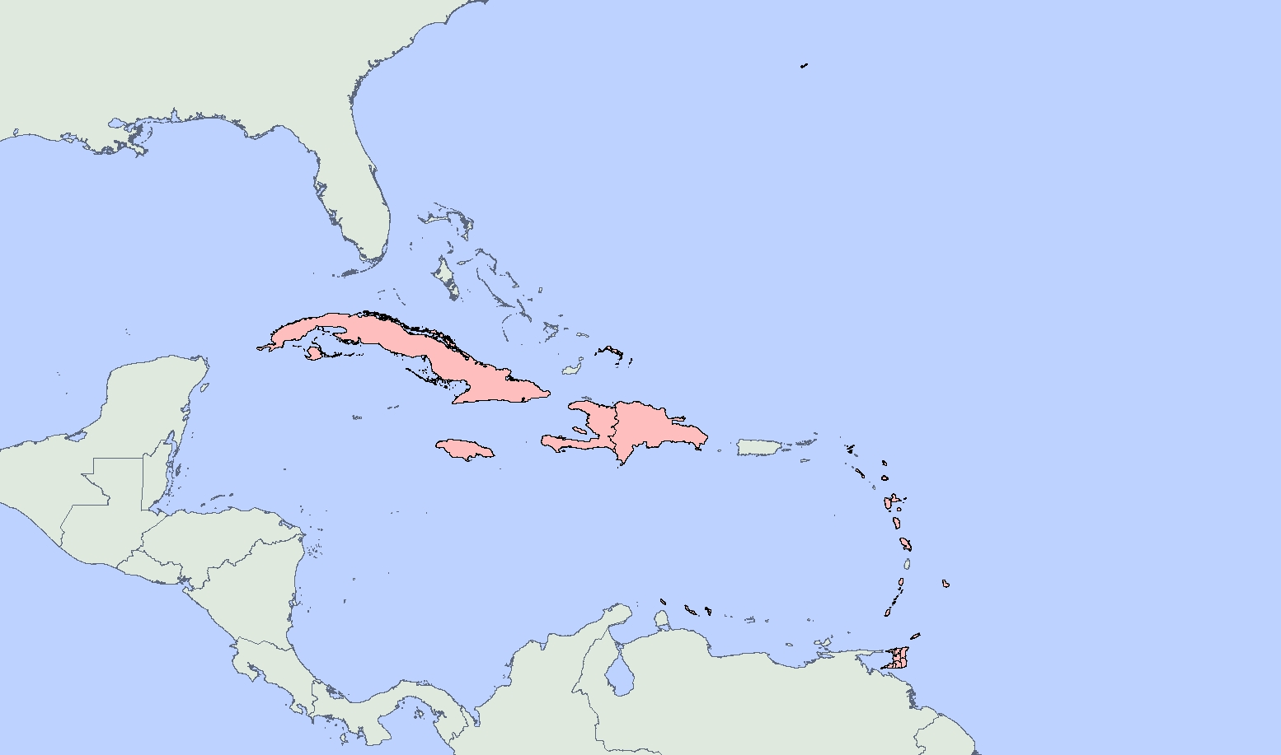
HSIP- NAVTEQ® (File Location - HSIP Gold 2015/Data/Navteq/)

SDC North America (Smart Data Compression) (File Location - HSIP_Gold_2015/Data/Navteq/NorthAmerica_SDC/)
NAVTEQ Q2 2014
Feature classes for Road Network: interstates, highways, mroads, streets and exits

Coverage level of SDC road network will vary by Country.

United States
Canada
Mexico
Puerto Rico
U.S. Virgin Islands
Bahamas
Cayman Islands

Additional File Geodatabase Extended Points of Interest Coverage From Navteq/Lead Dog (File Location - HSIP Gold 2015/Data/Navteq/LeadDog_Extended_Coverage)

LeadDog Extended Coverage

territories_misc_islands.gdb

Coverage level can vary by Country.

American_Samoa
Anguilla
Antigua
Aruba
Barbados
Bermuda
Bonaire
Cuba
Curacao
Dominica
Dominican_Republic
Grenada
Guadeloupe
Guam
Haiti
Jamaica
Martinique
Northern Marianas Islands
Saint Kitts and Nevis
Saint_Martin
Saint_Vincent
Sint_Maarten
Trinidad and Tobago
Turks and Caicos

