1. Title Page
[Project Name]

Project Name:
Date:
Analyst Name:

Contents:
Population Flow
Consistency checks
Wrangling steps
Column derivations
Visualizations
Recommendations

2. Population Flow
 |  |  | Title page

Population flow

Exclusion flag
Condition: max_order <
Obervations to be removed:
Final total count of order_products_all:

Orders_products_combined
Orders_products_merged
Orders_products_all

Total:
Total:
Total:
32434489 | 32434212 | 32434212

1.) The grey boxes in the first row of the population flow represent the original data sets as they were when you downloaded them. In the Total fields you need to add the count of the rows when you imported the data set into Jupyter.
2.) The second row of boxes (coloured) represents the data sets after you manipulated them, e.g., removed missing values and duplicates. In the Total fields you need to add the count of the rows after conducting these operations. This offers a visual oveview of how the data flows throughout the data consistency checks.
3.) The third row, where also the arrows are coloured, represents the merges you performed between the datasets. In the Total fields you need to add the count of the rows in the merged datasets, so that you end up with the final dataset (in the red box). Keep in mind the final dataset should be without exclusions (based on the exclusion flag).

3. Consistency checks
 |  |  |  | Title page
Consistency checks

Dataset | Missing values | Missing values treatment | Duplicates
orders | 206209 values missing day_since_prior_order | There were no missing values. The number matches the number of customers. Due to the fact that the first orders do not have "prior". | none
products | 16 product_name NaN | Not really an issue due to amount. | 5 duplicates droped
orders_products_prior | none | Skipped | none
customers | 11259 first names | These will naturally be excluded. | none
Dataset | Missing values | Treated missing values. | Duplicates

4. Wrangling steps
 |  |  |  |  |  | Title page
Wrangling steps

Columns dropped | Columns renamed | Columns' type changed | Comment/Reason
orders.csv | eval_set |  |  |  | not needed
 |  | order_dow | orders_day_of_week |  | no issue understanding this one.
 |  |  |  | order_id - string
 |  |  |  | order_number - string
 |  | order_since_prior_order | days_since_last_order |  | no issues understanding this.
customers.csv | First Name |  |  |  | not needed
 | Surname |  |  |  | not needed
 | Gender |  |  |  | not needed
 | date_joined |  |  |  | not needed
 |  | Age | age |  | consistency
 |  | STATE | state |  | consistency
ords_prods_cust | order_number |  |  |  | these were dropped.
 | days_since_last_order
 | product_id
 | add_to_cart_order
 | product_name
 | aisle_id

5. Column derivations
 |  |  |  | Title page

Column derivations and aggregations

In this tab you should add tables below that the frequences of flags/label variables that you produced after deriving them. NB: don't do this for continuous variables, only for flags.
Dataset | New column | Column/s it was derived from | Conditions
orders_products_merged.pkl | price_range | prices | If price <=5, then "Low-range product" If else price > 5 and <=15, then "Mid-range product" If else price >15, then "High-range product"
 | busiest_day | order_dow | If day == 0, then "Busiest day" If day == 4, then "Least busy" If else, then "Regularly busy"
 | busiest_days | order_dow | If day == 0 or == 1 then "Busiest days" If day == 4 or == 3 then "Least busy days" If else, then "Normal busy"
 | busiest_hours | order_hour_of_day | If value <= 5, then "Fewest orders" If value <= 15 & value > 9 , then "Most orders" else, then "Average orders"
ords_prods_merge_flags.pkl | max_order | user_id, order_number | Maximum numbers of orders per user_id
 | loyalty_flag | max_order | If max_order > 40, then "Loyal customer" If max order <= 40 and >10, then "Regular customer" If max order <= 10 then "New customer"
 | average_price | user_id, prices | Average prices of products ordered by user.
 | spender_flag | average_price | If mean price < 10, then low spender If mean price >= 10, then high spender.
 | frequency_customer |  | Median number of days since prior orders
 | order_frequency_flag | median_days_since_prior_order | If frequency_customer > 20, then "Non-frequent customer" If frequency_customer <= 20 and > 10, then "Regular customer" If frequency_customer <= 10 then "Frequent customer"
 | activity_flag | max_order

orders_products_merged.pkl | price_range | prices | If price <=5, then "Low-range product" If else price > 5 and <=15, then "Mid-range product" If else price >15, then "High-range product"
 | busiest_day | order_dow | If day == 0, then "Busiest day" If day == 4, then "Least busy" If else, then "Regularly busy"

6. Visualizations
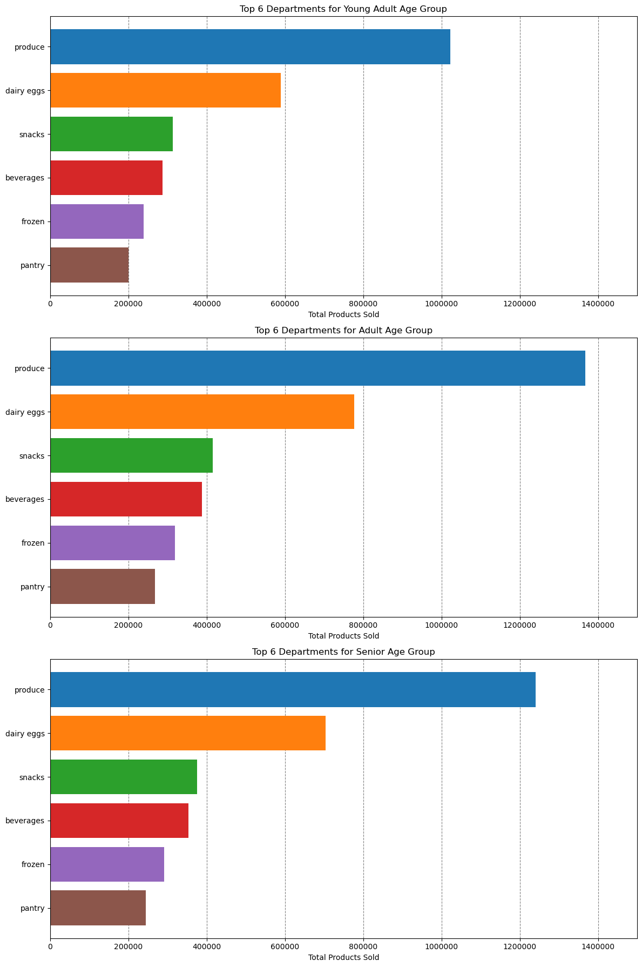
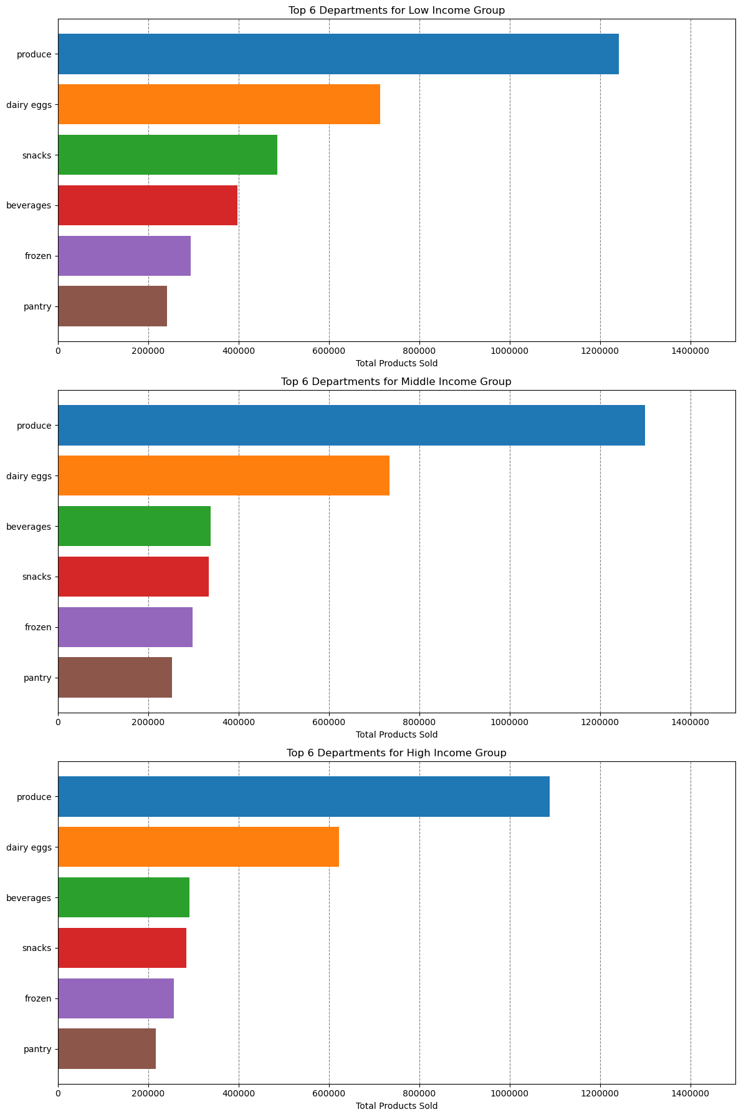
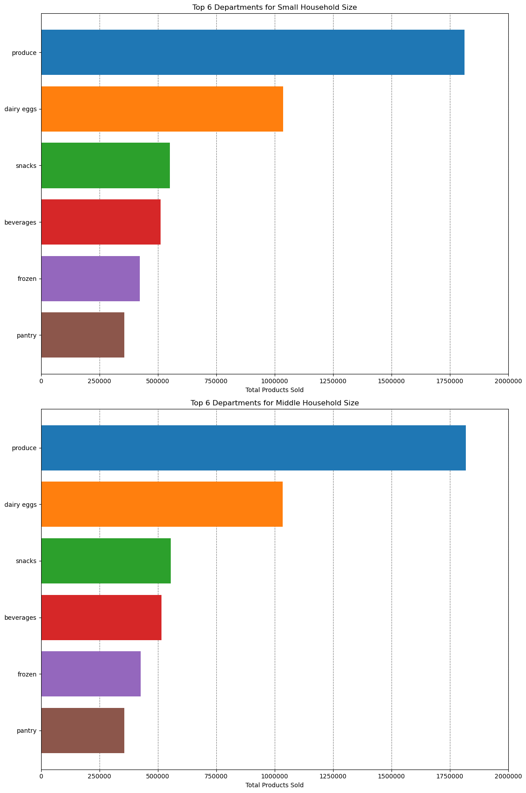
 |  |  |  |  |  | Title page
Visualisations
Visualisations

In this tab you should include all the visualtions from Exercises 4.9 and 4.10, alongside the questions from the project brief that they answer. Include any commentary on the relationship between different variables.
What days of the week and hours of the day are busiest?
 | Saturday and Sunday are the busiest and between 10:00 and 16:00 are the most orders


 |  | Numbers of orders per week day |  |  | Numbers of orders per week day


 |  |  |  |  |  |  | Legend
 |  |  |  |  |  |  | Number | Day
 |  |  |  |  |  |  | 0 | Saturday
Frequency
 |  |  |  |  |  |  | 1 | Sunday
 |  |  |  |  |  |  | 2 | Monday
 |  |  |  |  |  |  | 3 | Tuesday
 |  |  |  |  |  |  | 4 | Wednesday
 |  |  |  |  |  |  | 5 | Thursday
 |  |  |  |  |  |  | 6 | Friday

Hour of the day

What times of the day people spend the most money?
 | The is no statistically significant answer to that. Between 9:00 and 13:00 people spent apparently less than in the other hours.


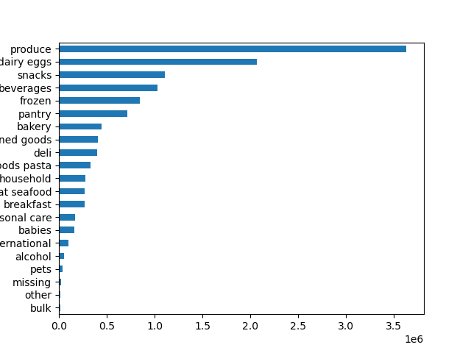
Which departments have the highest frequency of product orders?
 |  |  |  | Department, Counts
 |  |  | 1 | produce 3631549
 |  |  | 2 | dairy eggs 2070536
 |  |  | 3 | snacks 1105797
 |  |  | 4 | beverages 1027086
 |  |  | 5 | frozen 849358
 |  |  | 6 | pantry 712871
 |  |  | 7 | bakery 448698
 |  |  | 8 | canned goods 404854
 |  |  | 9 | deli 401834
 |  |  | 10 | dry goods pasta 328615
 |  |  | 11 | household 279941
 |  |  | 12 | meat seafood 269980
 |  |  | 13 | breakfast 268843
 |  |  | 14 | personal care 169975
 |  |  | 15 | babies 164381
 |  |  | 16 | international 103037
 |  |  | 17 | alcohol 57625
 |  |  | 18 | pets 37270
 |  |  | 19 | missing 25888
Number of orders
 |  |  | 20 | other 13834
 |  |  | 21 | bulk 13412

What’s the distribution among users in regards to their brand loyalty?
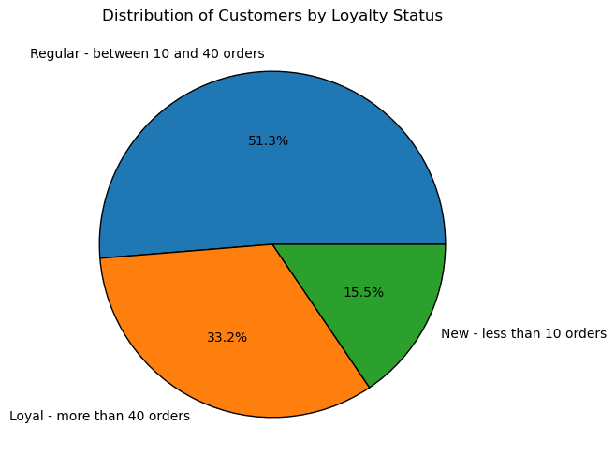

Are there differences in ordering habits based on a customer’s loyalty status?
 | Loyal costumers purchase more and more often
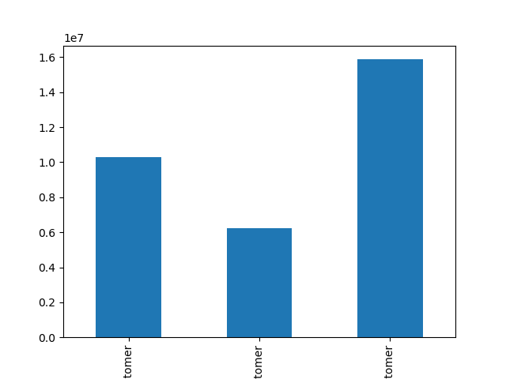
Mean of days since prior order
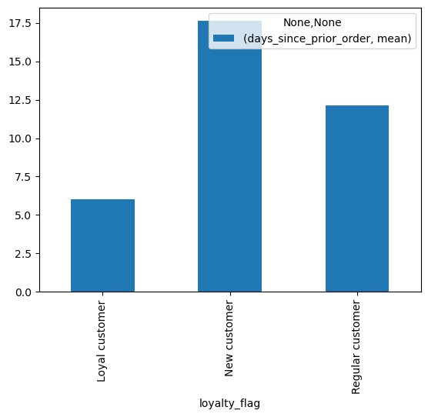
Number of orders

Loyal customer
New customer
Regular customer
Loyal customer
New customer
Regular customer

Are there differences in ordering habits based on a customer’s region?
 | In all regions are much less "high spender" than "low spender".
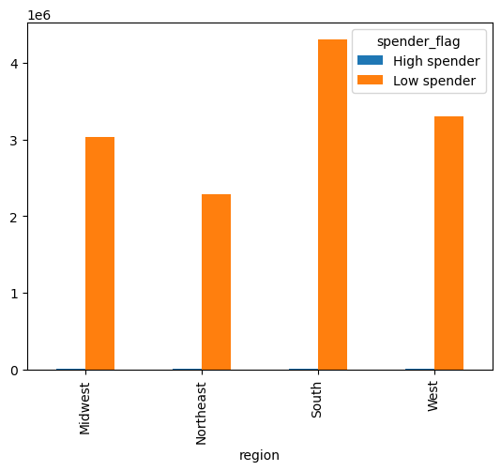

Is there a connection between age in terms of ordering habits?
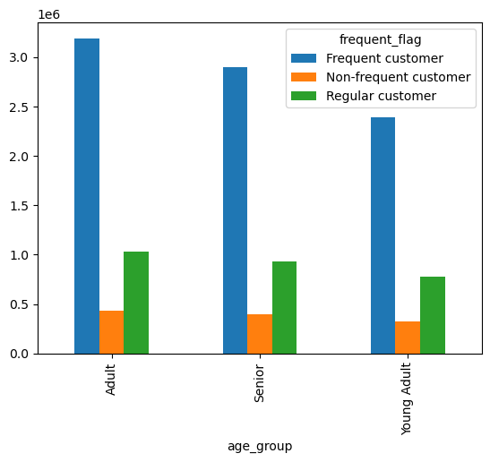
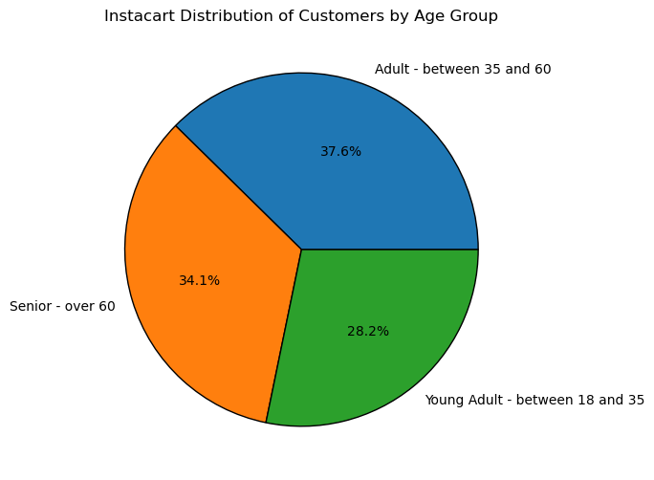

What differences can you find in preference for departments for different customer profiles?

7. Recommendations
 |  |  |  |  |  |  | Title page

Recommendations

In this tab you should include any recommendations you would made to Instcart in terms of their marketing strategy based on the questions posed in the brief. Every key question has been covered in the Tasks of the Exercises - here you need to add an item - a visualisation or table/crosstable that is showing the answer in the data, acompanied by a comment from you. Please, list the questions below and add the answer underneath.

Question | Answer
What days of the week and hours of the day are busiest? | Saturday and Sunday are the busiest days. Wednesday and Tuesday are the least busy. Between 8:00 and 6:00 pm are the most busy hours. Between 0:00 and 6:00 are the least busy hours. | Wednesday and Tuesday are the days where we can boost sales. Scheduling ads at sleeping times seems to me not very productive, maybe just before 8:00 or after 6:00 pm, when people have time to check the ads? | What days of the week and hours of the day are busiest? | Saturday and Sunday are the busiest days. Wednesday and Tuesday are the least busy. Between 8:00 and 6:00 PM are the most busy hours. Between 0:00 and 6:00 are the least busy hours. | Wednesday and Tuesday are the days where we can boost sales. Scheduling ads at sleeping times seems to me not very productive, maybe just before 8:00 or after 6:00 PM, when people have time to check the ads? | What days of the week and hours of the day are busiest?

What times of the day people spend the most money? | Between 1:00 PM to 09:00 in the morning is slightly better than 9:00 to 1:00 PM. However there is not a strong statistical confidence for that. | Advertise pricier products in the interval of ß9:00 to 1:00 PM. | What times of the day people spend the most money? | Between 1:00 PM to 09:00 in the morning is slightly better than 9:00 to 1:00 PM. However there is not a strong statistical confidence for that. | Advertise pricier products in the interval of 9:00 to 1:00 PM. | What times of the day people spend the most money?

Which departments have the highest frequency of product orders? | Top 5: Produce, diary & eggs, snacks, beverages and frozen products (in decrescent order) | Increase advertisement on the lowest ranking (higher potential to increase sales): Bulk, Pets, International, Baby products and Personal care | Which departments have the highest frequency of product orders? | Top 5: Produce, diary & eggs, snacks, beverages and frozen products (in decrescent order) | Increase advertisement on the lowest ranking (higher potential to increase sales): Bulk, Pets, International, Baby products and Personal care | Which departments have the highest frequency of product orders?

What’s the distribution among users in regards to their brand loyalty? | Regular customers - 51.3 % Loyal customers - 33.2% New customers - 15.5% | Huge potential to expand the customers base since the new customers only make up 15.5% of total customers. | What’s the distribution among users in regards to their brand loyalty? | Regular customers - 51.3 % Loyal customers - 33.2% New customers - 15.5% | Huge potential to expand the customers base since the new customers only make up 15.5% of total customers. | What’s the distribution among users in regards to their brand loyalty?

Are there differences in ordering habits based on a customer’s loyalty status? | Yes, loyal customers make orders more frequently | Maybe a loyalty bonus program to make often purchases more interesting | Are there differences in ordering habits based on a customer’s loyalty status? | Yes, loyal customers make orders more frequently | Maybe a loyalty bonus program to make often purchases more interesting | Are there differences in ordering habits based on a customer’s loyalty status?

Are there differences in ordering habits based on a customer’s region? | In all regions are much less "high spender" than "low spender". Some regions have a higher total number of customers than others. | Maybe try a more proper threshold or another variable to evaluate it. | Are there differences in ordering habits based on a customer’s region? | In all regions are much less "high spender" than "low spender". Some regions have a higher total number of customers than others. | Maybe try a more proper threshold or another variable to evaluate it. | Are there differences in ordering habits based on a customer’s region?

Is there a connection between age in terms of ordering habits? | Considering the distribution of the age groups, there is no significant difference | There is no need to do different advertisements to target the different groups | Is there a connection between age in terms of ordering habits? | Considering the distribution of the age groups, there is no significant difference | There is no need to do different advertisements to target the different groups | Is there a connection between age in terms of ordering habits?

What differences can you find in preferece for departments for different customer profiles? | Almost insignificant, the choice for departments follow the same order in similar proportions to all groups | There is no need to do different advertisements to target the different groups | What differences can you find in preferece for departments for different customer profiles? | Almost insignificant, the choice for departments follow the same order in similar proportions to all groups | There is no need to do different advertisements to target the different groups | What differences can you find in preferece for departments for different customer profiles?
What days of the week and hours of the day are busiest? | Saturday and Sunday are the busiest days. Wednesday and Tuesday are the least busy. Between 8:00 and 6:00 PM are the most busy hours. Between 0:00 and 6:00 are the least busy hours. | Wednesday and Tuesday are the days where we can boost sales. Scheduling ads at sleeping times seems to me not very productive, maybe just before 8:00 or after 6:00 PM, when people have time to check the ads? | What days of the week and hours of the day are busiest? | Saturday and Sunday are the busiest days. Wednesday and Tuesday are the least busy. Between 8:00 and 6:00 PM are the most busy hours. Between 0:00 and 6:00 are the least busy hours. | Wednesday and Tuesday are the days where we can boost sales. Scheduling ads at sleeping times seems to me not very productive, maybe just before 8:00 or after 6:00 PM, when people have time to check the ads? | What days of the week and hours of the day are busiest?

What times of the day people spend the most money? | Between 1:00 PM to 09:00 in the morning is slightly better than 9:00 to 1:00 PM. However there is not a strong statistical confidence for that. | Advertise pricier products in the interval of ß9:00 to 1:00 PM. | What times of the day people spend the most money? | Between 1:00 PM to 09:00 in the morning is slightly better than 9:00 to 1:00 PM. However there is not a strong statistical confidence for that. | Advertise pricier products in the interval of ß9:00 to 1:00 PM. | What times of the day people spend the most money?

Which departments have the highest frequency of product orders? | Top 5: Produce, diary & eggs, snacks, beverages and frozen products (in decrescent order) | Increase advertisement on the lowest ranking (higher potential to increase sales): Bulk, Pets, International, Baby products and Personal care | Which departments have the highest frequency of product orders? | Top 5: Produce, diary & eggs, snacks, beverages and frozen products (in decrescent order) | Increase advertisement on the lowest ranking (higher potential to increase sales): Bulk, Pets, International, Baby products and Personal care | Which departments have the highest frequency of product orders?

