4310-10-24V
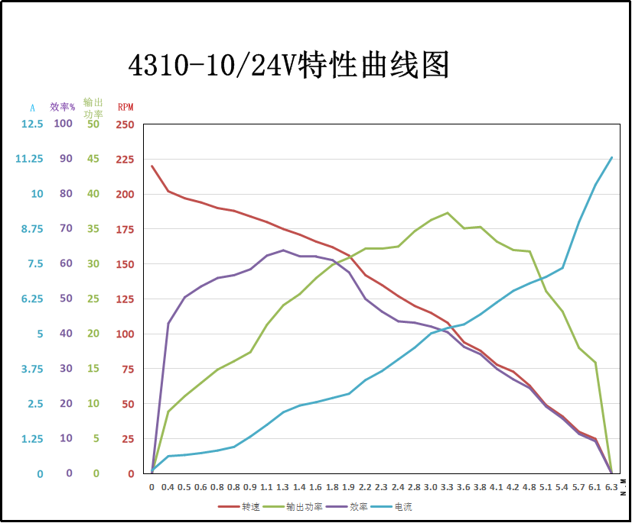

电压(V) | 电流(A) | 扭矩(N/M) | 转速(RPM) | 输入功率(W) | 输出功率(W) | 效率 | 扭矩常数
GIM4310-10_24_V1.1_SDC101
24 | 0 | 0 | 228 | 0 | 0.00 | 0.00 | 0.00
24 | 0.5 | 0.5 | 210 | 12 | 10.99 | 0.92 | 1.00
24 | 1 | 1.01 | 192 | 24 | 20.31 | 0.85 | 1.01
24 | 1.5 | 1.6 | 180 | 36 | 30.16 | 0.84 | 1.07
24 | 2.3 | 2.05 | 150 | 55.2 | 32.20 | 0.58 | 0.89 | 0.96
24 | 2.5 | 2.6 | 156 | 60 | 42.47 | 0.71 | 1.04
24 | 3 | 3.12 | 144 | 72 | 47.05 | 0.65 | 1.04
24 | 3.5 | 3.44 | 132 | 84 | 47.55 | 0.57 | 0.98
24 | 4 | 4.15 | 120 | 96 | 52.15 | 0.54 | 1.04
24 | 4.6 | 4.69 | 90 | 110.4 | 44.20 | 0.40 | 1.02
24 | 5.7 | 4.93 | 72 | 136.8 | 37.17 | 0.27 | 0.86
24 | 6.1 | 5.33 | 48 | 146.4 | 26.79 | 0.18 | 0.87
24 | 6.7 | 5.6 | 12 | 160.8 | 7.04 | 0.04 | 0.84
24 | 6.8 | 5.6 | 0 | 163.2 | 0.00 | 0.00 | 0.82

4310-10高压版48
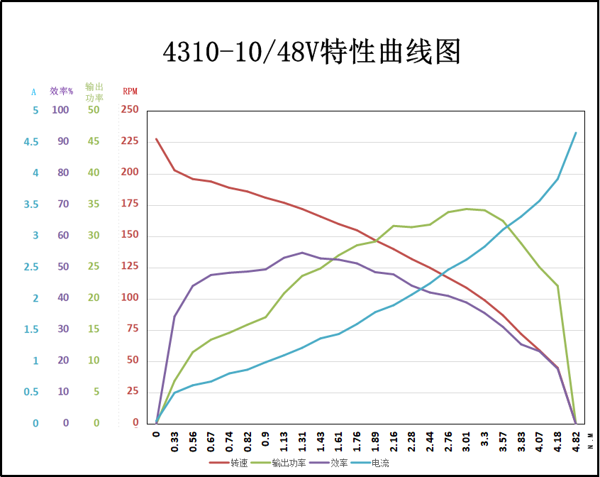

4310-36
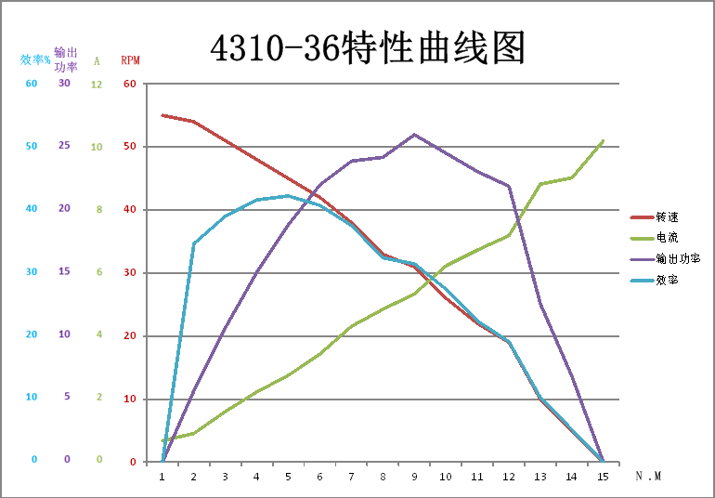

电压(V) | 电流(A) | 扭矩(N/M) | 转速(RPM) | 输入功率(W) | 输出功率(W) | 效率 | 扭矩常数
GIM4310-36_24_V1.1_SDC101
24 | 0 | 0 | 63.33 | 0 | 0.00 | 0.00 | 0.00
24 | 0.5 | 1.8 | 58.33 | 12 | 10.99 | 0.92 | 3.60
24 | 1 | 3.636 | 53.33 | 24 | 20.31 | 0.85 | 3.64
24 | 1.5 | 5.76 | 50.00 | 36 | 30.16 | 0.84 | 3.84
24 | 2.3 | 7.38 | 41.67 | 55.2 | 32.20 | 0.58 | 3.21
24 | 2.5 | 9.36 | 43.33 | 60 | 42.47 | 0.71 | 3.74
24 | 3 | 11.232 | 40.00 | 72 | 47.05 | 0.65 | 3.74
24 | 3.5 | 12.384 | 36.67 | 84 | 47.55 | 0.57 | 3.54
24 | 4 | 14.94 | 33.33 | 96 | 52.15 | 0.54 | 3.74
24 | 4.6 | 16.884 | 25.00 | 110.4 | 44.20 | 0.40 | 3.67
24 | 5.7 | 17.748 | 20.00 | 136.8 | 37.17 | 0.27 | 3.11
24 | 6.1 | 19.188 | 13.33 | 146.4 | 26.79 | 0.18 | 3.15
24 | 6.7 | 20.16 | 3.33 | 160.8 | 7.04 | 0.04 | 3.01
24 | 6.8 | 20.16 | 0.00 | 163.2 | 0.00 | 0.00 | 2.96

10015-9-24V
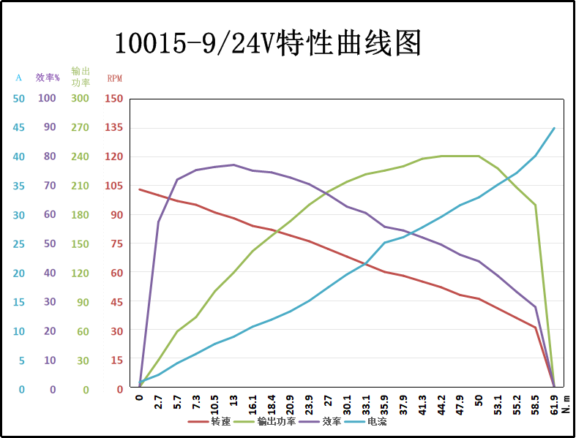

2023.12.08

