Technical
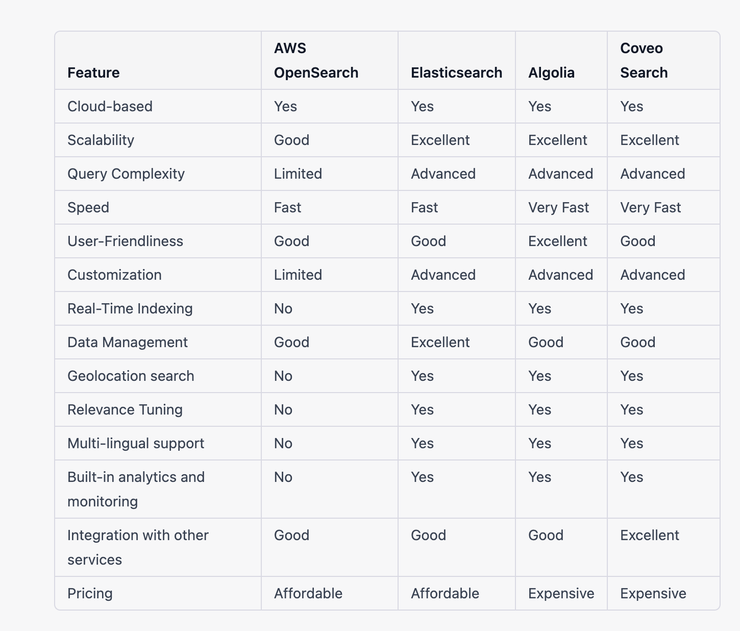

** Indexing in AWS Opensearch https://docs.aws.amazon.com/opensearch-service/latest/developerguide/managing-indices.html

Proposed
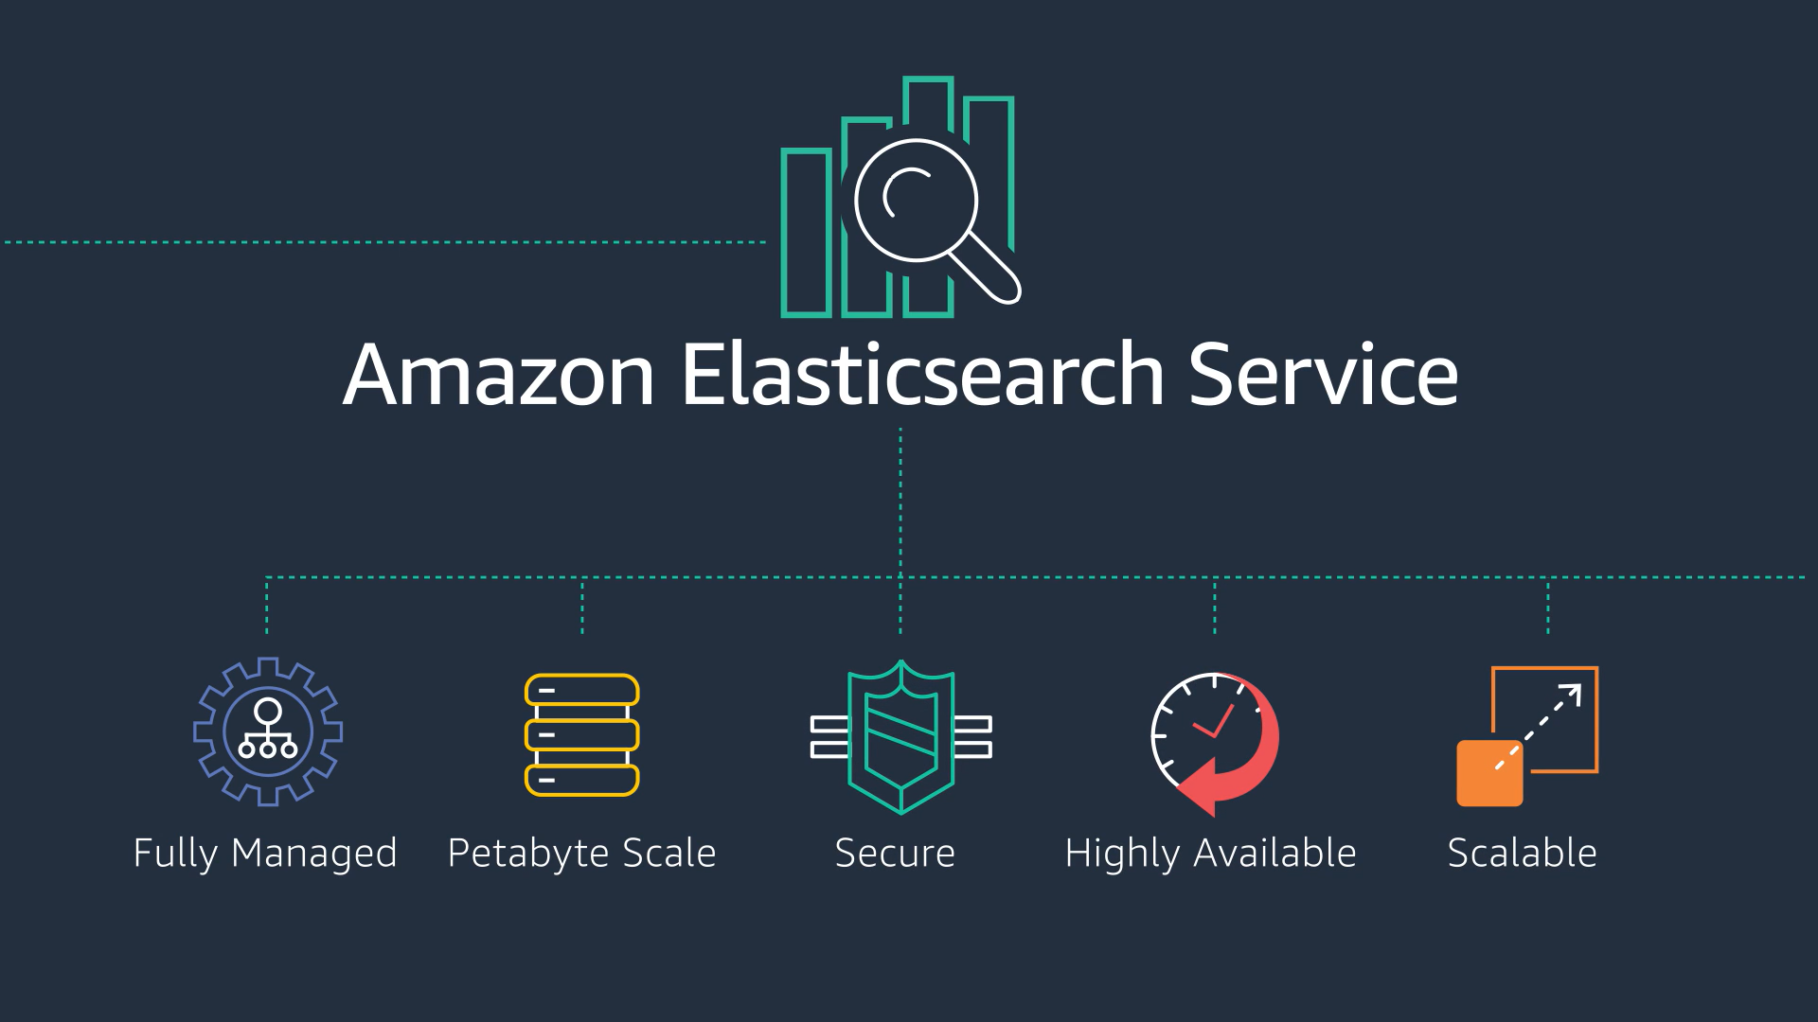
Amazon Opensearch formerly known as Amazon Elastic Search

