Summary
Portfolio summary (formula-driven)

Late-stage program footprint by normalized area
Normalized area | AstraZeneca | Bristol Myers Squibb | Combined | Portfolio relationship
Solid-tumor oncology
Immunology, respiratory & fibrosis
Hematology
Cardiovascular
Rare disease
Renal & metabolic
Infectious disease
Neuroscience
Total

Infographic
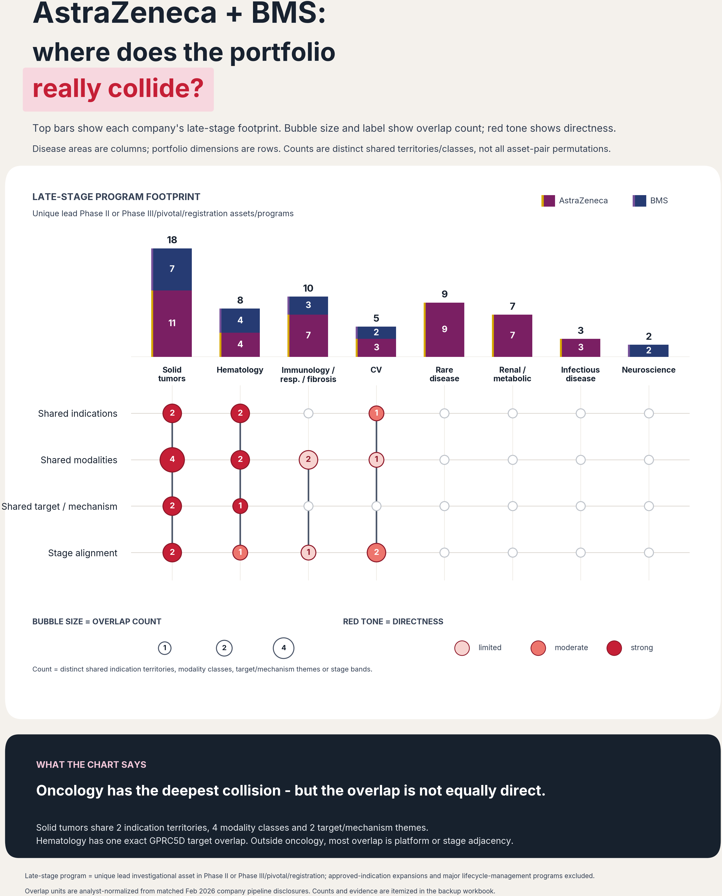
LinkedIn infographic - stacked footprint + count-based lollipop matrix
Bars use logo-inspired company colors; bubbles use a red directness scale.

