t-student
inicial | x0 | 0
final | x | 1.1
 | num_segmentos | 10
 | dof | 9
 | w | 0.11 | w/3 | 0.036666666667
 |  |  | 24
 | x | f(x) = …
 |  | p1 | p2 | cons | f(X) | mult | termino
0 | 0 | 1 | 1 | 0.38803490887 | 0.38803490887 | 1 | 0.014227946659
1 | 0.11 | 1.0013444444 | 0.99330480591 | 0.38803490887 | 0.38543693984 | 4 | 0.056530751177
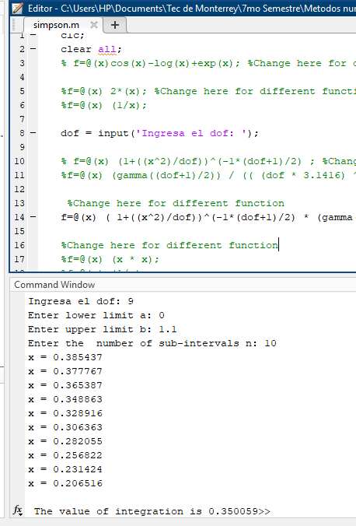
2 | 0.22 | 1.0053777778 | 0.97353953302 | 0.38803490887 | 0.37776732398 | 2 | 0.027702937092
3 | 0.33 | 1.0121 | 0.94163561384 | 0.38803490887 | 0.36538748961 | 4 | 0.053590165142
4 | 0.44 | 1.0215111111 | 0.89905140825 | 0.38803490887 | 0.34886333127 | 2 | 0.02558331096
5 | 0.55 | 1.0336111111 | 0.84764529109 | 0.38803490887 | 0.32891596328 | 4 | 0.048241007948
6 | 0.66 | 1.0484 | 0.78952327713 | 0.38803490887 | 0.30636259289 | 2 | 0.022466590146
7 | 0.77 | 1.0658777778 | 0.72688040421 | 0.38803490887 | 0.28205497141 | 4 | 0.041368062473
8 | 0.88 | 1.0860444444 | 0.66185371096 | 0.38803490887 | 0.25682234442 | 2 | 0.018833638591
9 | 0.99 | 1.1089 | 0.59640061501 | 0.38803490887 | 0.2314242583 | 4 | 0.03394222455
10 | 1.1 | 1.1344444444 | 0.53221098804 | 0.38803490887 | 0.20651644224 | 1 | 0.007572269549

 |  | 11.517611111 | 8.9620456475 |  |  | sum | 0.35005890429

 |  |  |  |  |  | Error | 0.00001
 |  |  |  |  |  | iter 1 | 0.35005890429 | 0.0000002674
 |  |  |  |  |  | iter 2 | 0.3500586369

 | x0 | 0
 | x | 1.1
 | num_segmentos | 20
 | dof | 9
 | w | 0.055 | w/3 | 0.018333333333
 |  |  | 24
 | x | f(x) = …
 |  | p1 | p2 | cons | f(X)
0 | 0 | 1 | 1 | 0.38803490887 | 0.38803490887 | 1 | 0.0071139733293
1 | 0.055 | 1.0003361111 | 0.99832113768 | 0.38803490887 | 0.38738345168 | 4 | 0.02840811979
2 | 0.11 | 1.0013444444 | 0.99330480591 | 0.38803490887 | 0.38543693984 | 2 | 0.014132687794
3 | 0.165 | 1.003025 | 0.98501129638 | 0.38803490887 | 0.38221876863 | 4 | 0.028029376366
4 | 0.22 | 1.0053777778 | 0.97353953302 | 0.38803490887 | 0.37776732398 | 2 | 0.013851468546
5 | 0.275 | 1.0084027778 | 0.95902478977 | 0.38803490887 | 0.3721350969 | 4 | 0.027289907106
6 | 0.33 | 1.0121 | 0.94163561384 | 0.38803490887 | 0.36538748961 | 2 | 0.013397541286
7 | 0.385 | 1.0164694444 | 0.92157006575 | 0.38803490887 | 0.35760135648 | 4 | 0.026224099475
8 | 0.44 | 1.0215111111 | 0.89905140825 | 0.38803490887 | 0.34886333127 | 2 | 0.01279165548
9 | 0.495 | 1.027225 | 0.87432339175 | 0.38803490887 | 0.33926799764 | 4 | 0.02487965316
10 | 0.55 | 1.0336111111 | 0.84764529109 | 0.38803490887 | 0.32891596328 | 2 | 0.012060251987
11 | 0.605 | 1.0406694444 | 0.81928684918 | 0.38803490887 | 0.31791189786 | 4 | 0.023313539176
12 | 0.66 | 1.0484 | 0.78952327713 | 0.38803490887 | 0.30636259289 | 2 | 0.011233295073
13 | 0.715 | 1.0568027778 | 0.75863044794 | 0.38803490887 | 0.29437509673 | 4 | 0.021587507094
14 | 0.77 | 1.0658777778 | 0.72688040421 | 0.38803490887 | 0.28205497141 | 2 | 0.010342015618
15 | 0.825 | 1.075625 | 0.69453727959 | 0.38803490887 | 0.26950470999 | 4 | 0.019763678733
16 | 0.88 | 1.0860444444 | 0.66185371096 | 0.38803490887 | 0.25682234442 | 2 | 0.0094168192954
17 | 0.935 | 1.0971361111 | 0.62906779444 | 0.38803490887 | 0.24410026429 | 4 | 0.017900686048
18 | 0.99 | 1.1089 | 0.59640061501 | 0.38803490887 | 0.2314242583 | 2 | 0.0084855561376
19 | 1.045 | 1.1213361111 | 0.56405435769 | 0.38803490887 | 0.21887278128 | 4 | 0.016050670628
20 | 1.1 | 1.1344444444 | 0.53221098804 | 0.38803490887 | 0.20651644224 | 1 | 0.0037861347745

 |  | 21.964638889 | 17.165873058 |  |  | sum | 0.3500586369

t-student-0-1.1812
inicial | x0 | 0
final | x | 1.1812
 | num_segmentos | 10
 | dof | 10
 | w | 0.11812 | w/3 | 0.039373333333
 |  |  | 24
 | x | f(x) = …
 |  | p1 | p2 | cons | f(X) | mult | termino
0 | 0 | 1 | 1 | 0.38910838397 | 0.38910838397 | 1 | 0.015320494105
1 | 0.11812 | 1.0013952334 | 0.9923608919 | 0.38910838397 | 0.38613594296 | 4 | 0.060813836777
2 | 0.23624 | 1.0055809338 | 0.96985393696 | 0.38910838397 | 0.37737829809 | 2 | 0.029717283047
3 | 0.35436 | 1.012557101 | 0.93366831281 | 0.38910838397 | 0.36329816836 | 4 | 0.057217039528
4 | 0.47248 | 1.022323735 | 0.88565292031 | 0.38910838397 | 0.34461497657 | 2 | 0.027137280689
5 | 0.5906 | 1.034880836 | 0.8281387453 | 0.38910838397 | 0.32223572889 | 4 | 0.050749979061
6 | 0.70872 | 1.0502284038 | 0.76372906942 | 0.38910838397 | 0.29717338399 | 2 | 0.023401413411
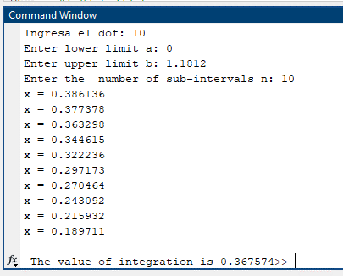
7 | 0.82684 | 1.0683664386 | 0.69508625079 | 0.38910838397 | 0.27046388776 | 4 | 0.04259625923
8 | 0.94496 | 1.0892949402 | 0.62474073656 | 0.38910838397 | 0.2430918584 | 2 | 0.019142673543
9 | 1.06308 | 1.1130139086 | 0.55494091625 | 0.38910838397 | 0.21593216312 | 4 | 0.034007876143
10 | 1.1812 | 1.139523344 | 0.48755347308 | 0.38910838397 | 0.18971114401 | 1 | 0.00746956011

 |  | 11.537164874 | 8.7357252534 |  |  | sum | 0.36757369564

 |  |  |  |  |  | Error | 0.00001
 |  |  |  |  |  | iter 1 | 0.36757369564 | 0.0000002905
 |  |  |  |  |  | iter 2 | 0.36757340515

 | x0 | 0
 | x | 1.1812
 | num_segmentos | 20
 | dof | 10
 | w | 0.05906 | w/3 | 0.019686666667
 |  |  | 24
 | x | f(x) = …
 |  | p1 | p2 | cons | f(X)
0 | 0 | 1 | 1 | 0.38910838397 | 0.38910838397 | 1 | 0.0076602470523
1 | 0.05906 | 1.0003488084 | 0.99808372693 | 0.38910838397 | 0.38836274605 | 4 | 0.030582271709
2 | 0.11812 | 1.0013952334 | 0.9923608919 | 0.38910838397 | 0.38613594296 | 2 | 0.015203459194
3 | 0.17718 | 1.0031392752 | 0.98290877182 | 0.38910838397 | 0.38245804379 | 4 | 0.030117296088
4 | 0.23624 | 1.0055809338 | 0.96985393696 | 0.38910838397 | 0.37737829809 | 2 | 0.014858641524
5 | 0.2953 | 1.008720209 | 0.9533690098 | 0.38910838397 | 0.37096387473 | 4 | 0.029212168588
6 | 0.35436 | 1.012557101 | 0.93366831281 | 0.38910838397 | 0.36329816836 | 2 | 0.014304259882
7 | 0.41342 | 1.0170916096 | 0.91100257765 | 0.38910838397 | 0.35447874078 | 4 | 0.027914019241
8 | 0.47248 | 1.022323735 | 0.88565292031 | 0.38910838397 | 0.34461497657 | 2 | 0.013568640344
9 | 0.53154 | 1.0282534772 | 0.85792430703 | 0.38910838397 | 0.33382554067 | 4 | 0.026287648576
10 | 0.5906 | 1.034880836 | 0.8281387453 | 0.38910838397 | 0.32223572889 | 2 | 0.012687494765
11 | 0.64966 | 1.0422058116 | 0.79662843098 | 0.38910838397 | 0.3099748014 | 4 | 0.024409482361
12 | 0.70872 | 1.0502284038 | 0.76372906942 | 0.38910838397 | 0.29717338399 | 2 | 0.011700706706
13 | 0.76778 | 1.0589486128 | 0.72977356589 | 0.38910838397 | 0.28396101289 | 4 | 0.022360983228
14 | 0.82684 | 1.0683664386 | 0.69508625079 | 0.38910838397 | 0.27046388776 | 2 | 0.010649064808
15 | 0.8859 | 1.078481881 | 0.65997777032 | 0.38910838397 | 0.25680288366 | 4 | 0.020222371079
16 | 0.94496 | 1.0892949402 | 0.62474073656 | 0.38910838397 | 0.2430918584 | 2 | 0.0095713367714
17 | 1.00402 | 1.100805616 | 0.58964619302 | 0.38910838397 | 0.22943627728 | 4 | 0.018067342048
18 | 1.06308 | 1.1130139086 | 0.55494091625 | 0.38910838397 | 0.21593216312 | 2 | 0.0085019690359
19 | 1.12214 | 1.125919818 | 0.52084554154 | 0.38910838397 | 0.20266536697 | 4 | 0.015959222097
20 | 1.1812 | 1.139523344 | 0.48755347308 | 0.38910838397 | 0.18971114401 | 1 | 0.003734780055

 |  | 22.001079993 | 16.735885148 |  |  | sum | 0.36757340515

t-student-0-2.750
inicial | x0 | 0
final | x | 2.75
 | num_segmentos | 10
 | dof | 30
 | w | 0.275 | w/3 | 0.091666666667
 |  |  | 24
 | x | f(x) = …
 |  | p1 | p2 | cons | f(X) | mult | termino
0 | 0 | 1 | 1 | 0.39563218489 | 0.39563218489 | 1 | 0.036266283615
1 | 0.275 | 1.0025208333 | 0.96172786676 | 0.39563218489 | 0.3804904972 | 4 | 0.13951318231
2 | 0.55 | 1.0100833333 | 0.85597941301 | 0.39563218489 | 0.33865300539 | 2 | 0.062086384322
3 | 0.825 | 1.0226875 | 0.70629203747 | 0.39563218489 | 0.27943186196 | 4 | 0.10245834938
4 | 1.1 | 1.0403333333 | 0.54178382356 | 0.39563218489 | 0.21434711786 | 2 | 0.039296971607
5 | 1.375 | 1.0630208333 | 0.38779523802 | 0.39563218489 | 0.15342427731 | 4 | 0.056255568347
6 | 1.65 | 1.09075 | 0.26017110667 | 0.39563218489 | 0.10293206338 | 2 | 0.018870878286
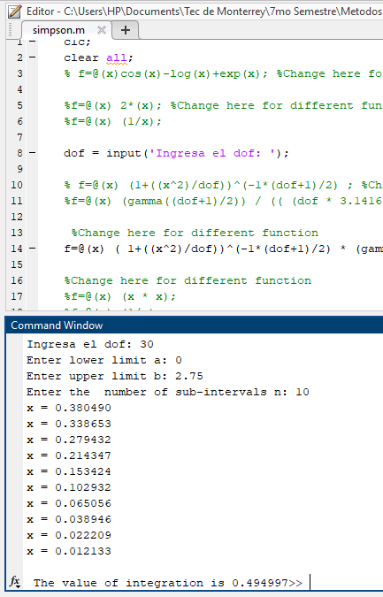
7 | 1.925 | 1.1235208333 | 0.16443432747 | 0.39563218489 | 0.06505551225 | 4 | 0.023853687825
8 | 2.2 | 1.1613333333 | 0.098439223653 | 0.39563218489 | 0.038945725133 | 2 | 0.0071400496077
9 | 2.475 | 1.2041875 | 0.05613596875 | 0.39563218489 | 0.022209195968 | 4 | 0.0081433718549
10 | 2.75 | 1.2520833333 | 0.030667958245 | 0.39563218489 | 0.012133231327 | 1 | 0.0011122128716

 |  | 11.970520833 | 5.0634269636 |  |  | sum | 0.49499694003

 |  |  |  |  |  | Error | 0.00001
 |  |  |  |  |  | iter 1 | 0.49499694003 | 0.0000029182
 |  |  |  |  |  | iter 2 | 0.49499985825

 | x0 | 0
 | x | 2.75
 | num_segmentos | 20
 | dof | 30
 | w | 0.1375 | w/3 | 0.045833333333
 |  |  | 24
 | x | f(x) = …
 |  | p1 | p2 | cons | f(X)
0 | 0 | 1 | 1 | 0.39563218489 | 0.39563218489 | 1 | 0.018133141808
1 | 0.1375 | 1.0006302083 | 0.99028237183 | 0.39563218489 | 0.39178757843 | 4 | 0.071827722712
2 | 0.275 | 1.0025208333 | 0.96172786676 | 0.39563218489 | 0.3804904972 | 2 | 0.034878295577
3 | 0.4125 | 1.005671875 | 0.91606708283 | 0.39563218489 | 0.36242562149 | 4 | 0.066444697273
4 | 0.55 | 1.0100833333 | 0.85597941301 | 0.39563218489 | 0.33865300539 | 2 | 0.031043192161
5 | 0.6875 | 1.0157552083 | 0.78481917079 | 0.39563218489 | 0.31049972328 | 4 | 0.056924949269
6 | 0.825 | 1.0226875 | 0.70629203747 | 0.39563218489 | 0.27943186196 | 2 | 0.025614587346
7 | 0.9625 | 1.0308802083 | 0.6241268589 | 0.39563218489 | 0.24692467284 | 4 | 0.045269523353
8 | 1.1 | 1.0403333333 | 0.54178382356 | 0.39563218489 | 0.21434711786 | 2 | 0.019648485804
9 | 1.2375 | 1.051046875 | 0.46222951994 | 0.39563218489 | 0.1828728749 | 4 | 0.033526693731
10 | 1.375 | 1.0630208333 | 0.38779523802 | 0.39563218489 | 0.15342427731 | 2 | 0.014063892087
11 | 1.5125 | 1.0762552083 | 0.3201204175 | 0.39563218489 | 0.12664994021 | 4 | 0.023219155704
12 | 1.65 | 1.09075 | 0.26017110667 | 0.39563218489 | 0.10293206338 | 2 | 0.0094354391431
13 | 1.7875 | 1.1065052083 | 0.2083153781 | 0.39563218489 | 0.082416268185 | 4 | 0.015109649167
14 | 1.925 | 1.1235208333 | 0.16443432747 | 0.39563218489 | 0.06505551225 | 2 | 0.0059634219563
15 | 2.0625 | 1.141796875 | 0.1280480073 | 0.39563218489 | 0.050659912898 | 4 | 0.0092876506979
16 | 2.2 | 1.1613333333 | 0.098439223653 | 0.39563218489 | 0.038945725133 | 2 | 0.0035700248039
17 | 2.3375 | 1.1821302083 | 0.074763153182 | 0.39563218489 | 0.029578709643 | 4 | 0.0054227634345
18 | 2.475 | 1.2041875 | 0.05613596875 | 0.39563218489 | 0.022209195968 | 2 | 0.0020358429637
19 | 2.6125 | 1.2275052083 | 0.041700203602 | 0.39563218489 | 0.016497942662 | 4 | 0.0030246228213
20 | 2.75 | 1.2520833333 | 0.030667958245 | 0.39563218489 | 0.012133231327 | 1 | 0.0005561064358

 |  | 22.808697917 | 9.6138991276 |  |  | sum | 0.49499985825

