Hoja1
INTERPOLACION POR LAGRANGE

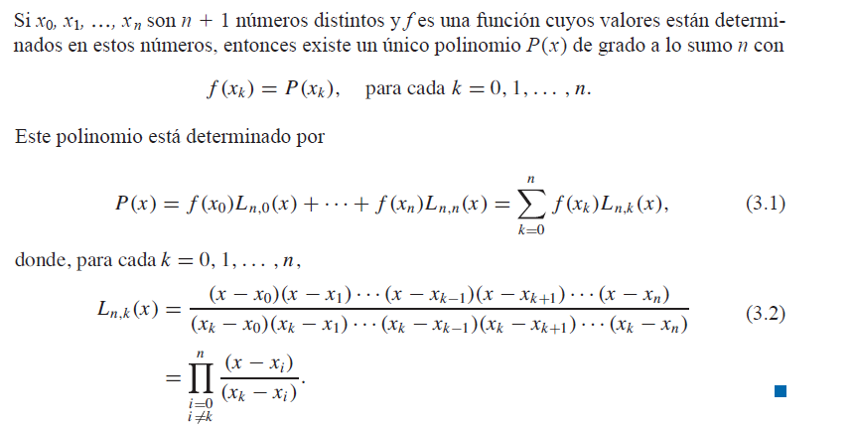

Para x=60 dias

# | 0 | 1 | 2 | 3 | 4 | 5
x | 15 | 30 | 45 | 75 | 90 | 120 | 60
y | 20 | 50 | 80 | 140 | 160 | 175 | ? | 111.47619048

L50(x) |  | (x-x1) ( x - x2) (x-x3)(x-x4)(x-x5)/ (x0- x1)( x0 -x2)(x0-x3)(x0-x4)(x0-x5) |  |  |  |  |  |  | 0.057142857143
L51(x) |  | (x-x0) ( x - x2) (x-x3)(x-x4)(x-x5)/ (x1- x0)( x1 -x2)(x1-x3)(x1-x4)(x1-x5) |  |  |  |  |  |  | -0.33333333333
L52(x) |  | (x-x0) ( x - x1) (x-x3)(x-x4)(x-x5)/ (x2- x0)( x2 -x1)(x2-x3)(x2-x4)(x2x-x5) |  |  |  |  |  |  | 0.8
L53(x) |  | (x-x0) ( x - x1) (x-x2)(x-x4)(x-x5)/ (x3- x0)( x3 -x1)(x3-x2)(x3-x4)(x3-x5) |  |  |  |  |  |  | 0.66666666667
L54(x) |  | (x-x0) ( x - x1) (x-x2)(x-x3)(x-x5)/ (x4- x0)( x4 -x1)(x4-x2)(x4-x3)(x4-x5) |  |  |  |  |  |  | -0.2
L55(x) |  | (x-x0) ( x - x1) (x-x2)(x-x3)(x-x4)/ (x5- x0)( x5 -x1)(x5-x2)(x5-x3)(x5-x4) |  |  |  |  |  |  | 0.0095238095238

P(x) |  | y0 L50(x) + y1 L51(x) + y2 L52(x) + y3 L53(x) + y4 L 54(x) + y5 L55(x) |  |  |  |  |  |  | 111.47619048

Para x=105 dias

# | 0 | 1 | 2 | 3 | 4 | 5
# | 0 | 1 | 2 | 3 | 4 | 5
x | 15 | 30 | 45 | 75 | 90 | 120 | 105
y | 20 | 50 | 80 | 140 | 160 | 175 | ? | 169.52380952

L50(x) |  | (x-x1) ( x - x2) (x-x3)(x-x4)(x-x5)/ (x0- x1)( x0 -x2)(x0-x3)(x0-x4)(x0-x5) |  |  |  |  |  |  | 0.14285714286
L51(x) |  | (x-x0) ( x - x2) (x-x3)(x-x4)(x-x5)/ (x1- x0)( x1 -x2)(x1-x3)(x1-x4)(x1-x5) |  |  |  |  |  |  | -0.66666666667
L52(x) |  | (x-x0) ( x - x1) (x-x3)(x-x4)(x-x5)/ (x2- x0)( x2 -x1)(x2-x3)(x2-x4)(x2x-x5) |  |  |  |  |  |  | 1
L53(x) |  | (x-x0) ( x - x1) (x-x2)(x-x4)(x-x5)/ (x3- x0)( x3 -x1)(x3-x2)(x3-x4)(x3-x5) |  |  |  |  |  |  | -1.6666666667
L54(x) |  | (x-x0) ( x - x1) (x-x2)(x-x3)(x-x5)/ (x4- x0)( x4 -x1)(x4-x2)(x4-x3)(x4-x5) |  |  |  |  |  |  | 2
L55(x) |  | (x-x0) ( x - x1) (x-x2)(x-x3)(x-x4)/ (x5- x0)( x5 -x1)(x5-x2)(x5-x3)(x5-x4) |  |  |  |  |  |  | 0.19047619048

P(x) |  | y0 L50(x) + y1 L51(x) + y2 L52(x) + y3 L53(x) + y4 L 54(x) + y5 L55(x) |  |  |  |  |  |  | 169.52380952

