INSTRUCTIONS
Instructions: Accomplishing the Electronic Class Record (ECR) for SSHS

1 | Input the correct data for the following sections. Any details entered here are used throughout the e-Class Record

 | INPUT DATA
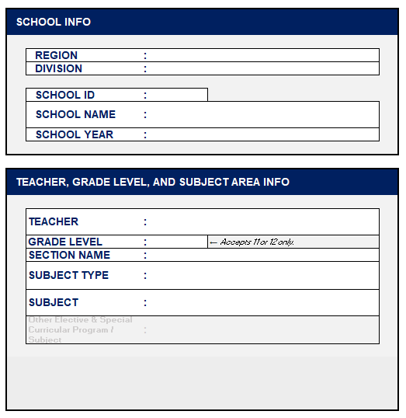
 | A. | SCHOOL INFO
 |  | 1 | REGION |  |  | : | Select the Region where the school is located
 |  | 2 | DIVISION |  |  | : | Input the respective Schools Division Office
 |  | 3 | SCHOOL ID |  |  | : | Enter the six (6) digit school ID
 |  | 4 | SCHOOL NAME |  |  | : | Enter the name of the school
 |  | 5 | SCHOOL YEAR |  |  | : | Enter the current school year

 | B. | TEACHER, GRADE LEVEL, AND SUBJECT AREA INFO
 |  | 1 | TEACHER |  |  |  | Enter the name of teacher's name
 |  | 2 | GRADE LEVEL |  |  |  | Input the grade level taught. This field only accepts 11 or 12.
 |  | 3 | SECTION NAME |  |  |  | Enter section name.
 |  | 4 | SUBJECT TYPE |  |  |  | Select the subject type.
 |  | 5 | SUBJECT |  |  |  | The selection for the subjects is dependent on the subject type selected.
 |  |  | 5.1 | Other Elective and Special Curricular Program |  |  | If applicable, select “Other Elective and Special Curricular Program”, then enter the new elective or subject in the field provided.

 |  | As an additional guide, a note regarding where the computation of the final grade can be found will be displayed, depending on the selected subject type and grade level.

 | C. | LEARNERS' NAMES
 |  | Either manually type learners' names or copy from SF1 and copy onto their respective column (Male or Female).

 |  | TIP: Press Control + Shift + V to paste values only. |  |  |  |  |  |  |  | shift ↑ |  | Z | X | C | V

 |  |  |  |  |  |  |  |  |  | ctrl

2 | Input the raw scores per term to compute for the term grades and annual final grades.

 | TERM GRADES

 | INSTRUCTIONS |  |  |  | DATA INPUT | TERM 1 | TERM 2 | TERM 3 | AVE

 |  | HIGHEST POSSIBLE SCORE |  |  |  |  | Input the highest possible score for each grading component.
 |  | ACTUAL SCORE |  |  |  |  | For each learner, input the actual score accordingly.

 |  | The INITIAL GRADE will be computed and TRANSMUTED when all required grading components have been completed.

 | ! | The weights of the grading components differ depending on the selected Subject type.

 |  |  |  |  |  |  |  | CORE |  | Academic Electives |  |  | TechPro Electives
 |  |  |  |  |  |  |  |  |  | All Other Electives | Field Experience / Exposure Sports and Arts |  | All Other Electives |  | Work Immersion
 |  |  | WRITTEN WORK |  |  |  |  | 20% |  | 20% | 15% |  | 15% |  | 20%
 |  |  | PERFORMANCE TASK |  |  |  |  | 50% |  | 50% | 70% |  | 65% |  | 80%
 |  |  | QUARTERLY ASSESSMENT |  |  |  |  | 30% |  | 30% | 15% |  | 20%
 |  |  |  |  |  |  |  | 100% |  | 100% | 100% |  | 100% |  | 100%

3 | Print only the appropriate sheets for reporting purposes and ensure that learner data is handled in compliance with data privacy policies.

MODIFIED BY:

 | RICHARD R. RAQUEÑO
 | WhatsApp: |  |  | https://wa.me/639068810513

INPUT DATA


 |  | Input Data Sheet for Electronic-Class Record (ECR) for SSHS

SCHOOL INFO |  |  |  |  |  | LEARNERS' NAMES

 | REGION |  | : |  |  |  | MALE |  | FEMALE
 | DIVISION |  | : |  |  |  | 1 |  | 1
 |  |  |  |  |  |  | 2 |  | 2
 | SCHOOL ID |  | : |  |  |  | 3 |  | 3
 | SCHOOL NAME |  | : |  |  |  | 4 |  | 4
 |  |  |  |  |  |  | 5 |  | 5
 | SCHOOL YEAR |  | : |  |  |  | 6 |  | 6
 |  |  |  |  |  |  | 7 |  | 7
 |  |  |  |  |  |  | 8 |  | 8
TEACHER, TRACK, GRADE LEVEL, AND SUBJECT AREA INFO |  |  |  |  |  |  | 9 |  | 9
 |  |  |  |  |  |  | 10 |  | 10
 |  |  |  |  |  |  | 11 |  | 11
 | TEACHER |  | : | RICHARD R. RAQUENO |  |  | 12 |  | 12
 | TRACK |  | : |  | (Use the dropdown menu) |  | 13 |  | 13
 | GRADE LEVEL |  | : |  | (Accepts 11 and 12 only) |  | 14 |  | 14
 | SECTION |  | : | DEPED TAMBAYAN |  |  | 15 |  | 15
 | SUBJECT TYPE |  | : |  |  |  | 16 |  | 16
 |  |  |  |  |  |  | 17 |  | 17
 | SUBJECT |  | : |  |  |  | 18 |  | 18
 |  |  |  |  |  |  | 19 |  | 19
 | Other Elective & Special Curricular Program / Subject |  | : |  |  |  | 20 |  | 20
 |  |  |  |  |  |  | 21 |  | 21
 |  |  |  |  |  |  | 22 |  | 22
 | DISCLAIMER: This is not an official release. All tabs are password-protected to prevent accidental formula edits and ensure accuracy.If you find any inconsistencies, particularly with the formulas, please message ME so the necessary changes can be incorporated. |  |  |  |  |  | 23 |  | 23
 |  |  |  |  |  |  | 24 |  | 24
 |  |  |  |  |  |  | 25 |  | 25
 |  |  |  |  |  |  | 26 |  | 26
 |  |  |  |  |  |  | 27 |  | 27
Download OFFICIAL RELEASE and updated versions here: |  |  |  |  |  |  | 28 |  | 28
https://tinyurl.com/SHSECR2026 |  |  |  |  |  |  | 29 |  | 29
 |  |  |  |  |  |  | 30 |  | 30
Modified by: |  | RICHARD R. RAQUENO |  |  |  |  | 31 |  | 31
WhatsApp: |  | https://wa.me/639068810513 |  |  |  |  | 32 |  | 32
 |  |  |  |  |  |  | 33 |  | 33
 |  |  |  |  |  |  | 34 |  | 34
 |  |  |  |  |  |  | 35 |  | 35
 |  |  |  |  |  |  | 36 |  | 36
 |  |  |  |  |  |  | 37 |  | 37
 |  |  |  |  |  |  | 38 |  | 38
 |  |  |  |  |  |  | 39 |  | 39
 |  |  |  |  |  |  | 40 |  | 40
 |  |  |  |  |  |  | 41 |  | 41
 |  |  |  |  |  |  | 42 |  | 42
 |  |  |  |  |  |  | 43 |  | 43
 |  |  |  |  |  |  | 44 |  | 44
 |  |  |  |  |  |  | 45 |  | 45
 |  |  |  |  |  |  | 46 |  | 46
 |  |  |  |  |  |  | 47 |  | 47
 |  |  |  |  |  |  | 48 |  | 48
 |  |  |  |  |  |  | 49 |  | 49
 |  |  |  |  |  |  | 50 | RAQUENO, RICHARD R. | 50

 |  |  |  |  |  |  |  |  |  | 2026_v1.0

AVE

Final Grades

 | REGION |  |  | DIVISION |  |  | SCHOOL ID
 | SCHOOL NAME |  |  |  |  |  | SCHOOL YEAR

LEARNERS' NAMES |  | GRADE & SECTION: |  |  | - DEPED TAMBAYAN | SUBJECT:
 |  | TEACHER: | RICHARD R. RAQUENO |  |  | SUBJECT TYPE:
 |  | FIRST TERM |  |  | SECOND TERM | THIRD TERM |  | AVERAGE | REMARKS
MALE
1
2
3
4
5
6
7
8
9
10
11
12
13
14
15
16
17
18
19
20
21
22
23
24
25
26
27
28
29
30
31
32
33
34
35
36
37
38
39
40
41
42
43
44
45
46
47
48
49
50 | RAQUENO, RICHARD R.
FEMALE
1
2
3
4
5
6
7
8
9
10
11
12
13
14
15
16
17
18
19
20
21
22
23
24
25
26
27
28
29
30
31
32
33
34
35
36
37
38
39
40
41
42
43
44
45
46
47
48
49
50

