Welcome
MASTER STRATEGIC THINKING AND PROBLEM SOLVING SKILLS
 | Sheet | Decision Making | Conflict Resolution | Product Analysis | Strategic Thinking
1 | BCG Box |  |  | X
2 | Conflict Resolution Model |  | X
3 | Cost-Benefit Analysis |  |  | X
4 | Crossroads Model | X
5 | Decision Tree | X |  |  | X
6 | Design Thinking | X |  |  | X
7 | Double Loop Learning | X |  |  | X
8 | Eisenhower Model | X
9 | Feedback Model |  | X |  |  | See sheets below for explanations and activities
10 | Integration Model |  | X
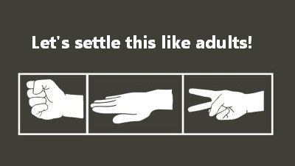
11 | John Whitmore Model | X
12 | Long Tail Effect |  |  | X
13 | Maslow |  | X
14 | Pareto Effect |  |  | X
15 | Policy Analysis Model |  |  |  | X
16 | Power Analysis | X |  |  | X
17 | Pros and Cons | X
18 | Randomize and Sort | X
19 | Rubber Band Model | X
20 | SWOT | X |  |  | X

BCG Box
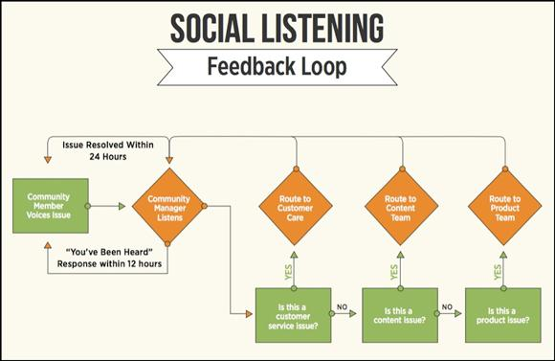
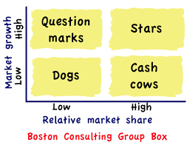
Boston Consulting Group Box
 |  |  |  |  | References
 |  | Definition | Profit potential | Cash | http://www.yorku.ca/lripley/imUstrategy.htm
 | Question Marks | High market growth rate, low market share | Build into Stars or phase out | Require cash to hold share

 | Stars | High market growth rate, high market share | Profit potential | May need cash to grow

 | Dogs | Low market growth rate, low market share | Low profit potential | Risky

 | Cash Cows | Low market growth rate, high market share | Established margins | Produce cash

Conflict Resolution Model
Conflict Resolution Model

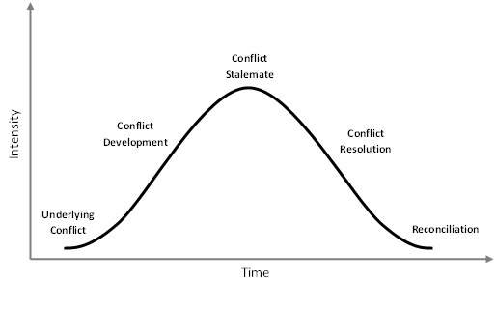
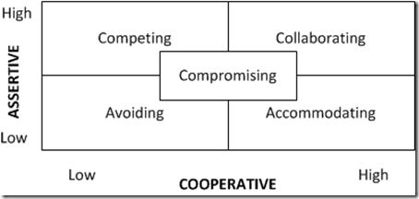
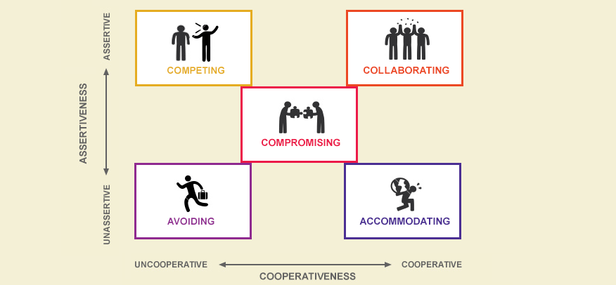

References
Thomas Killman Conflict Resolution Model

Cost Benefit Analysis

Cost Benefit Analysis
 | Benefits | List | Year 1 | Year 2 | Year 3 | Year 4 | Year 5 | Total | Difference (Benefits-Costs)= | 82500
 | Benefit 1 | Salary | 20000 | 25000 | 30000 | 40000 | 50000 | 165000
 | Benefit 2 |  |  |  |  |  |  | 0
 | Benefit 3 |  |  |  |  |  |  | 0
 | Benefit 4 |  |  |  |  |  |  | 0
 | Benefit 5 |  |  |  |  |  |  | 0
 | Benefit 6 |  |  |  |  |  |  | 0
 | Benefit 7 |  |  |  |  |  |  | 0
 | Benefit 8 |  |  |  |  |  |  | 165000
 | Total |  | 20000 | 25000 | 30000 | 40000 | 50000 | 165000
 |  |  |  |  |  |  |  | Total
 | Cost 1 | Stress | 10000 | 12500 | 15000 | 20000 | 25000 | 82500
 | Cost 2 |  |  |  |  |  |  | 0
 | Cost 3 |  |  |  |  |  |  | 0
 | Cost 4 |  |  |  |  |  |  | 0
 | Cost 5 |  |  |  |  |  |  | 0
 | Cost 6 |  |  |  |  |  |  | 0
 | Cost 7 |  |  |  |  |  |  | 0
 | Cost 8 |  |  |  |  |  |  | 0
 | Total |  | 10000 | 12500 | 15000 | 20000 | 25000 | 82500

Crossroads Model
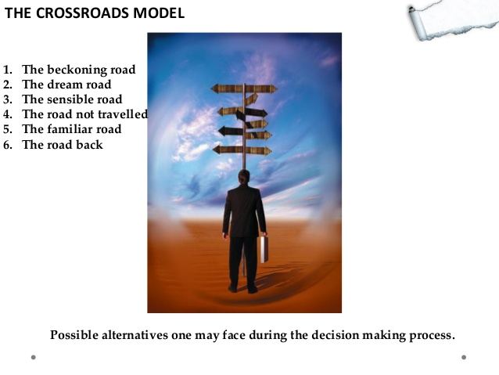
Crossroads Model

Decision Tree
Decision Tree

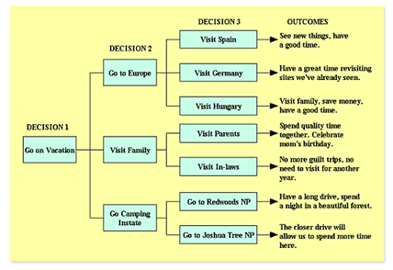

 |  |  | Decision 3 | Outcomes
 |  | Decision 2
 | Decision 1

Design Thinking
Design Process

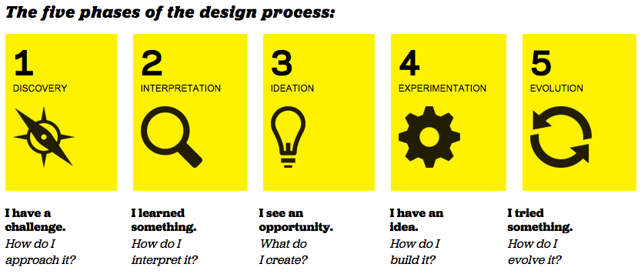
 | Christoph Meinel and Larry Leifer, of the HPI-Stanford Design Thinking Program, laid out four principles for the successful implementation of design thinking:

 | The human rule – all design activity is ultimately social in nature

 | The ambiguity rule – design thinkers must preserve ambiguity

 | The re-design rule – all design is re-design

 | The tangibility rule – making ideas tangible always facilitates communication

Double Loop Learning
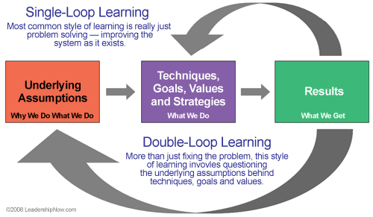
Double Loop Learning
 | Core questions:
 | What are my underlying assumptions? | References
 | What values is this process emerging for me? | https://hbr.org/1977/09/double-loop-learning-in-organizations
 | What if we took a zero off the budget?

 | References
 | Chris Argyris

Eisenhower Model
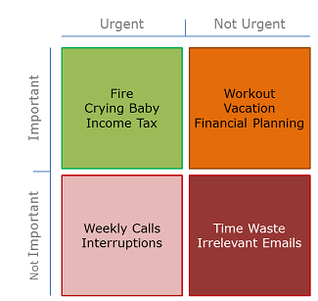
Eisenhower Decision Matrix
 |  |  |  | Urgent/Important |  | Not urgent/Important |  | Urgent/Not important |  | Not Urgent/Not Important
 |  |  | Complete | Executed immediately and personally | Complete | Receive an end date and are done personally | Complete | Tasks are delegated | Complete | Dropped
 | Urgent/Important | Executed immediately and personally | x | Crisis | x | Receive Monthly Update
 |  |  | x | Deadline
 | Not urgent/Important | Receive an end date and are done personally

 | Urgent/Not important | Tasks are delegated

 | Not Urgent/Not Important | Dropped

Feedback Model
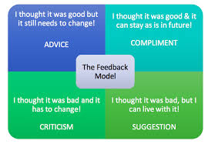
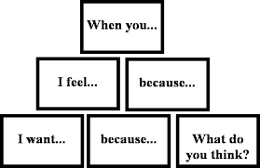
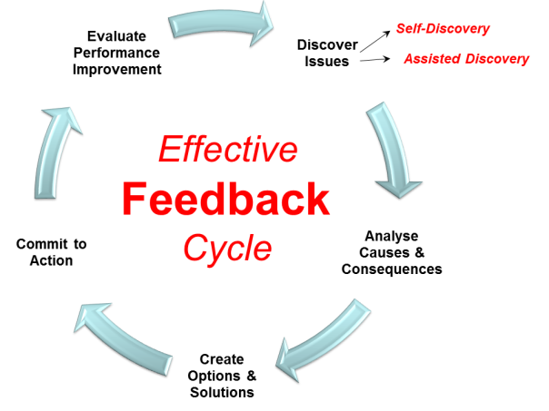
Feedback Model
 | Reference
 | The Decision Book: 50 Models for Strategic Thinking by Mikael Krogerus

Integration Model
Constructive Conflict Resolution: Integration Model
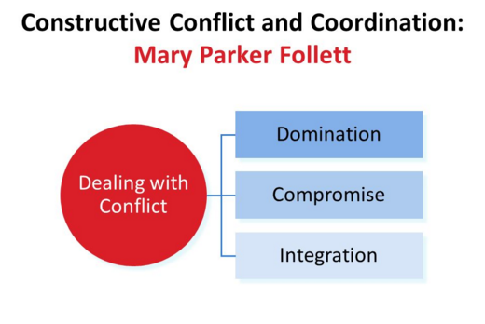
 | Domination--> | Victory of one side over the other

 | Compromise--> | Delay for future Conflict.

 | Integration--> | Follett advocated the principle of what she termed "integration," or noncoercive power-sharing based on the use of her concept of "power with" rather than "power over

 | eg. of Integration | In the Harvard Library one day, in one of the smaller Rooms, someone wanted the window open; I wanted it shut. We opened the window in the next Room, where no one was sitting. This was not a compromise because there was no curtailing of desire; we both got what we really wanted. For I did not want a closed Room, I simply did not want the north wind to blow directly on me; likewise the other occupant did not want that particular window open, he merely wanted more air in the Room.

 | Key Question: | What are our shared values?

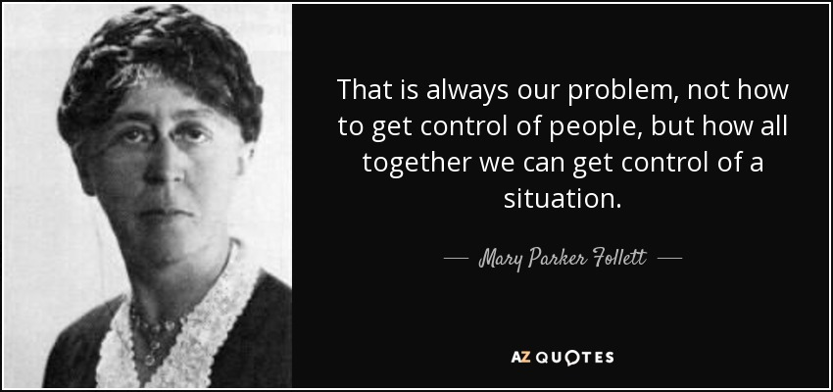


 |  | References
 |  | Graham, Pauline. Mary Parker Follett Prophet of Management. Beard Books.ISBN 1587982137

John Whitmore Model
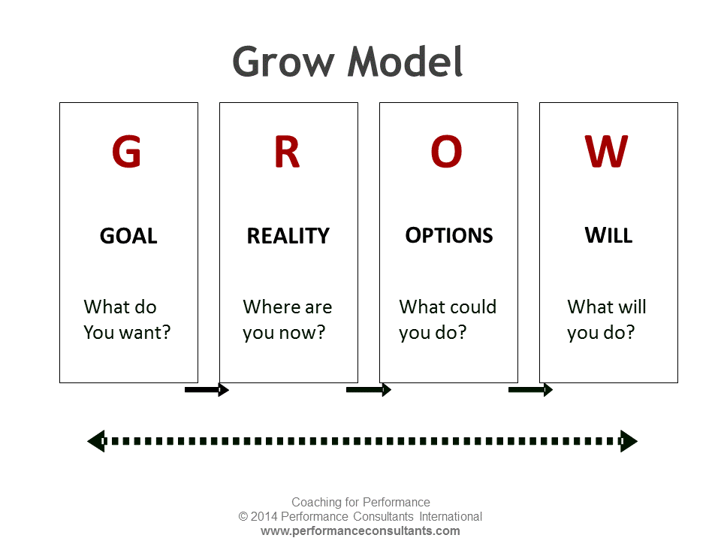
John Whitmore Model
 | Criteria to evaluate a goal |  | References
 | Goal: | Put 1/0 if criteria is met/not met | http://www.performanceconsultants.com/grow-model
 | Specific | 0
 | Measurable | 1
 | Achieveable | 1
 | Realistic | 1
 | Time Frame | 1
 | Positively Stated | 1
 | Understood | 1
 | Relevant | 1
 | Ethical | 1
 | Challenging
 | Legal | 1
 | Enviromentally Sound
 | Agreed
 | Recorded
 |  | 64.29%

Long Tail Effect
Long Tail Effect

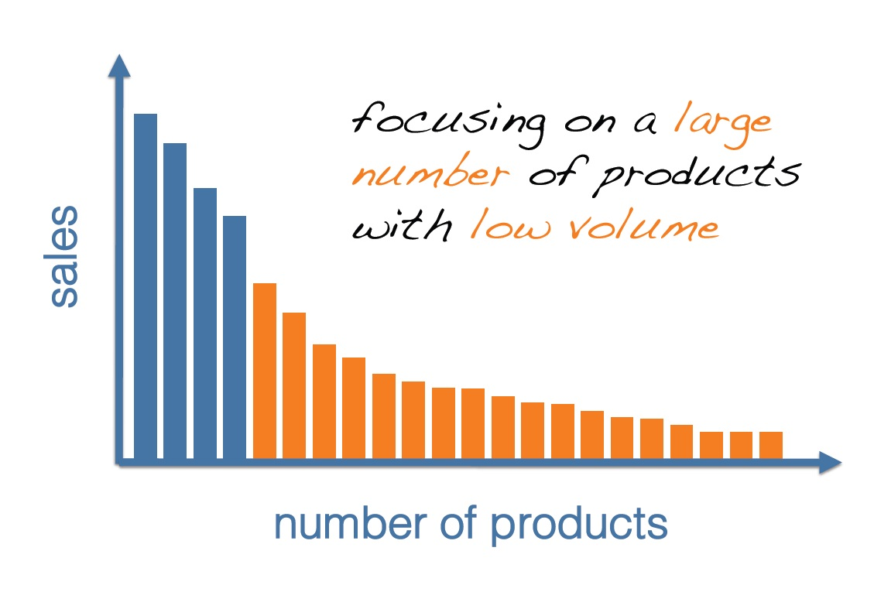
 | One hit vs. many small niches

Maslow
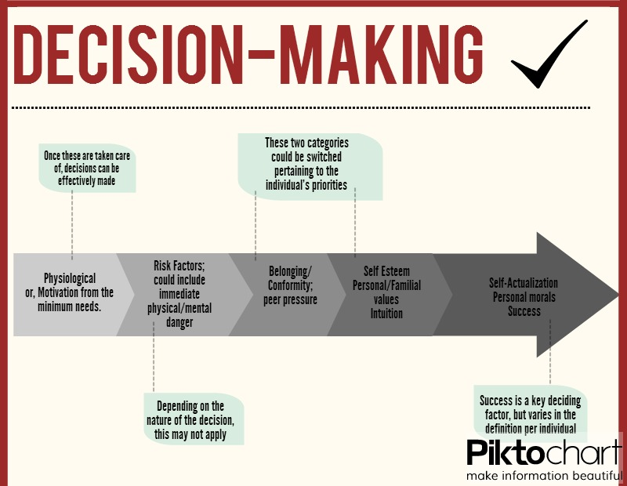
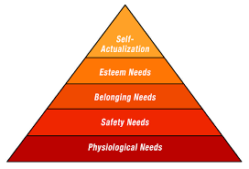
Maslows Hierachy of Needs

Pareto Effect
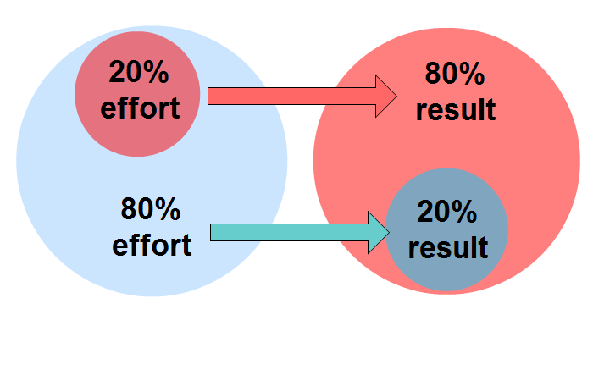
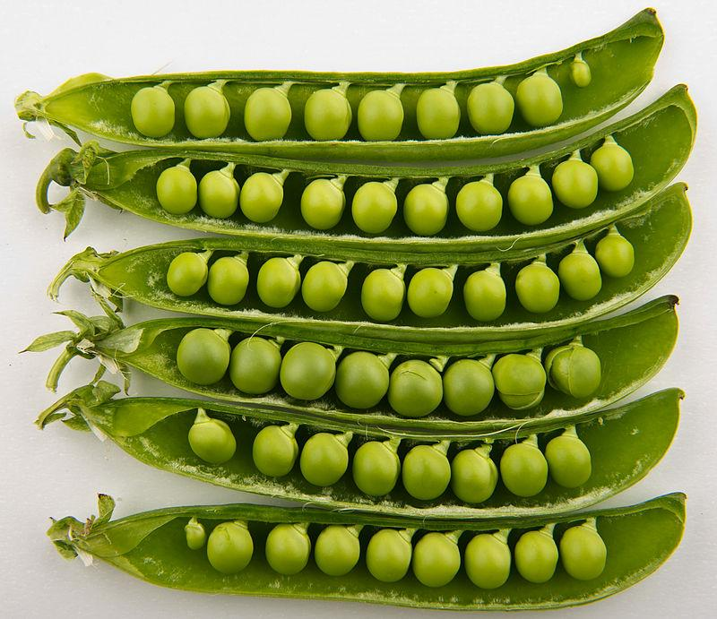
Pareto Effect
 | Pareto Example
 |  | Category | Amount | Cumulative | Cumulative %
 | Step 1: Sort amount by Largest to smallest | Hardware | $1,300.00 | 1300 | 23.09%
 | Step 2: Sum amounts (=sum(03:07) | Marketing | $1,250.00 | $2,550.00 | 45.29%
 | Step 3: Create a Cumulative column | Training Fees | $1,200.00 | $3,750.00 | 66.61%
 | Step 4: Type amount in cell O2 in P2. Then type =P2+P3, Enter, drag down | Other | $1,000.00 | $4,750.00 | 84.37%
 | Step 5: Create Cumulative % Column. Divide Cumulative by total (08, remember to use $0$8) | Office Supplies | $450.00 | $5,200.00 | 92.36%
 |  | Software | $430.00 | $5,630.00 | 100.00%
 |  |  | $5,630.00

Policy Analysis
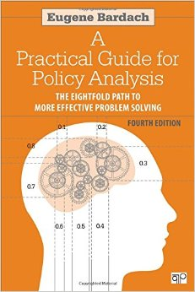
Policy Analysis

Identify the problem
 | Collect the evidence
 |  | Construct the alternatives
 |  |  | Select the criteria
 |  |  |  | Project the outcomes
 |  |  |  |  | Confront the tradeoffs
 |  |  |  |  |  | Decide
 |  |  |  |  |  |  | Tell Your Story

Power Analysis
Power Analysis
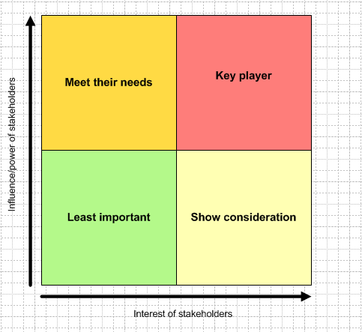
 | Someone's position on the grid shows you the actions you have to take with them:

 | High power, interested people: these are the people you must fully engage and make the greatest efforts to satisfy.
 | High power, less interested people: put enough work in with these people to keep them satisfied, but not so much that they become bored with your message.
 | Low power, interested people: keep these people adequately informed, and talk to them to ensure that no major issues are arising. These people can often be very helpful with the detail of your project.
 | Low power, less interested people: again, monitor these people, but do not bore them with excessive communication.

Pros and Cons

Pros and Cons

 | The Advantages, Pros, or Facts Are | The Disadvantages, Cons or Opinions Are

Randomize and Sort
Randomize and Sort

Name | Order
James | 0.7487755027
Thandi | 0.37719684321
Janet | 0.17621950607
Pravesh | 0.93669312359

Sam | 0.49150068588
 | 2 | Steps
 |  | Step 1: In the column next to name type =Rand(). Press enter.
 |  | Step 2: A random number will be generated. Use the corner of the cell th drag down. New numbers will populate the cells.
 |  | Step 3: Highlight the rage. Select Data, Sort Range, indicate that range has headings, select column F and click OK.
 |  | Step 4: Your list will now be randomly sorted.

Rubber Band Model
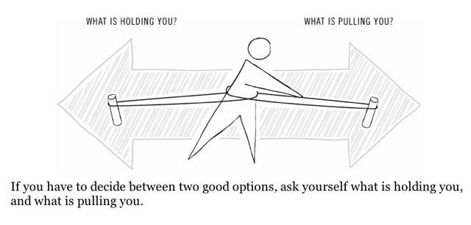
Rubber Band Model
 | What is holding me? | 2017-01-05 | What is pulling me? | 2017-01-05
 | Pay | 3 | Current job is boring | 1
 | Long Hours | 3 | Promotion Opportunitites | 4
 | Family | 5 | Better Health (Less stress) | 4
 | Location | 4 | Location | 3
 |  | 15 |  | 12
 | 1-Least Important
 | 5-Most important

 | Result |  | Should stay in current job until. Need to re-evaluate in medium term.

SWOT Analysis
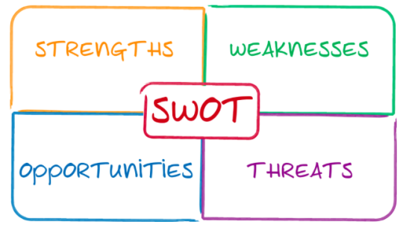
SWOT Analysis
 | Strengths | My Company | Competitor 1 | Competitor 2 | Competitor 3 | Reference
 | What are your business advantages? |  |  |  |  | http://www.excelquant.com/swot-analysis-template/
 | What are your core competencies?
 | Where are you making the most money?
 | What are you doing well?
 | Weaknesses
 | What areas are you avoiding?
 | Where do you lack resources?
 | What are you doing poorly?
 | Where are you losing money?
 | What needs improvement?
 | Opportunities
 | Any beneficial trends?
 | Niches that competitors are missing?
 | New technologies?
 | New needs of customers?
 | Threats
 | Obstacles to overcome?
 | Aggressive competitors?
 | Successful competitors?
 | Negative economic conditions?
 | Government regulation?
 | Changing business climate?
 | Vulnerabilities?

