Create To Release
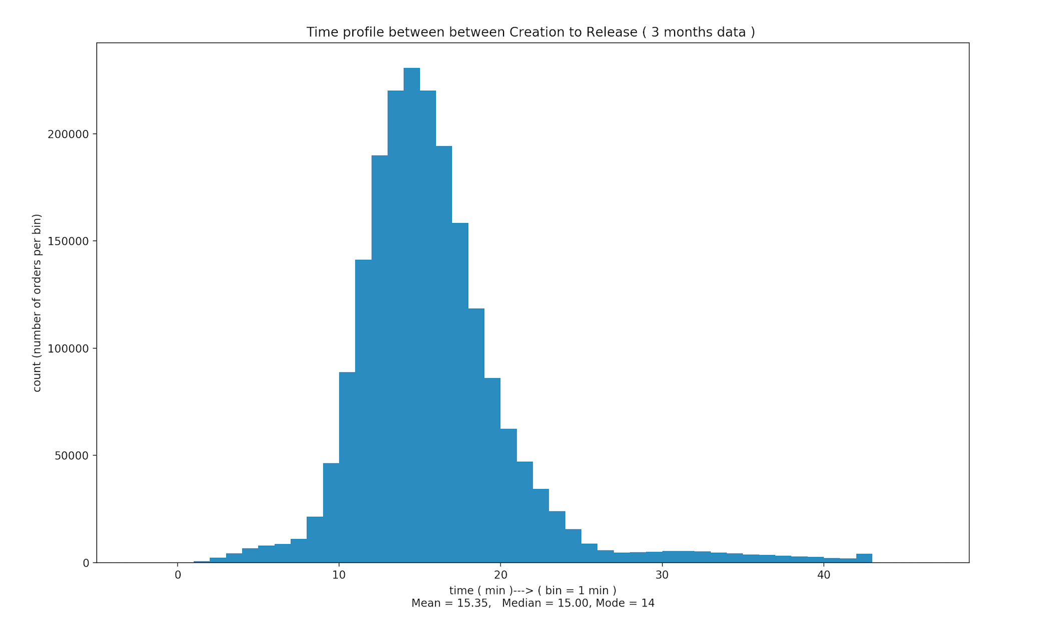
Sample size | 2023179
Mode | 14 min

percentile | # of orders | time | difference
 |  |  | # orders | time
100 | 2023179 | 44 | 20232 | 7
99 | 2002947 | 37 | 20232 | 4
98 | 1982715 | 33 | 20232 | 4
97 | 1962483 | 29 | 20231 | 3
96 | 1942252 | 26 | 20232 | 2
95 | 1922020 | 24 | 101159 | 2
90 | 1820861 | 22 | 101159 | 2
85 | 1719702 | 20

Release to Dispatch
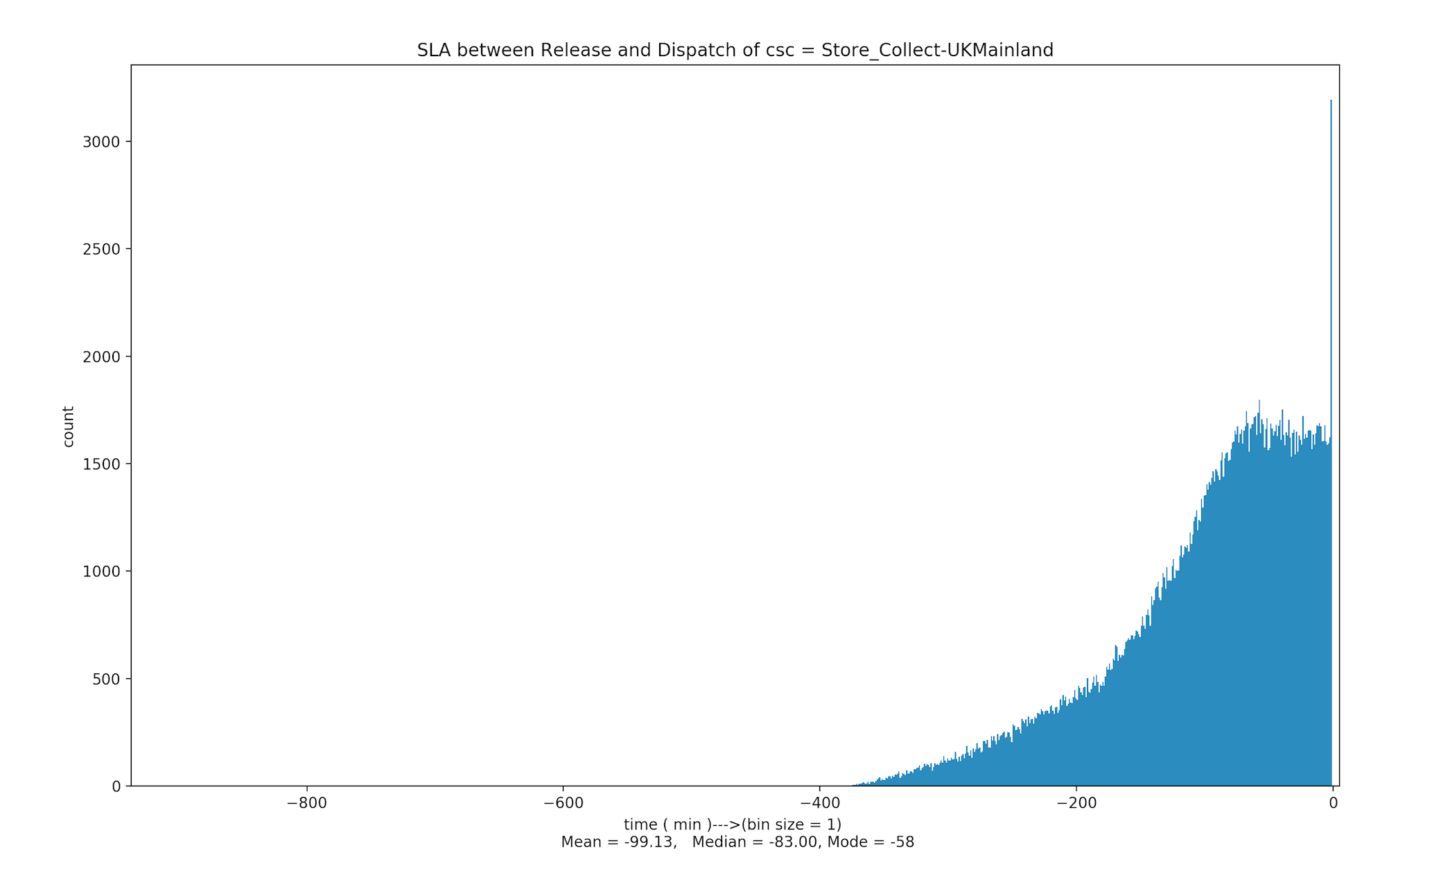
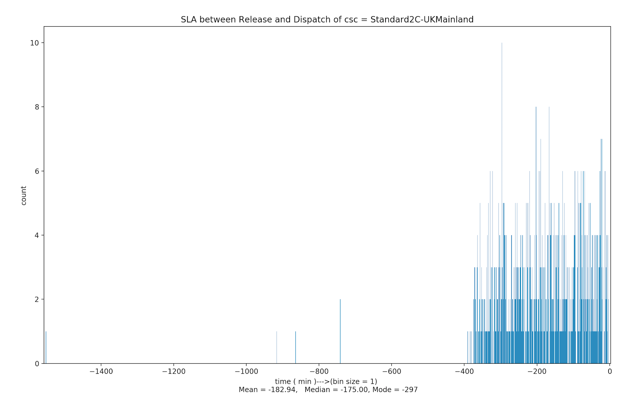
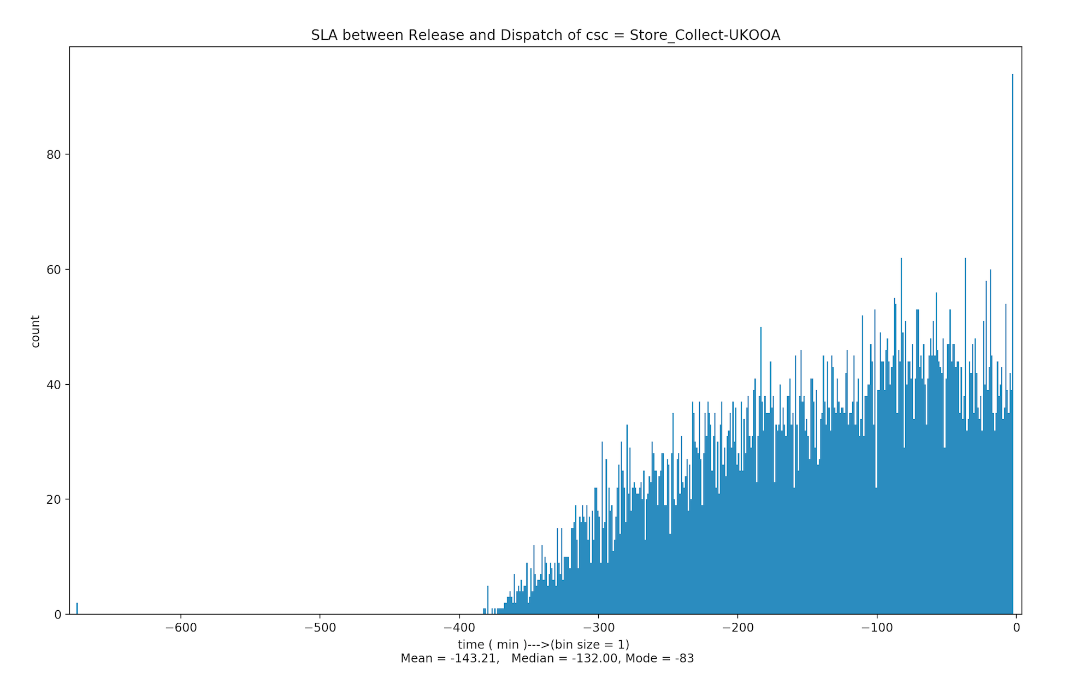
Sample size | 282329

CSC | # orders |  | percentile |  |  |  |  |  |  | 1. Percentile is in minutes
 | # order | % of orders | 99.00 | 98.00 | 97.00 | 96.00 | 95.00 | 90.00 | 85.00 | 2. Percentile indicates how early it is from the Stamped Shipment Date
Store_Collect-UKMainland | 269652 | 95.509848439 | 1.00 | 3.00 | 5.00 | 6.00 | 8.00 | 16.00 | 24.00
Store_Collect-UKOOA | 11051 | 3.9142277272 | 2.00 | 5.00 | 7.00 | 10.00 | 13.00 | 26.00 | 40.00
Standard2C-UKMainland | 823 | 0.29150388377 | 7.00 | 10.00 | 13.00 | 18.00 | 21.00 | 35.00 | 53.00
TESCO_Standard-UKMainland | 400 | 0.14167867984 | 2 | 3 | 4 | 4 | 5 | 9 | 14
 | 125 | 0.044274587449 | 28.00 | 28.00 | 28.00 | 29.00 | 31.00 | 34.00 | 37.00
Store_Collect-3day | 95 | 0.033648686462 | 9.00 | 9.00 | 12.00 | 20.00 | 20.00 | 41.00 | 47.00
TESCO_Standard-UKOOA | 81 | 0.028689932667 | 343.00 | 343.00 | 4.00 | 4.00 | 4.00 | 8.00 | 12.00
TESCO_Premium_Van-UKMainland | 76 | 0.026918949169 | 271.00 | 6.00 | 7.00 | 8.00 | 8.00 | 14.00 | 26.00
TESCO_BFPO-BFPO | 12 | 0.0042503603951 | 4.00 | 4.00 | 4.00 | 4.00 | 4.00 | 4.00 | 4.00
TESCO_Standard-UKBlocked | 3 | 0.0010625900988 | 39.00 | 39.00 | 39.00 | 39.00 | 39.00 | 39.00 | 39.00
Standard2C-UKOOA | 3 | 0.0010625900988 | 51.00 | 51.00 | 51.00 | 51.00 | 51.00 | 51.00 | 51.00
Store_Collect-UKBlocked | 3 | 0.0010625900988 | 93.00 | 93.00 | 93.00 | 93.00 | 93.00 | 93.00 | 93.00
Standard_Small-UKMainland | 3 | 0.0010625900988 | 184.00 | 184.00 | 184.00 | 184.00 | 184.00 | 184.00 | 184.00
TESCO_Express-UKBlocked | 1 | 0.0003541966996 | 1298.00 | 1298.00 | 1298.00 | 1298.00 | 1298.00 | 1298.00 | 1298.00
Standard_Small-UKOOA | 1 | 0.0003541966996 | 7871.00 | 7871.00 | 7871.00 | 7871.00 | 7871.00 | 7871.00 | 7871.00

