FloorParts
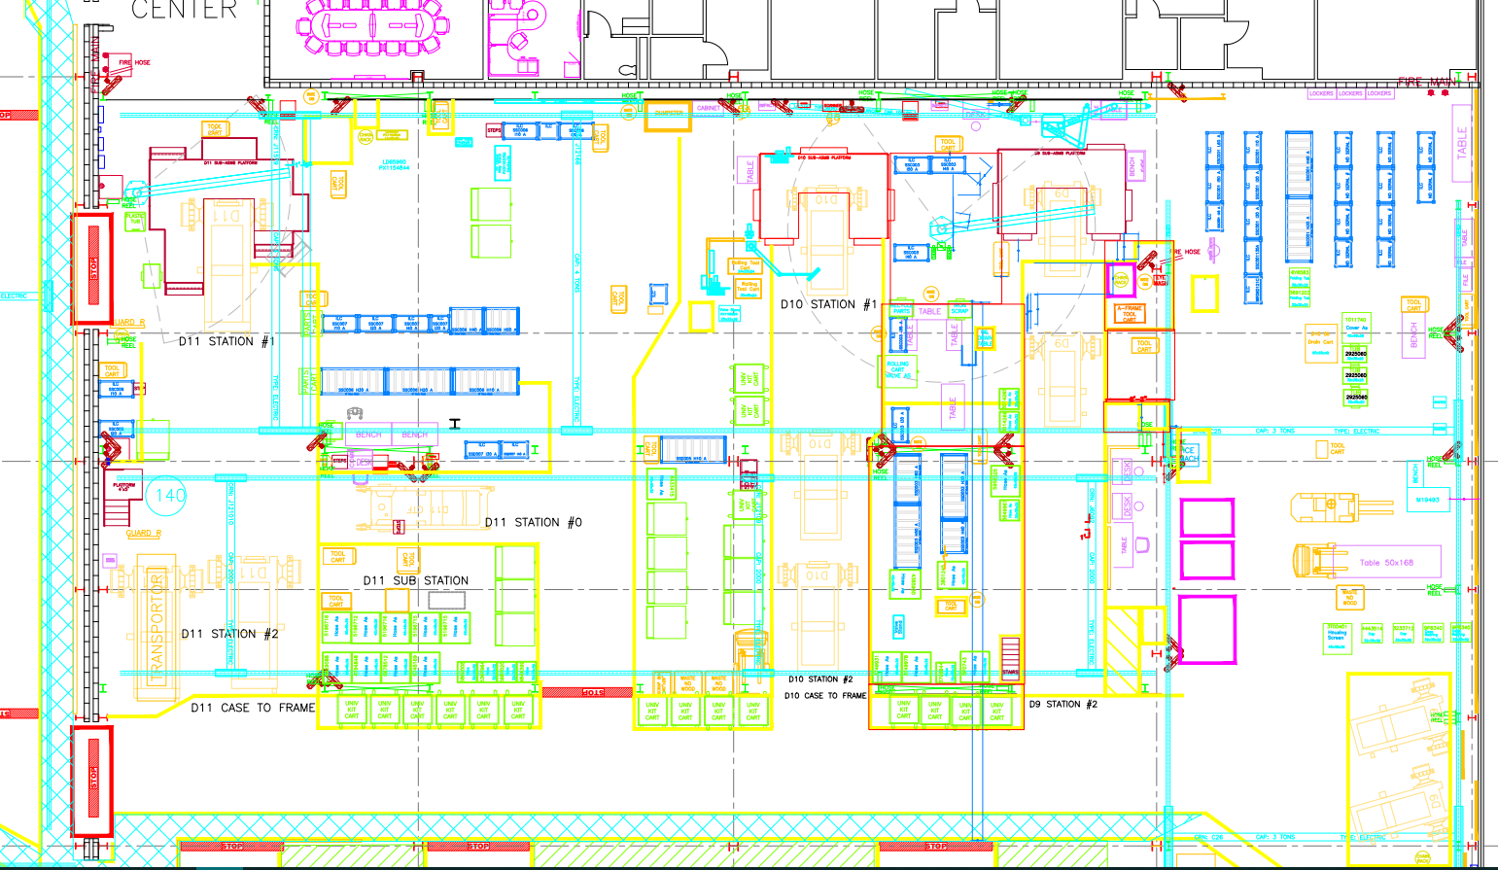

SSC005H10A
SSC001D10A
Highlighted area encompasses SSD007F10A.

SSC005F10A

Highlighted area encompasses SSC003F20A and SSC003F30A. Floor parts can be set anywhere inside this box

ILC parts
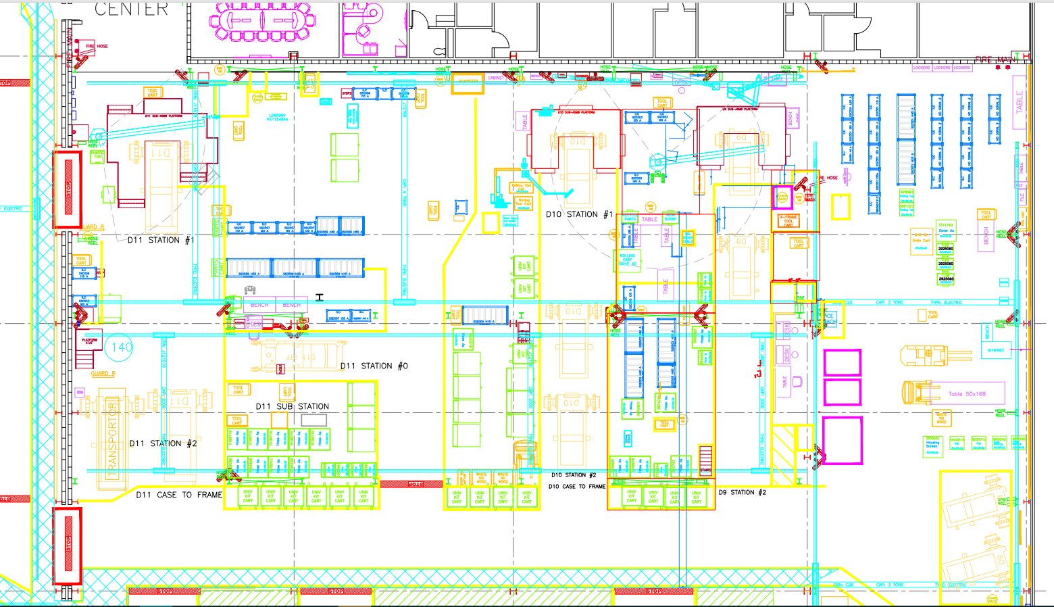
↙
SSC003I30A-SSC003I50A ILC Racks
SSC001I10A -SSC001I60A ILC Racks

SSC004I10A
SSC004I20A
SSC006I10A ILC Racks

SSC007I10A
SSC007I20A
SSC007I30A
SSC007I40AILC Racks

SSC006H10A
SSC006H20A
SSC006H30A
SSC006H40A
SSC006H50A
Hose Racks (D11)

SSC008I10A
SSC008I20A
ILC Racks
SSC005H10A Hose Rack (D10)
SSC001H30A - SSC001H40A Hose Racks (D9)

D9/D10 Hoses on Floor in Knock Downs

SSC007I30A
SSC007I40A
ILC Racks

SSD003H30A
SSD003H40A
SSD003H50A
SSD003H60A
Hose Racks (D10)

D9/D10 Hoses on Floor in Knock Down
D11 Hoses on Floor in Knock Down

Highrise Scale ~2-1
