Sheet1
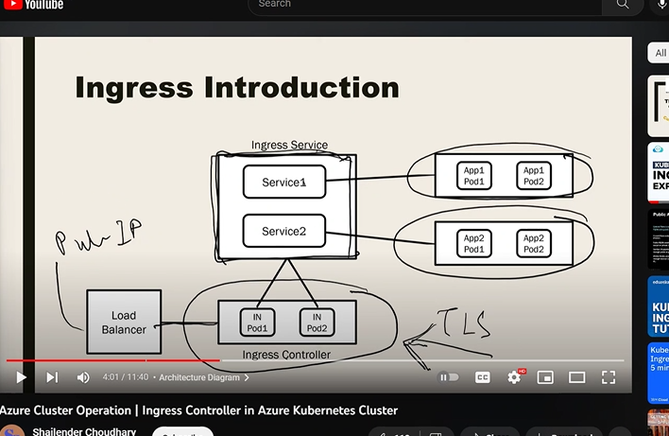

pod and service selector
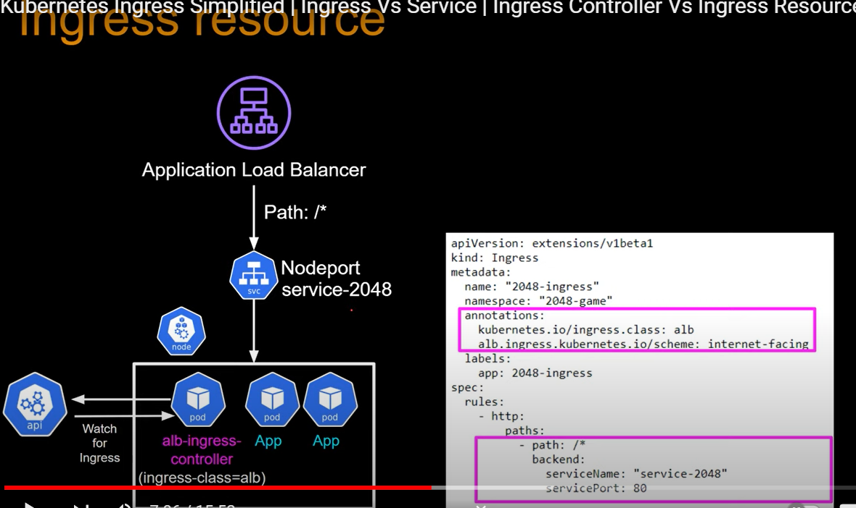
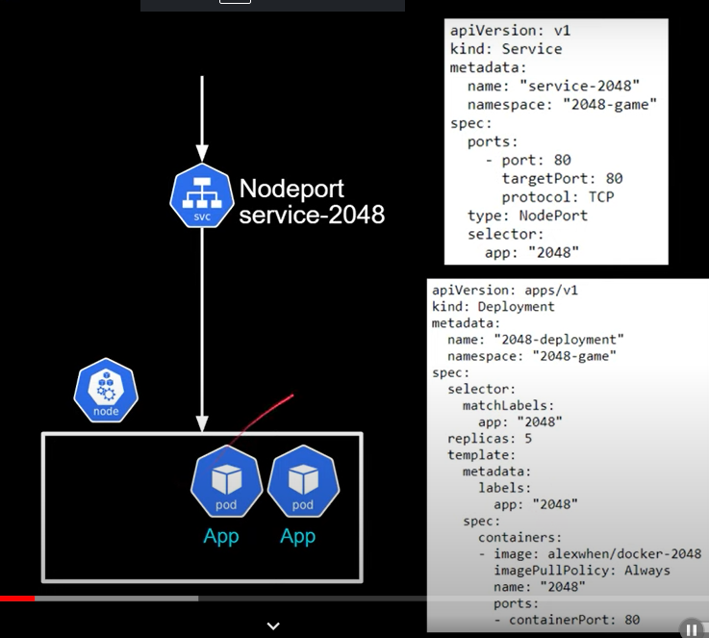

Note: In pod spec location- app:2048 shoul be match at service of nodeport -selector:app:2048

