NCAA T-Shirt
NCAA T-Shirt Vendor
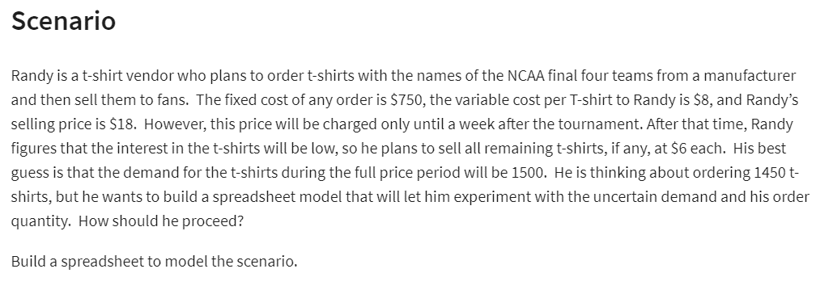
Given
Costs:
fixed cost: | $750
Variable: | $8 | Per shirt

Revenue:
Full Price (FP): | $18
Reduced Price (RP): | $6

No. of shirts ordered: | 1250
Demand | 1500
No. of shirts sold for FP | 1250 | =MIN(B13,B14)
No. of shirts sold for RP | 0 | =MAX(B13-B14,0)

Total Cost: | $10,750 | =B5+B13*B6
Total Revenue: | $22,500 | =B15*B9+B16*B10
Total Profit: | $11,750 | =B19-B18

Woodworks
Woodworks Bookshelf Co.
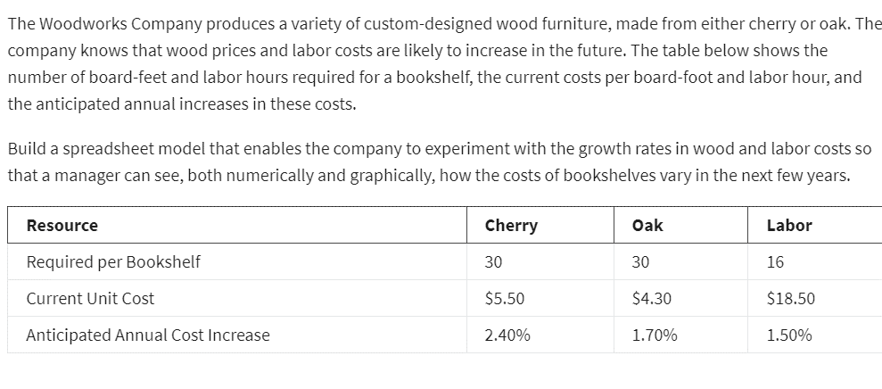
Costs: | Cherry | Oak
unit cost: | $5.50 | $4.30
Board feet: | 30 | 30
Material cost: | $165.00 | $129.00

Woodworks Bookshelf Co. Cost Projections
Labour required | 16 | 16
Labour cost/hr | $18.50 | $18.50
Labour cost : | $296.00 | $296.00

Total Cost: | $461.00 | $425.00

Cost increase/year | 2.40% | 1.70% | 1.50%

Year | Cherry | Oak | Labour | Total Cherry | Total Oak
0 | $165.00 | $129.00 | $296.00 | $461.00 | $425.00
1 | $168.96 | $131.19 | $300.44 | $469.40 | $431.63
2 | $173.02 | $133.42 | $304.95 | $477.96 | $438.37
3 | $177.17 | $135.69 | $309.52 | $486.69 | $445.21
4 | $181.42 | $138.00 | $314.16 | $495.58 | $452.16
5 | $185.77 | $140.34 | $318.88 | $504.65 | $459.22

