Sheet1
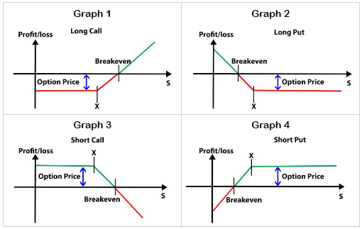
Black Scholes Options Pricing Model
Background on Options & Models:
An options contract is a financial derivavtive intrument that gives the purchaser of that contract the right (not obligation) to buy or sell (depending on if the contract is a call or put option the underlying asset defined in the contract at the specfied strike price. at a specified future date. Call options refer to the right to buy the underlying asset and put options refer to the right to sell the underlying asset. Going "long" an option refers to buying an options contract and "shorting" an option refers to selling an options contract.
The Black Scholes options pricing model is a mathematical formula used to estimate the fair value of European-style options. It was developed by economists Fischer Black and Myron Scholes in collaboration with mathematician Robert Merton in the early 1970s. Some key assumptions outlined include:
◘ No dividends are paid out during the life of the option.
◘ Markets are modeled by random walks
◘ There are no transaction costs in buying the option.
◘ The risk-free rate and volatility of the underlying asset are known and constant.
◘ The returns of the underlying asset are normally distributed.
The Black Scholes formula produces a fair value for an options contract in a market with no arbitrage opportunities. If market values are above or below the fair value, an options trader can quickly profit from the difference. The market eventually becomes efficient due to the competitive forces, giving rise to real time price discovery.
Options Risk Parameters:
1. Delta - Measures the rate of change of the option price in relation to changes in the underlying asset's price.
2. Gamma - Measures the rate of change of an option's delta in response to changes in the underlying asset's price.
3. Theta - Represents the rate of decline in the value of an option with the passage of time.
4. Vega - Measures the sensitivity of an option's price to changes in implied volatility.
5. Rho - Measures the sensitivity of an option's price to changes in interest rates.
Common Phrases:
"In the Money" - An option is considered "in the money" when exercising it would result in a profit.
"At the Money" - An option is considered "at the money" when the spot price is equal to the strike price.
"Out of the Money" - An option is considered "out of the money" when exercising it would result in a loss.
Key Indicators:
Spot Price - The current market price of an underlying asset.
Option Premium - The price paid by the buyer of an option to the seller.
Strike Price - The price at which the contract holder has the right to buy/sell the underlying asset
Spreads:
Spreads is a type of options trading strategy where one option is bought and another is sold simulatenously to bet on certain price trends and capture profit through a partially or fully hedged approach.
* Difference in expiration dates and strike prices determine the classification
Call Spreads - long & short call option contracts
Put Spreads - long & short put option contracts
Horizontal (Calendar/Time) Spread - long & short an options contract with the same strike price but with different expirations dates
Vertical (Price) Spread - long & short an options contract with the same expiration dates but with different strike prices
Diagonal (Both) Spread - long & short an options contract with different expiration dates and different stirike prices
Categories | Values
Underlying Asset Price(S) | 30.00
Strike Price(K) | 35.00
Time to Expiration(T) | 0.75
Volatility(σ) | 0.15
Critical Value Formulas:
$$d_{1}=\frac{\ln\left(\frac{S_{0}}{K}\right)+\left(r+\frac{σ^{2}}{2}\right)T}{σ√T}$$
$$d_{2}=d_{1}−σ\sqrt{T}$$
Risk-Free Rate(r) | 0.05
*Time to Expiration ranegs from 0 (present) to 1 (1 year)

Critical Values | Values
d1 | -0.83302544671
d2 | -0.96292925728

Options Contract | Fair Value
Call Option Price | 0.41590096767
Put Option Price | 4.1277055879
Call/Put Option Pricing Formulas:
$$c=S_{0}N\left(d_{1}\right)−Ke^{−rT}N\left(d_{2}\right)$$
$$p=Ke^{−rT}N\left(−d_{2}\right)−S_{0}N\left(−d_{1}\right)$$

