Sheet1
Date | Stage | Page | Change request | Status | Comments
2014-08-05 | Dev | Header | Change the login icon to "power button" | Pending
2014-08-05 | Dev | Home page | Ad name (Ex: Greendale) and Ad category (Ex: home stay) should be displayed in two lines one below the other and not in single line, Because both of these are different attributes. Please see the screen shot. Also show a sample "discount tag" in this section | Pending |  | 
2014-08-05 | Dev | Home page | Booking fields not available | Pending
2014-08-05 | Dev | Home page | We should show four listing in this section | Pending |  | 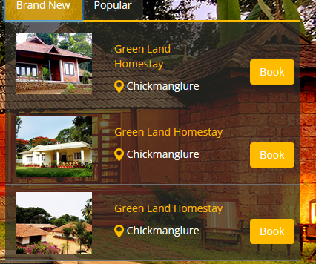
2014-08-05 | Dev | Home page | Featured stay option section should have 3 rows | Pending
2014-08-05 | Dev | Home page | Section between "Featured stay options" & "map" should consists of logo and a paragraph containing "about us" details and a "know more" button to go to "about us" page | Pending
2014-08-05 | Dev | Home page | This effect is missing in the thumbs, when hovered it should show these two buttons and apply a grey transparent layer on hover | Pending |  | 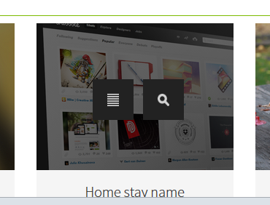
2014-08-05 | Dev | Home page | Disable the auto scrolling of banner & category section. Scrolling of banner should take place when user switches between "book - category" & between "Brand new - popular" | Pending

