Part_Model
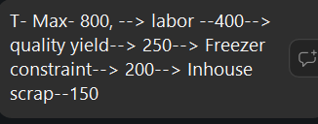
Part / Supplier Information |  |  |  |  |  |  |  | Operations |  |  |  |  |  |  |  | Quality |  |  |  |  |  |  |  |  |  |  |  |  |  |  |  |  |  |  | Relationship |  |  |  |  |  |  |  | Financial |  |  |  |  | Other:
 |  |  |  |  |  |  |  | Capacity |  |  |  |  |  |  |  | Certifications |  |  |  | Part Quality |  |  |  |  | Compliance |  |  |  |  |  |  |  |  |  |  |  |  |  |  |  |  |  |  |  |  |  |  | Geopolitical |  |  |  | Distuption Risk |  |  |  | Cybersecurity
Original_Part_Number | Supplier_part_# | Part_Description | Supplier_Name | Supplier_ATM# | Intuitive# | Material_Category | Supplier_Status | T-max | Intuitive_Demand | Non_Intuitive_Demand | C_Utilization | Headroom | Procurement Lead time | Production Lead time | Operational Notes | ISO_9001 | ISO 9001 expiration | ISO_13485 | ISO 13485 expiration | Cpk_Index | Metrology_Tier | PPM_Actual_Defects | Quality_Trend | EOL_Risk | Inventory_Agreement | NDA | Rent_Agreement | SQA_Agreement | REACH_Compliant | Last_Audit_Date | Surveillance_Status | Audit_Report_668522 (506) | Open_CAPAs | Quality_Notes | Relationship_Strength | Responsiveness | Source_Dependency | Backup_Qualified | Replacement Time | Business_Years | Volume_Significance | Relationship_Notes | Annual_Spend | Business_Continuity | Part_Price | Price_Sensitivity | Financial_Notes | Country | Region | Geographical_Risk | Geopolitical_Risk | Disruption_Risk | Cold_Chain Capable | TTR_weeks | TTS_weeks | Data_access_level | Scoring after approved by Arsh
666438 |  | LIQ,SB AQUEOUS MIXTURE | SNP, inc | 52 |  | Non-Tissue: Significant
 |  | LIQ,SB AQUEOUS MIXTURE | Brentagg |  |  |  | New
666800-01 |  | PLATE,THERMOFORMED,KYDEX,UNIVERSAL | Advanced Plastiform | 45 |  | Non-Tissue: Significant |  |  | 8000 |  |  |  | 8 weeks
 |  | PLATE,THERMOFORMED,KYDEX,UNIVERSAL | Midland Plastics |  |  |  | New
 |  |  | Fictiv
 |  |  | Procision
 |  | Touchstone 3d (very small) |  | 6
 |  | Xometry

Martins
Martins Capacity Data
 |  | *Figure out yields by parts, each part will have their own SPEC yield
 |  | Sh Yield 2
 |  | 0.9 | *Each part/tissue should have its own yield
 | Porks/Week | SH Yield | Harvesting Yield | Freeze Thaw Yield
T-max | 2500 | 0.28 | 1 | 0.85
Actual capacity (max recorded) | 700
Intuitive Load |  | (Sum all pork equivalent parts from below)
Other Demand | 1500
Labor utilization
Freezer Utilization

 | Constraint | Labor | Freezer Space | Trips | Pigs | Space

 |  |  |  |  | Quarter |  | Quarter | Weekly
 |  | Labor (Mins) | Freezer Volume | Quality Yield Freeze/Thaw | Q BP Tissues | Allocation | Weeks | Tissues | Pigs | Pigs Consumed | Labor Consumed | Cube/Week consumed | Spec yield | Harvesting Yield | Code | Weekly | WkPigs | WkLabor | WkCube | Ordered and sorted by Weekly
666501 | TISS,PORCINE,AORTA SEGMENTS | 1 | 0.05 | 0.95 | 3131 | 83.00% | 12 | 217 | 1 | 217 | 3.81 | 10.85 | 0.99 | 0.95 | 666501 | 217 | 217 | 3.81 | 10.85 | 666501 | 217 | 217 | 3.8070175439 | 10.85 | 10 seconds per bad part
666502 | TISS,PORCINE,BARIATRIC BLOCK | 3.5 | 1.5 | 0.9 | 1980 | 76.00% | 12 | 125 | 1 | 125 | 7.68 | 187.50 | 0.8 | 0.95 | 666502 | 125 | 125 | 7.68 | 187.50 | 666541 | 164 | 164 | 32.8 | 164
666505 | TISS,PORCINE,LIVER | 1 | 0.2 | 0.95 | 303 | 0.00% | 12 | 0 | 0.5 | 0 | 0.00 | 0.00 | 0.9 | 0.95 | 666505 | 0 | 0 | 0.00 | 0.00 | 666502 | 125 | 125 | 7.6754385965 | 187.5
666506 | TISS,PORCINE,PELVIC BLOCK | 3 | 1 | 0.85 | 626 | 100.00% | 12 | 52 | 1 | 52 | 10.40 | 52.00 | 0.45 | 0.25 | 666506 | 52 | 52 | 10.40 | 52.00 | 666522 | 86 | 43 | 0.8431372549 | 8.6
666507 | TISS,PORCINE,FULL THOR AND BARI BLOCK | 5 | 1.8 | 0.9 | 99 | 0.00% | 12 | 0 | 1 | 0 | 0.00 | 0.00 | 0.8 | 0.95 | 666507 | 0 | 0 | 0.00 | 0.00 | 666506 | 52 | 52 | 10.4 | 52
666509 | TISS,PORCINE,JEJUNUM,6FT | 4 | 0.5 | 0.85 | 402 | 0.00% | 12 | 0 | 0.5 | 0 | 0.00 | 0.00 | 0.95 | 0.95 | 666509 | 0 | 0 | 0.00 | 0.00 | 666505 | 0 | 0 | 0 | 0
666510 | TISS,PORCINE,JEJUNUM (3FT) | 4 | 0.3 | 0.85 | 88 | 0.00% | 12 | 0 | 0.5 | 0 | 0.00 | 0.00 | 0.95 | 0.95 | 666510 | 0 | 0 | 0.00 | 0.00 | 666507 | 0 | 0 | 0 | 0
666511 | TISS,PORCINE,KIDNEY BLOCK | 1 | 0.5 | 0.8 | 45 | 0.00% | 12 | 0 | 0.5 | 0 | 0.00 | 0.00 | 0.9 | 0.95 | 666511 | 0 | 0 | 0.00 | 0.00 | 666509 | 0 | 0 | 0 | 0
666513 | TISS,PORCINE,LIVER WITH GALLBLADDER | 1 | 0.5 | 0.85 | 182 | 0.00% | 12 | 0 | 1 | 0 | 0.00 | 0.00 | 0.9 | 0.95 | 666513 | 0 | 0 | 0.00 | 0.00 | 666510 | 0 | 0 | 0 | 0
666516 | TISS,PORCINE,OMENTUM | 1 | 0.1 | 0.8 | 303 | 0.00% | 12 | 0 | 1 | 0 | 0.00 | 0.00 | 0.9 | 0.95 | 666516 | 0 | 0 | 0.00 | 0.00 | 666511 | 0 | 0 | 0 | 0
666517 | TISS,PORCINE,PANCREAS | 1 | 0.2 | 0.8 | 303 | 0.00% | 12 | 0 | 1 | 0 | 0.00 | 0.00 | 0.9 | 0.95 | 666517 | 0 | 0 | 0.00 | 0.00 | 666513 | 0 | 0 | 0 | 0
666518 | TISS,PORCINE,FEM,PELVIC BLOCK,INTACT,SM | 3 | 1 | 0.85 | 0 | 100.00% | 12 | 0 | 1 | 0 | 0.00 | 0.00 | 0.45 | 0.25 | 666518 | 0 | 0 | 0.00 | 0.00 | 666516 | 0 | 0 | 0 | 0
666519 | TISS,PORCINE,SPLEEN | 1 | 0.5 | 0.95 | 303 | 0.00% | 12 | 0 | 1 | 0 | 0.00 | 0.00 | 0.99 | 0.95 | 666519 | 0 | 0 | 0.00 | 0.00 | 666517 | 0 | 0 | 0 | 0
666521 | TISS,PORCINE,THORACIC BLOCK | 4.5 | 1.8 | 0.9 | 280 | 0.00% | 12 | 0 | 1 | 0 | 0.00 | 0.00 | 0.8 | 0.95 | 666521 | 0 | 0 | 0.00 | 0.00 | 666518 | 0 | 0 | 0 | 0
666522 | TISS,PORCINE,URETER | 0.5 | 0.1 | 0.8 | 2138 | 48.00% | 12 | 86 | 0.5 | 43 | 0.84 | 8.60 | 0.99 | 0.85 | 666522 | 86 | 43 | 0.84 | 8.60 | 666519 | 0 | 0 | 0 | 0
666523 | TISS,PORCINE,VENA CAVA | 1 | 0.05 | 0.95 | 215 | 0.00% | 12 | 0 | 1 | 0 | 0.00 | 0.00 | 0.99 | 0.95 | 666523 | 0 | 0 | 0.00 | 0.00 | 666521 | 0 | 0 | 0 | 0
666530 | TISS,PORCINE,STOMACH | 2 | 0.5 | 0.9 | 0 | 0.00% | 12 | 0 | 1 | 0 | 0.00 | 0.00 | 0.9 | 0.95 | 666530 | 0 | 0 | 0.00 | 0.00 | 666523 | 0 | 0 | 0 | 0
666531 | TISS,PORCINE,DIAPHRAGM | 1 | 0.2 | 0.85 | 42 | 0.00% | 12 | 0 | 1 | 0 | 0.00 | 0.00 | 0.95 | 0.95 | 666531 | 0 | 0 | 0.00 | 0.00 | 666530 | 0 | 0 | 0 | 0
666540 | MALE PELVIC BLOCK | 3 | 1 | 0.85 | 0 | 100.00% | 12 | 0 | 1 | 0 | 0.00 | 0.00 | 0.05 | 0.05 | 666540 | 0 | 0 | 0.00 | 0.00 | 666531 | 0 | 0 | 0 | 0
666541 | FEMALE PELVIC BLOCK | 3 | 1 | 0.85 | 2143 | 92.00% | 12 | 164 | 1 | 164 | 32.80 | 164.00 | 0.45 | 0.25 | 666541 | 164 | 164 | 32.80 | 164.00 | 666540 | 0 | 0 | 0 | 0
666536 | TISS,PORCINE,THORACIC BLOCK, LARGE | 5 | 2 | 0.9 | 28 | 0.00% | 12 | 0 | 1 | 0 | 0.00 | 0.00 | 0.05 | 0.95 | 666536 | 0 | 0 | 0.00 | 0.00 | 666536 | 0 | 0 | 0 | 0
666520 | TISS, LOIN | 2 | 1 | 0.95 | 5 | 0.00% | 12 | 0 | 1 | 0 | 0.00 | 0.00 | 0.95 | 0.95 | 666520 | 0 | 0 | 0.00 | 0.00 | 666520 | 0 | 0 | 0 | 0
666545 | TISS, Rectum | 3 | 0.1 | 0.95 | 158.5 | 0.00% | 12 | 0 | 1 | 0 | 0.00 | 0.00 | 0.95 | 0.95 | 666545 | 0 | 0 | 0.00 | 0.00 | 666545 | 0 | 0 | 0 | 0

 |  |  |  |  |  |  |  |  |  | 601 | 55.525593395 | 422.95
 |  |  |  |  |  |  |  |  | Fixed Labor:
 |  |  |  |  |  |  |  |  | Pigs/week | 700
 |  |  |  |  |  |  |  |  | Labor cap |  | 42.525
 |  |  |  |  |  |  |  | Manning | Freezers |  |  | 240
 |  |  |  |  |  |  |  |  | Trips |  |  | 2
 |  |  |  |  |  |  |  |  | Freezer cube t |  |  | 480
 |  |  |  |  |  |  | Non productive |  | Total: | 85.86% | 0.00% | 88.11%
 |  |  |  |  |  |  |  |  |  |  | Uptime
 |  |  |  |  |  |  |  |  | Labor Availability | Daily Available Hours | Productivity | Quality Yield % | Headcount
 |  |  |  |  |  |  |  |  |  |  |  | Already yielded by type

 |  |  |  |  |  |  |  |  | 10.8 | 10 | 75% | 100% | 1.6
 |  |  |  |  |  |  |  |  | 9.6 | 9 | 75% | 100% | 1.6
 |  |  |  |  |  |  | Minus 1: Travel, start time |  | 7.2 | 5.5 | 100% | 100% | 1.6
 |  |  |  |  |  |  |  |  |  | Because of labor Gap at Martins
 |  |  |  |  |  |  | M | T | W | Th | F
 |  |  |  |  |  | Nahunta | 1 |  | 1 | 1 | 1 | 1
 |  |  |  |  |  | Custom | 1 | 1 |  | 1 |  | 1
 |  |  |  |  |  | Martin | 1 | 2 | 2 | 1 | 2 | 1.6
 |  |  |  |  |  | Total | 3 | 3 | 3 | 3 | 3 | 3

 |  |  |  |  |  |  |  | Total: | 80
 |  |  |  |  |  |  | Pelvics | Per shelf | 20
 |  |  |  |  |  |  |  | Shelf | 4
 |  |  |  |  |  |  | Days: | #Coolers | Cap | Total
 |  |  |  |  |  | Nahunta | 4 | 3 | 0 | 0
 |  |  |  |  |  | Martin | 5 | 3 | 0 | 0
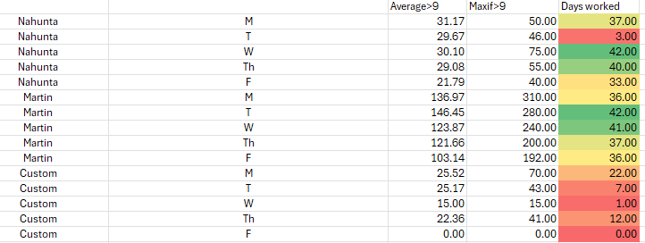
 |  |  |  |  |  | Custom | 2 | 1 | 0 | 0

Rule
 |  |  |  |  | IF(VLOOKUP(C10,'[Tissue Forecasting Tool.xlsx]tissue'!$B$6:$V$44,7,FALSE)>0,VLOOKUP(C10,'[Tissue Forecasting Tool.xlsx]tissue'!$B$6:$V$44,7,FALSE),"")

 |  | 666035 |  | 666037-01 | 666038 | 666045 | 666052 | 666041 | 666040 | 666044 | 666054 |  | 666053 | 666081 | 666049 | 666050 | 666051 | 666043-01 | 666042 | 666069 | 666068 | 666079 | 666082
 |  | Bariatric Foregut Complex Model | Bariartric Standard Model | Colorectal Model | Esophagectomy Model | Gallbladder Model | GYN Standard Model | INGUINAL HERNIA LEFT | INGUINAL HERNIA RIGHT | Kidney Model | Nephrectomy Model | Pelvic Model | Prostate Model | CARDIAC - SUPINE CHEST | Small Bowel Model | Thoracic Standard Model | Thoracic Thymectomy Model | Ventral Hernia Complex Model | Ventral Hernia Standard Model | Dv Tech | Cardiac - MVr | Cardiac - CABG | Cardiac - Mammary Artery
 |  | BFX | BFS | COL | ESO | GBT | GYN | IHL | IHR | KBT | NEP | PBT | PRO | SKL | SMB | THS | THT | VHX | VHS | DvTECH | MVr | CABG | Mamm
666501 | TISS,PORCINE,AORTA SEGMENTS |  |  | 3 |  |  | 2 |  |  |  |  | 1 |  |  |  |  |  |  |  | 1
666502 | TISS,PORCINE,BARIATRIC BLOCK |  |  |  |  |  |  |  |  |  |  | 1 |  |  |  |  |  |  |  | 1
666505 | TISS,PORCINE,LIVER |  |  | 1
666506 | TISS,PORCINE,PELVIC BLOCK |  |  | 2 |  |  |  |  |  |  | 2 | 1
666507 | TISS,PORCINE,FULL THOR AND BARI BLOCK | 1
666509 | TISS,PORCINE,JEJUNUM,W/LYMPH NODES (6FT) | 1 |  | 1
666510 | TISS,PORCINE,JEJUNUM (3FT) |  |  |  |  |  |  |  |  |  |  |  |  |  | 1
666511 | TISS,PORCINE,KIDNEY BLOCK |  |  |  |  |  |  |  |  | 1 | 1
666513 | TISS,PORCINE,LIVER WITH GALLBLADDER |  |  |  |  | 1
666516 | TISS,PORCINE,OMENTUM |  |  | 1
666517 | TISSUE, PORCINE, PANCREAS |  |  | 1
666518 | TISS,PORCINE,FEM,PELVIC BLOCK,INTACT,SM |  |  |  |  |  | 0
666519 | TISSUE, PORCINE, SPLEEN |  |  | 1
666521 | TISS,PORCINE,THORACIC BLOCK |  |  |  | 1 |  |  |  |  |  |  |  |  |  |  | 1 | 1
666522 | TISS,PORCINE,URETER |  |  | 5 | 1 |  | 4 |  |  |  |  |  | 3
666523 | TISSUE, PORCINE, VENA CAVA |  |  |  |  |  |  | 1
666530 | TISS,PORCINE,STOMACH
666531 | TISS,PORCINE,DIAPHRAGM |  |  |  |  |  |  |  |  |  |  |  | 1
666540 | Male Pelvic |  |  |  |  |  |  |  |  |  |  |  |  |  |  |  |  |  |  | 0
666541 | Female Pelvic |  |  |  |  |  | 1 |  |  |  |  |  | 1 |  |  |  |  |  |  | 1
666504 | TISS,PORCINE,BELLY,LARGE | 1 |  |  | 1 |  | 1 | 0.5 |  | 0.5 | 1 | 0.25 | 1 |  |  |  |  | 0.5 | 1
666512 | TISS,PORCINE,LEAF FAT | 1.5 |  | 3 | 1 |  | 4 | 1 |  |  | 1 | 1.5 | 2 |  |  |  |  | 2 | 1 | 1
666534 | TISS,PORCINE,BELLY,LARGE
666536 | TISS,PORCINE,THORACIC BLOCK, LARGE |  |  |  |  |  |  |  |  |  |  |  |  |  |  |  |  |  |  |  | 1
666520 | TISS, LOIN |  |  |  |  |  |  |  |  |  | 0.5
666545 | TISS, Rectum |  |  |  |  |  | 1 |  |  |  |  |  |  |  |  |  |  | 0.5

666357 | S/A,TISS,BELLY,LARGE,PLANED |  |  | 1 |  |  | 1 |  |  |  |  | 1 | 1 |  |  |  |  |  |  | 1
666356 | S/A,TISS,BELLY,PLANED,3/4IN | 0.2 |  | 2 | 0.5 |  | 2 |  |  | 0.5 |  | 2 | 2
666371 | S/A,TISS,BELLY,LARGE,MUSCLE SHELF |  |  | 1 |  |  |  |  |  |  |  | 1
666360 | S/A,TISS,LEAF FAT MEMBRANE |  |  |  |  |  |  |  |  |  |  |  |  |  |  |  |  | 1
666363 | S/A,TISS,LEAF FAT MEMBRANE,DYED | 2 |  |  |  |  | 3 |  |  |  |  | 2 | 1.5 |  |  |  |  | 1 | 1
666372 | S/A,TISS,BELLY,PLANED,SKINLESS,1/2IN |  |  |  |  |  |  |  |  |  |  |  | 1 |  |  |  |  |  | 0.5
666362 | S/A,TISS,LEAF FAT FAT,DYED | 1 |  | 2 | 1 |  |  |  |  |  |  |  | 1
666361 | S/A,TISS,SKIN |  |  |  |  |  |  |  |  |  |  |  | 1 |  |  |  |  | 1
666433 | S/A. TISS, LEAF FAT, INTACT, DYED |  |  |  |  |  |  |  |  |  |  |  |  |  |  |  |  |  |  | 0.75
666435 | S/A. TISS, LEAF FAT, NON-INTACT, DYED |  |  |  |  |  |  |  |  |  |  |  |  |  |  |  |  |  |  | 0.75

 |  | BFX Bariatric Foregut Complex |  |  | BFX | Bariatric Foregut Complex | Bariatric Foregut Complex Model
 |  | COL Colorectal |  |  | COL | Colorectal | Colorectal Model
 |  | ESO Esophagectomy |  |  | ESO | Esophagectomy | Esophagectomy Model
 |  | GBT Gallbladder |  |  | GBT | Gallbladder | Gallbladder Model
 |  | GYN GYN |  |  | GYN | GYN | GYN Standard Model
 |  | IHL Inguinal Hernia Left |  |  | IHL | Inguinal Hernia Left | INGUINAL HERNIA LEFT
 |  | IHR Inguinal Hernia Right |  |  | IHR | Inguinal Hernia Right | INGUINAL HERNIA RIGHT
 |  | KBT Kidney Model |  |  | KBT | Kidney Model | Kidney Model
 |  | NEP Nephrectomy |  |  | NEP | Nephrectomy | Nephrectomy Model
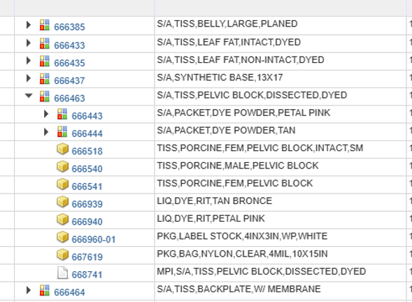
 |  | PBT Pelvic Basic Training/DvTech |  |  | PBT | Pelvic Basic Training/DvTech | Pelvic Model
 |  | PRO Prostate |  |  | PRO | Prostate | Prostate Model
 |  | SMB Small Bowel |  |  | SMB | Small Bowel | Small Bowel Model
 |  | THS Thoracic Standard |  |  | THS | Thoracic Standard | Thoracic Standard Model
 |  | THT Thoracic Thymectomy |  |  | THT | Thoracic Thymectomy | Thoracic Thymectomy Model
 |  | VHX Ventral Hernia Complex |  |  | VHX | Ventral Hernia Complex | Ventral Hernia Complex Model
 |  | VHS Ventral Hernia Standard |  |  | VHS | Ventral Hernia Standard | Ventral Hernia Standard Model
 |  |  |  |  | BFS | Bariartric Standard Model | Bariartric Standard Model
 |  |  |  |  | ION | ION | ION

 |  | Bariatric Foregut Complex Model
 |  | Bariatric Standard Model
 |  | Colorectal Model
 |  | Esophagectomy Model
 |  | Gallbladder Model
 |  | GYN Standard Model
 |  | INGUINAL HERNIA LEFT
 |  | INGUINAL HERNIA RIGHT
 |  | ION
 |  | Kidney Model
 |  | Nephrectomy Model
 |  | Pelvic Model
 |  | Prostate Model
 |  | Small Bowel Model
 |  | Thoracic Standard Model
 |  | Thoracic Thymectomy Model
 |  | Ventral Hernia Complex Model
 |  | Ventral Hernia Standard Model

ModelsDemand_ToTissue
 |  |  |  |  |  | Global
 | Model |  | Q2'25 BP | Q3'25 BP | Q4'25 BP | Q1'26 BP | Q2'26 BP | Q3'26 BP | Q4'26 BP | Q1'27 BP | Q2'27 BP | Q3'27 BP | Q4'27 BP | Q_Test
666035 | Bariatric Foregut Complex Model |  | 130 | 180 | 185 | 230 | 90 | 90 | 85 | 95 | 95 | 90 | 99
666079 | Cardiac - CABG |  | - | - | - | - | - | - | 30 | 35 | 30 | 12 | 13
666037-01 | Colorectal Model |  | 267 | 295 | 300 | 340 | 285 | 305 | 260 | 265 | 270 | 275 | 303
666038 | Esophagectomy Model |  | 3 | 2 | 2 | 6 | 4 | 4 | 10 | 10 | 10 | 12 | 13
666045 | Gallbladder Model |  | 315 | 305 | 380 | 130 | 130 | 125 | 170 | 160 | 150 | 165 | 182
666052 | GYN Standard Model |  | 80 | 75 | 100 | 105 | 115 | 118 | 110 | 110 | 110 | 110 | 121
666041 | INGUINAL HERNIA LEFT |  | 180 | 265 | 225 | 215 | 100 | 180 | 175 | 195 | 195 | 195 | 215
666040 | INGUINAL HERNIA RIGHT |  | 165 | 265 | 215 | 215 | 80 | 140 | 160 | 180 | 190 | 195 | 215
 | ION |  | - | - | - | - | - | - |  |  |  |  | -
666069 | Dv tech |  |  |  |  | 1,400 | 1,875 | 2,065 | 1,800 | 1,825 | 1,875 | 1,800 | 1,980
666082 | Cardiac - Mammary Artery |  |  |  |  | 16 |  |  | 30 | 35 | 30 | 12 | 13
666044 | Kidney Model |  | 52 | 40 | 50 | 30 | 16 | 20 | 22 | 30 | 28 | 32 | 35
666054 | Nephrectomy Model |  | - | - | 15 | 7 | 10 | 6 | 5 | 7 | 8 | 9 | 10
666081 | CARDIAC - SUPINE CHEST |  | 1,300 | 1,515 | 1,675 | 500 |  |  |  |  |  | 16 | 18
666053 | Prostate Model |  | 40 | 30 | 38 | 36 | 30 | 32 | 34 | 34 | 40 | 38 | 42
666049 | Small Bowel Model |  | 25 | 38 | 39 | 55 | 140 | 75 | 105 | 92 | 80 | 80 | 88
666050 | Thoracic Standard Model |  | 70 | 65 | 70 | 125 | 105 | 115 | 115 | 150 | 150 | 160 | 176
666051 | Thoracic Thymectomy Model |  | 65 | 65 | 70 | 75 | 60 | 75 | 72 | 72 | 90 | 83 | 91
666043-01 | Ventral Hernia Complex Model |  | 26 | 30 | 42 | 35 | 26 | 32 | 68 | 70 | 70 | 68 | 75
666068 | Cardiac - MVr |  |  |  |  |  | 8 | 8 | 50 | 30 | 45 | 25 | 28
666042 | Ventral Hernia Standard Model |  | 320 | 435 | 345 | 365 | 160 | 200 | 100 | 220 | 250 | 230 | 253

HC = Planned Hours / (Days in Quarter * Hours per Day * Productivity % * (1-Absenteeism %))
 | HC
 | Q2'26 BP
 | Q3'26 BP
 | Q4'26 BP
 | Q1'27 BP
 | Q2'27 BP
 | Q3'27 BP
 | Q4'27 BP
 | Q_Test

 |  |  |  |  | 17530
 |  |  |  |  |  |  |  | Quarter: | Q4'27 BP

 |  |  |  |  |  |  |  | 666035 |  | 666081 | 666037-01 | 666038 | 666045 | 666052 | 666041 | 666040 | 666044 | 666054 |  | 666053 |  | 666049 | 666050 | 666051 | 666043-01 | 666042 | 666069 | 666068 | 666079 | 666082
 |  |  |  |  | Total Needed: |  |  | Bariatric Foregut Complex Model | Bariatric Standard Model | CARDIAC - SUPINE CHEST | Colorectal Model | Esophagectomy Model | Gallbladder Model | GYN Standard Model | INGUINAL HERNIA LEFT | INGUINAL HERNIA RIGHT | Kidney Model | Nephrectomy Model | Pelvic Model | Prostate Model | Missing | Small Bowel Model | Thoracic Standard Model | Thoracic Thymectomy Model | Ventral Hernia Complex Model | Ventral Hernia Standard Model | Dv tech | Cardiac - MVr | Cardiac - CABG | Cardiac - Mammary Artery
 |  |  |  |  |  |  |  | BFX | BFS | CAR | COL | ESO | GBT | GYN | IHL | IHR | KBT | NEP | PBT | PRO | SKL | SMB | THS | THT | VHX | VHS | Dvtech | MVr | CABG | Mamm
 | 666501 | TISS,PORCINE,AORTA SEGMENTS |  |  | 3131 |  |  | 0 |  |  | 909 |  |  | 242 |  |  |  |  |  |  |  |  |  |  |  |  | 1980 | 0 | 0 | 0
 | 666502 | TISS,PORCINE,BARIATRIC BLOCK |  |  | 1980 |  |  | 0 |  |  | 0 |  |  |  |  |  |  |  |  |  |  |  |  |  |  |  | 1980 | 0 | 0 | 0
 | 666505 | TISS,PORCINE,LIVER |  |  | 303 |  |  | 0 |  |  | 303 |  |  |  |  |  |  |  |  |  |  |  |  |  |  |  | 0 | 0 | 0 | 0
 | 666506 | TISS,PORCINE,PELVIC BLOCK |  |  | 626 |  |  | 0 |  |  | 606 |  |  |  |  |  |  | 20 |  |  |  |  |  |  |  |  | 0 | 0 | 0 | 0
 | 666507 | TISS,PORCINE,FULL THOR AND BARI BLOCK |  |  | 99 |  |  | 99 |  |  | 0 |  |  |  |  |  |  |  |  |  |  |  |  |  |  |  | 0 | 0 | 0 | 0
 | 666509 | TISS,PORCINE,JEJUNUM,W/LYMPH NODES (6FT) |  |  | 402 |  |  | 99 |  |  | 303 |  |  |  |  |  |  |  |  |  |  |  |  |  |  |  | 0 | 0 | 0 | 0
 | 666510 | TISS,PORCINE,JEJUNUM,W/LYMPH NODES (3FT) |  |  | 88 |  |  | 0 |  |  | 0 |  |  |  |  |  |  |  |  |  |  | 88 |  |  |  |  | 0 | 0 | 0 | 0
 | 666511 | TISS,PORCINE,KIDNEY BLOCK |  |  | 45 |  |  | 0 |  |  | 0 |  |  |  |  |  | 35 | 10 |  |  |  |  |  |  |  |  | 0 | 0 | 0 | 0
 | 666513 | TISS,PORCINE,LIVER WITH GALLBLADDER |  |  | 182 |  |  | 0 |  |  | 0 |  | 182 |  |  |  |  |  |  |  |  |  |  |  |  |  | 0 | 0 | 0 | 0
 | 666516 | TISS,PORCINE,OMENTUM |  |  | 303 |  |  | 0 |  |  | 303 |  |  |  |  |  |  |  |  |  |  |  |  |  |  |  | 0 | 0 | 0 | 0
 | 666517 | TISSUE, PORCINE, PANCREAS |  |  | 303 |  |  | 0 |  |  | 303 |  |  |  |  |  |  |  |  |  |  |  |  |  |  |  | 0 | 0 | 0 | 0
 | 666518 | TISS,PORCINE,FEM,PELVIC BLOCK,INTACT,SM |  |  | 0 |  |  | 0 |  |  | 0 |  |  | 0 |  |  |  | 0 |  | 0 |  |  |  |  |  |  | 0 | 0 | 0 | 0
 | 666519 | TISSUE, PORCINE, SPLEEN |  |  | 303 |  |  | 0 |  |  | 303 |  |  |  |  |  |  |  |  |  |  |  |  |  |  |  | 0 | 0 | 0 | 0
 | 666521 | TISS,PORCINE,THORACIC BLOCK |  |  | 280 |  |  | 0 |  |  | 0 | 13 |  |  |  |  |  |  |  |  |  |  | 176 | 91 |  |  | 0 | 0 | 0 | 0
 | 666522 | TISS,PORCINE,URETER |  |  | 2138 |  |  | 0 |  |  | 1515 | 13 |  | 484 |  |  |  |  |  | 126 |  |  |  |  |  |  | 0 | 0 | 0 | 0
 | 666523 | TISSUE, PORCINE, VENA CAVA |  |  | 215 |  |  | 0 |  |  | 0 |  |  |  | 215 |  |  |  |  |  |  |  |  |  |  |  | 0 | 0 | 0 | 0
 | 666530 | TISS,PORCINE,STOMACH |  |  | 0 |  |  | 0 |  |  | 0 |  |  | 0 |  |  |  |  |  |  |  |  |  |  |  |  | 0 | 0 | 0 | 0
 | 666531 | TISS,PORCINE,DIAPHRAGM |  |  | 42 |  |  | 0 |  |  | 0 |  |  | 0 |  |  |  |  |  | 42 |  |  |  |  |  |  | 0 | 0 | 0 | 0
 | 666540 | Male Pelvic |  |  | 0 |  |  | 0 |  | 0 | 0 | 0 | 0 | 0 | 0 | 0 | 0 | 0 |  | 0 |  | 0 | 0 | 0 | 0 | 0 | 0 | 0 | 0 | 0
 | 666541 | Female Pelvic |  |  | 2143 |  |  | 0 |  | 0 | 0 | 0 | 0 | 121 | 0 | 0 | 0 | 0 |  | 42 |  | 0 | 0 | 0 | 0 | 0 | 1980 | 0 | 0 | 0
 | 666504 | TISS,PORCINE,BELLY,LARGE |  |  | 700.5 |  |  | 99 |  |  | 0 | 13 |  | 121 | 107.5 |  | 17.5 | 10 |  | 42 |  |  |  |  | 37.5 | 253 | 0 | 0 | 0 | 0
...

Old
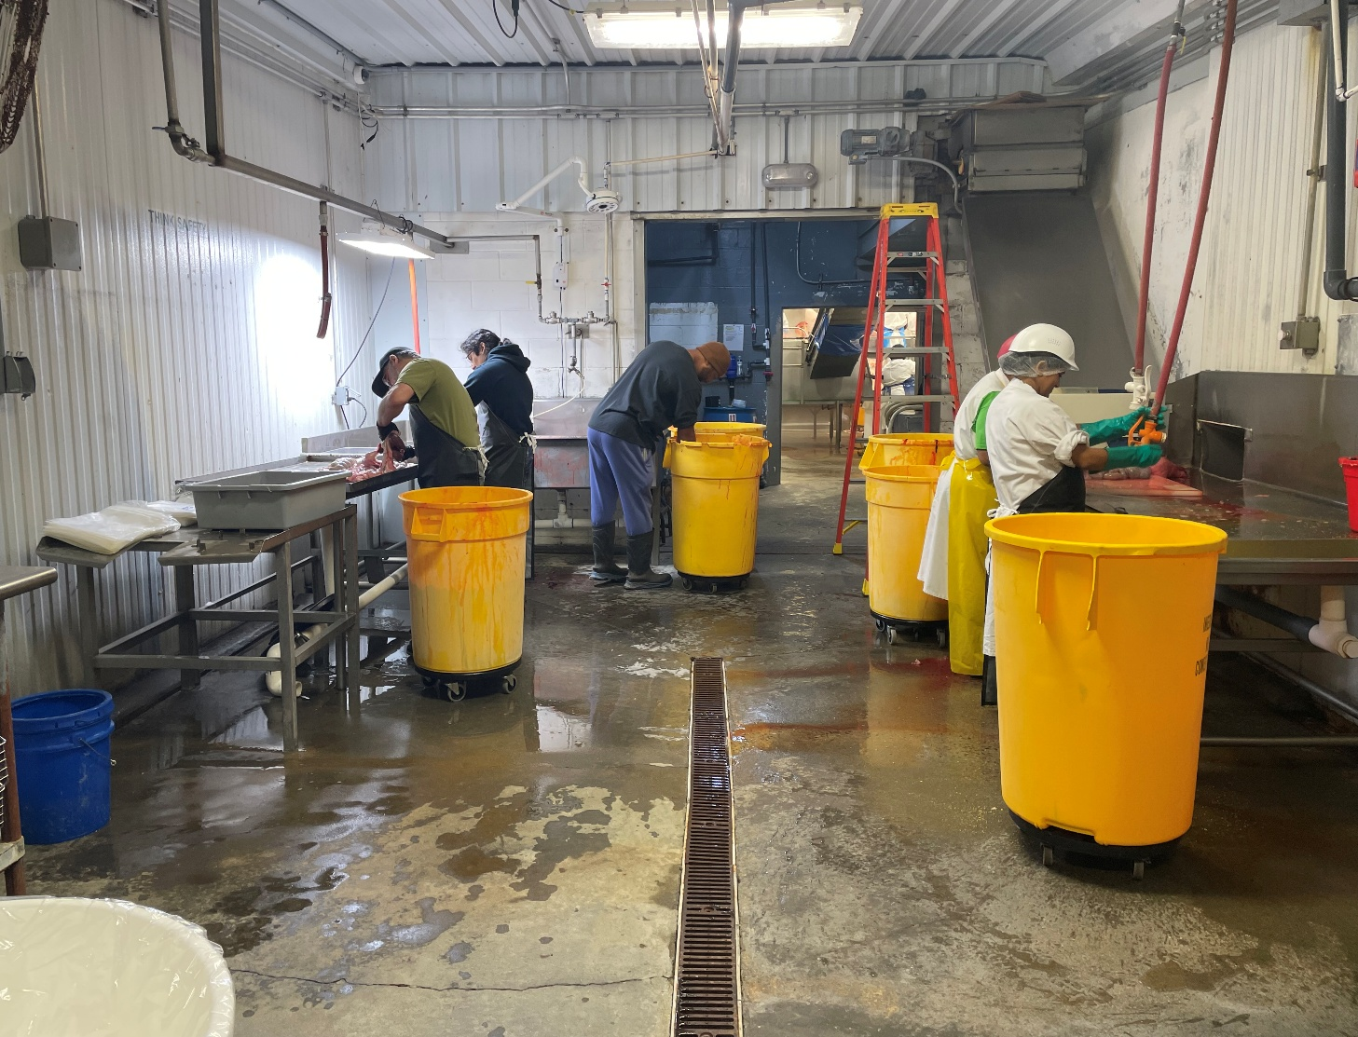
...
 |  |  |  |  |  | Max Day: | 180.90
 |  |  |  | Receiving table |  | Avg+1dev | 310.00
 |  |  |  | 1
 |  |  |  | 90%
 |  |  |  | 75%
 |  |  |  | 8 |  | weekly Max attained: |  | 954.00
 |  |  |  | 324 | Day | Average weekly: |  | 539.86

 |  |  |  | 2 | Back and forth WIP
...
 |  |  |  | 0
...
 |  |  |  | Current | Potentially
...
 |  |  |  | 1
 |  |  |  | Minutes | Quality Yield Freeze/Thaw | VolumeX*/ measured in full size bags | *1 Pelvic, Fem Block intact 518
 |  |  |  | 0.05 | 0.95 | 0.05 | 0.084656084656
 |  |  |  | 1.5 | 0.9 | 1.5
 |  |  |  | 0.2 | 0.95 | 0.2
 |  |  |  | 1 | 0.85 | 1
 |  |  |  | 1.8 | 0.9 | 1.8
 |  |  |  | 0.5 | 0.85 | 0.5
 |  |  |  | 0.3 | 0.85 | 0.3
 |  |  |  | 0.5 | 0.8 | 0.5
 |  |  |  | 0.5 | 0.85 | 0.5
 |  |  |  | 0.1 | 0.8 | 0.1
 |  |  |  | 0.2 | 0.8 | 0.2
 |  |  |  | 1 | 0.85 | 1
 |  |  |  | 0.5 | 0.95 | 0.5
 |  |  |  | 1.8 | 0.9 | 1.8
...
 |  |  |  | 1 | 0.85 | 1
 |  |  |  | 1 | 0.85 | 1
 |  | 666536 | TISS,PORCINE,THORACIC BLOCK, LARGE | 2 | 0.9 | 2
 |  |  | **Estimates, not all measured

 |  |  | *its not just volume what's scored, but also whether or not it can go on top, lower value if it can be stacked and has low volume like aortas

 | Martins

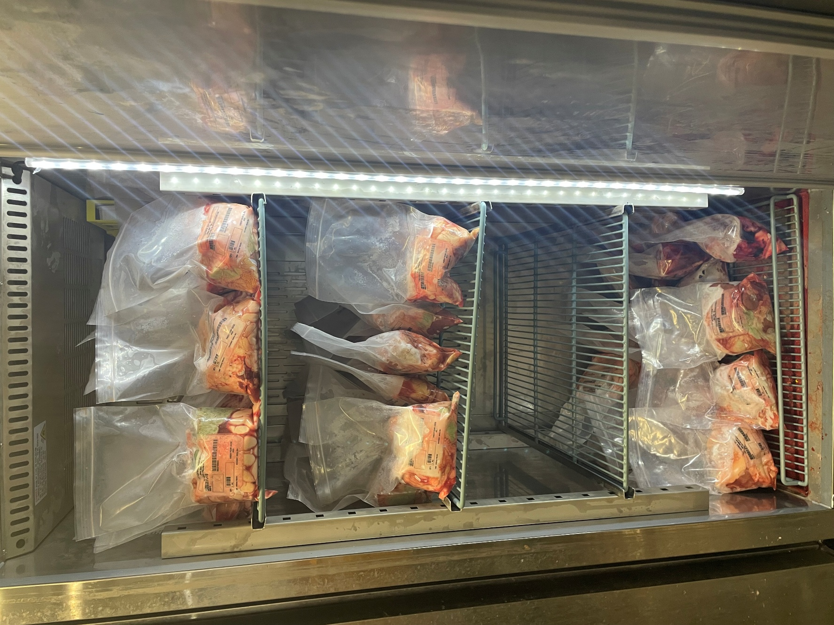

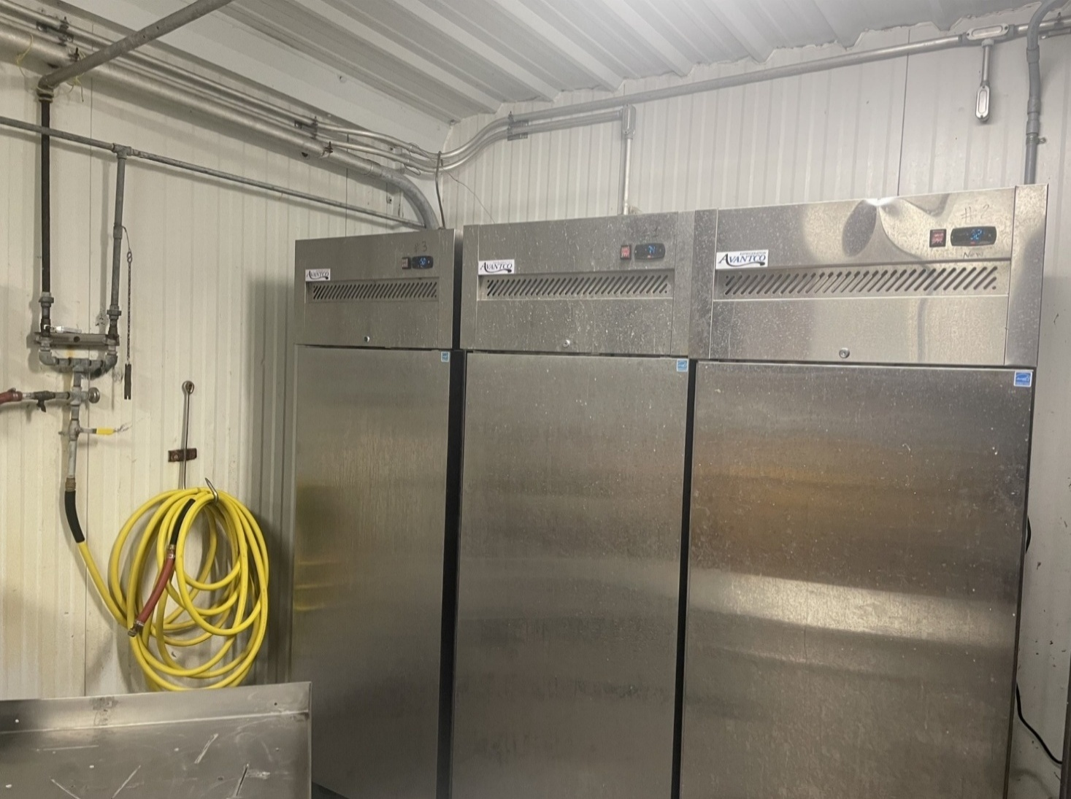

 |  | Coolers
 |  | Cooler Capacity
 | Per cooler | 3
 | Shelves/Levels | 4
 | Units per shelve | 20 | +5 would be pushing quality
 | Cooler Cap: | 240 | 360

 | 2 trips week

 | Coolers | per shelf more
Nahunta | 3 | 10
Martin | 3 | 10
Custom | 1 | 10

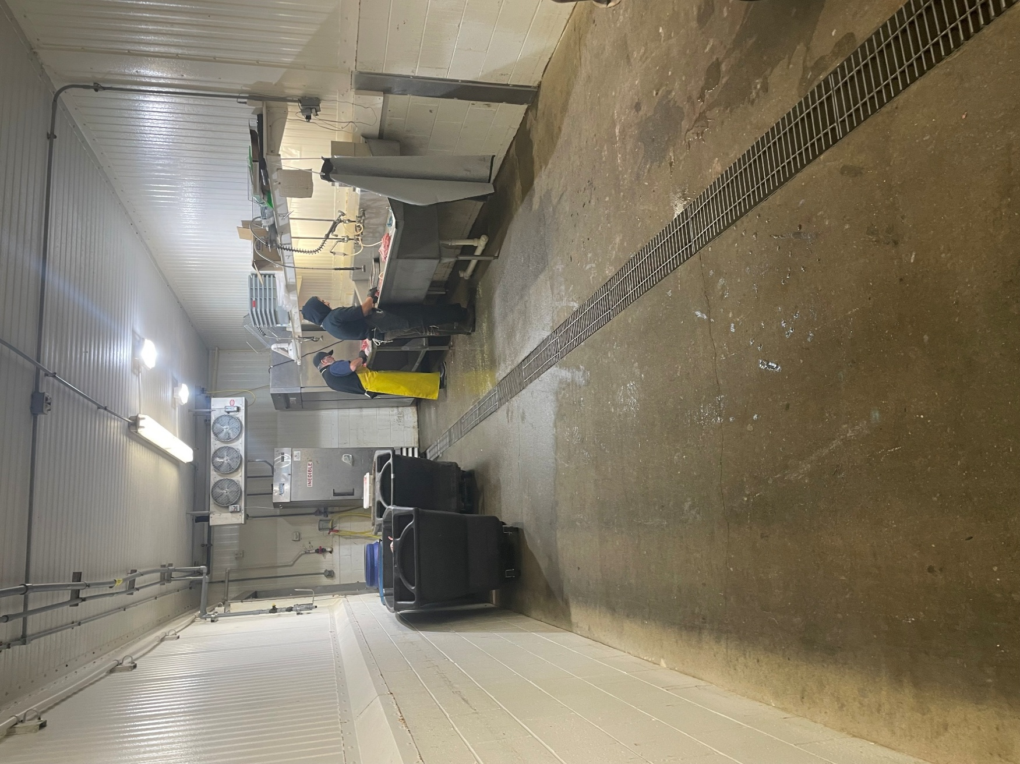

 |  |  |  |  |  |  |  | Nahunta:

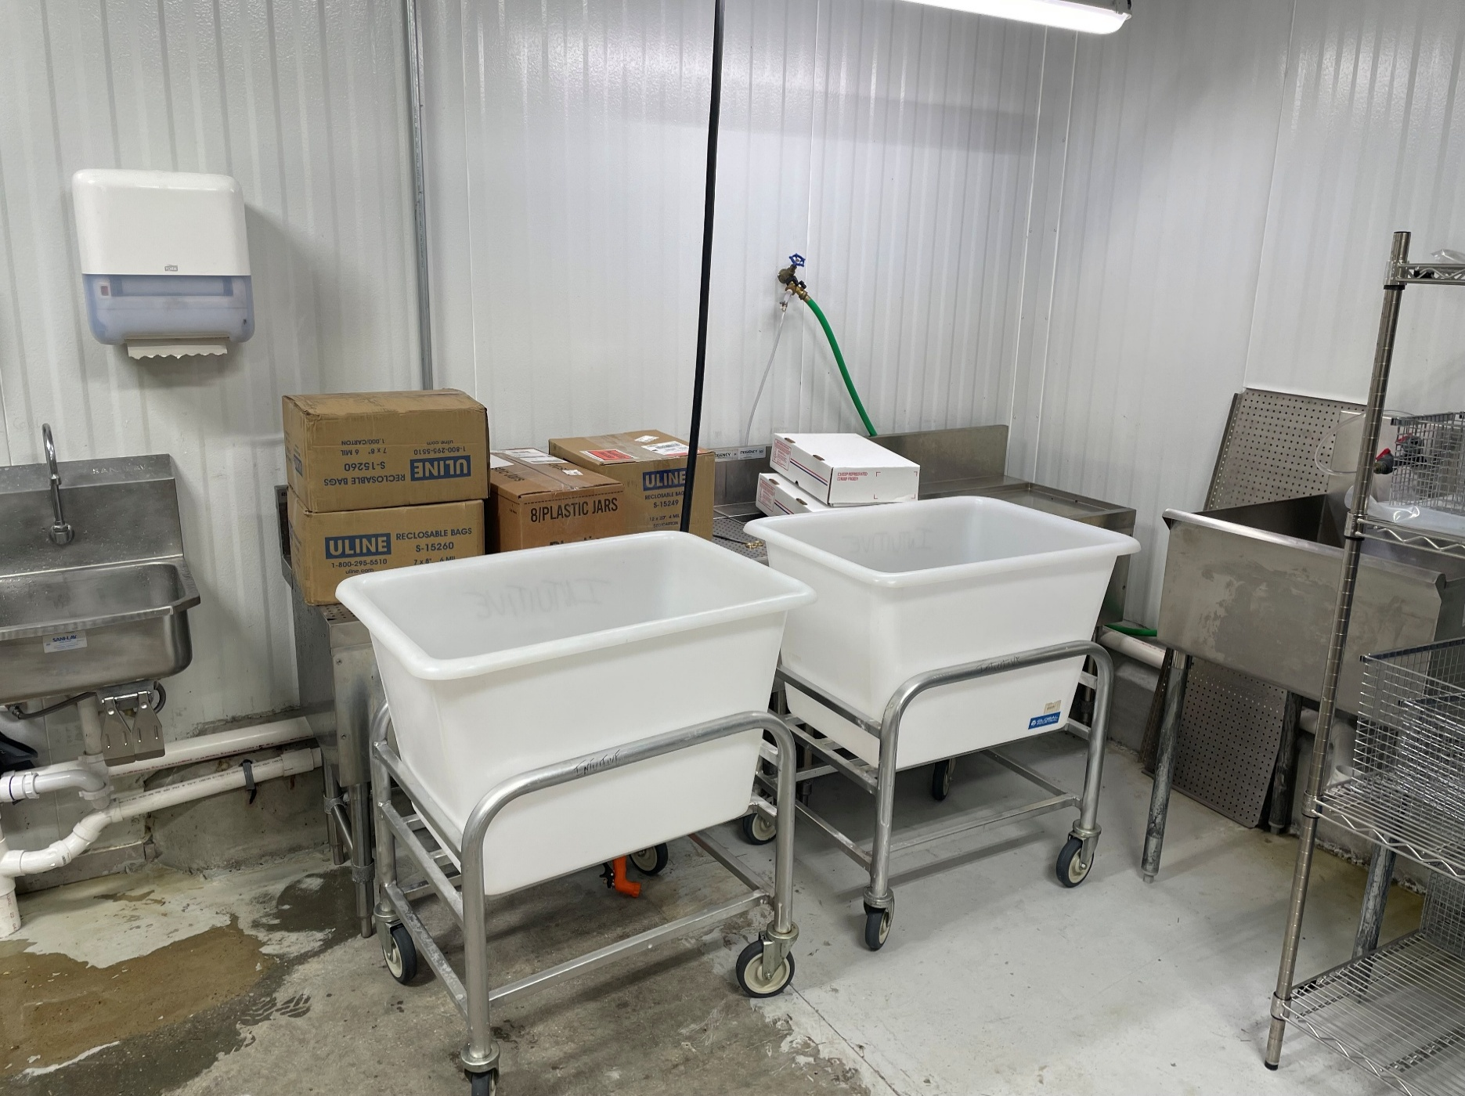
 |  |  |  |  |  |  | Customs
 |  |  |  |  |  |  | 1 freezer

Old2
...
 |  |  |  |  |  |  |  |  |  |  |  |  |  | Possible
 |  |  |  |  |  |  |  |  |  |  |  |  |  | Wednesday |  | 1 to Nahunta or Martins
 |  |  |  |  |  |  |  | Total: | 80 |  |  |  |  | Fridays |  | 1 to Nahunta or Martins
13 | 14 | 15 | 16 |  |  |  | Pelvics | Per shelf | 20 |  | Manning:
Martin's |  |  |  |  |  |  |  | Shelf | 4 |  |  | M | T | W | Th | F
Martin's % | Martin's | Daily | # of Pigs Need per Day |  |  |  | Days: | #Coolers | Cap | Total | Nahunta | 1 |  | 1 | 1 | 1 | 1
83% | 433 | 49 | 185 |  |  | Nahunta | 4 | 3 | 80 | 240 | Custom | 1 |  |  | 1 |  | 1
79% | 261 |  |  |  |  | Martin | 5 | 3 | 80 | 240 | Martin | 1 | 3 | 2 | 1 | 2 | 1.8
0% | 0 | 0 |  |  |  | Custom | 2 | 1 | 80 | 80 | Total | 3 | 3 | 3 | 3 | 3 | 3
100% | 104 | 12 | 5
0% | 0 | 0 |  |  |  | Freezer:

0% | 0 | 0
0% | 0 | 0
0% | 0 | 0
0% | 0 | 0
0% | 0 | 0
0% | 0 | 0
100% | 0 | 0 | 89
0% | 0 | 0
0% | 0 | 0
48% | 171 | 19 | 77
0% | 0 | 0
0% | 0 | 0
0% | 0 | 0
100% | 0 | 0
...
 |  |  |  |  |  |  |  |  |  |  |  |  |  | Possible
100% | 357 | 40
...
Biweekly DEMAND
Demand/Allocation |  | Estimated | Estimated | Estimated
Martin |  | Labor STD | Total Mhrs | Total Cube*

433 |  | 0.05 | 21.65 | 21.65
261 |  | 1.5 | 391.5 | 391.5 | Talked to Tony on this*
0 |  | 0.2 | 0 | 0
104 |  | 1 | 104 | 104
0 |  | 1.8 | 0 | 0
0 |  | 0.5 | 0 | 0
0 |  | 0.3 | 0 | 0
0 |  | 0.5 | 0 | 0
0 |  | 0.5 | 0 | 0
0 |  | 0.1 | 0 | 0
0 |  | 0.2 | 0 | 0
0 |  | 1 | 0 | 0
0 |  | 0.5 | 0 | 0
0 |  | 1.8 | 0 | 0
171 |  | 0.1 | 17.1 | 17.1
0 |  | 0.05 | 0 | 0
...

CalcDaily
...
 | Labor hrs / Day
 | 0
 | 0
 | 0
 | 0
 | 0
 | 0
 | 0
 | 0
 | 0
 | 0
 | 0
 | 0
 | 0
 | 0
 | 0
 | 0
 | 0.52666666667
 | 0
 | 0
 | 0.56833333333
 | 0
 | 0
 | 0.74666666667
 | 0
 | 0
 | 0.425
 | 0
 | 0
 | 0.066666666667
 | 0
 | 0
 | 0.6325
 | 0
 | 0
 | 0.49333333333
 | 0
 | 0
 | 0.83333333333
 | 0
 | 0
 | 0.575
 | 0
 | 0
 | 0
 | 0
 | 0
 | 0
 | 0
 | 0
 | 0.35333333333
...
...
 | Labor hrs / Day
12_30_2024 | 0
12_30_2024 | 0
12_30_2024 | 0
12_30_2024 | 0
12_30_2024 | 0
12_30_2024 | 0
12_30_2024 | 0
12_30_2024 | 0
12_30_2024 | 0
12_30_2024 | 0
12_30_2024 | 0
12_30_2024 | 0
12_30_2024 | 0
12_30_2024 | 0
12_30_2024 | 0
01_06_25 | 0
01_06_25 | 0
01_06_25 | 0
01_06_25 | 0
01_06_25 | 0
01_06_25 | 0
01_06_25 | 0
01_06_25 | 0
01_06_25 | 0
01_06_25 | 0
01_06_25 | 0
01_06_25 | 0
01_06_25 | 0
01_06_25 | 0
01_06_25 | 0
01_13_25 | 0
01_13_25 | 0
01_13_25 | 0
01_13_25 | 0
01_13_25 | 0
01_13_25 | 0
01_13_25 | 0
01_13_25 | 0
01_13_25 | 0
01_13_25 | 0
01_13_25 | 0
01_13_25 | 0
01_13_25 | 0
01_13_25 | 0
01_13_25 | 0
1_20_25 | 0
1_20_25 | 0
1_20_25 | 0
1_20_25 | 0
1_20_25 | 0
...
...

