db-schema
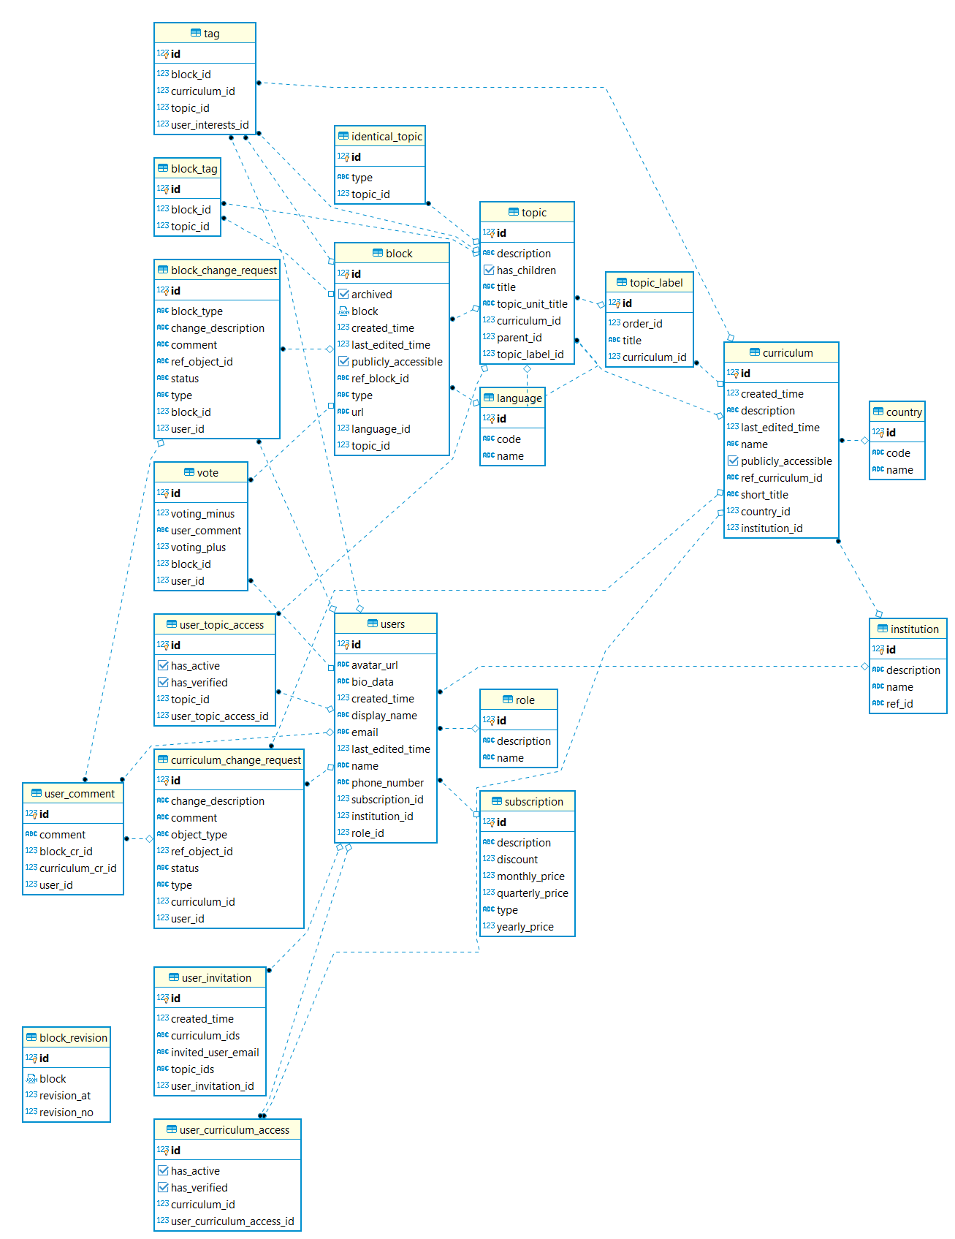

Tables
Table Name | Short description
User | A user is a person using application with role restriction
Role | A role is collection of permissions which restrict users
Language | Used to manage languages which can be used for creating resources
Country | Used to manage different countries which can be used for creating curriculum
Institution | Institution is a group of users with different roles which can be used for managing curriculum
Curriculum | A curriculum is a collection of topics arranged using different topic labels. Curriculum can be created for specific country and institution. Curriculum access can be restricted
CurriculumChangeRequest | A curriculum change request is a List of curriculum changes requested by authorized users
UserComment | A user comment is the comments provided by the authorized users on existing change request
TopicLabel | A topic label is a collection of topic orders in a curriculum
Topic | A topic is a collection of concepts that can be taught
IdenticalTopic | An identical topic is list of same or similar topics
Tag | A tag is a collection of topic, curriculum and resources name (or title) in which users are interested
Subscription | A subscription defines the options which user adopts to use application
Block | A block is an isolated part of a resource with a type and child blocks
BlockVersion | A block version is the original copy of the changed block
BlockTag | A block tag is a collection of blocks linked with each other
BlockChangeRequest | A block change request is a list of block changes requested by authorized users
Vote | Used to manage the user reaction with comments for different resource
UserInvitation | A collection of curriculum and topic which can be verified by invited user
UserCurriculumAccess | Define the curriculum list which can be accessible by user
UserTopicAccess | Define the topic list which can be accessible by user

