Overview
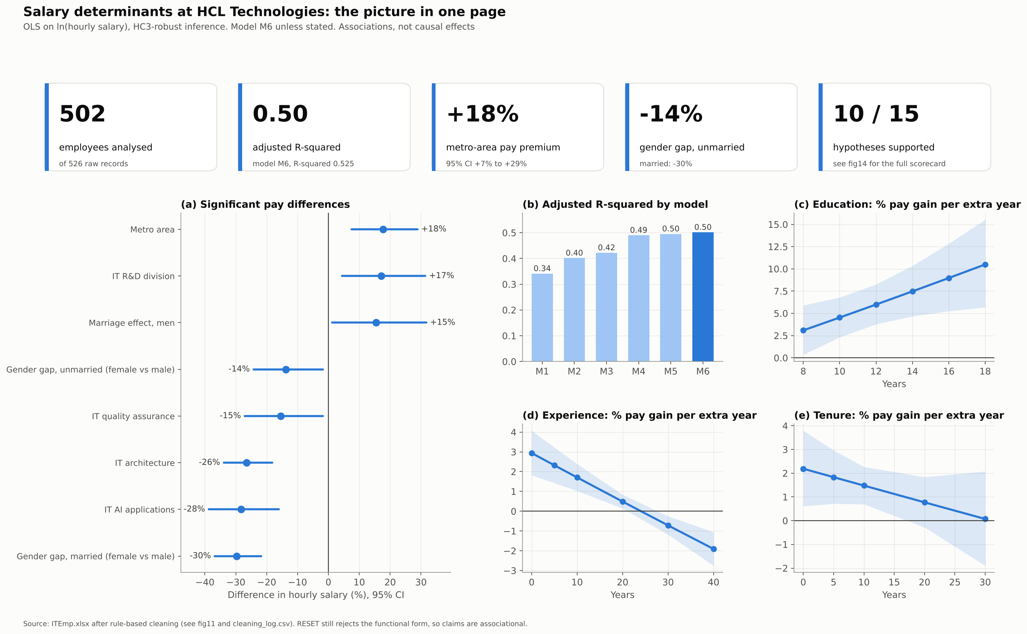
Salary determinants at HCL Technologies: results workbook
OLS on ln(hourly salary), HC3-robust inference. N = 502. Static results; the analysis code regenerates every number.

Sheet | Contents
cleaning_summary | Data cleaning summary
descriptives_continuous | Descriptive statistics: continuous variables
descriptives_binary | Descriptive statistics: 0/1 variables
regression_M1_M6 | Regression results, nested models M1-M6
nested_tests | Does each block of variables improve the model?
block_tests | Joint significance of variable blocks in M6
hypotheses | Hypothesis tests
effects_percent | Percentage pay differences implied by M6
marginal_effects | Pay gain from one more year at different starting points
interaction_search | Quadratic and interaction search (added one at a time to M4)
family_background | Family background added to M4 (N = 491)
diagnostics | Diagnostic tests for the preferred model M6
robustness | Robustness of the key M6 coefficients
cleaning_sensitivity | M6 under alternative cleaning thresholds
coefficients_numeric | All model coefficients as numbers (b, s.e., t, p, 95% CI) for M1-M6 and the family model
cleaning_log | Every cleaning action: record id, variable, raw value, issue, action
cleaned_data | Full data after cleaning (missing values left blank)
analysis_sample | The N = 502 employees used in the main models, with derived variables

