Figures
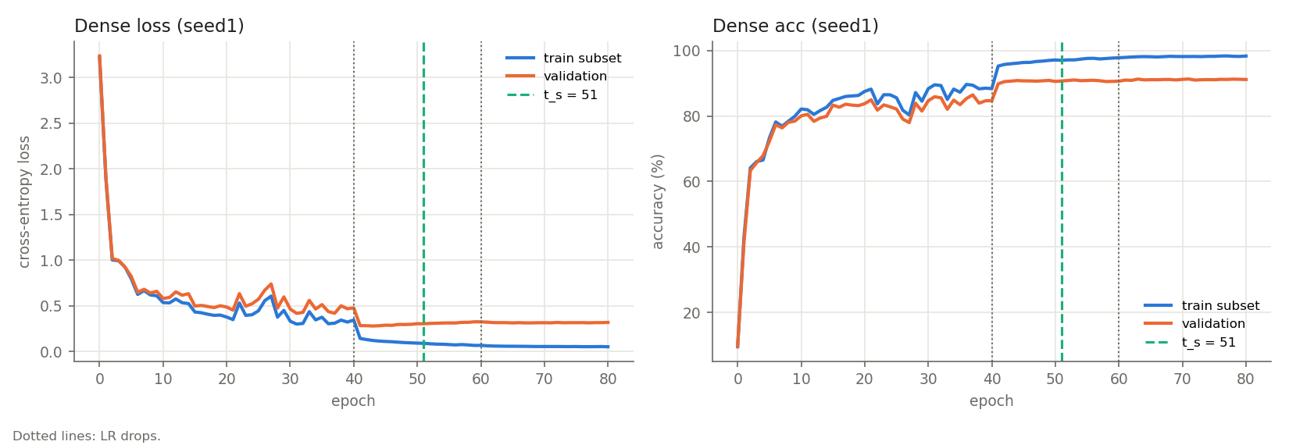
t_star_by_sparsity.png
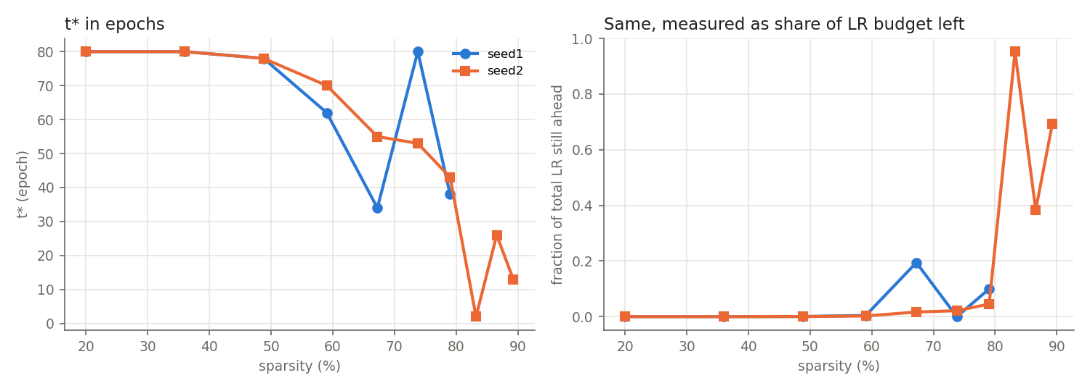

t_star_vs_features.png

predicted_vs_actual.png
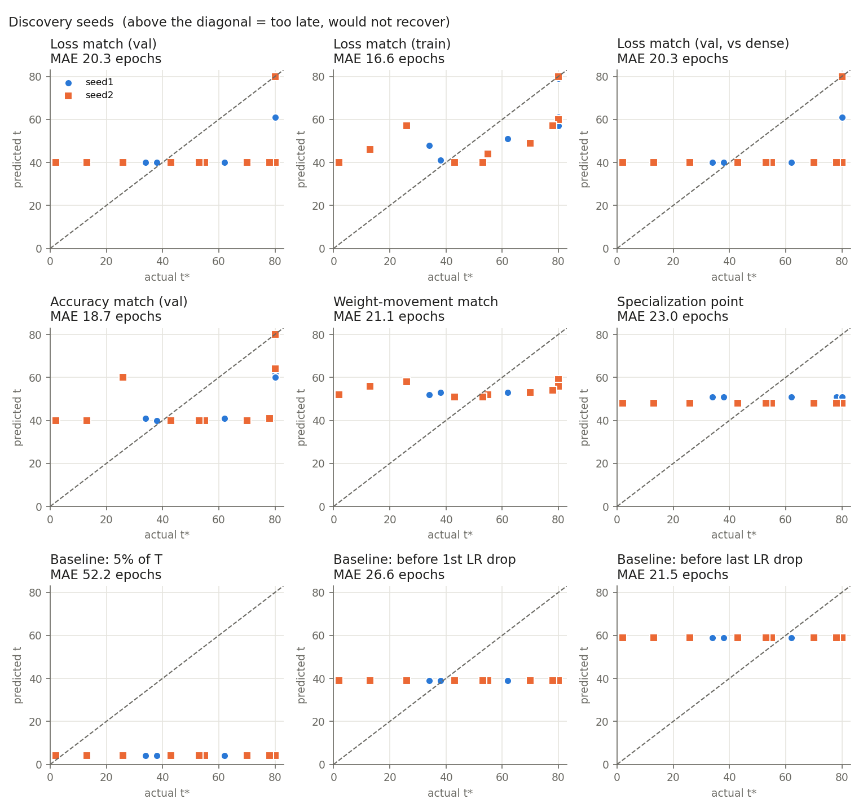

rewind_curves_seed1.png

rewind_curves_seed2.png
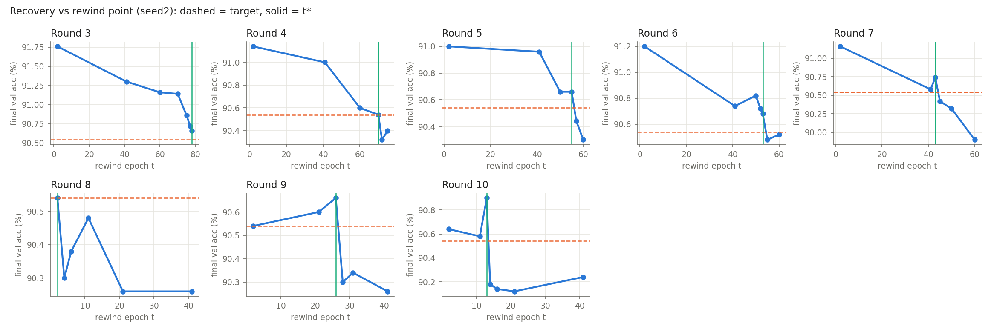

dense_curves_seed1.png

