Vivado Sim Output
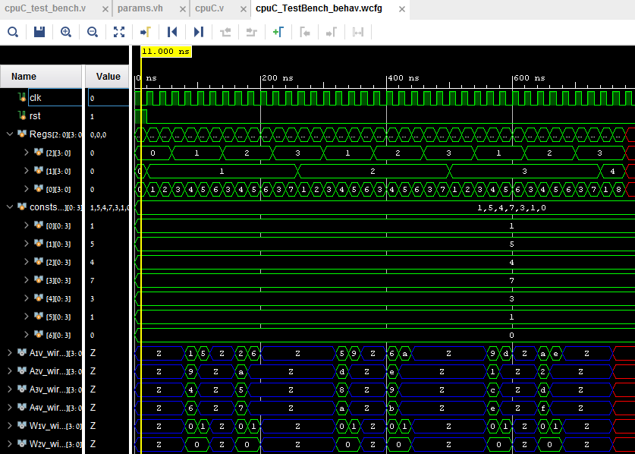

R2 = | j
R1 = | i
R0 = | PC

 | C1
 | C2
 | C3
 | C4
 | C5
 | C6
 | C7

 |  | As we can see, all the values are as expected !
 |  | Note that R2 and R1 represents the indexs of the loops.

Vivado Sim Output with mem
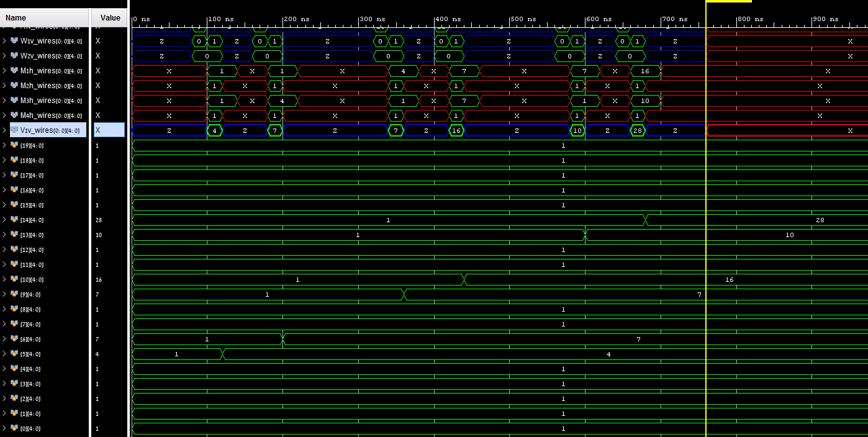

 | All ram values were initialized with 1
W1
W2 | Before:
M1
M2 |  | 0 | 1 | 2 | 3
M3 | 0 | ram[0]=1 | ram[1]=1 | ram[2]=1 | ram[3]=1
M4 | 1 | ram[4]=1 | ram[5]=1 | ram[6]=7 | ram[7]=1
V1 | 2 | ram[8]=1 | ram[9]=1 | ram[10]=1 | ram[11]=1
ram[19] | 3 | ram[12]=1 | ram[13]=1 | ram[14]=1 | ram[15]=1
ram[18] | 4 | ram[16]=1 | ram[17]=1 | ram[18]=1 | ram[19]=1
ram[17]
ram[16] | After:
ram[15]
ram[14] |  | 0 | 1 | 2 | 3
ram[13] | 0 | ram[0]=1 | ram[1]=1 | ram[2]=1 | ram[3]=1
ram[12] | 1 | ram[4]=1 | ram[5]=4 | ram[6]=7 | ram[7]=1
ram[11] | 2 | ram[8]=1 | ram[9]=7 | ram[10]=16 | ram[11]=1
ram[10] | 3 | ram[12]=1 | ram[13]=10 | ram[14]=28 | ram[15]=1
ram[9] | 4 | ram[16]=1 | ram[17]=1 | ram[18]=1 | ram[19]=1
ram[8]
ram[7] | The results after the calculation are as expected !
ram[6]
ram[5]
ram[4]
ram[3]
ram[2]
ram[1]
ram[0]

