ElecSysModel
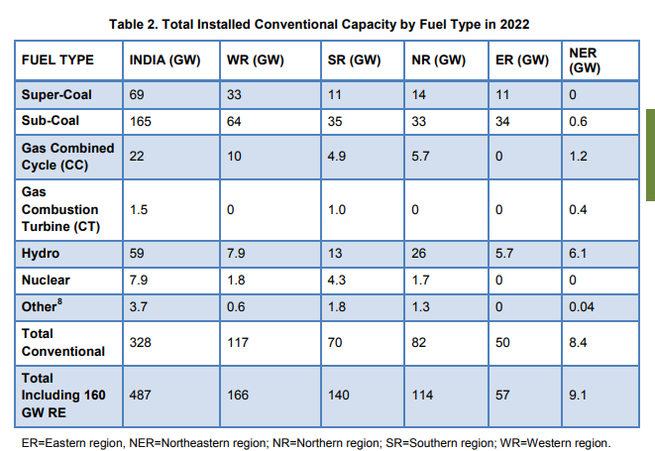
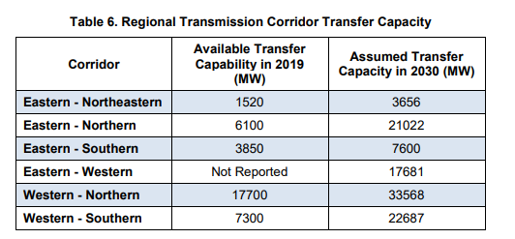

 |  | (2) ->

 |  |  |  | start | increment | max by 2070 end
 |  |  | EE-NER | 1520 | 2136 | 14336 | x
 |  |  | ER-NR | 6100 | 14922 | 95632 | x
 |  | <- (3) | ER-SR | 3850 | 3750 | 26350
 |  |  | ER-WR | 9000 | 8681 | 61086 | x
 |  |  | WR-NR | 17700 | 15868 | 112908 | x
 |  |  | WR-SR | 7300 | 15387 | 99622 | x

p 31/102 | (4) Rodrigues, Neshwin, A.K. Saxena, Shubham Thakare, Raghav Pachouri, and G. Renjith. 2023. India’s Electricity Transition Pathways to 2050: Scenarios and Insights. TERI Report (New Delhi: The Energy and Resources Institute). https://teriin.org/policy-brief/indias-electricity-transition-pathways-2050-scenarios-and-insights.

 |  |  | 88.81 | INR/USD
 |  |  | 158.76590474 | 75.329354802

