PICTURE CAL#1c
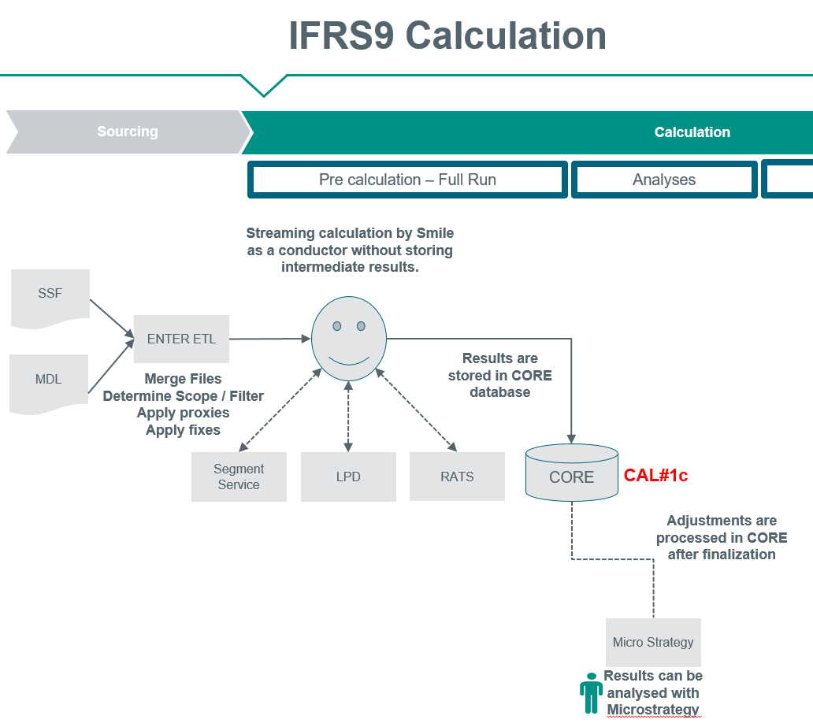
Picture: Calculation
Before starting the monthly run functional maintanance runs a automated job where all relevant reference data / MDM tables are imported into CORE Database. This is not visible in below picture
LPD and RATS service use some of these tables in the calculation. Most important tables influencing the result are the MEV table containing the Macro Economic Scenarios,
the weighted scenarios and the forecast of the 10-years-mortgages rate
CAL#1c is checking the imported MEV table in the CORE database versus the published table in MDM.
NOTE: The impact of New Marco Economic Variable used in the calculation is reported in a separate flow by MBR for accounting purpuses (So called D1 flow, please refer to CAL#8 for more information)

