Context
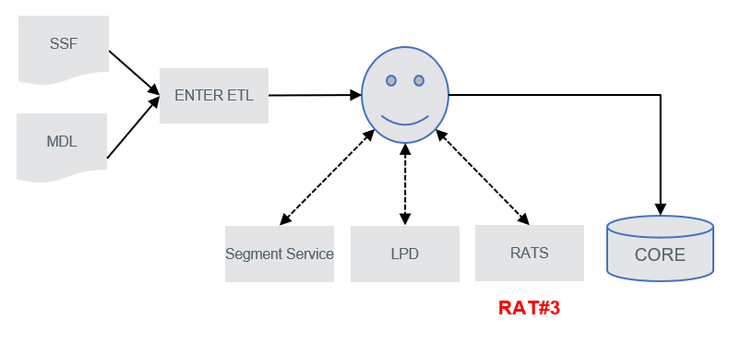
Context
Data flows from Enter ETL via SMILE through the Segment Service, LPD and ultimately the RatS where the ECL is calculated
This control checks on exceptions which might have occurred when processing the data

