Picture SEG#03
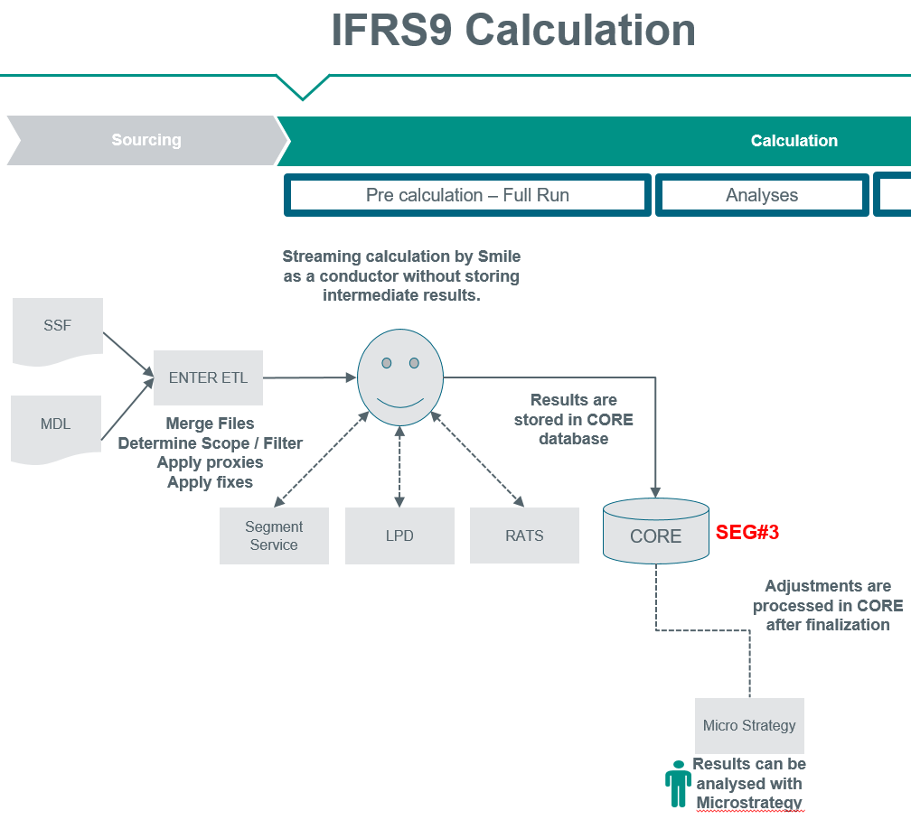
Picture: Calculation
The result of the Segment Service, LPD and RatS services are stored in CORE Database. These services themselves do not store any data.
SEG#03 is checking the CORE database for a particular calculation on records having no segment

