Dashboard
Last 13 Week Trends - Quantity & Amount
 | Sum of Quantity | Sum of Amount
1 | 114 | ₹ 6,864
2 | 191 | ₹ 12,839
3 | 111 | ₹ 5,635
4 | 114 | ₹ 6,687
5 | 197 | ₹ 10,486
6 | 345 | ₹ 16,762
7 | 245 | ₹ 11,681
8 | 191 | ₹ 9,424
9 | 211 | ₹ 10,219
10 | 170 | ₹ 9,694
11 | 100 | ₹ 5,403
12 | 144 | ₹ 10,370
13 | 107 | ₹ 7,002
🛒 Orders
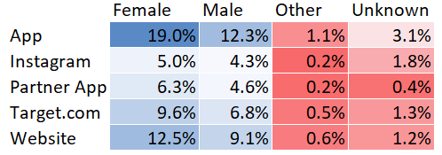
No.of Purchased Products
 | Total
1 | 84
2 | 93
3 | 67
4 | 47
5 | 41
6 to 10 | 80
More than 10 | 44

868

👔 Quantity

4,220

💰 Amount
$229.4k
Which products are Popular? Breakdown by Gender
 | Female | Male | Other | Unknown
Jeans | 318 | 149 | 10 | 69
T-Shirts | 240 | 203 | 27 | 32
Sneakers | 266 | 131 | 13 | 84
Shorts | 163 | 140 |  | 12
Tank Tops | 192 | 76 | 7 | 4
Bikinis | 152 | 101 |  | 1
Crop Tops | 61 | 176 | 15 | 1
Hoodies & Sweatshirts | 96 | 151
Sundresses | 164 | 63 | 7 | 8
Graphic Tees | 152 | 60 | 8 | 3
Sandals | 116 | 73 |  | 3
Casual Dresses | 84 | 45 | 6 | 6
Leggings | 72 | 61 |  | 6
Workout Tops | 39 | 46 | 4 | 14
Maxi Dresses | 37 | 30 | 3
Tote Bags | 22 | 39 | 4
Sunglasses | 35 | 29
Baseball Caps | 11 | 32 | 8 | 6
Pajama Sets | 17 |  |  | 12
Jewelry | 3 |  | 2
Days to Deliver
 | Total
0 | 29
1 | 155
2 | 100
3 | 67
4 | 40
5 | 24
6 | 10
7 | 4
8 | 11
9 | 1
10 | 1
11 | 4
12 | 2
13 | 3
14 | 5

⭐ Avg. Rating
4.0

📆 Days to Deliver
2.5

 | Total
Female | 6272
Male | 4672
Other | 317
Unknown | 736

Customer Satisfaction Rating
 | 1 | 2 | 3 | 4 | 5
Jan | 2 | 5 | 22 | 54 | 48
Feb | 4 | 7 | 41 | 91 | 41
Mar | 1 | 6 | 27 | 65 | 42

