Лист1
ID | Summary | Precondition | Steps | Actually result | Expected result | Reproducibility | Severity | Priority | Enviroment | Attachment
1_1 | No indent between the email name and the new email icon in the mobile version | 1.Find mobile device 2.You have to create account on this site | 1. Open site http://www.i.ua/ 2.Enter valid data in the mail form and click "Увійти" | There is no indentation between the mailbox name and the icon for creating a new mail | There should be indentation between the fields | Always | Minor | Middle | Google pixel 4 Google Chrome 104.0.5112.102
1_2 | The header is not adapting correctly to the new resolution | 1.Find devices width diffefent screen resolution or use developer tools (in some screen resolutions there is no hamburger menu at alll) | 1. Open site http://www.i.ua/ | The hamburger menu has moved to the right side of the page | The hamburger menu icon must be visible and indented from the page border | Always | Critical | High | Google pixel 4 Google Chrome 104.0.5112.102 | 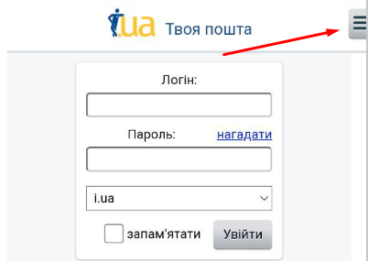
1_3 | There is no signup button in the mobile version of the site | 1.Find mobile device | 1. Open site http://www.i.ua/ | There is no link to register a new user | The login form there must be a link to register a new user | Always | Critical | High | Google pixel 4 Google Chrome 104.0.5112.102 | 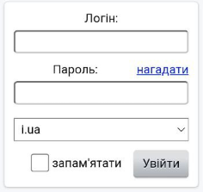
1_4 | The text climbs on the scroll icon on the home page |  | 1. Open site http://www.i.ua/ 2.In the center of the pagei will be the news section, scroll to the bottom | The text is on the down arrow | The down arrow should be to the left of the text and do not overlap | Always | Minor | Middle | Google pixel 4 Google Chrome 104.0.5112.102 | 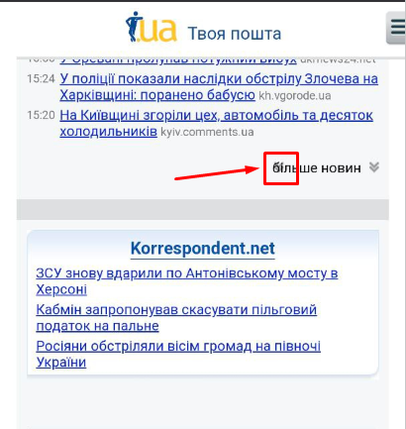
1_5 | There is no possibility to move the letter to the black box or a new folder | 1.Find mobile device | 1. Open site http://www.i.ua/ 2.Enter valid data in the mail form and click "Увійти" 3. Select any letter and click "Переслати" | There is no way to move the email to a new folder or blacknet | The move function should be able to move the email to any of the available folders | Always | Major | Middle | Google pixel 4 Google Chrome 104.0.5112.102 | 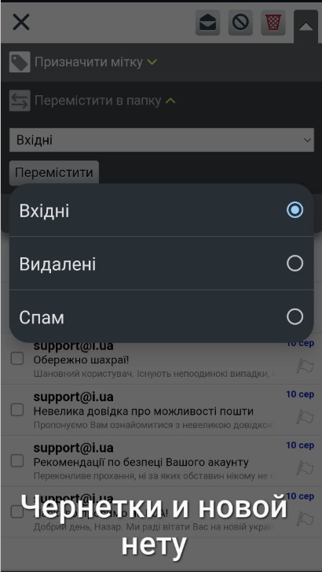
1_6 | No possibility to create a new mailbox on the site |  | 1. Open site http://www.i.ua/ 2.Find form "Пошта" and left-click on "Регістрація" 3.Select type of registration with creating new email 4..Enter valid data in the mail form and click "Продовжити" | No ability to create a new mailbox | A user can create a mail on our with our domain name | Rarely | Blocker | High | Desktop(1920x1080) Google Chrome 104.0.5112.102 | 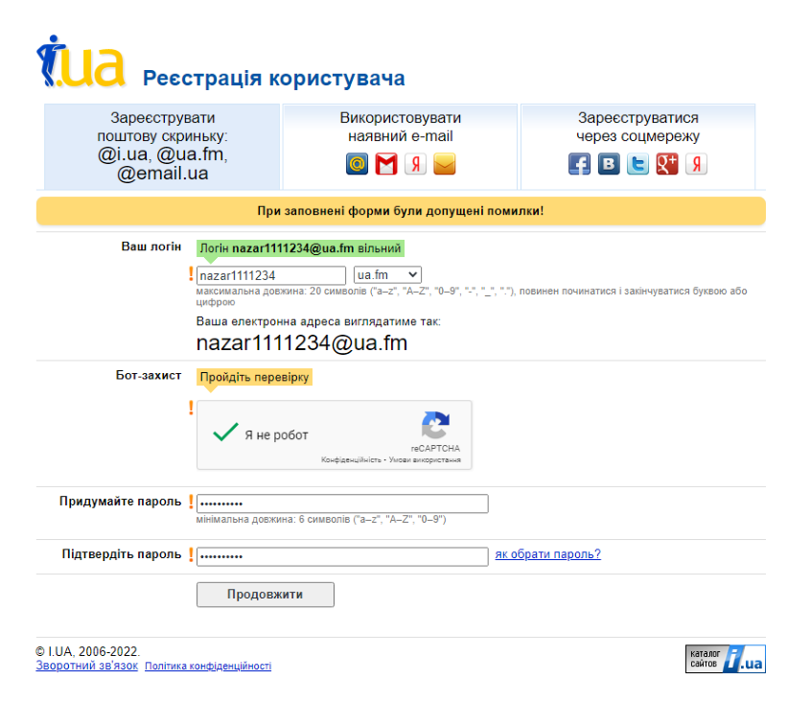
1_7 | Unknown errors when filling out the new mailbox registration form |  | 1. Open site http://www.i.ua/ 2.Find form "Пошта" and left-click on "Регістрація" 3.Select type of registration with creating new email | No ability to create a new mailbox | User can create email on our with our domain name by entering all valid data in the required fields of registration | Rarely | Blocker | High | Desktop(1920x1080) Google Chrome 104.0.5112.102 | 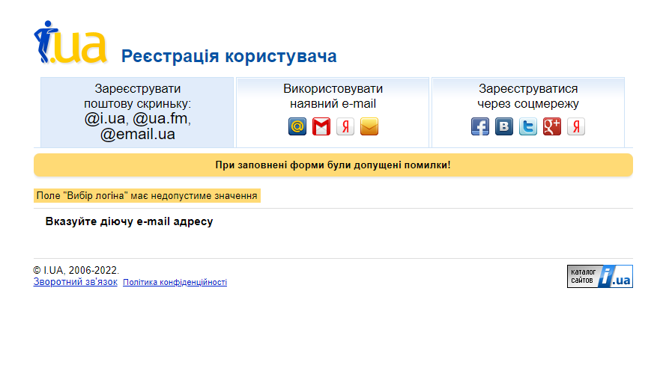
1_8 | Improperly adapted password recovery page for mobile devices | 1.Find mobile device | 1. Open site http://www.i.ua/ 2.Сlick on "Нагадати" | The page is not adapted for mobile devices | The page must be correctly adapted for mobile devices with appropriate font sizes and buttons | Always | Major | Middle | Google pixel 4 Google Chrome 104.0.5112.102
1_9 | The "Мені подобається" link on the main page does not work |  | 1. Open site http://www.i.ua/ 2.The button is located in the upper left corner of the site on the home page | Button doesn't work | The button must perform its function | Always | Major | Middle | Desktop(1920x1080) Google Chrome 104.0.5112.102
1_10 | Incoming mails in the personal cabinet are not loaded |  | 1. Open site http://www.i.ua/ 2.Enter valid data in the mail form and click "Увійти" | Inboxes are not displayed | All incoming emails should be displayed when you log in to the mailbox | Rarely | Major | Low | Google pixel 4 Google Chrome 104.0.5112.102
1_11 | Unable to register with Facebook |  | 1. Open site http://www.i.ua/ 2.Find form "Пошта" and left-click on "Регістрація" 3.Select the type of registration with social networks 4.Left-click on Facebook icon | there is no way to register with Facebook | When registering with Facebook we should open an authorization window to this social network | Always | Blocker | Middle | Desktop(1920x1080) Google Chrome 104.0.5112.102 | 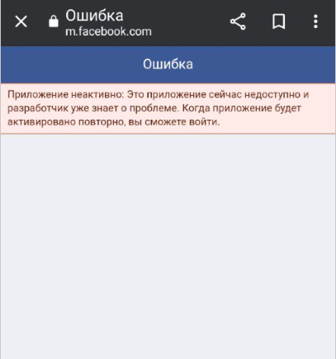
1_12 | Unable to register with the social networking site Vkontakte |  | 1. Open site http://www.i.ua/ 2.Find form "Пошта" and left-click on "Регістрація" 3.Select the type of registration with social networks 4.Left-click on Vkontakte icon | there is no way to register using the social network Vkontakte | When registering with Vkontakte we should open a login window to this social network | Always | Blocker | Middle | Desktop(1920x1080) Google Chrome 104.0.5112.102
1_13 | Can't register with Gmail+ social networking site |  | 1. Open site http://www.i.ua/ 2.Find form "Пошта" and left-click on "Регістрація" 3.Select the type of registration with social networks 4.Left-click on Gmail+ icon | there is no way to sign up with Gmail+ | When registering with Gmail+, we should open a login window to this social network | Always | Blocker | Middle | Desktop(1920x1080) Google Chrome 104.0.5112.102
1_14 | Unable to register with Yandex Social Network |  | 1. Open site http://www.i.ua/ 2.Find form "Пошта" and left-click on "Регістрація" 3.Select the type of registration with social networks 4.Left-click on Yandex icon | there is no way to register with the social network Yandex | When registering with Yandex we have to open an authorization window in this social network | Always | Blocker | Middle | Desktop(1920x1080) Google Chrome 104.0.5112.102
1_15 | Unable to sign up using Twitter |  | 1. Open site http://www.i.ua/ 2.Find form "Пошта" and left-click on "Регістрація" 3.Select the type of registration with social networks 4.Left-click on Twitter icon | there is no way to sign up using Twitter | When you register with Twitter we should open a login window to this social network | Always | Blocker | Middle | Desktop(1920x1080) Google Chrome 104.0.5112.102
1_16 | Error 504 when trying to access the site |  | 1. Open site http://www.i.ua/ | The site gives out an error | The site should open | Rarely | Blocker | High | Desktop(1920x1080) Google Chrome 104.0.5112.102
1_17 | The site uses the unsecured http protocol |  | 1. Open site http://www.i.ua/ 2.Look at the URL-address this site | The site uses the unsecured http protocol | The site must use the secure https protocol | Always | Critical | High | Desktop(1920x1080) Google Chrome 104.0.5112.102 | *Photo*
1_18 | The username and password inscription must be on the same level | 1.Find mobile device | 1. Open site http://www.i.ua/ | "Login" and "Password" are not on the same vertical | The names of these fields should be arranged symmetrically with respect to these fields | Always | Minor | High | Google pixel 4 Google Chrome 104.0.5112.102 | *Photo*

