Лист1
ID |  | Summary | Precondition | Steps | Enviroment | Attachments
Mobile version
1_1 |  | Possibility to creating new password using the data of our old password | 1. You have to setup app "OneWelcome" 2. Log in to the app | 1. Open the app "One Welcome" 2. Tap on "Profile" 3. Tap on "Change PIN" 4 . Enter your old PIN three times | IPhone 6s iOS 15.6.0
1_2 |  | Error 9007 when trying to change the password again | 1. You have to setup app "AuthenticatorDemo" 2. Log in to the app 3. Give this app access to send you a notification | 1. Open the app "AuthenticatorDemo" 2. Click on "Change PIN" 3. Use Postman or another way for sending push notification 4. in the displayed window click "Yes" and after click "Confirm" 5. The program will ask you to enter a password, so enter it 6. Click "Close and stay in the app" 7. Try to change the password again | IPhone 6s iOS 15.6.1 | 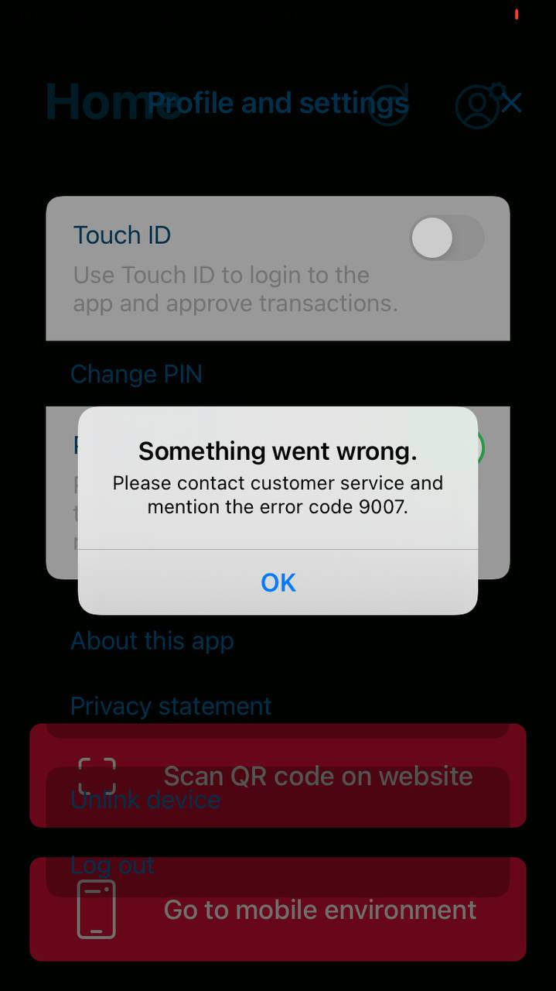
1_3 |  | No window pops up asking if the user wants to cancel the action and be redirected | 1. You have to setup app "AuthenticatorDemo" 2. Log in to the app 3. Give this app access to send you a notification | 1. Open the app "AuthenticatorDemo" 2. Use Postman or another way for sending push notification 3. Click on the notification | IPhone 6s iOS 15.6.1
1_4 |  | Sometimes an error pops up when trying to register Touch ID | 1. You have to setup app "AuthenticatorDemo" 2. Log in to the app | 1. Open the app "AuthenticatorDemo" 2. Click on the item "Authentificators" 3. Click the "Register" button next to Touch ID | IPhone 6s iOS 15.6.1
1_5 |  | Registering Touch ID does not activate it | 1. You have to setup app "AuthenticatorDemo" 2. Log in to the app | 1. Open the app "AuthenticatorDemo" 2. Click on the item "Authentificators" 3. Click the "Register" button next to Touch ID | IPhone 6s iOS 15.6.1
1_6
1_7
Web version
Onewelcome
2_1 |  | Search does not work in the platform setup | 1. You have to sign in like Platform Admin | 1. Open site https://iwelcome-iwelcome.platform.ritm.loqed.io/admin/reports/users 2. Locate the bottom "Platform" icon on the left sidebar and click there 3. Select the button "Settings" 4. Enter anything in the search form | Google Chrome 105.0.5195.102 | 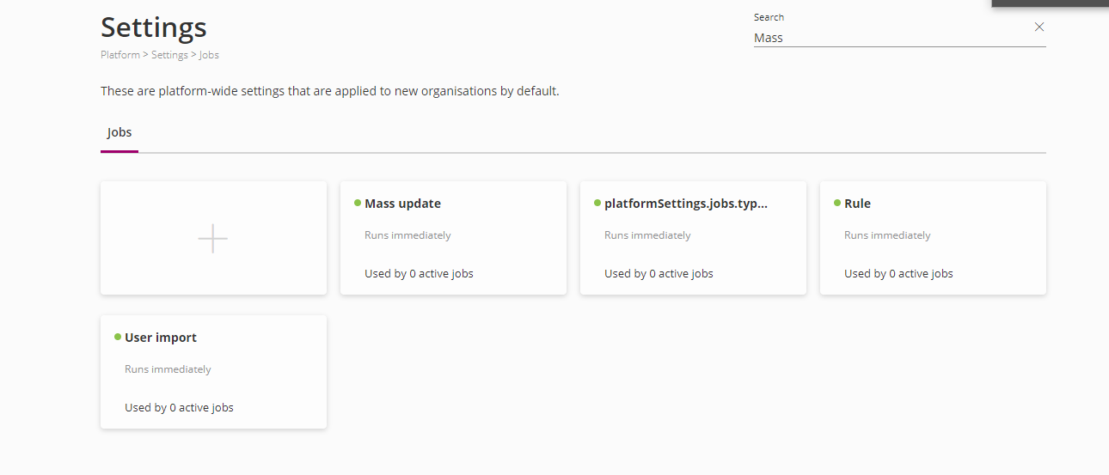
2_2 |  | Search works only by first and last name in "Org admin users" | 1. You have to sign in like Platform Admin | 1.Open site https://iwelcome-iwelcome.platform.ritm.loqed.io/admin/reports/users 2. Locate the bottom "Platform" icon on the left sidebar and click there 3. Select the button "Org admin users" 4. Enter the name of some city from the list of users | Google Chrome 105.0.5195.102
2_3 |  | Search does not work with partial names in the "Org admin users" | 1. You have to sign in like Platform Admin | 1.Open site https://iwelcome-iwelcome.platform.ritm.loqed.io/admin/reports/users 2. Locate the bottom "Platform" icon on the left sidebar and click there 3. Select the button "Org admin users" 4. Type a few letters of any of the usernames in the list below | Google Chrome 105.0.5195.102
2_4 |  | Button "Profile" is not working in the "Org admin users" | 1. You have to sign in like Platform Admin | 1.Open site https://iwelcome-iwelcome.platform.ritm.loqed.io/admin/reports/users 2. Locate the bottom "Platform" icon on the left sidebar and click there 3. Select the button "Org admin users" 4. Right-click on one of the users and click on the profile | Google Chrome 105.0.5195.102 | 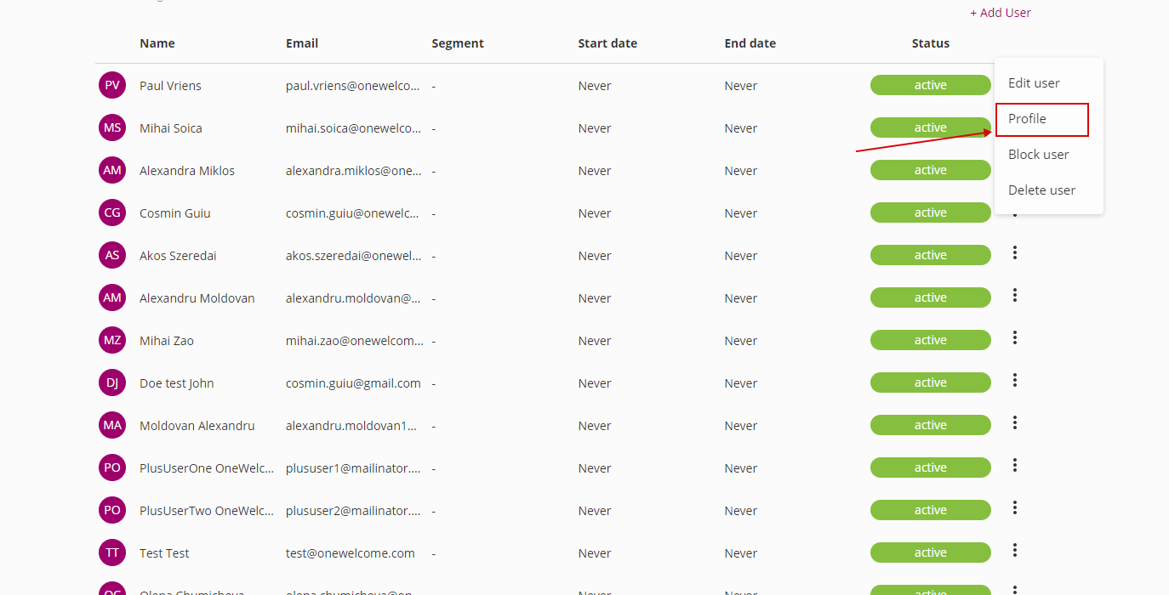
2_5 |  | Search does not work at all in "Org admin users" | 1. You have to sign in like Platform Admin | 1.Open site https://iwelcome-iwelcome.platform.ritm.loqed.io/admin/reports/users 2. Locate the bottom "Platform" icon on the left sidebar and click there 3. Select the button "Org admin users" 4. Enter anything in the search form | Google Chrome 105.0.5195.102 | 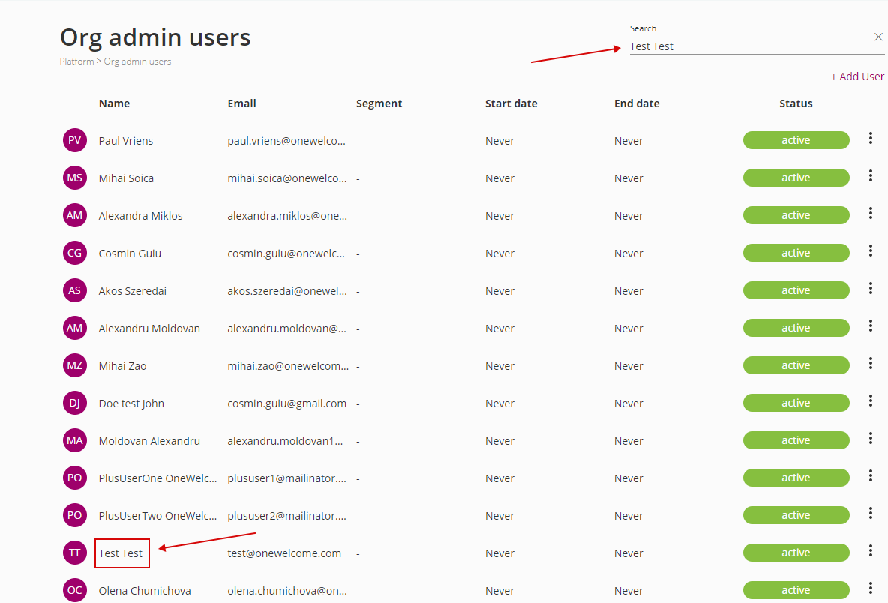
2_6 |  | The "All" element of the "E-mail type" filter in "Org admin users" does not work correctly | 1. You have to sign in like Platform Admin | 1. Open site https://iwelcome-iwelcome.platform.ritm.loqed.io/admin/reports/users 2. Locate the bottom "Platform" icon on the left sidebar and click there 3. Select the button "Org admin users" 4. Click on the filter-icon 5. Select any type of email everything except "All" and click 6. After select "All" and click | Google Chrome 105.0.5195.102 | 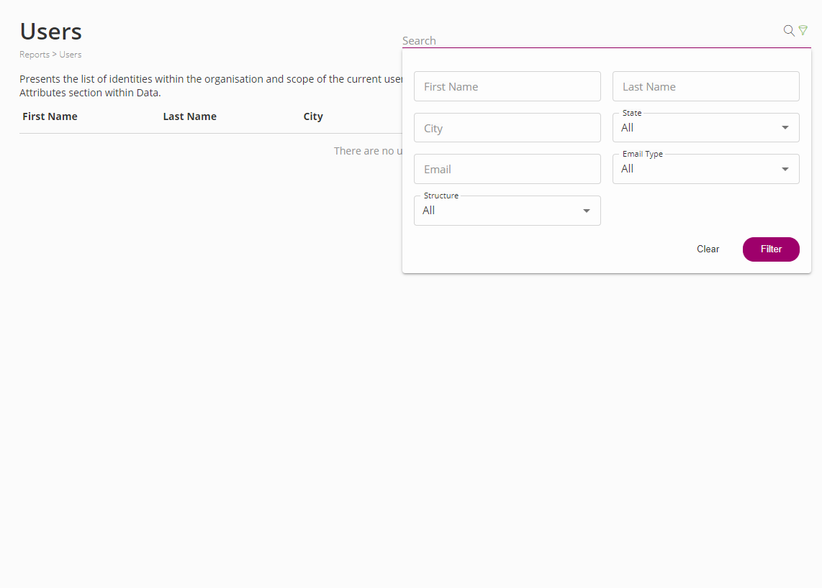
2_7 |  | Not able to add new users in "Org admin users" | 1. You have to sign in like Platform Admin | 1. Open site https://iwelcome-iwelcome.platform.ritm.loqed.io/admin/reports/users 2. Locate the bottom "Platform" icon on the left sidebar and click there 3. Select the button "Org admin users" 4. Click on "+Add user" 5. Fill out this form and try to send | Google Chrome 105.0.5195.102 | 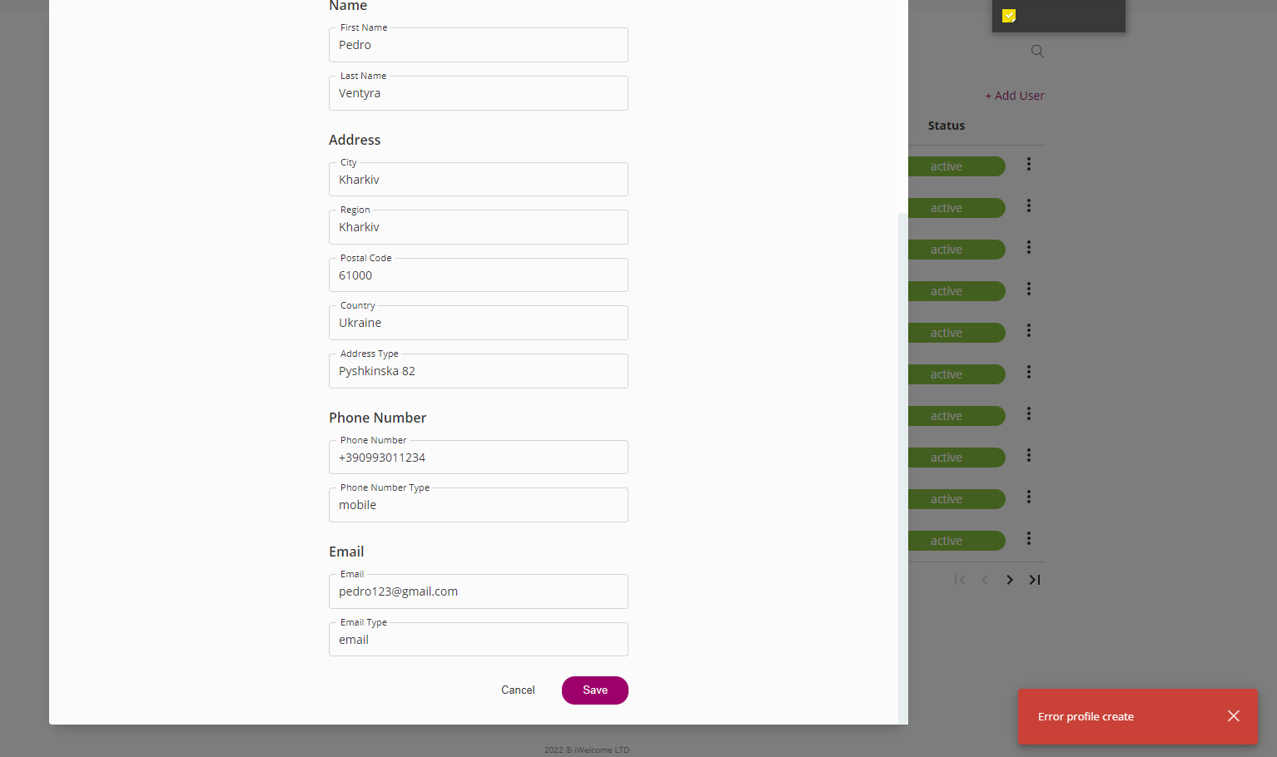
2_8 |  | Requests for changing roles are not displayed | 1. You have to sign in like Business User or Delegated Manager or Service Desk | 1. Open site https://iwelcome-iwelcome.platform.ritm.loqed.io/admin/reports/users 2. Click on "+ Request role" 3. Specify which type of role you need and send it | Google Chrome 105.0.5195.102 Mozilla Firefox 104.0.1
2_9 |  | Search in the "Schedule" is not work | 1. You have to sign in like Platform Admin | 1. Open site https://iwelcome-iwelcome.platform.ritm.loqed.io/admin/reports/users 2. Locate the bottom "Jobs" icon on the left sidebar and click there 3. Select the button "Schedule" 4. Try to use search | Google Chrome 105.0.5195.102 Mozilla Firefox 104.0.1 | 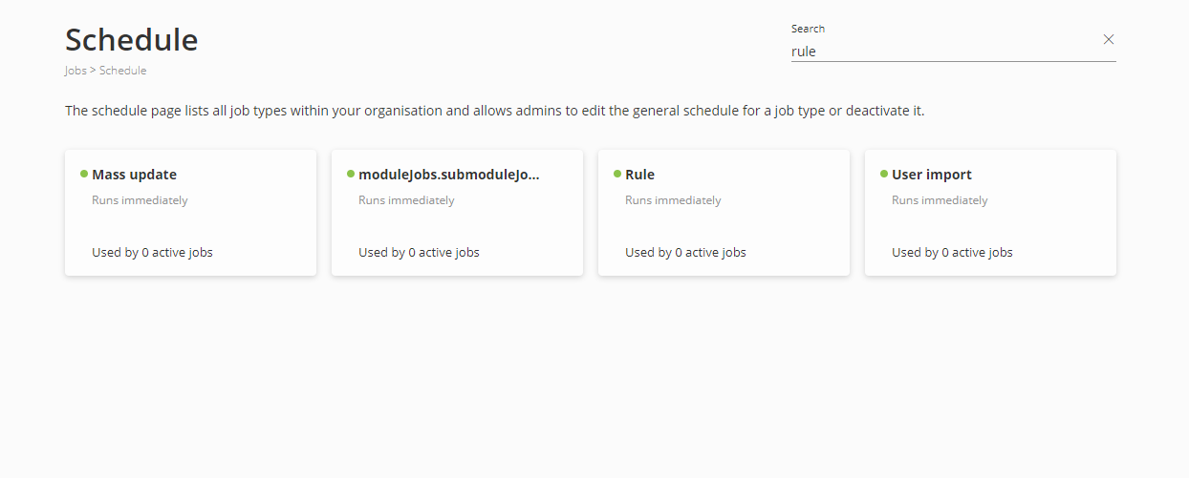
2_10 |  | The "All" element of the "State" filter in "Org admin users" does not work correctly | 1. You have to sign in like Platform Admin | 1. Open site https://iwelcome-iwelcome.platform.ritm.loqed.io/admin/reports/users 2. Locate the bottom "Platform" icon on the left sidebar and click there 3. Select the button "Org admin users" 4. Click on the filter-icon 5. Select any State and click 6. After selecting "All" and clicking again | Mozilla Firefox 104.0.1 | 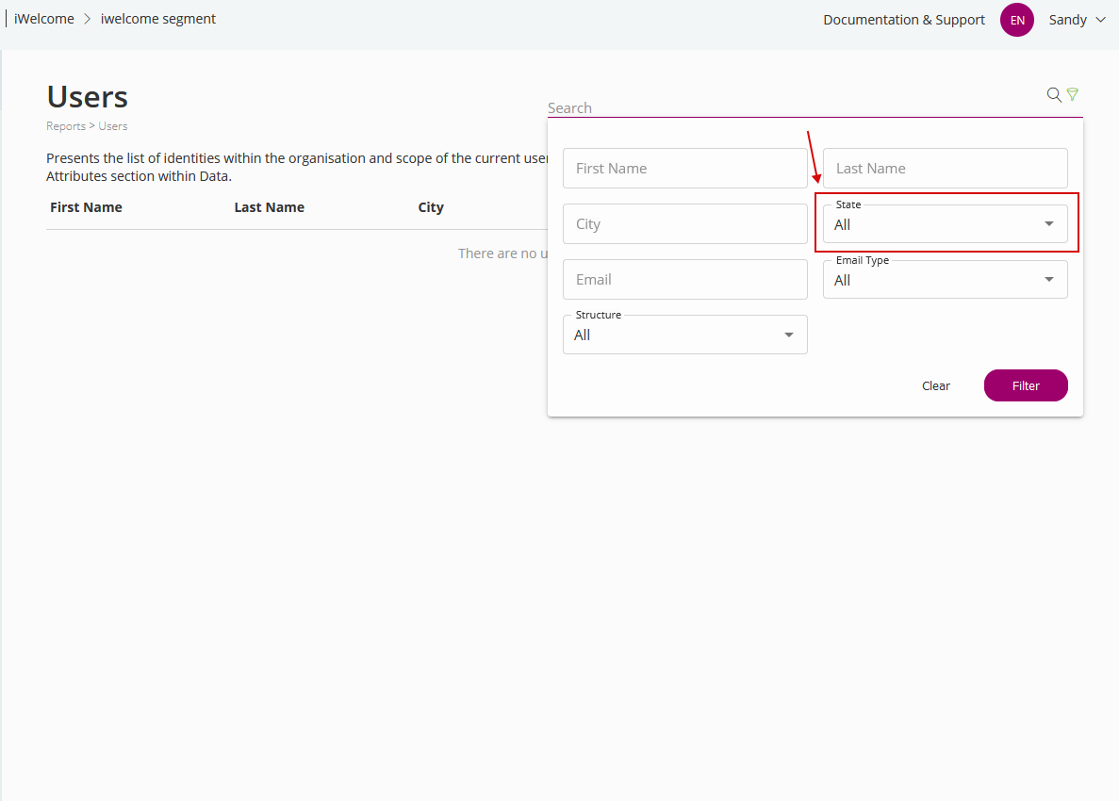
2_11 |  | It is possible to set the start date of the role in the past | 1. You must log in as someone who has the ability to assign a role to someone | 1. Open site https://iwelcome-iwelcome.platform.ritm.loqed.io/admin/reports/users 2. Locate the "Users" icon on the left sidebar and click there 3.3. Select the button "Management" 4. Select any person and click on three-point and access profile 5. Click on "Roles" and "+Add roles" 6. Select any roles and choose the date of start in the past | Google Chrome 105.0.5195.102 | 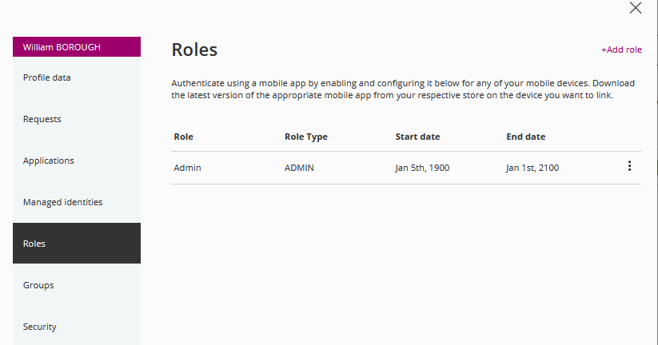
2_12 |  | Not able to setup the profile picture to any user except the business user | 1. You have to log in as someone who can`t set up the profile picture | 1. Open site https://iwelcome-iwelcome.platform.ritm.loqed.io/admin/reports/users 2. Click on your name in the upper right corner of the screen and select "Profile" | Mozilla Firefox 104.0.1 | 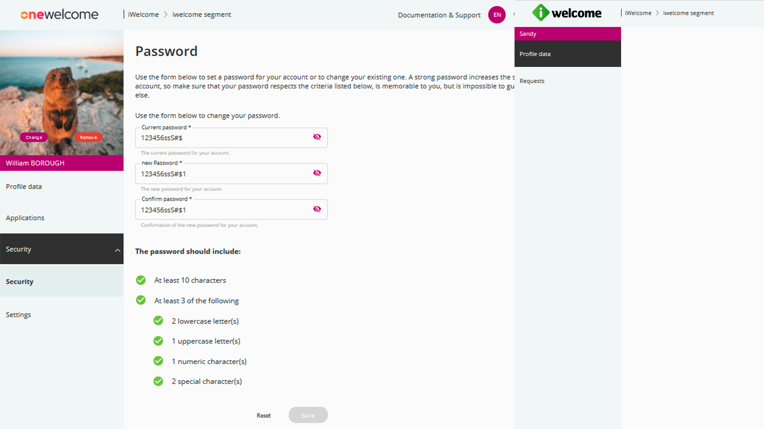
2_13 |  | A user who has been deprived of administrator rights retains some of the power before re-logging | 1. You must have administrator rights 2. You must lose administrator rights 3. You must not re-login | 1. Open site https://iwelcome-iwelcome.platform.ritm.loqed.io/admin/reports/users | Mozilla Firefox 104.0.1 | https://c2n.me/4gyKq6a.mp4
Regression
2_14

InsurGroup
3_1 |  | The verification window opens through the phone earlier than the verificationof the attached device | 1. You have to sign in like Platform Admin | 1. Open site https://insurgroup-insurgroup.platform.ritm.loqed.io/admin/reports/users 2. Locate the "Users" icon on the left sidebar and click there 3. Click on "Management" 4. Chose any user and click on three-point and choose verify caller | Google Chrome 105.0.5195.102 | https://clip2net.com/s/4gyQYWe
3_2 |  | No format check for phone number input | 1. You have to sign in | 1. Open site https://insurgroup-insurgroup.platform.ritm.loqed.io/admin/reports/users 2. Click on your name in the upper right corner of the screen and select "Profile" 3. Click on "Profile date" | Google Chrome 105.0.5195.102 | 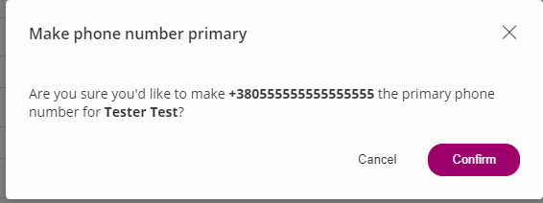
3_3 | нужно перетестировать на других аккаунтах | Can not able to save added groups | 1. You have to sign in | 1. Open site https://insurgroup-insurgroup.platform.ritm.loqed.io/admin/reports/users 2. Click on users -> management 3. Select any one of them, click on the 3-point icon, and access profile 4. Click on Group | Mozilla Firefox 104.0.1 | https://drive.google.com/file/d/1askSnZuur3iXuw1QJ5QT6_c_o_nRxlgr/view?usp=sharing
3_4 |  | Returning the default logo sets the logo for the Onewelcome site | 1. You have to sign in | 1. Open site https://insurgroup-insurgroup.platform.ritm.loqed.io/admin/reports/users 2. Click on Setting -> Customisation 3. Select "Styiling" 4. At the bottom of the page click on "Reset to default" | Mozilla Firefox 104.0.1 | https://drive.google.com/file/d/1fFd9QTb88BpNRWh7uXSjDCiVg8ZEFkUu/view?usp=sharing
3_5 |  | Wrong "All" work item when selecting the "State" item | 1. You have to sign in | 1. Open site https://insurgroup-insurgroup.platform.ritm.loqed.io/admin/reports/users 2. In the upper right corner, click on the filter 3. Select one of the "State" items and then return "All" | Mozilla Firefox 104.0.1 | https://drive.google.com/file/d/14QIwDGRCbn4zYhRV3c_2hfCEP8hGHf5F/view?usp=sharing
3_6 |  | Search in filters work only with full names | 1. You have to sign in | 1. Open site https://insurgroup-insurgroup.platform.ritm.loqed.io/admin/reports/users 2. Click on users -> management 3. In the upper right corner, click on the filter and enter an incomplete name or other valid data | Mozilla Firefox 104.0.1 | https://drive.google.com/file/d/1RfFJSYk-92kWIlHpqnPWOUQa4M2Gj-v7/view?usp=sharing
3_7 |  | Search in the application is unworking | 1. You have to sign in | 1. Open site https://insurgroup-insurgroup.platform.ritm.loqed.io/admin/reports/users 2. On the sidebar click on "Application" | Mozilla Firefox 104.0.1 | https://drive.google.com/file/d/1uGh5FlmqmVAHU5LKXnXYX_AFBTeROVK7/view?usp=sharing
3_8 |  | The space below the square with the color | 1. You have to sign in | 1. Open site https://insurgroup-insurgroup.platform.ritm.loqed.io/admin/reports/users 2. Click on Setting -> Customisation 3. Select "Styiling" | Mozilla Firefox 104.0.1 | https://drive.google.com/file/d/1QyU3z-oIGLy29K8ePyhLtFdqd5JFGnTF/view?usp=sharing
3_9 | It happens not only when you open your profile | Sometimes can't open own access profile | 1. You have to sign in like an admin | 1. Open site https://insurgroup-insurgroup.platform.ritm.loqed.io/admin/reports/users 2.Click on users -> management 3. Find your own account 4. Click on 3-point and select "Access profile" | Mozilla Firefox 104.0.1 | https://drive.google.com/file/d/16JSbJcytwh-KbeYq5YrIt04mZTalqrpS/view?usp=sharing
3_10 | нужно проверить на других акках, понять из-за чего на данном аккаунте воспроизводится баг | After saving a new group from the "InternalDefault" structure, the group disappears | 1. You have to sign in 2. In the filter select any Structure and Group | 1. Open site https://insurgroup-insurgroup.platform.ritm.loqed.io/admin/reports/users 2. Click on users -> management 3. Select any one of them, click on the 3-point icon, and access the profile 4. Click on Group 5. Add new structure and group and click "Save" | Mozilla Firefox 104.0.1 | https://drive.google.com/drive/folders/1JMOn0OIFb6JkTnMXqWZXBGL3Im-BW28B https://drive.google.com/file/d/1nQjxtNbDyRqCQGl-ALKLBK9gW8U6GhkK/view?usp=sharing
3_11 |  | sometimes the search doesn't work correctly | 1. You have to sign in | 1. Open site https://insurgroup-insurgroup.platform.ritm.loqed.io/admin/reports/users 2. In the search box in the right-hand corner, enter one of the users from the list below | Mozilla Firefox 104.0.1 | https://drive.google.com/file/d/1yd8juwFm6Obn_mmtTUGzJdpKb9Dh8u1t/view?usp=sharing
3_12 |  | The unnecessary question mark in the "Visible" column name | 1. You have to sign in | 1. Open site https://insurgroup-insurgroup.platform.ritm.loqed.io/admin/reports/users 2. On the sidebar click on data -> attributes ->attributes categories | Mozilla Firefox 104.0.1 | https://drive.google.com/file/d/1oDwRKNQfis4lngOeFu_eo4_wnnN49h1d/view?usp=sharing
3_13 |  | The unnecessary question mark in the "Visible", "In use" and "Default" columns name | 1. You have to sign in | 1. Open site https://insurgroup-insurgroup.platform.ritm.loqed.io/admin/reports/users 2. On the sidebar click on data -> attributes ->attributes categories | Mozilla Firefox 104.0.1 | https://drive.google.com/file/d/1SYEGQwovZLUZVgk1TKeHTzcN5HJxZg73/view?usp=sharing
3_14 |  | Point "All" does not appear in the field in the Application categories | 1. You have to sign in | 1. Open site https://insurgroup-insurgroup.platform.ritm.loqed.io/admin/reports/users 2. On the sidebar click on application -> application categories | Mozilla Firefox 104.0.1 | https://drive.google.com/file/d/1wK3iJyLipkg-lG3DR3ErC10DHOFalnm6/view?usp=sharing
3_15 |  | Point "All" does not appear in the field in the Application list | 1. You have to sign in | 1. Open site https://insurgroup-insurgroup.platform.ritm.loqed.io/admin/reports/users 2. On the sidebar click on application | Mozilla Firefox 104.0.1 | https://drive.google.com/file/d/1BSh0ib2qcmGh0RVYMmgwo0S9v6mhpJjj/view?usp=sharing
 |  |  |  | 1. Open site https://insurgroup-insurgroup.platform.ritm.loqed.io/admin/reports/users | Mozilla Firefox 104.0.1

