Titanic Dashboard
Survival Analytics: Data-Driven Insights from the Titanic Disaster

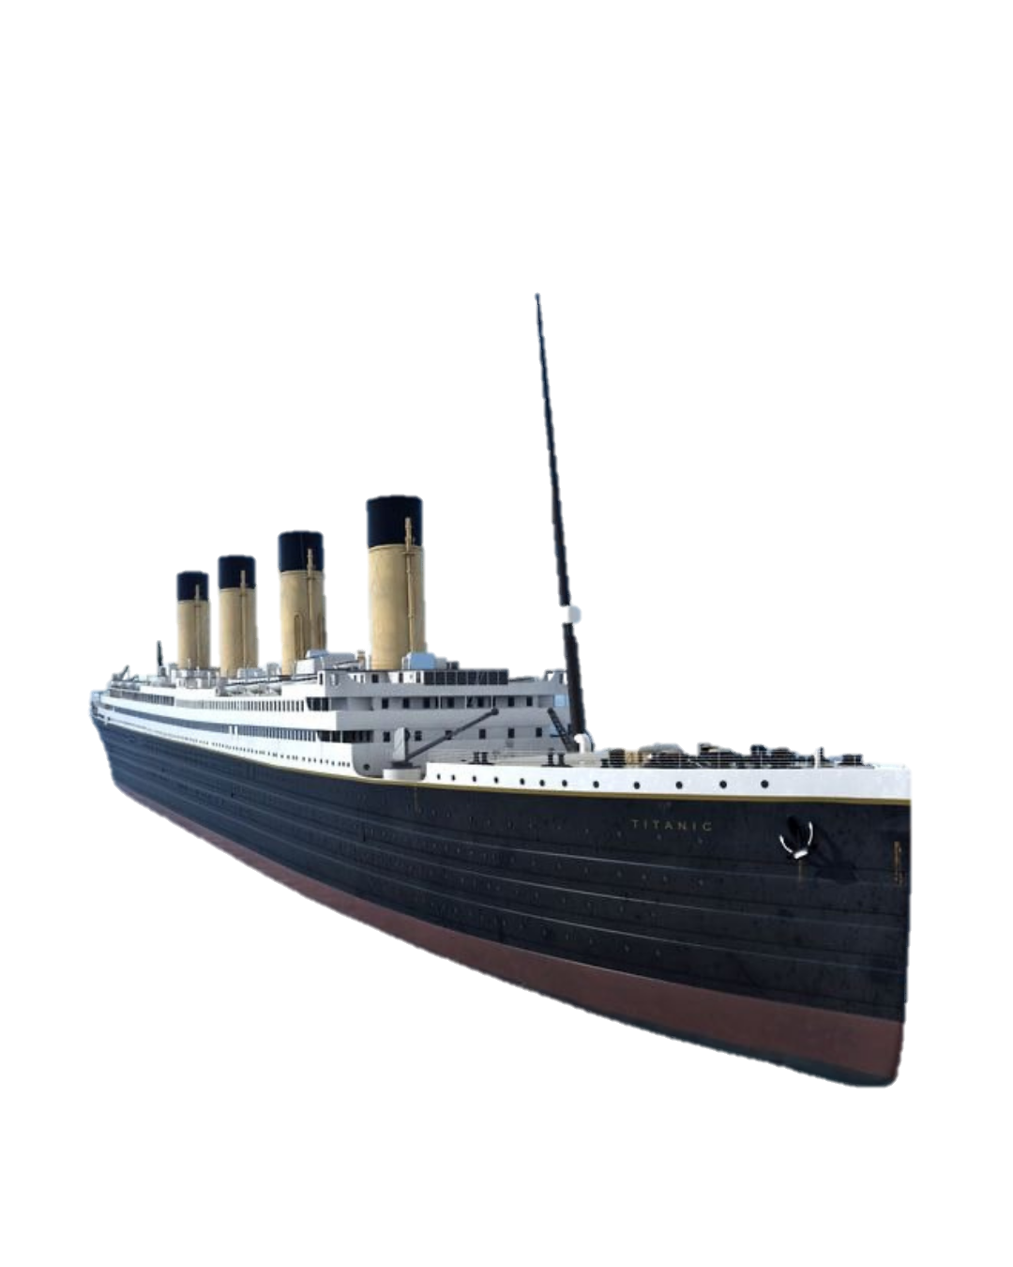

TOTAL NUMBER
OF PASSENGERS
891
AVERAGE AGE
30
TOTAL DEATH
549
TOTAL SURVIVED
342
SURVIVAL RATE
38%

Gender Distribution of Passengers
 | Total
female | 314

 |  |  |  | Distribution of Passenger Classes
 | Total
1st Class | 94
2nd Class | 76
3rd Class | 144

 |  | female | 314
 |  | male | 577

Survival Rate by Title |  |  |  |  |  |  | “Mrs” and “Miss” titles had highest survival, “Mr” had lowest. Titles effectively encode gender and age indirectly.
 | 0 (Not Survived) | 1 (Survived)
Miss | 29.7% | 70.3%
Mrs | 20.3% | 79.7%
Professional | 0.0% | 100.0%

 |  |  |  |  |  |  |  | Survival Rate by Class & Sex
 | female
1st Class | 100.00%
2nd Class | 100.00%
3rd Class | 100.00%

Survival Rate by Age Group |  |  |  |  | Children show higher survival.

 | 0 | 1
Adult | 21.4% | 78.6%
Child | 40.6% | 59.4%
Senior | 22.9% | 77.1%
Teen | 25.0% | 75.0%
Unknown | 32.1% | 67.9%

 |  |  |  |  |  |  |  |  | Survival Rate by Family Size

 | 0 (Not Survived) | 1 (Survived)
Alone | 21.4% | 78.6%
Large (4+) | 72.7% | 27.3%
Small (1-3) | 19.4% | 80.6%

 |  | Having a small family increased chances of survival.

Survival Rate vs Fare Group

Passengers Not Survived
 | 0 (Not Survived) | 1 (Survived)
Very High | 14.4% | 85.6%
High | 30.1% | 69.9%
Medium | 35.8% | 64.2%
Low | 30.2% | 69.8%

 |  |  |  |  | Higher fare = higher survival odds. Wealthier passengers were mostly in first-class cabins, rescued earlier.

 |  |  |  |  |  | Survival Rate by Embarkation Port
 | 0 (Not Survived) | 1 (Survived)
C (Cherbourg) | 12.3% | 87.7%
Q (Queenstown) | 25.0% | 75.0%
S (Southampton) | 30.7% | 69.3%

 | Passengers boarding at Cherbourg (C) had higher survival.

EDA
 | Survival Rate by Gender |  |  |  |  | Survival Rate by Age Group |  |  |  |  | Survival by Title (Role)

 | Count of PassengerId | Survival Rates |  |  |  | Count of PassengerId | Survival Rates |  |  |  | Count of PassengerId | Column Labels
 | Gender | 0 | 1 | Grand Total |  | Age Gropus | 0 | 1 | Grand Total |  | Title | 0 (Not Survived) | 1 (Survived) | Grand Total
 | female | 25.8% | 74.2% | 100.0% | Women survived at a rate of 74%, while men only 19%. | Adult | 21.4% | 78.6% | 100.0% | Children had the highest survival rate (~58%). | Miss | 29.7% | 70.3% | 100.0% | “Mrs” and “Miss” titles had highest survival, “Mr” had lowest.
 | Grand Total | 25.8% | 74.2% | 100.0% | Strong gender-based difference due to evacuation priority: "women and children first". | Child | 40.6% | 59.4% | 100.0% | “Women and children first” again reflected. | Mrs | 20.3% | 79.7% | 100.0% | Titles effectively encode gender and age indirectly.
 |  |  |  |  |  | Senior | 22.9% | 77.1% | 100.0% |  | Professional | 0.0% | 100.0% | 100.0%
 |  |  |  |  |  | Teen | 25.0% | 75.0% | 100.0% |  | Grand Total | 25.8% | 74.2% | 100.0%
 |  |  |  |  |  | Unknown | 32.1% | 67.9% | 100.0%
 |  |  |  |  |  | Grand Total | 25.8% | 74.2% | 100.0%

Survival Rate by Age Group

 | Survival by Passenger Class (Socioeconomic Status) |  |  |  |  | Survival by Family Size

 | Count of PassengerId | Survival Rates |  |  | Higher-class passengers had better survival odds: 1st class survived 63%, 3rd class only 25%. | Count of PassengerId | Survival Rates |  |  | Passengers traveling alone had a much lower survival rate.
 | Row Labels | 0 | 1 | Grand Total | Shows socioeconomic bias in rescue priority and cabin location. | Row Labels | 0 (Not Survived) | 1 (Survived) | Grand Total | Having a small family increased chances of survival.
 | 1 | 3.2% | 96.8% | 100.0% |  | Alone | 21.4% | 78.6% | 100.0%
 | 2 | 7.9% | 92.1% | 100.0% |  | Large (4+) | 72.7% | 27.3% | 100.0%
 | 3 | 50.0% | 50.0% | 100.0% |  | Small (1-3) | 19.4% | 80.6% | 100.0%
 | Grand Total | 25.8% | 74.2% | 100.0% |  | Grand Total | 25.8% | 74.2% | 100.0%

 | Survival by Embarkation Port |  |  |  |  | Fare vs Survival

 | Count of PassengerId | Survival Rates |  |  | Passengers boarding at Cherbourg (C) had higher survival (~55%) | Count of PassengerId | Survival Rates
 | Row Labels | 0 (Not Survived) | 1 (Survived) | Grand Total | possibly because more first-class passengers embarked there. | Row Labels | 0 (Not Survived) | 1 (Survived) | Grand Total
 | C (Cherbourg) | 12.3% | 87.7% | 100.0% |  | Very High | 14.4% | 85.6% | 100.0%
 | Q (Queenstown) | 25.0% | 75.0% | 100.0% |  | High | 30.1% | 69.9% | 100.0% | Higher fare = higher survival odds.
 | S (Southampton) | 30.7% | 69.3% | 100.0% |  | Medium | 35.8% | 64.2% | 100.0% | Wealthier passengers were mostly in first-class cabins, rescued earlier.
 | Grand Total | 25.8% | 74.2% | 100.0% |  | Low | 30.2% | 69.8% | 100.0%
 |  |  |  |  |  | Grand Total | 25.80% | 74.20% | 100.00%

Passengers Not Survived

Gender | Count of PassengerId |  | Classes | Count of PassengerId
female | 314 |  | 1st Class | 94
Grand Total | 314 |  | 2nd Class | 76
 |  |  | 3rd Class | 144
 |  |  | Grand Total | 314

Embarked | Count of PassengerId
C | 73
Q | 36
S | 205
Grand Total | 314

Survived | 1.00

Survived Passengers | Gender
Classes | female | Grand Total
1st Class | 100.00% | 100.00%
2nd Class | 100.00% | 100.00%
3rd Class | 100.00% | 100.00%
Grand Total | 100.00% | 100.00%

