Sumary
Instructions To generate your own custom price list, follow these simple instructions: Enter your discounts that have been agreed into the “YOUR DISCOUNT” column shown in Red Enter the mark up that you want in the “YOUR MARKUP” column shown in Blue This will generate your own custom price list. The Green tab called “Front Cover” you can fill it with your company details/ logo. Items that are marked NA are non-discountable, you can add a mark up. Once you are happy with the results you can “hide” this page for printing purposes. To hide this page right click on the “Sumary” tab at the bottom and select “Hide” from the options. To unhide right click on any of the tabs at the bottom and select “Unhide”

Important !
Vertical Blind
Discounts and Markups do not apply to brackets,
Chain Options etc
 | YOUR DISCOUNT | YOUR MARKUP
Slimline Vertical | 0.00% | 0.00%
SlimLline Vertical Head Rail Only | 0.00% | 0.00%
Nova Vertical | 0.00% | 0.00%
Nova Vertical Head Rail Only | 0.00% | 0.00%
Vogue Vertical | 0.00% | 0.00%
Vogue Head Rail Only | 0.00% | 0.00%
Vogue Motor, Remotes etc | NA | 0.00%
Vertical Fabric Only | 0.00% | 0.00%

Important !
Roller Blind
Discounts and Markups do not apply Extras
E.G
Chain Options, Springs, Bracket Covers, Endcaps
Handle Rebates, PF Konnect etc
Roller | 0.00% | 0.00%
Scallops | NA | 0.00%
Roller & Night / Day Motor, Remotes etc | NA | 0.00%
Metal Bottom Bar | NA | 0.00%
Cassettes & Fascias | NA | 0.00%
Fascias Cloth Cover | NA | 0.00%
Louvolite Grip 32 | NA | 0.00%
Perfect Fit Roller | 0.00% | 0.00%
Night & day | NA | 0.00%

Important !
Pleated Blind
Discounts and Markups do not apply to brackets,
Dual Pull Options, Wands etc
HC Faux Wood | 0.00% | 0.00%
HC Wood | 0.00% | 0.00%
HC Tilt Only Motor | NA | 0.00%
Infusions Faux | 0.00% | 0.00%

25mm Venetain | 0.00% | 0.00%
Perfect Fit 25mm Venetain | 0.00% | 0.00%

Important !
Perfect Fit Blinds
Discounts and Markups do not apply to brackets,
Handle Rebates etc
Freehanging Pleated | 0.00% | 0.00%
Sky Light Pleated | 1.00% | 0.00%
Perfect Fit Pleated | 0.00% | 0.00%

Perfect Fit Shutter Lite | NA | 0.00%

Front Cover


 | Enter you company details on this page

Feb 2026 Price List |  | All Prices Plus Vat
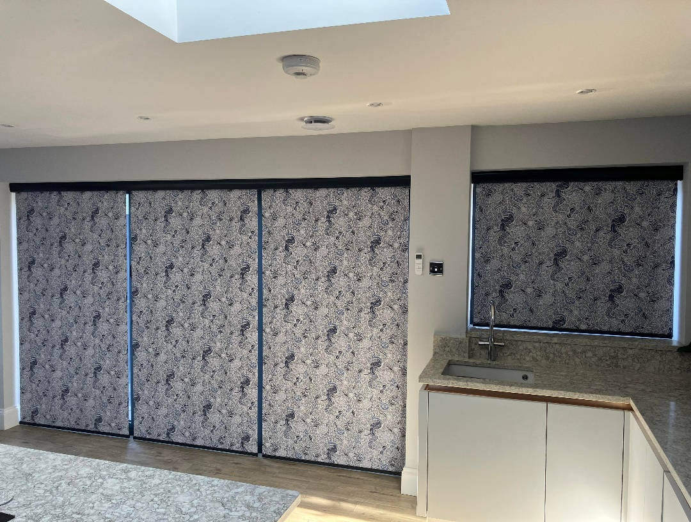

 |  | All Prices are + Vat

Gone are the days of having to carry your price lists
You can get a price in a snip using our mobile pricing
App using your smart phone / Tablet or PC
Why not give it a try?

Vogue Vertical
Band AAA
Metric |  | 0.800 | 1.200 | 1.600 | 2.000 | 2.400 | 2.800 | 3.200 | 3.600 | 4.000 | 4.400 | 4.800
 | Ins | 24.00'' | 48.00'' | 60.00'' | 84.00'' | 108.00'' | 132.00'' | 156.00'' | 190.00'' | 190.00'' | 190.00'' | 190.00''
0.800 | 31.50'' | 20.86 | 25.56 | 30.27 | 36.23 | 40.94 | 43.61 | 48.08 | 52.55 | 54.28 | 58.51 | 59.54
1.200 | 47.24'' | 22.03 | 27.32 | 32.61 | 39.16 | 44.45 | 47.50 | 52.53 | 57.55 | 59.54 | 64.31 | 65.51
1.600 | 62.99'' | 23.20 | 29.07 | 34.95 | 42.08 | 47.96 | 51.39 | 56.97 | 62.55 | 64.81 | 70.10 | 71.47
2.000 | 78.74'' | 24.37 | 30.83 | 37.29 | 45.01 | 51.47 | 55.28 | 61.42 | 67.55 | 70.07 | 75.89 | 77.44
2.400 | 94.49'' | 25.54 | 32.58 | 39.63 | 47.93 | 54.98 | 59.17 | 65.86 | 72.56 | 75.34 | 81.68 | 83.41
2.800 | 110.24'' | 26.71 | 34.34 | 41.97 | 50.86 | 58.49 | 63.06 | 70.31 | 77.56 | 80.60 | 87.47 | 89.37
3.200 | 125.98'' | 27.88 | 36.09 | 44.31 | 53.78 | 62.00 | 66.95 | 74.75 | 82.56 | 85.87 | 93.26 | 95.34
3.600 | 141.73'' | 29.05 | 37.85 | 46.65 | 56.71 | 65.51 | 70.84 | 79.20 | 87.56 | 91.13 | 99.05 | 101.31
4.000 | 157.48'' | 30.22 | 39.60 | 48.99 | 59.63 | 69.02 | 74.73 | 83.65 | 92.56 | 96.40 | 104.84 | 107.27
Band AA
Metric |  | 0.800 | 1.200 | 1.600 | 2.000 | 2.400 | 2.800 | 3.200 | 3.600 | 4.000 | 4.400 | 4.800
 | Ins | 24.00'' | 48.00'' | 60.00'' | 84.00'' | 108.00'' | 132.00'' | 156.00'' | 190.00'' | 190.00'' | 190.00'' | 190.00''
0.800 | 31.50'' | 22.65 | 28.25 | 33.85 | 40.72 | 46.32 | 49.57 | 54.89 | 60.21 | 62.35 | 67.39 | 68.68
1.200 | 47.24'' | 24.62 | 31.21 | 37.80 | 45.64 | 52.23 | 56.12 | 62.38 | 68.64 | 71.22 | 77.14 | 78.73
1.600 | 62.99'' | 26.59 | 34.17 | 41.74 | 50.57 | 58.14 | 62.68 | 69.87 | 77.07 | 80.09 | 86.90 | 88.79
2.000 | 78.74'' | 28.56 | 37.12 | 45.68 | 55.50 | 64.06 | 69.23 | 77.36 | 85.49 | 88.96 | 96.66 | 98.84
2.400 | 94.49'' | 30.54 | 40.08 | 49.62 | 60.43 | 69.97 | 75.79 | 84.85 | 93.92 | 97.83 | 106.42 | 108.89
2.800 | 110.24'' | 32.51 | 43.04 | 53.56 | 65.35 | 75.88 | 82.34 | 92.34 | 102.35 | 106.70 | 116.17 | 118.94
3.200 | 125.98'' | 34.48 | 45.99 | 57.51 | 70.28 | 81.80 | 88.89 | 99.83 | 110.77 | 115.57 | 125.93 | 129.00
3.600 | 141.73'' | 36.45 | 48.95 | 61.45 | 75.21 | 87.71 | 95.45 | 107.32 | 119.20 | 124.44 | 135.69 | 139.05
4.000 | 157.48'' | 38.42 | 51.91 | 65.39 | 80.14 | 93.62 | 102.00 | 114.81 | 127.62 | 133.31 | 145.44 | 149.10
Band A
Metric |  | 0.800 | 1.200 | 1.600 | 2.000 | 2.400 | 2.800 | 3.200 | 3.600 | 4.000 | 4.400 | 4.800
 | Ins | 24.00'' | 48.00'' | 60.00'' | 84.00'' | 108.00'' | 132.00'' | 156.00'' | 190.00'' | 190.00'' | 190.00'' | 190.00''
0.800 | 31.50'' | 24.13 | 30.47 | 36.81 | 44.41 | 50.76 | 54.49 | 60.51 | 66.54 | 69.00 | 74.71 | 76.23
1.200 | 47.24'' | 26.76 | 34.42 | 42.08 | 51.00 | 58.65 | 63.24 | 70.52 | 77.79 | 80.85 | 87.74 | 89.65
1.600 | 62.99'' | 29.40 | 38.37 | 47.34 | 57.58 | 66.55 | 72.00 | 80.52 | 89.04 | 92.70 | 100.77 | 103.08
2.000 | 78.74'' | 32.03 | 42.32 | 52.61 | 64.16 | 74.45 | 80.75 | 90.52 | 100.30 | 104.54 | 113.80 | 116.50
2.400 | 94.49'' | 34.66 | 46.27 | 57.87 | 70.74 | 82.34 | 89.50 | 100.53 | 111.55 | 116.39 | 126.83 | 129.93
2.800 | 110.24'' | 37.29 | 50.21 | 63.14 | 77.32 | 90.24 | 98.25 | 110.53 | 122.81 | 128.23 | 139.86 | 143.35
3.200 | 125.98'' | 39.93 | 54.16 | 68.40 | 83.90 | 98.14 | 107.01 | 120.53 | 134.06 | 140.08 | 152.89 | 156.78
3.600 | 141.73'' | 42.56 | 58.11 | 73.67 | 90.48 | 106.04 | 115.76 | 130.54 | 145.31 | 151.93 | 165.92 | 170.20
4.000 | 157.48'' | 45.19 | 62.06 | 78.93 | 97.06 | 113.93 | 124.51 | 140.54 | 156.57 | 163.77 | 178.95 | 183.63
Band B
Metric |  | 0.800 | 1.200 | 1.600 | 2.000 | 2.400 | 2.800 | 3.200 | 3.600 | 4.000 | 4.400 | 4.800
 | Ins | 24.00'' | 48.00'' | 60.00'' | 84.00'' | 108.00'' | 132.00'' | 156.00'' | 190.00'' | 190.00'' | 190.00'' | 190.00''
0.800 | 31.50'' | 26.26 | 33.66 | 41.07 | 49.73 | 57.14 | 61.56 | 68.60 | 75.63 | 78.58 | 85.24 | 87.07
1.200 | 47.24'' | 29.84 | 39.04 | 48.23 | 58.69 | 67.88 | 73.48 | 82.21 | 90.95 | 94.70 | 102.98 | 105.35
1.600 | 62.99'' | 33.42 | 44.41 | 55.40 | 67.65 | 78.63 | 85.39 | 95.83 | 106.26 | 110.82 | 120.71 | 123.62
2.000 | 78.74'' | 37.01 | 49.79 | 62.56 | 76.60 | 89.38 | 97.30 | 109.44 | 121.58 | 126.95 | 138.45 | 141.89
2.400 | 94.49'' | 40.59 | 55.16 | 69.73 | 85.56 | 100.13 | 109.22 | 123.06 | 136.90 | 143.07 | 156.18 | 160.17
2.800 | 110.24'' | 44.17 | 60.53 | 76.90 | 94.52 | 110.88 | 121.13 | 136.67 | 152.22 | 159.19 | 173.92 | 178.44
3.200 | 125.98'' | 47.76 | 65.91 | 84.06 | 103.48 | 121.63 | 133.04 | 150.29 | 167.53 | 175.32 | 191.65 | 196.71
3.600 | 141.73'' | 51.34 | 71.28 | 91.23 | 112.43 | 132.38 | 144.96 | 163.90 | 182.85 | 191.44 | 209.39 | 214.99
4.000 | 157.48'' | 54.92 | 76.66 | 98.39 | 121.39 | 143.13 | 156.87 | 177.52 | 198.17 | 207.56 | 227.13 | 233.26
Band C
Metric |  | 0.800 | 1.200 | 1.600 | 2.000 | 2.400 | 2.800 | 3.200 | 3.600 | 4.000 | 4.400 | 4.800
 | Ins | 24.00'' | 48.00'' | 60.00'' | 84.00'' | 108.00'' | 132.00'' | 156.00'' | 190.00'' | 190.00'' | 190.00'' | 190.00''
0.800 | 31.50'' | 29.69 | 38.80 | 47.92 | 58.30 | 67.42 | 72.96 | 81.62 | 90.28 | 94.00 | 102.21 | 104.56
1.200 | 47.24'' | 34.80 | 46.48 | 58.15 | 71.09 | 82.76 | 89.97 | 101.06 | 112.15 | 117.02 | 127.53 | 130.64
1.600 | 62.99'' | 39.92 | 54.15 | 68.38 | 83.88 | 98.11 | 106.98 | 120.50 | 134.02 | 140.04 | 152.85 | 156.73
2.000 | 78.74'' | 45.03 | 61.82 | 78.61 | 96.66 | 113.45 | 123.98 | 139.93 | 155.88 | 163.05 | 178.17 | 182.82
2.400 | 94.49'' | 50.15 | 69.49 | 88.84 | 109.45 | 128.80 | 140.99 | 159.37 | 177.75 | 186.07 | 203.49 | 208.90
2.800 | 110.24'' | 55.26 | 77.17 | 99.07 | 122.24 | 144.14 | 158.00 | 178.81 | 199.62 | 209.09 | 228.80 | 234.99
3.200 | 125.98'' | 60.38 | 84.84 | 109.30 | 135.03 | 159.49 | 175.00 | 198.24 | 221.48 | 232.11 | 254.12 | 261.08
3.600 | 141.73'' | 65.49 | 92.51 | 119.53 | 147.81 | 174.83 | 192.01 | 217.68 | 243.35 | 255.12 | 279.44 | 287.16
4.000 | 157.48'' | 70.61 | 100.18 | 129.76 | 160.60 | 190.18 | 209.02 | 237.12 | 265.22 | 278.14 | 304.76 | 313.25
Band D
Metric |  | 0.800 | 1.200 | 1.600 | 2.000 | 2.400 | 2.800 | 3.200 | 3.600 | 4.000 | 4.400 | 4.800
 | Ins | 24.00'' | 48.00'' | 60.00'' | 84.00'' | 108.00'' | 132.00'' | 156.00'' | 190.00'' | 190.00'' | 190.00'' | 190.00''
0.800 | 31.50'' | 32.15 | 42.50 | 52.85 | 64.46 | 74.81 | 81.15 | 90.98 | 100.81 | 105.08 | 114.40 | 117.11
1.200 | 47.24'' | 38.36 | 51.82 | 65.28 | 80.00 | 93.45 | 101.81 | 114.60 | 127.38 | 133.05 | 145.16 | 148.81
1.600 | 62.99'' | 44.58 | 61.14 | 77.71 | 95.53 | 112.10 | 122.48 | 138.22 | 153.95 | 161.02 | 175.93 | 180.51
2.000 | 78.74'' | 50.79 | 70.47 | 90.14 | 111.07 | 130.74 | 143.14 | 161.83 | 180.52 | 188.99 | 206.69 | 212.21
2.400 | 94.49'' | 57.01 | 79.79 | 102.57 | 126.61 | 149.39 | 163.81 | 185.45 | 207.09 | 216.96 | 237.46 | 243.91
2.800 | 110.24'' | 63.22 | 89.11 | 115.00 | 142.15 | 168.04 | 184.48 | 209.07 | 233.66 | 244.93 | 268.23 | 275.61
3.200 | 125.98'' | 69.44 | 98.44 | 127.43 | 157.69 | 186.68 | 205.14 | 232.69 | 260.23 | 272.90 | 298.99 | 307.30
3.600 | 141.73'' | 75.66 | 107.76 | 139.86 | 173.23 | 205.33 | 225.81 | 256.31 | 286.81 | 300.87 | 329.76 | 339.00
4.000 | 157.48'' | 81.87 | 117.08 | 152.29 | 188.76 | 223.97 | 246.48 | 279.93 | 313.38 | 328.83 | 360.52 | 370.70
Band E
Metric |  | 0.800 | 1.200 | 1.600 | 2.000 | 2.400 | 2.800 | 3.200 | 3.600 | 4.000 | 4.400 | 4.800
 | Ins | 24.00'' | 48.00'' | 60.00'' | 84.00'' | 108.00'' | 132.00'' | 156.00'' | 190.00'' | 190.00'' | 190.00'' | 190.00''
0.800 | 31.50'' | 35.63 | 47.72 | 59.81 | 73.16 | 85.25 | 92.72 | 104.21 | 115.69 | 120.75 | 131.63 | 134.87
1.200 | 47.24'' | 43.40 | 59.38 | 75.35 | 92.59 | 108.57 | 118.56 | 133.74 | 148.92 | 155.72 | 170.10 | 174.50
1.600 | 62.99'' | 51.17 | 71.03 | 90.90 | 112.02 | 131.88 | 144.40 | 163.27 | 182.14 | 190.69 | 208.57 | 214.14
2.000 | 78.74'' | 58.94 | 82.69 | 106.44 | 131.45 | 155.19 | 170.24 | 192.80 | 215.36 | 225.66 | 247.04 | 253.77
2.400 | 94.49'' | 66.72 | 94.35 | 121.98 | 150.88 | 178.51 | 196.08 | 222.33 | 248.59 | 260.63 | 285.50 | 293.41
2.800 | 110.24'' | 74.49 | 106.01 | 137.52 | 170.30 | 201.82 | 221.92 | 251.87 | 281.81 | 295.61 | 323.97 | 333.04
3.200 | 125.98'' | 82.26 | 117.66 | 153.07 | 189.73 | 225.14 | 247.76 | 281.40 | 315.03 | 330.58 | 362.44 | 372.68
3.600 | 141.73'' | 90.03 | 129.32 | 168.61 | 209.16 | 248.45 | 273.60 | 310.93 | 348.25 | 365.55 | 400.91 | 412.31
4.000 | 157.48'' | 97.80 | 140.98 | 184.15 | 228.59 | 271.77 | 299.44 | 340.46 | 381.48 | 400.52 | 439.38 | 451.94
Head Rail Only
Metric |  | 0.800 | 1.200 | 1.600 | 2.000 | 2.400 | 2.800 | 3.200 | 3.600 | 4.000 | 4.400 | 4.800
 | Ins | 24.00'' | 48.00'' | 60.00'' | 84.00'' | 108.00'' | 132.00'' | 156.00'' | 190.00'' | 190.00'' | 190.00'' | 190.00''
 |  | 14.18 | 16.96 | 19.73 | 23.77 | 26.55 | 29.32 | 32.10 | 34.87 | 37.65 | 40.42 | 43.20

 | **Premium Colours: Champagne Gold and Black +£3.00 per mtr
 | Multi Colour blinds priced with the most expensive fabric + 15% per colour
 | Sloping blinds max width X max drop + 30%

Bracket Options |  |  |  |  |  |  | Motorised (Tilt Only)
 |  | Metal Top Fix (White Standard) |  |  | 0.10 |  | Motor | 66.70
 |  | Black / Brown |  |  | 0.16 |  | Remote | 16.47
 |  |  |  |  |  |  | Charger | 11.07
 |  | 89/127mm Face Fix Wh |  |  | 0.26 |  | 3m cable | 7.54
 |  | 89/127mm Face Fix BR/BL |  |  | 0.39
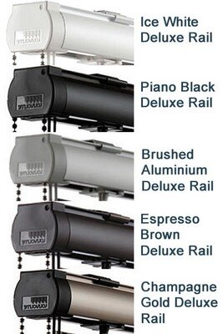

 |  | 140mm Face Fix WH/BR/BL |  |  | 1.16

 |  | Side Fix White only |  |  | 1.41

 |  |  | Adjustable Face Fix WH/BR/BL
 |  |  | 135-185mm |  | 1.95
 |  |  | 160-210mm |  | 1.95

Roller
Band AAA

DROP | Mtrs |  | 0.610 | 0.762 | 0.914 | 1.067 | 1.219 | 1.524 | 1.829 | 2.134 | 2.438 | 2.913 | 3.250 | 3.500
 |  | (ins) | 24.02'' | 30.00'' | 35.98'' | 42.01'' | 47.99'' | 60.00'' | 72.01'' | 84.02'' | 95.98'' | 114.69'' | 127.95'' | 137.80''
 | 0.610 | 24.02'' | 12.64 | 14.27 | 16.05 | 17.72 | 19.57 | 22.95 | 27.72 | 33.43 | 37.13 | 42.90 | 47.00 | 50.04
 | 0.762 | 30.00'' | 13.13 | 14.89 | 16.80 | 18.59 | 20.57 | 24.19 | 29.21 | 35.17 | 39.12 | 45.28 | 49.65 | 52.90
 | 0.914 | 35.98'' | 13.63 | 15.51 | 17.54 | 19.46 | 21.56 | 25.43 | 30.71 | 36.91 | 41.11 | 47.66 | 52.31 | 55.75
 | 1.067 | 42.01'' | 14.13 | 16.14 | 18.29 | 20.34 | 22.56 | 26.69 | 32.21 | 38.67 | 43.11 | 50.05 | 54.98 | 58.63
 | 1.219 | 47.99'' | 14.63 | 16.76 | 19.04 | 21.21 | 23.56 | 27.93 | 33.70 | 40.41 | 45.10 | 52.43 | 57.63 | 61.49
 | 1.524 | 60.00'' | 15.63 | 18.01 | 20.54 | 22.95 | 25.55 | 30.43 | 36.70 | 43.90 | 49.09 | 57.20 | 62.95 | 67.22
 | 1.829 | 72.01'' | 16.63 | 19.26 | 22.03 | 24.70 | 27.55 | 32.92 | 39.69 | 47.40 | 53.09 | 61.97 | 68.27 | 72.95
 | 2.134 | 84.02'' | 17.63 | 20.50 | 23.53 | 26.45 | 29.55 | 35.42 | 42.69 | 50.89 | 57.08 | 66.74 | 73.60 | 78.68
 | 2.438 | 95.98'' | 18.62 | 21.75 | 25.02 | 28.19 | 31.54 | 37.91 | 45.68 | 54.38 | 61.06 | 71.50 | 78.90 | 84.40
 | 2.913 | 114.69'' | 20.18 | 23.69 | 27.35 | 30.91 | 34.65 | 41.79 | 50.34 | 59.82 | 67.28 | 78.93 | 87.19 | 93.32
 | 3.250 | 127.95'' | 21.28 | 25.07 | 29.01 | 32.84 | 36.85 | 44.55 | 53.65 | 63.68 | 71.69 | 84.20 | 93.07 | 99.66
 | 3.500 | 137.80'' | 22.10 | 26.09 | 30.23 | 34.28 | 38.49 | 46.60 | 56.11 | 66.55 | 74.96 | 88.11 | 97.44 | 104.36
Band AA

DROP | Mtrs |  | 0.610 | 0.762 | 0.914 | 1.067 | 1.219 | 1.524 | 1.829 | 2.134 | 2.438 | 2.913 | 3.250 | 3.500
 |  | (ins) | 24.02'' | 30.00'' | 35.98'' | 42.01'' | 47.99'' | 60.00'' | 72.01'' | 84.02'' | 95.98'' | 114.69'' | 127.95'' | 137.80''
 | 0.610 | 24.02'' | 14.50 | 16.34 | 18.39 | 20.28 | 22.43 | 26.27 | 31.51 | 37.69 | 41.85 | 48.35 | 52.96 | 56.38
 | 0.762 | 30.00'' | 15.12 | 17.13 | 19.33 | 21.38 | 23.69 | 27.84 | 33.39 | 39.88 | 44.36 | 51.35 | 56.30 | 59.98
 | 0.914 | 35.98'' | 15.75 | 17.91 | 20.27 | 22.48 | 24.94 | 29.41 | 35.28 | 42.08 | 46.86 | 54.34 | 59.65 | 63.58
 | 1.067 | 42.01'' | 16.38 | 18.70 | 21.22 | 23.58 | 26.20 | 30.99 | 37.17 | 44.29 | 49.39 | 57.36 | 63.01 | 67.21
 | 1.219 | 47.99'' | 17.01 | 19.48 | 22.16 | 24.68 | 27.46 | 32.55 | 39.05 | 46.48 | 51.89 | 60.35 | 66.35 | 70.81
 | 1.524 | 60.00'' | 18.27 | 21.06 | 24.04 | 26.88 | 29.97 | 35.70 | 42.82 | 50.89 | 56.93 | 66.36 | 73.06 | 78.03
 | 1.829 | 72.01'' | 19.53 | 22.63 | 25.93 | 29.08 | 32.49 | 38.84 | 46.60 | 55.29 | 61.96 | 72.38 | 79.77 | 85.25
 | 2.134 | 84.02'' | 20.79 | 24.20 | 27.82 | 31.29 | 35.00 | 41.99 | 50.37 | 59.69 | 66.99 | 78.39 | 86.47 | 92.47
 | 2.438 | 95.98'' | 22.04 | 25.77 | 29.70 | 33.48 | 37.51 | 45.12 | 54.14 | 64.08 | 72.00 | 84.38 | 93.16 | 99.67
 | 2.913 | 114.69'' | 24.00 | 28.22 | 32.63 | 36.91 | 41.43 | 50.02 | 60.01 | 70.94 | 79.84 | 93.74 | 103.61 | 110.92
 | 3.250 | 127.95'' | 25.39 | 29.96 | 34.72 | 39.34 | 44.21 | 53.50 | 64.18 | 75.81 | 85.40 | 100.38 | 111.02 | 118.90
 | 3.500 | 137.80'' | 26.42 | 31.24 | 36.26 | 41.15 | 46.27 | 56.07 | 67.28 | 79.42 | 89.52 | 105.31 | 116.51 | 124.82

Band A

DROP | Mtrs |  | 0.610 | 0.762 | 0.914 | 1.067 | 1.219 | 1.524 | 1.829 | 2.134 | 2.438 | 2.913 | 3.250 | 3.500
 |  | (ins) | 24.02'' | 30.00'' | 35.98'' | 42.01'' | 47.99'' | 60.00'' | 72.01'' | 84.02'' | 95.98'' | 114.69'' | 127.95'' | 137.80''
 | 0.610 | 24.02'' | 16.21 | 18.49 | 21.07 | 23.41 | 26.15 | 30.92 | 37.09 | 44.19 | 49.28 | 57.23 | 62.87 | 67.05
 | 0.762 | 30.00'' | 17.10 | 19.60 | 22.40 | 24.96 | 27.92 | 33.13 | 39.74 | 47.29 | 52.82 | 61.46 | 67.58 | 72.13
 | 0.914 | 35.98'' | 17.98 | 20.70 | 23.72 | 26.51 | 29.69 | 35.34 | 42.40 | 50.39 | 56.36 | 65.69 | 72.30 | 77.21
 | 1.067 | 42.01'' | 18.88 | 21.82 | 25.06 | 28.07 | 31.47 | 37.57 | 45.07 | 53.51 | 59.92 | 69.94 | 77.05 | 82.33
 | 1.219 | 47.99'' | 19.76 | 22.92 | 26.39 | 29.62 | 33.24 | 39.78 | 47.73 | 56.61 | 63.46 | 74.17 | 81.77 | 87.41
 | 1.524 | 60.00'' | 21.54 | 25.14 | 29.05 | 32.73 | 36.79 | 44.22 | 53.06 | 62.83 | 70.57 | 82.66 | 91.24 | 97.61
 | 1.829 | 72.01'' | 23.32 | 27.36 | 31.71 | 35.84 | 40.34 | 48.66 | 58.39 | 69.04 | 77.67 | 91.15 | 100.71 | 107.81
 | 2.134 | 84.02'' | 25.09 | 29.58 | 34.38 | 38.95 | 43.90 | 53.11 | 63.72 | 75.26 | 84.77 | 99.64 | 110.18 | 118.01
 | 2.438 | 95.98'' | 26.87 | 31.80 | 37.03 | 42.05 | 47.44 | 57.53 | 69.03 | 81.46 | 91.85 | 108.10 | 119.62 | 128.17
 | 2.913 | 114.69'' | 29.63 | 35.25 | 41.18 | 46.89 | 52.97 | 64.45 | 77.33 | 91.14 | 102.92 | 121.32 | 134.37 | 144.05
 | 3.250 | 127.95'' | 31.60 | 37.71 | 44.12 | 50.32 | 56.89 | 69.35 | 83.22 | 98.01 | 110.77 | 130.70 | 144.83 | 155.32
 | 3.500 | 137.80'' | 33.06 | 39.53 | 46.31 | 52.87 | 59.80 | 72.99 | 87.58 | 103.11 | 116.59 | 137.65 | 152.60 | 163.68

Band B

DROP | Mtrs |  | 0.610 | 0.762 | 0.914 | 1.067 | 1.219 | 1.524 | 1.829 | 2.134 | 2.438 | 2.913 | 3.250 | 3.500
 |  | (ins) | 24.02'' | 30.00'' | 35.98'' | 42.01'' | 47.99'' | 60.00'' | 72.01'' | 84.02'' | 95.98'' | 114.69'' | 127.95'' | 137.80''
 | 0.610 | 24.02'' | 18.21 | 20.98 | 24.18 | 27.04 | 30.46 | 36.31 | 43.55 | 51.74 | 57.90 | 67.53 | 74.36 | 79.42
 | 0.762 | 30.00'' | 19.39 | 22.46 | 25.96 | 29.11 | 32.83 | 39.27 | 47.11 | 55.89 | 62.64 | 73.19 | 80.67 | 86.23
 | 0.914 | 35.98'' | 20.58 | 23.94 | 27.73 | 31.19 | 35.20 | 42.23 | 50.66 | 60.03 | 67.38 | 78.85 | 86.99 | 93.03
 | 1.067 | 42.01'' | 21.77 | 25.43 | 29.52 | 33.28 | 37.58 | 45.21 | 54.24 | 64.21 | 72.15 | 84.55 | 93.35 | 99.88
 | 1.219 | 47.99'' | 22.96 | 26.91 | 31.30 | 35.35 | 39.95 | 48.17 | 57.80 | 68.36 | 76.89 | 90.21 | 99.67 | 106.68
 | 1.524 | 60.00'' | 25.34 | 29.88 | 34.86 | 39.51 | 44.71 | 54.12 | 64.93 | 76.68 | 86.39 | 101.57 | 112.34 | 120.33
 | 1.829 | 72.01'' | 27.71 | 32.86 | 38.43 | 43.67 | 49.46 | 60.06 | 72.07 | 85.00 | 95.90 | 112.94 | 125.02 | 133.98
 | 2.134 | 84.02'' | 30.09 | 35.83 | 41.99 | 47.84 | 54.21 | 66.01 | 79.20 | 93.33 | 105.41 | 124.30 | 137.70 | 147.63
 | 2.438 | 95.98'' | 32.47 | 38.79 | 45.54 | 51.98 | 58.95 | 71.93 | 86.31 | 101.62 | 114.89 | 135.62 | 150.33 | 161.24
 | 2.913 | 114.69'' | 36.17 | 43.42 | 51.10 | 58.46 | 66.36 | 81.19 | 97.42 | 114.58 | 129.70 | 153.32 | 170.07 | 182.50
 | 3.250 | 127.95'' | 38.80 | 46.70 | 55.04 | 63.06 | 71.61 | 87.76 | 105.30 | 123.78 | 140.21 | 165.87 | 184.08 | 197.58
 | 3.500 | 137.80'' | 40.75 | 49.14 | 57.96 | 66.47 | 75.51 | 92.63 | 111.15 | 130.60 | 148.00 | 175.18 | 194.47 | 208.77

Band C

DROP | Mtrs |  | 0.610 | 0.762 | 0.914 | 1.067 | 1.219 | 1.524 | 1.829 | 2.134 | 2.438 | 2.913 | 3.250 | 3.500
 |  | (ins) | 24.02'' | 30.00'' | 35.98'' | 42.01'' | 47.99'' | 60.00'' | 72.01'' | 84.02'' | 95.98'' | 114.69'' | 127.95'' | 137.80''
 | 0.610 | 24.02'' | 21.86 | 25.55 | 29.89 | 33.70 | 38.37 | 46.20 | 55.43 | 65.59 | 73.72 | 86.43 | 95.45 | 102.14
 | 0.762 | 30.00'' | 23.60 | 27.72 | 32.49 | 36.74 | 41.84 | 50.54 | 60.63 | 71.66 | 80.66 | 94.73 | 104.70 | 112.10
 | 0.914 | 35.98'' | 25.34 | 29.88 | 35.09 | 39.78 | 45.31 | 54.87 | 65.84 | 77.74 | 87.60 | 103.02 | 113.95 | 122.07
 | 1.067 | 42.01'' | 27.08 | 32.07 | 37.71 | 42.83 | 48.80 | 59.24 | 71.08 | 83.85 | 94.59 | 111.36 | 123.26 | 132.09
 | 1.219 | 47.99'' | 28.82 | 34.24 | 40.31 | 45.87 | 52.27 | 63.58 | 76.28 | 89.92 | 101.52 | 119.65 | 132.51 | 142.05
 | 1.524 | 60.00'' | 32.30 | 38.59 | 45.53 | 51.96 | 59.23 | 72.28 | 86.73 | 102.11 | 115.45 | 136.29 | 151.07 | 162.04
 | 1.829 | 72.01'' | 35.79 | 42.94 | 50.75 | 58.06 | 66.19 | 80.98 | 97.17 | 114.30 | 129.37 | 152.92 | 169.63 | 182.03
 | 2.134 | 84.02'' | 39.27 | 47.29 | 55.97 | 64.15 | 73.16 | 89.69 | 107.62 | 126.48 | 143.29 | 169.56 | 188.20 | 202.02
 | 2.438 | 95.98'' | 42.74 | 51.63 | 61.17 | 70.22 | 80.09 | 98.36 | 118.03 | 138.63 | 157.17 | 186.14 | 206.70 | 221.94
 | 2.913 | 114.69'' | 48.17 | 58.41 | 69.30 | 79.71 | 90.94 | 111.92 | 134.30 | 157.61 | 178.86 | 212.05 | 235.60 | 253.07
 | 3.250 | 127.95'' | 52.02 | 63.21 | 75.07 | 86.45 | 98.63 | 121.53 | 145.84 | 171.08 | 194.24 | 230.43 | 256.11 | 275.16
 | 3.500 | 137.80'' | 54.87 | 66.78 | 79.35 | 91.44 | 104.33 | 128.67 | 154.40 | 181.07 | 205.65 | 244.07 | 271.32 | 291.54

Band D

DROP | Mtrs |  | 0.610 | 0.762 | 0.914 | 1.067 | 1.219 | 1.524 | 1.829 | 2.134 | 2.438 | 2.913 | 3.250 | 3.500
 |  | (ins) | 24.02'' | 30.00'' | 35.98'' | 42.01'' | 47.99'' | 60.00'' | 72.01'' | 84.02'' | 95.98'' | 114.69'' | 127.95'' | 137.80''
 | 0.610 | 24.02'' | 23.80 | 27.97 | 32.91 | 37.23 | 42.56 | 51.44 | 61.71 | 72.93 | 82.11 | 96.45 | 106.63 | 114.18
 | 0.762 | 30.00'' | 25.83 | 30.50 | 35.95 | 40.78 | 46.61 | 56.50 | 67.79 | 80.02 | 90.21 | 106.13 | 117.43 | 125.81
 | 0.914 | 35.98'' | 27.86 | 33.03 | 38.99 | 44.33 | 50.67 | 61.57 | 73.87 | 87.11 | 98.31 | 115.82 | 128.23 | 137.45
 | 1.067 | 42.01'' | 29.90 | 35.58 | 42.04 | 47.90 | 54.74 | 66.67 | 79.99 | 94.25 | 106.47 | 125.56 | 139.11 | 149.16
 | 1.219 | 47.99'' | 31.93 | 38.12 | 45.08 | 51.44 | 58.80 | 71.74 | 86.07 | 101.35 | 114.58 | 135.25 | 149.91 | 160.79
 | 1.524 | 60.00'' | 35.99 | 43.20 | 51.18 | 58.56 | 66.93 | 81.90 | 98.27 | 115.58 | 130.84 | 154.68 | 171.59 | 184.14
 | 1.829 | 72.01'' | 40.06 | 48.28 | 57.27 | 65.68 | 75.06 | 92.07 | 110.47 | 129.82 | 147.10 | 174.11 | 193.27 | 207.48
 | 2.134 | 84.02'' | 44.13 | 53.36 | 63.37 | 72.79 | 83.19 | 102.23 | 122.67 | 144.05 | 163.36 | 193.54 | 214.95 | 230.83
 | 2.438 | 95.98'' | 48.19 | 58.43 | 69.45 | 79.89 | 91.29 | 112.36 | 134.83 | 158.24 | 179.57 | 212.90 | 236.55 | 254.10
 | 2.913 | 114.69'' | 54.52 | 66.35 | 78.94 | 90.97 | 103.96 | 128.19 | 153.83 | 180.40 | 204.90 | 243.16 | 270.31 | 290.45
 | 3.250 | 127.95'' | 59.02 | 71.96 | 85.68 | 98.83 | 112.94 | 139.43 | 167.31 | 196.13 | 222.86 | 264.63 | 294.27 | 316.25
 | 3.500 | 137.80'' | 62.35 | 76.13 | 90.68 | 104.67 | 119.60 | 147.76 | 177.31 | 207.80 | 236.19 | 280.56 | 312.03 | 335.38

Band E

DROP | Mtrs |  | 0.610 | 0.762 | 0.914 | 1.067 | 1.219 | 1.524 | 1.829 | 2.134 | 2.438 | 2.913 | 3.250 | 3.500
 |  | (ins) | 24.02'' | 30.00'' | 35.98'' | 42.01'' | 47.99'' | 60.00'' | 72.01'' | 84.02'' | 95.98'' | 114.69'' | 127.95'' | 137.80''
 | 0.610 | 24.02'' | 27.24 | 32.26 | 38.27 | 43.49 | 49.99 | 60.73 | 72.87 | 85.94 | 96.97 | 114.21 | 126.45 | 135.52
 | 0.762 | 30.00'' | 29.78 | 35.44 | 42.08 | 47.94 | 55.08 | 67.09 | 80.50 | 94.84 | 107.14 | 126.37 | 140.00 | 150.12
 | 0.914 | 35.98'' | 32.33 | 38.62 | 45.90 | 52.39 | 60.17 | 73.45 | 88.13 | 103.74 | 117.32 | 138.52 | 153.56 | 164.72
 | 1.067 | 42.01'' | 34.89 | 41.82 | 49.73 | 56.87 | 65.28 | 79.85 | 95.81 | 112.71 | 127.55 | 150.75 | 167.21 | 179.42
 | 1.219 | 47.99'' | 37.43 | 45.00 | 53.55 | 61.33 | 70.37 | 86.21 | 103.44 | 121.61 | 137.72 | 162.91 | 180.77 | 194.02
 | 1.524 | 60.00'' | 42.54 | 51.38 | 61.20 | 70.26 | 80.57 | 98.96 | 118.75 | 139.47 | 158.13 | 187.29 | 207.98 | 223.32
 | 1.829 | 72.01'' | 47.65 | 57.75 | 68.85 | 79.19 | 90.78 | 111.72 | 134.06 | 157.34 | 178.54 | 211.68 | 235.18 | 252.62
 | 2.134 | 84.02'' | 52.75 | 64.13 | 76.50 | 88.12 | 100.98 | 124.48 | 149.37 | 175.20 | 198.95 | 236.06 | 262.39 | 281.92
 | 2.438 | 95.98'' | 57.84 | 70.49 | 84.13 | 97.02 | 111.16 | 137.19 | 164.63 | 193.01 | 219.29 | 260.37 | 289.51 | 311.12
 | 2.913 | 114.69'' | 65.80 | 80.43 | 96.04 | 110.94 | 127.05 | 157.06 | 188.48 | 220.83 | 251.08 | 298.34 | 331.88 | 356.75
 | 3.250 | 127.95'' | 71.44 | 87.47 | 104.50 | 120.80 | 138.32 | 171.16 | 205.40 | 240.57 | 273.63 | 325.29 | 361.94 | 389.13
 | 3.500 | 137.80'' | 75.62 | 92.70 | 110.77 | 128.13 | 146.69 | 181.62 | 217.95 | 255.21 | 290.36 | 345.28 | 384.24 | 413.14
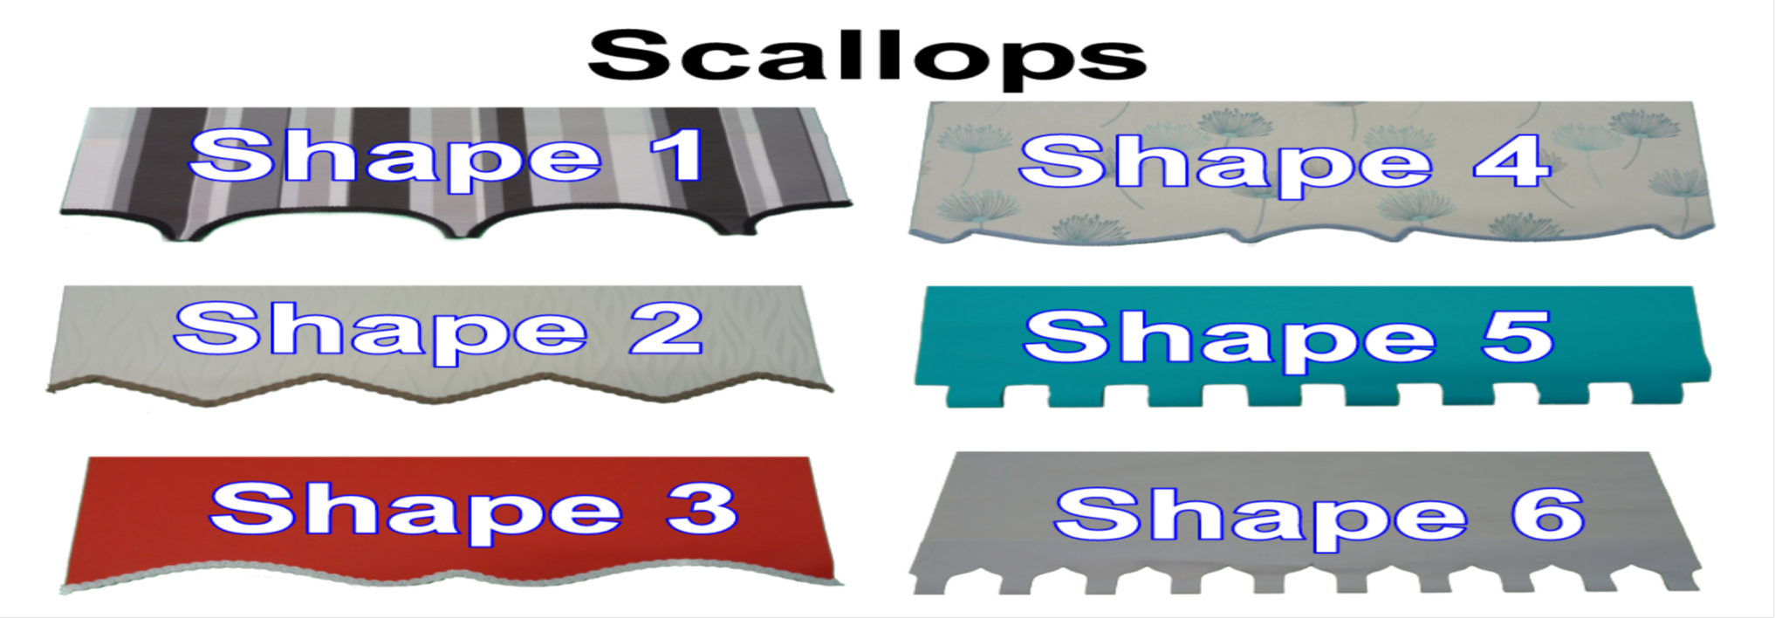

Braids Used From Decora Fabric Box : Matisse, Savini & Russo Ranges

Scallops
Standard Finish Braid (straight braid along the bottom bar)
(mm) | 0.610 | 0.762 | 0.914 | 1.067 | 1.219 | 1.524 | 1.829 | 2.134 | 2.438 | 2.913 | 3.250 | 3.500
(ins) | 24.02'' | 30.00'' | 35.98'' | 42.01'' | 47.99'' | 60.00'' | 72.01'' | 84.02'' | 95.98'' | 114.69'' | 127.95'' | 137.80''
Standard | 3.26 | 4.07 | 4.88 | 5.70 | 6.51 | 8.14 | 9.77 | 11.40 | 13.02 | 15.56 | 17.36 | 18.69

Scallops 1-6 No Braid
(mm) | 0.610 | 0.762 | 0.914 | 1.067 | 1.219 | 1.524 | 1.829 | 2.134 | 2.438 | 2.913 | 3.250 | 3.500
(ins) | 24.02'' | 30.00'' | 35.98'' | 42.01'' | 47.99'' | 60.00'' | 72.01'' | 84.02'' | 95.98'' | 114.69'' | 127.95'' | 137.80''
 | 2.14 | 2.67 | 3.20 | 3.73 | 4.27 | 5.33 | 6.40 | 7.47 | 8.53 | 10.20 | 11.38 | 12.25

Scallops 1-4 With Braid ( Braid not available for 5 & 6)
(mm) | 0.610 | 0.762 | 0.914 | 1.067 | 1.219 | 1.524 | 1.829 | 2.134 | 2.438 | 2.913 | 3.250 | 3.500
(ins) | 24.02'' | 30.00'' | 35.98'' | 42.01'' | 47.99'' | 60.00'' | 72.01'' | 84.02'' | 95.98'' | 114.69'' | 127.95'' | 137.80''
Standard | 4.71 | 5.88 | 7.05 | 8.23 | 9.41 | 11.76 | 14.12 | 16.47 | 18.82 | 22.48 | 25.08 | 27.01

Pole Scallop (Shapes 1,5 and 6 only) Metal Poles only,Chrome, Matt Brass, Matt Black Including Finials max Width 2.0mtrs
Mtrs | 0.610 | 0.762 | 0.914 | 1.067 | 1.219 | 1.524 | 1.829 | 2.000
(ins) | 24.02'' | 30.00'' | 35.98'' | 42.01'' | 47.99'' | 60.00'' | 72.01'' | 84.02''
 | 15.02 | 16.59 | 18.17 | 19.76 | 21.34 | 24.50 | 27.67 | 29.45

Poles | Shapes 1,5 and 6 Only
Wood Barrel Pulls |  |  |  | 1.20
Metallic Fabric Pull |  |  |  | 2.37

Optional Extras |  |  |  |  |  |  |  | Motorisation

Steel Op Chain |  |  |  | 2.00 | Per blind |  |  | Motor 32mm Tube |  |  | 40.29
Spring Mech |  |  |  | 7.70 | Per Blind | Louvolite |  | Motor 40mm Tube |  |  | 48.09
32mm Bracket Covers |  |  |  | 0.60 | Set |  |  | Hard Wire 40mm |  |  | 75.01
40mm Bracket Covers |  |  |  | 1.05 | Set |  |  | Remote Single Ch |  |  | 15.08
 |  |  |  |  |  |  |  | Remote 15 Ch |  |  | 20.54
 |  |  |  |  |  |  |  | Wall Mount 15 Ch |  |  | 28.60
 |  |  |  |  |  |  |  | Charger |  |  | 4.23
 |  |  |  |  |  |  |  | 3mtr Cable |  |  | 3.90
 |  |  |  |  |  |  |  | Mini Hub |  |  | 80.60
 |  |  |  |  |  |  |  | Hub |  |  | 109.20

Eclipse Senses Metal Bottom Bar (with Metal end caps)
Mtrs | 0.610 | 0.762 | 0.914 | 1.067 | 1.219 | 1.524 | 1.829 | 2.134 | 2.438 | 2.913 | 3.250 | 3.500
(ins) | 24.02'' | 30.00'' | 35.98'' | 42.01'' | 47.99'' | 60.00'' | 72.01'' | 84.02'' | 95.98'' | 114.69'' | 127.95'' | 137.80''
 | 3.92 | 4.63 | 5.33 | 6.04 | 6.75 | 8.16 | 9.57 | 10.99 | 12.40 | 14.60 | 16.16 | 17.32

Eclipse Senses Fascia All Colours (Fabric covered not available)
Mtrs | 0.610 | 0.762 | 0.914 | 1.067 | 1.219 | 1.524 | 1.829 | 2.134 | 2.438 | 2.913 | 3.250 | 3.500 | 3.900
(ins) | 24.02'' | 30.00'' | 35.98'' | 42.01'' | 47.99'' | 60.00'' | 72.01'' | 84.02'' | 95.98'' | 114.69'' | 127.95'' | 137.80'' | 153.54''
 | 10.22 | 11.47 | 12.72 | 13.99 | 15.24 | 18.38 | 20.90 | 23.41 | 25.92 | 29.84 | 32.62 | 34.68 | 37.98

Face Fix Bracket |  | 2.01 | each
Centre Support |  | 0.58 | each

Unishade 15mm Bottom Bar (with end caps)
Mtrs | 0.610 | 0.762 | 0.914 | 1.067 | 1.219 | 1.524 | 1.829 | 2.134 | 2.438 | 2.913 | 3.250 | 3.500
(ins) | 24.02'' | 30.00'' | 35.98'' | 42.01'' | 47.99'' | 60.00'' | 72.01'' | 84.02'' | 95.98'' | 114.69'' | 127.95'' | 137.80''
 | 1.76 | 2.12 | 2.48 | 2.85 | 3.21 | 3.94 | 4.67 | 5.40 | 6.12 | 7.26 | 8.06 | 8.66

Louvolite 70mm Cassette
Mtrs | 0.610 | 0.762 | 0.914 | 1.067 | 1.219 | 1.524 | 1.829 | 2.134 | 2.438 | 2.913 | 3.250 | 3.500 | 3.900 | 4.500
(ins) | 24.02'' | 30.00'' | 35.98'' | 42.01'' | 47.99'' | 60.00'' | 72.01'' | 84.02'' | 95.98'' | 114.69'' | 127.95'' | 137.80'' | 153.54'' | 177.17''
 | 8.16 | 9.49 | 10.83 | 12.17 | 13.50 | 16.88 | 19.56 | 22.24 | 24.90 | 29.07 | 32.03 | 34.22 | 37.73 | 42.29

Louvolite 40mm Cassette
Mtrs | 0.610 | 0.762 | 0.914 | 1.067 | 1.219 | 1.524 | 1.829 | 2.134 | 2.438 | 2.913 | 3.250 | 3.500 | 3.900 | 4.500
(ins) | 24.02'' | 30.00'' | 35.98'' | 42.01'' | 47.99'' | 60.00'' | 72.01'' | 84.02'' | 95.98'' | 114.69'' | 127.95'' | 137.80'' | 153.54'' | 177.17''
 | 6.94 | 7.97 | 9.00 | 10.04 | 11.07 | 13.84 | 15.91 | 17.98 | 20.04 | 23.26 | 25.54 | 27.24 | 29.95 | 33.32

Fabric Insert |  |  | 3.00 | mtr
Face Fix Bracket |  |  | 0.98 | each
Extension Face Fix Bracket |  |  | 1.13 | each

Louvolite Back Bar
Mtrs | 0.610 | 0.762 | 0.914 | 1.067 | 1.219 | 1.524 | 1.829 | 2.134 | 2.438 | 2.913 | 3.250 | 3.500 | 3.900 | 4.500
(ins) | 24.02'' | 30.00'' | 35.98'' | 42.01'' | 47.99'' | 60.00'' | 72.01'' | 84.02'' | 95.98'' | 114.69'' | 127.95'' | 137.80'' | 153.54'' | 177.17''
 | 5.39 | 6.03 | 6.67 | 7.32 | 7.96 | 9.96 | 11.25 | 12.54 | 13.82 | 15.83 | 17.26 | 18.31 | 20.01 | 21.84

Take note of the fabric widths as shown on the fabric labels, we do not recommend that any roller fabrics are turned to achieve wider widths. Fabrics turned will be done at your own risk and will negate any warranty.
Louvolite32 Grip Fit
Mtrs | 0.600 | 0.900 | 1.200 | 1.500 | 1.800 | 2.100
(ins) | 23.62'' | 35.43'' | 47.24'' | 59.06'' | 70.87'' | 82.68''
 | 18.14 | 20.77 | 23.40 | 26.04 | 28.67 | 31.30

Chrome End Caps |  | 3.15

Braids Poles Etc
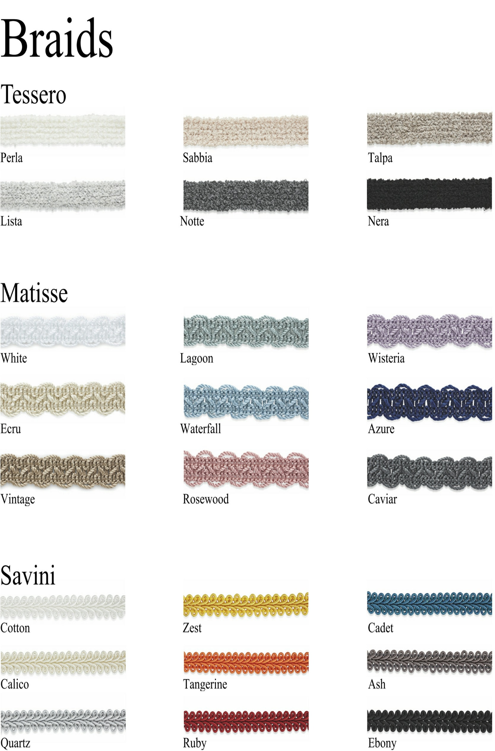

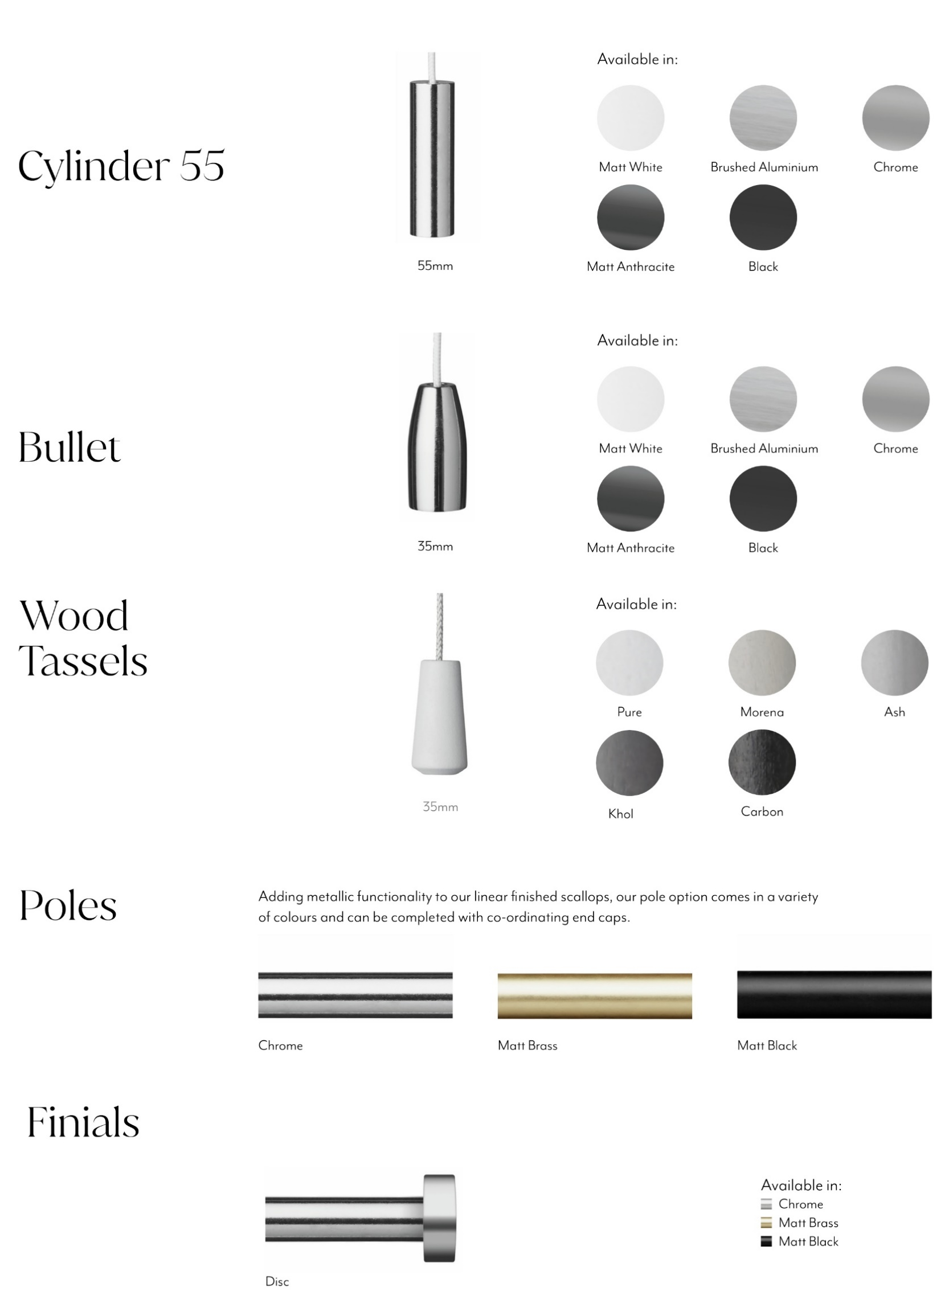

Infusions Spec
Specification Sheet (Faux Wood)

How to Order:
To ensure can process your orders as quickly and efficiently as possible the following information will need to be detailed on the order.

Measuring:
The width & drop must be specified to the nearest 0.1cm

 |  |  | Expressions | Urban | Essence
 |  | Min Width | 32cm | 32cm | 32cm
 |  | Max Width | 259cm | 240cm | 240cm
 |  | Min Drop | 20cm | 20cm | 20cm
 |  | Max Drop | 300cm | 300cm | 300cm
 |  | Max Area | 4.8 SQM | 4.8 SQM | 4.8 SQM
 |  | Recess Deduction | 1cm | 1cm | 1cm

The order needs to state which measurement has been taken. Please be aware of the following when measuring:

Exact - The measurement is the exact area you would like the blind to cover
Recess - This measurement is calculated by measuring the width from wall to wall inside the recess in three places
and the drop from the top of the recess to the window sill. Please note a small deduction in width will be made to
allow for fitting brackets inside the recess

No allowance made on on drops for either recess or exact. Drops made to tolerance of +/- 3mm on both blind & recess sizes

To help with the measuring & fitting of Infusion Blinds, you need to be aware of of the size of blind you will receive. Using a
100cm blind as example - the following specifications apply to all ranges within the Infusion Collection:

 |  |  |  | 100cm Exact | 100cm Recess
 |  | Headrail Width |  | 99.6cm | 98.6cm
 |  | Headrail Inc Brackets |  | 100cm | 99cm
 |  | Headrail & Valance |  | 101.6cm | 99cm
 |  | Slats Width |  | 100cm | 99cm

Headrail:
Please note that the headrail for each range is different

 |  |  | Expressions | Urban | Essence
 |  | Headrail Shape | Deco | U Shape | U Shape
 |  | Headrail Depth | 6.2cm | 5.9cm | 5.9cm
 |  | Headrail Height | 4cm | 4.1cm | 4.1cm
 |  | Headrail Material | PVC | Metal | PVC

Valance:
Valance style is different on all 3 ranges:

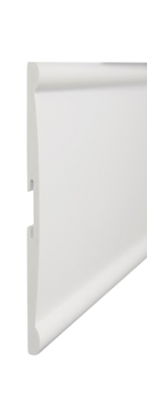
Expressions (Ramp): |  |  | Urban (Catenary): |  |  | Essence (Ramp):


Colours:
Please be aware that customised tape options are only available on Expressions range
For both Essence & Urban ranges - the tape colour shown below is the only option available for this colour

Expressions (25mm tape width) |  |  | Urban (38mm tape width) |  |  | Essence (38mm tape width)
Colour | Default Tape Colour |  | Colour | Tape Colour |  | Colour | Tape Colour
Snow (38mm) | N/A |  | Lily White | SUPER WHITE |  | Zenith White | SUPER WHITE
Snow (50mm) |  |  | Radiance White | SUPER WHITE |  | Ultra White | SUPER WHITE
Snow (63mm) | N/A |  | Pewter | LGREY |  | Glow White | WHITE
Cool White (38mm) | N/A |  | Seal | MGREY |  | Canvas | LCREAM
Cool White (50mm) |  |  | Halcyon | MGREY |  | Whisper | LCREAM
Astral |  |  | Dusk | MGREY |  | White Oak | LCREAM
Autumn Gold |  |  | Midnight | DGREY |  | Whicker | LCREAM
Chiffon |  |  |  |  |  | Cobble | LGREY
Cirrus |  |  |  |  |  | Harbour Grey | LGREY
Flint |  |  |  |  |  | Graphite Grey | LGREY
Greige |  |  |  |  |  | Moonshine | LGREY
Haze |  |  |  |  |  | Anchor | MGREY
Highshine White |  |  |  |  |  | Clove | DGREY
Medium Oak |  |  |  |  |  | Raven Black | DGREY
Misty Grey |  |  |  |  |  | Antique | TERRACOTA
Rustic Oak

 |  | NB - All Infusion blinds are 50mm slat unless stated otherwise above
 | NB2 - Please note that Expressions tapes are 25mm width. Urban & Essence range tapes are 38mm width.
 |  | NB3 - Please note tapes are only available on 50mm slat
 |  | NB4 - All blinds using tape are subject to 20% surcharge

Expressions Tape Colours:

Please be aware that customised tape options are only available on Expressions range and can be chosen from the following:

 |  | White | Graphite | Tan
 |  | Pearl | Taupe | Earth
 |  | Grey | Sand | Jet

Please be aware that all Expressions tapes are 25mm width and only available with 50mm slat. Urban & Essence tapes are 38mm width.

Ladder Schedule:
Blind Width | Expressions |  |  | Blind Width | Urban |  | Essence
 | No of Ladders | No of Cords |  |  | No of Ladders | No of Cords | No of Ladders | No of Cords
32cm - 55cm | 2 | 2 |  | 32cm - 58cm | 2 | 2 | 2 | 2
55.1cm - 91cm | 3 | 2 |  | 58.1cm - 86cm | 3 | 2 | 3 | 2
91.1cm - 127cm | 4 | 4 |  | 86.1cm - 114cm | 4 | 4 | 4 | 4
127.1cm - 151cm | 5 | 3 |  | 114.1cm - 156cm | 5 | 3 | 5 | 3
151.1cm - 187cm | 6 | 4 |  | 156.1cm - 184cm | 6 | 4 | 6 | 4
187.1cm - 223cm | 7 | 5 |  | 184.1cm - 226cm | 7 | 5 | 7 | 5
223.1cm - 240cm | 8 | 6 |  | 226.1cm - 240cm | 8 | 6 | 8 | 6
240.1cm - 259cm | 8 | 6

Stacking Heights:
Due to thickness of the slat it is important that the customer is aware of the stack size for the blinds.
For 50mm blinds with tape - this figure increases by 10%

 | Blind Drop | Expressions |  |  | Urban | Essence
 |  | 38mm | 50mm | 63mm | 50mm | 50mm
 | 65cm | 12cm | 13cm | 11cm | 12cm | 12cm
 | 100cm | 16cm | 15cm | 13cm | 14cm | 14cm
 | 150cm | 20cm | 18cm | 16cm | 18cm | 18cm
 | 200cm | 24cm | 21cm | 18cm | 21cm | 21cm
 | 250cm | 28cm | 24cm | 21cm | 24cm | 24cm
 | 300cm | 33cm | 27cm | 23cm | 27cm | 27cm

Pricing:

Expressions |  |  | Urban |  |  | Essence
Colour | Price Table |  | Colour | Price Table |  | Colour | Price Table
Snow (38mm) | C |  | Lily White | B |  | Zenith White | A
Snow (50mm) | C |  | Radiance White | B |  | Ultra White | A
Snow (63mm) | C |  | Pewter | B |  | Glow White | A
Cool White (38mm) | D |  | Seal | B |  | Canvas | A
Cool White (50mm) | D |  | Halcyon | B |  | Whisper | A
Astral | C |  | Dusk | B |  | White Oak | A
Autumn Gold | C |  | Midnight | B |  | Whicker | A
Chiffon | C |  |  |  |  | Cobble | A
Cirrus | C |  |  |  |  | Harbour Grey | A
Flint | C |  |  |  |  | Graphite Grey | A
Greige | C |  |  |  |  | Moonshine | A
Haze | C |  |  |  |  | Anchor | A
Highshine White | D |  |  |  |  | Clove | A
Medium Oak | C |  |  |  |  | Raven Black | A
Misty Grey | C |  |  |  |  | Antique | A
Rustic Oak | C

Ladder Position:

Blind Width |  | Expressions |  | Blind Width | Essence |  | Blind Width | Urban
32cm - 55cm |  | 140mm |  | 32cm - 58cm | 140mm |  | 32cm - 58cm | 148mm
55.1cm - 91cm |  | 140mm |  | 58.1cm - 86cm | 158mm |  | 58.1cm - 86cm | 158mm
91.1cm - 127cm |  | 140mm |  | 86.1cm - 114cm | 158mm |  | 86.1cm - 114cm | 158mm
127.1cm - 151cm |  | 140mm |  | 114.1cm - 156cm | 158mm |  | 114.1cm - 156cm | 158mm
151.1cm - 187cm |  | 140mm |  | 156.1cm - 184cm | 158mm |  | 156.1cm - 184cm | 158mm
187.1cm - 223cm |  | 140mm |  | 184.1cm - 226cm | 158mm |  | 184.1cm - 226cm | 158mm
223.1cm - 240cm* |  | 140mm |  | 226.1cm - 240cm | 158mm |  | 226.1cm - 240cm | 158mm

Hardware:
All blinds are available with top fix / face fix brackets. Larger blinds are supplied with any additional brackets as required
Expressions blinds are supplied with top / face fix clips. Side fix brackets available as option
Urban & Essence blinds are supplied with universal box brackets
For Urban & Essence orders that require Side fix / Extension / Swivel brackets can be ordered separately as stock item at the time of order
Part codes for brackets if required as below:

Bracket Type |  | Expressions | Urban | Essence
Side Fix Bracket
Extension Bracket
Swivel Bracket |  | 52260 | 52260 | 52260

Operation:
Cords are used to raise & lower the blinds
Each blind is tilted on left hand side & raised / lowered on right side
All control cords and acorns are colour co-ordinated with the slat colour chosen
A cord consoliadtor is fitted to all blinds to assist with child safety

Additional Information:
Mixed colour blinds are not available

Cell SkyLight
Band VFM

Metric | Width | 0.400 | 0.500 | 0.600 | 0.700 | 0.800 | 0.900 | 1.000 | 1.100 | 1.200 | 1.300 | 1.400
Drop | Imperial | 15.75'' | 19.69'' | 23.62'' | 27.56'' | 31.50'' | 35.43'' | 39.37'' | 43.31'' | 47.24'' | 51.18'' | 55.12''
0.600 | 23.62'' | 29.64 | 32.60 | 36.31 | 39.27 | 43.20 | 46.16 | 49.12 | 52.25 | 56.19 | 63.11 | 66.07
1.000 | 39.37'' | 32.47 | 36.03 | 40.74 | 44.30 | 48.84 | 52.40 | 55.97 | 59.70 | 64.24 | 71.77 | 75.33
1.500 | 59.06'' | 36.98 | 41.30 | 47.24 | 51.56 | 56.85 | 61.17 | 65.49 | 69.98 | 75.28 | 83.56 | 87.87
2.000 | 78.74'' | 41.49 | 46.56 | 53.74 | 58.81 | 64.87 | 69.94 | 75.01 | 80.26 | 86.31 | 95.35 | 100.42
2.500 | 98.43'' | 45.03 | 50.86 | 59.28 | 65.10 | 71.91 | 77.74 | 83.57 | 89.57 | 96.38 | 106.17 | 112.00
3.000 | 118.11'' | 48.57 | 55.15 | 64.81 | 71.40 | 78.96 | 85.54 | 92.13 | 98.89 | 106.45 | 116.99 | 123.58
Band VFM BO

Metric | Width | 0.400 | 0.500 | 0.600 | 0.700 | 0.800 | 0.900 | 1.000 | 1.100 | 1.200 | 1.300 | 1.400
Drop | Imperial | 15.75'' | 19.69'' | 23.62'' | 27.56'' | 31.50'' | 35.43'' | 39.37'' | 43.31'' | 47.24'' | 51.18'' | 55.12''
0.600 | 23.62'' | 31.63 | 35.09 | 39.30 | 42.76 | 47.19 | 50.65 | 54.11 | 57.74 | 62.17 | 69.59 | 73.05
1.000 | 39.37'' | 35.80 | 40.19 | 45.73 | 50.12 | 55.49 | 59.89 | 64.28 | 68.85 | 74.22 | 82.58 | 86.97
1.500 | 59.06'' | 41.97 | 47.53 | 54.72 | 60.29 | 66.83 | 72.40 | 77.96 | 83.70 | 90.24 | 99.77 | 105.34
2.000 | 78.74'' | 48.14 | 54.88 | 63.72 | 70.46 | 78.17 | 84.91 | 91.64 | 98.55 | 106.27 | 116.97 | 123.70
2.500 | 98.43'' | 53.34 | 61.25 | 71.75 | 79.66 | 88.54 | 96.45 | 104.36 | 112.44 | 121.33 | 133.19 | 141.10
3.000 | 118.11'' | 58.55 | 67.62 | 79.78 | 88.86 | 98.91 | 107.99 | 117.07 | 126.33 | 136.38 | 149.42 | 158.50

Colours Available:
* White
* Silver
* Black
* Brown
* Anthracite Grey
* Tan
Size Restrictions
Skylight: Min Width 200 - MaxWidth 1400 - Max Drop 3000

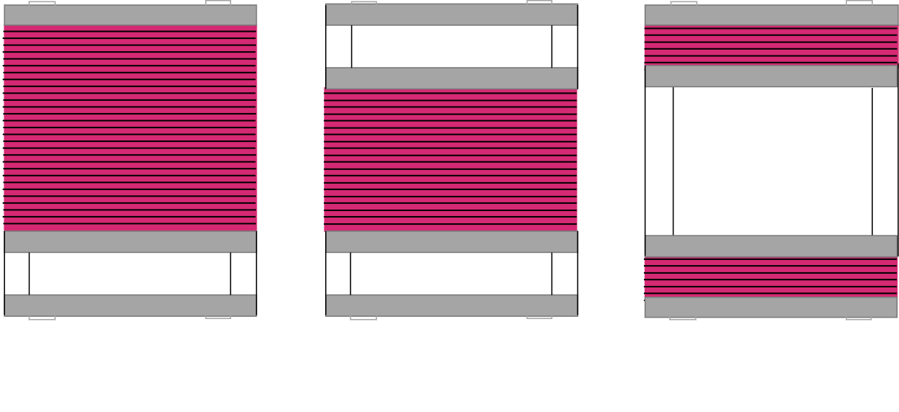
Operation Styles
 |  |  |  |  |  |  |  |  |  | Handles and Controls
 |  |  |  |  |  |  |  |  |  | Clear,White,Brown,Tan
 |  |  |  |  |  |  |  |  |  | Grey,Anthracite

 |  |  |  |  |  |  |  |  |  | Wands

Standard SkyLight |  |  | Duo Pull SkyLight |  |  | Duo Meet SkyLight
 |  |  |  | 7.50 |  |  | 7.50
 |  |  | Per Mtr Width |  |  | Per Mtr Width

 |  |  |  |  |  | Twist lock handles and wand are available, please
 |  |  |  |  |  | state when ordering if required. 2mtr Long

 |  |  |  |  |  | Standard | 9.99 | Twist Lock | 11.99
Bracket Options
Top Fix Std |  | FF | 1.09 | 40mm FF | 2.30 |  | 70mm FF | 2.30

Cell PF Standard Frame
Band VFM
Metric | Width | 0.400 | 0.500 | 0.600 | 0.700 | 0.800 | 0.900 | 1.000 | 1.100 | 1.200 | 1.300 | 1.400
Drop | Imperial | 15.75'' | 19.69'' | 23.62'' | 27.56'' | 31.50'' | 35.43'' | 39.37'' | 43.31'' | 47.24'' | 51.18'' | 55.12''
0.400 | 15.75'' | 33.57 | 36.67 | 40.57 | 43.67 | 46.76 | 49.86 | 52.96 | 56.77 | 59.86 | 65.96 | 69.06
0.800 | 31.50'' | 39.66 | 43.37 | 47.97 | 51.68 | 55.39 | 59.10 | 62.80 | 67.22 | 70.93 | 77.64 | 81.35
1.200 | 47.24'' | 45.98 | 50.30 | 55.59 | 59.91 | 64.23 | 68.55 | 72.87 | 77.90 | 82.22 | 89.54 | 93.86
1.600 | 62.99'' | 52.07 | 57.00 | 62.99 | 67.92 | 72.85 | 77.78 | 82.71 | 88.35 | 93.28 | 101.21 | 106.14
2.000 | 78.74'' | 58.16 | 63.70 | 70.39 | 75.93 | 81.47 | 87.02 | 92.56 | 98.80 | 104.34 | 112.88 | 118.43
2.400 | 94.49'' | 64.25 | 70.40 | 77.79 | 83.94 | 90.10 | 96.25 | 102.40 | 109.26 | 115.41 | 124.56 | 130.71
Band VFM BO
Metric | Width | 0.400 | 0.500 | 0.600 | 0.700 | 0.800 | 0.900 | 1.000 | 1.100 | 1.200 | 1.300 | 1.400
Drop | Imperial | 15.75'' | 19.69'' | 23.62'' | 27.56'' | 31.50'' | 35.43'' | 39.37'' | 43.31'' | 47.24'' | 51.18'' | 55.12''
0.400 | 15.75'' | 34.92 | 38.35 | 42.58 | 46.02 | 49.45 | 52.89 | 56.32 | 60.46 | 63.90 | 70.33 | 73.77
0.800 | 31.50'' | 42.35 | 46.73 | 52.00 | 56.38 | 60.76 | 65.14 | 69.52 | 74.61 | 78.99 | 86.37 | 90.75
1.200 | 47.24'' | 50.01 | 55.34 | 61.64 | 66.97 | 72.29 | 77.62 | 82.95 | 88.98 | 94.31 | 102.64 | 107.97
1.600 | 62.99'' | 57.44 | 63.72 | 71.06 | 77.33 | 83.60 | 89.88 | 96.15 | 103.13 | 109.41 | 118.68 | 124.95
2.000 | 78.74'' | 64.88 | 72.10 | 80.47 | 87.69 | 94.91 | 102.13 | 109.35 | 117.28 | 124.50 | 134.72 | 141.94
2.400 | 94.49'' | 72.31 | 80.48 | 89.89 | 98.05 | 106.22 | 114.39 | 122.56 | 131.43 | 139.60 | 150.76 | 158.93

Standard Perfect Fit |  |  |  | Dual Pull Perfect Fit |  |  |  |  | Dual Meet Perfect Fit

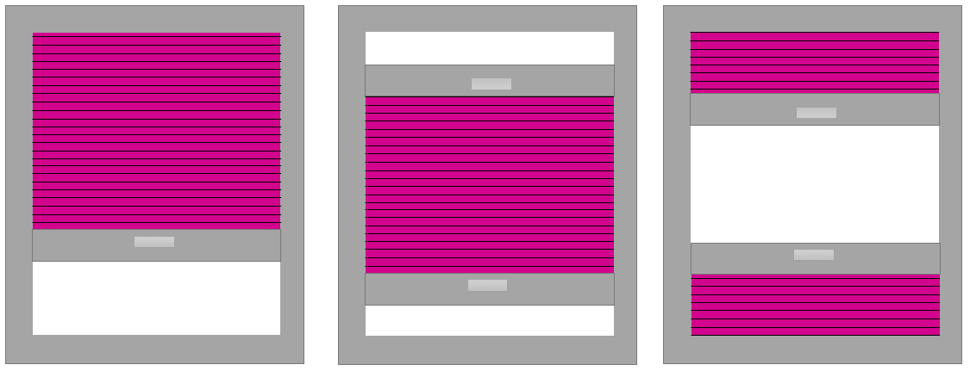

Additional Cost of Dual Pull

Metric |  | 0.400 | 0.500 | 0.600 | 0.700 | 0.800 | 0.900 | 1.000 | 1.100 | 1.200 | 1.300 | 1.400
 | Ins | 15.75'' | 19.69'' | 23.62'' | 27.56'' | 31.50'' | 35.43'' | 39.37'' | 43.31'' | 47.24'' | 51.18'' | 55.12''
Dual Pull |  | 6.48 | 7.48 | 8.48 | 9.47 | 10.47 | 11.46 | 12.46 | 13.46 | 14.45 | 15.45 | 16.44
Dual Meet |  | 7.92 | 9.28 | 10.64 | 11.99 | 13.35 | 14.71 | 16.06 | 17.42 | 18.77 | 20.13 | 21.49

Folding Handle |  | 1.50
Handle Rebate |  | 1.16

Pleated Spec
Perfect Fit Pleated Specifications

Special Frames: Golden Oak & Mahogany
Standard Frames: White, Black, Brown, Anthracite Grey, Matt Grey

BLACK

Head Rail Colours: White, Silver, Black, Brown, Anthracite Grey, Tan

Brackets sizes: 18mm /20mm /22mm /24mm /26mm /28mm /30mm /32mm /38mm

Bracket Colours : White, Unpainted, Brown, Anthracite Grey* & Black

Size Limitations : Min Width 80 - MaxWidth 1400 - Max Drop 2400

Handles |  | Window packing piece available in 2mm & 6mm

(Clear, White, Brown, Tan, Light Grey, Brown, Anthracite) |  | (White, Brown, Tan, Light Grey, Brown, Anthracite)

Fabrics

Iverea | VFM
Iverea BO | VFM BO
Lexington | VFM
Lexington BO | VFM BO

PF Shutter Info
Important Stuff to Know

Bay Windows with opening windows will have different heights, as such the louvres will not match in height!

Air Vents and other obstructions

Your PF shutter frame will overlap the window frame by 25mm from the glass.
This should be enough clearance for vents and handles.

Always double check!

Handle Positions

Never assume the handles are central
For Left and Right Handles measure from Bottom up to the Centre of the handle
For Top and Bottom handles measure from the Left

Always from the Glass not the window frame!

Wide Windows

The maximum panel width is750mm glass size, a window larger than this will need 2, 3 or more panels, depending on size. To calculate the size of the panels dived the glass width y the number of panels you need, ensuring you do not go over the maximum size of 750mm.
For Example, a 1200mm wide window divided by 4 would give 4 panels of 300mm width.

Wide Windows with Handles
If the handle is at the bottom or top and in the middle, you will need an odd number of panels because the handle rebate can’t be cut out across 2 panels.

Multi Panels will always have a astragal to cover the gaps between the panels to give a neat finish

Light
The PF Shutter is not blackout and should never be sold as such.
The top and bottom rails are 6mm thinner than the side rails which will give a 3mm gap against the window. Always inform your customer to avoid issues down the road.

Clips
As standard you will have 4 clips, 2 at the bottom and 2 at the top
If the side rails are longer then 1mtr you will also have 1 side clip on each side at the centre.

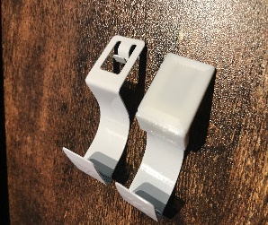
Exclusive Stuff (Clip Covers & Shims)
Clip covers, the clips are not especially pleasing to the eye.
We have developed and made a “cover” to give a more finished
Look, these are excusive to us designed and 3D printed in house
They will included with every order at no cost!

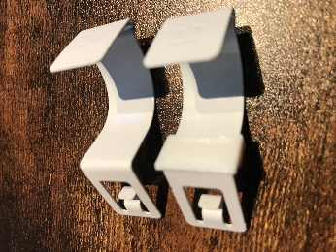
Shims, we also have a range of “packing” shims that sit behind the clip and the window frame, which will help the clip fit square and true into the PF Frame, this will help with clips not sitting correctly.
The shims can also be used for Sub 20mm frames using foam tape and the shims to suite.
E.G a window with 16mm bead depth can be fitted using a 20mm clip with a 4mm shim and foam tape to suite.

Slopping Vert Instructions
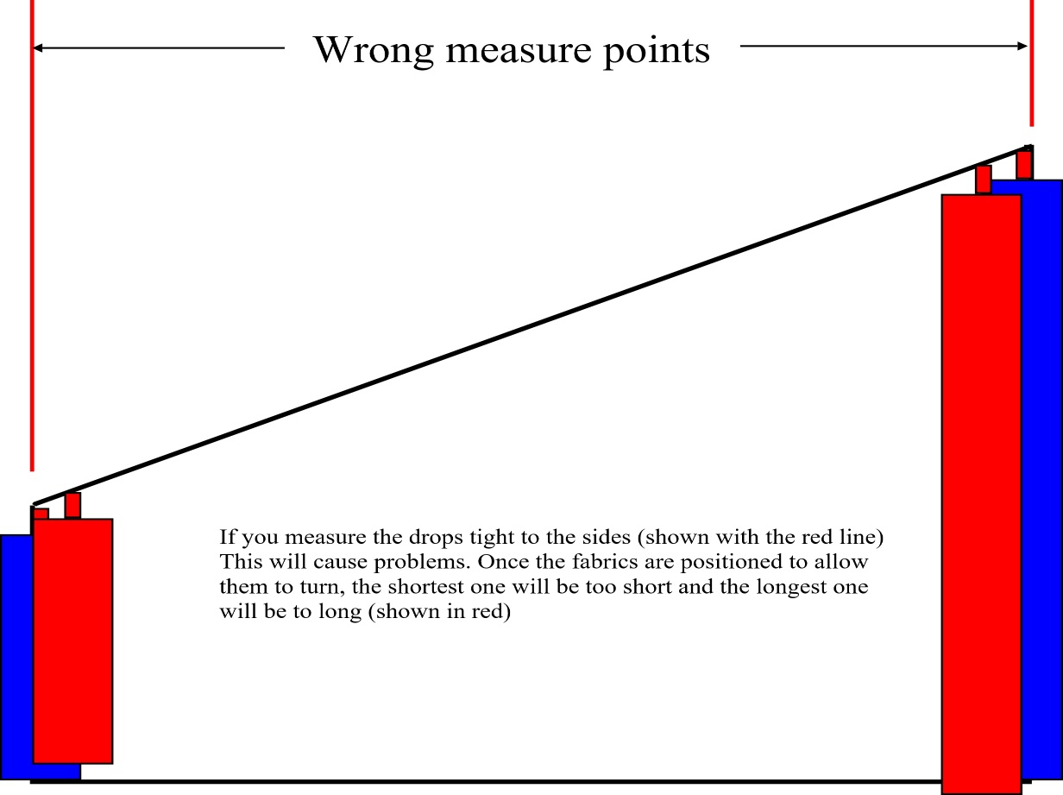
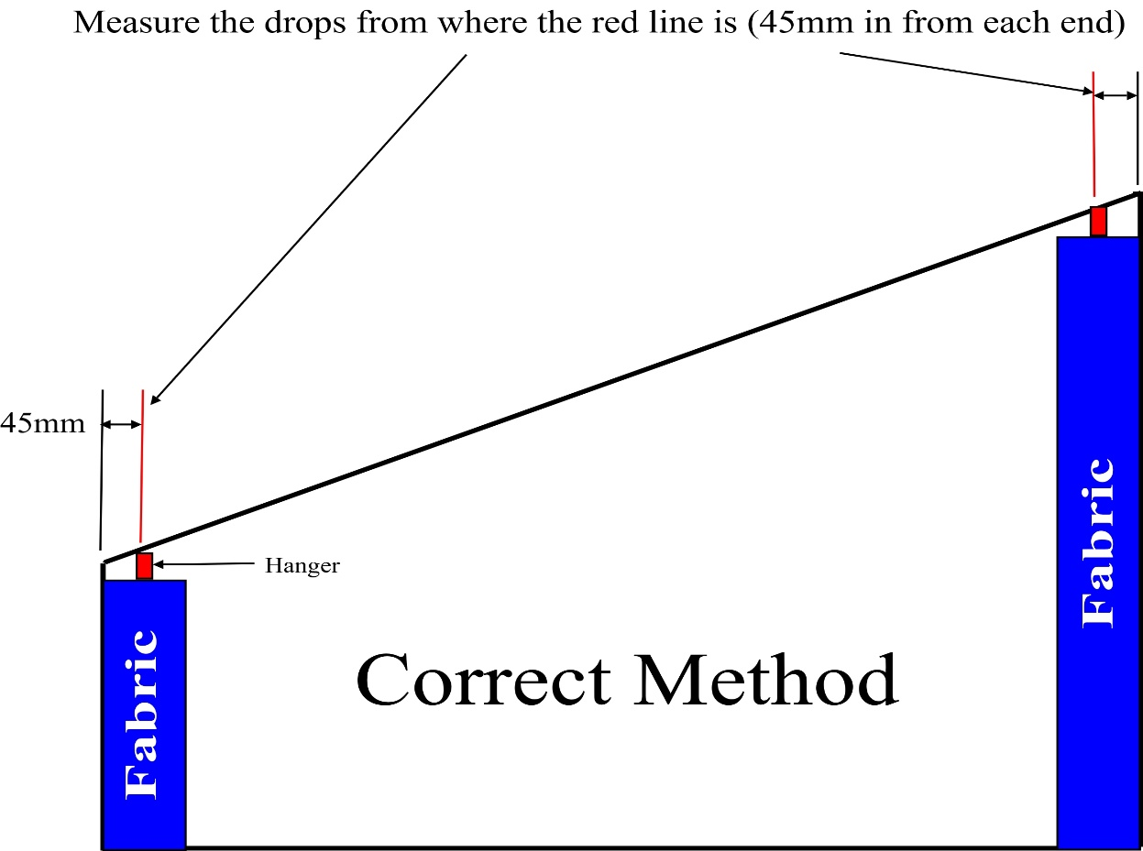
A guide to help you to understand how to measure a slopping vertical blind

Delivery & Contact Info


Contact Details:
Telephone Enquiries: 02476 644 684
Email Enquiries: support@beverleyblinds.co.uk
Account Enquiries: accounts@beverleyblinds.co.uk
Website: www.beverleyblinds.co.uk
Address:
Unit 2 Brindley Road,
Exhall,
West Midlands,
CV7 9EP
Delivery Times:
Verticals: 5-7 Working days
Rollers: 7-10 Working Days
Aluminium Venetians: 10-14 Working Days
Wooden Venetians: 10-14 Working Days
Perfect Fits: 10-15 Working Days
Pleated Blinds: 10-15 Working Days
N.B Whilst we make every effort to reach our delivery times we cannot guarantee them.
Delivery Charges:
Orders over £260: Free of Charge
Orders under £260: £16.00 + VAT
All sales are subject to our Terms and Conditions which are shown on our website.

