MetaData
Meta Data for EggMass_Counts |  |  |  |  |  |  |  | Meta Data for EggMass_Counts
Variable | Description | Image |  |  |  |  |  | Variable | Description | Image
Date | The date the survey was taken expressed in Month/Day/Year |  |  |  |  |  |  | Date | The date the survey was taken expressed in Month/Day/Year
Cell | The identification number of one of the experimental wetlands either M1, M2, M3, or M4 |  |  |  |  |  |  | Cell | The identification number of one of the experimental wetlands either M1, M2, M3, or M4
Transect | The transect of the survey. Either T1, T2, or T3. T1 is the northernmost transect within each wetland and T2 is the southernmost transect of each wetland. T3 represents additional wetland prairie transect on the shallow slough ridge. Eggs were found on within 3 meters to the left or 3 meters to the right of the transect See the image for further explanation | 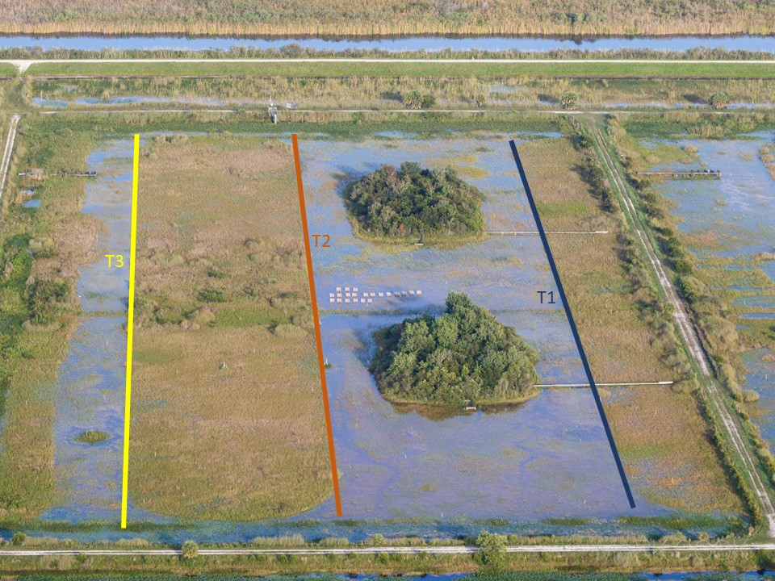 |  |  |  |  |  | Transect | The transect of the survey. Either T1, T2, or T3. T1 is the northernmost transect within each wetland and T2 is the southernmost transect of each wetland. T3 represents additional wetland prairie transect on the shallow slough ridge. Eggs were found on within 2 meters to the left or 2 meters to the right of the transect See the image for further explanation |  |  |  |  |  |  |  | 2019-08-07
Habitat | Either slough or ridge. Since transects were done on the boundary between slough and ridge, the determination of whether it was on the slough or ridge side was found by which side the stem of the plant was found. |  |  |  |  |  |  | Habitat | Either slough or ridge. Since transects were done on the boundary between slough and ridge, the determination of whether it was on the slough or ridge side was found by which side the stem of the plant was found.
Species | The species that layed the egg mass either paludosa or maculata |  |  |  |  |  |  | Species | The species that layed the egg mass either paludosa or maculata
Count | The number of egg mass found during the transect within the above criteria. |  |  |  |  |  |  | Count | The number of egg mass found during the transect within the above criteria.
Notes | General notes during the survey |  |  |  |  |  |  | Notes | General notes during the survey

Transect Characteristics |  |  |  |  |  |  |  | Transect Characteristics
Cell | Transect | Location | Beginning Waypoint |  | Ending Waypoint |  | Area (m^2) | Cell | Transect | Location | Beginning Waypoint |  | Ending Waypoint |  | Area (m^2) | Length
 |  |  | Easting | Northing | Easting | Northing |  |  |  |  | Easting | Northing | Easting | Northing
M1 | T1 | North Deep Slough | 577997 | 2930463 | 577667 | 2930457 | 1320 | M1 | T1 | North Deep Slough | 577997 | 2930463 | 577667 | 2930457 | 1320
M1 | T2 | South Deep Slough | 577998 | 2930392 | 577675 | 2930388 | 1292 | M1 | T2 | South Deep Slough | 577998 | 2930392 | 577675 | 2930388 | 1292
M2 | T1 | North Deep Slough | 578010 | 2930264 | 577675 | 2930257 | 1340 | M2 | T1 | North Deep Slough | 578010 | 2930264 | 577675 | 2930257 | 1340
M2 | T2 | South Deep Slough | 577996 | 2930192 | 577677 | 2930187 | 1276 | M2 | T2 | South Deep Slough | 577996 | 2930192 | 577677 | 2930187 | 1276
M3 | T1 | North Deep Slough | 578019 | 2930052 | 577677 | 2930046 | 1368 | M3 | T1 | North Deep Slough | 578019 | 2930052 | 577677 | 2930046 | 1368
M3 | T2 | South Deep Slough | 578006 | 2929988 | 577690 | 2929981 | 1264 | M3 | T2 | South Deep Slough | 578006 | 2929988 | 577690 | 2929981 | 1264
M4 | T1 | North Deep Slough | 578028 | 2929855 | 577676 | 2929851 | 1408 | M4 | T1 | North Deep Slough | 578028 | 2929855 | 577676 | 2929851 | 1408
M4 | T2 | South Deep Slough | 578010 | 2929788 | 577693 | 2929782 | 1268 | M4 | T2 | South Deep Slough | 578010 | 2929788 | 577693 | 2929782 | 1268
 |  |  |  |  |  |  |  | M1 | T3 | Shallow Slough North |  |  |  |  | 1216 | 304
 |  |  |  |  |  |  |  | M2 | T3 | Shallow Slough North |  |  |  |  | 1280 | 320
 |  |  |  |  |  |  |  | M3 | T3 | Shallow Slough North |  |  |  |  | 1188 | 297
 |  |  |  |  |  |  |  | M4 | T3 | Shallow Slough North |  |  |  |  | 1240 | 310
Meta Data for Maculata_EggMass_Size |  |  |  |  |  |  |  | M1 | T4 | Central Ridge |  |  |  |  | 2124 | 531
Variable | Description | Image |  |  |  |  |  | M2 | T4 | Central Ridge |  |  |  |  | 2100 | 525
Date | The date the egg mass was found expressed in Month/Day/Year |  |  |  |  |  |  | M3 | T4 | Central Ridge |  |  |  |  | 2136 | 534
Surveyor | The person who found the egg mass and made the measurements |  |  |  |  |  |  | M4 | T4 | Central Ridge |  |  |  |  | 2156 | 539
Cell | The identification number of one of the experimental wetlands either M1, M2, M3, or M4
Transect | The transect where the egg mass was found and where measurements were made. Either T1, T2, T3 or none. T1 is the northernmost transect within each wetland and T2 is the southernmost transect of each wetland. T3 represents additional wetland prairie transect on the shallow slough ridge. Eggs were found on within 3 meters to the left or 3 meters to the right of the transect See the image for further explanation. none are additional eggs found not within the transect
Habitat | The habitat where the egg mass was foundEither slough or ridge. Since transects were done on the boundary between slough and ridge, the determination of whether it was on the slough or ridge side was found by which side the stem of the plant was found.
Substrate | the substrate that the egg mass was found on, typically an immergent vegetation, but could be something else
Length_mm | The length of the egg mass measured to mm using a cm ruler
Depth_mm | The depth of the egg mass measured to mm using a cm ruler
Width_mm | The width of the egg mass measured to mm using a cm ruler
Notes | General notes about the egg mass

Regressions for Estimating P. Maculata Egg Numbers from Measurements
Region | Model | Intercept | Slope | Model Min prdictor | Model Max Predictor
Native | Length*Depth | 4.88 | 0.00349 | 50 | 900 |  |  | Meta Data for Maculata_EggMass_Size
Texas | Length*Depth | 6.75 | 0.000786 | 400 | 2000 |  |  | Variable | Description | Image
Native | Length*Depth*Width | 5.11 | 0.000149 | 400 | 10000 |  |  | Date | The date the egg mass was found expressed in Month/Day/Year
Texas | Length*Depth*Width | 6.91 | 0.0000278 | 5000 | 25000 |  |  | Surveyor | The person who found the egg mass and made the measurements
 |  |  |  |  |  |  |  | Cell | The identification number of one of the experimental wetlands either M1, M2, M3, or M4
 |  |  |  |  |  |  |  | Transect | The transect where the egg mass was found and where measurements were made. Either T1, T2, T3 or none. T1 is the northernmost transect within each wetland and T2 is the southernmost transect of each wetland. T3 represents additional wetland prairie transect on the shallow slough ridge. Eggs were found on within 2 meters to the left or 2 meters to the right of the transect See the image for further explanation. none are additional eggs found not within the transect
These regression are from Kyle et al 2013; Count Your Eggs Before They Invade: Identifying and Quantifying Egg Clutches of Two Invasive Apple Snaile Species (Pomacea); Plos One. Please note that the regression that you should use needs to fall with in the range of the predictor variables within that region range. Also, the response variables were log transformed, so equation should be e^(intercept + slope*model) |  |  |  |  |  |  |  | Habitat | The habitat where the egg mass was foundEither slough or ridge. Since transects were done on the boundary between slough and ridge, the determination of whether it was on the slough or ridge side was found by which side the stem of the plant was found.
 |  |  |  |  |  |  |  | Substrate | the substrate that the egg mass was found on, typically an immergent vegetation, but could be something else
 |  |  |  |  |  |  |  | Length_mm | The length of the egg mass measured to mm using a cm ruler
Meta Data for Paludosa_EggMass_Number |  |  |  |  |  |  |  | Depth_mm | The depth of the egg mass measured to mm using a cm ruler
Variable | Description | Image |  |  |  |  |  | Width_mm | The width of the egg mass measured to mm using a cm ruler
Date | The date the egg mass was found expressed in Month/Day/Year |  |  |  |  |  |  | Notes | General notes about the egg mass
Surveyor | The person who found the egg mass and made the measurements
Cell | The identification number of one of the experimental wetlands either M1, M2, M3, or M4 |  |  |  |  |  |  | Regressions for Estimating P. Maculata Egg Numbers from Measurements
Transect | The transect where the egg mass was found and where measurements were made. Either T1, T2, T3 or none. T1 is the northernmost transect within each wetland and T2 is the southernmost transect of each wetland. T3 represents additional wetland prairie transect on the shallow slough ridge. Eggs were found on within 3 meters to the left or 3 meters to the right of the transect See the image for further explanation. none are additional eggs found not within the transect |  |  |  |  |  |  | Region | Model | Intercept | Slope | Model Min prdictor | Model Max Predictor
Habitat | The habitat where the egg mass was foundEither slough or ridge. Since transects were done on the boundary between slough and ridge, the determination of whether it was on the slough or ridge side was found by which side the stem of the plant was found. |  |  |  |  |  |  | Native | Length*Depth | 4.88 | 0.00349 | 50 | 900
Substrate | the substrate that the egg mass was found on, typically an immergent vegetation, but could be something else |  |  |  |  |  |  | Texas | Length*Depth | 6.75 | 0.000786 | 400 | 2000
Count | the number of eggs in the egg mass counted by eye |  |  |  |  |  |  | Native | Length*Depth*Width | 5.11 | 0.000149 | 400 | 10000
Notes | General notes about the egg mass |  |  |  |  |  |  | Texas | Length*Depth*Width | 6.91 | 0.0000278 | 5000 | 25000

 |  |  |  |  |  |  |  | These regression are from Kyle et al 2013; Count Your Eggs Before They Invade: Identifying and Quantifying Egg Clutches of Two Invasive Apple Snaile Species (Pomacea); Plos One. Please note that the regression that you should use needs to fall with in the range of the predictor variables within that region range. Also, the response variables were log transformed, so equation should be e^(intercept + slope*model)

 |  |  |  |  |  |  |  | Meta Data for Paludosa_EggMass_Number
 |  |  |  |  |  |  |  | Variable | Description | Image
 |  |  |  |  |  |  |  | Date | The date the egg mass was found expressed in Month/Day/Year
 |  |  |  |  |  |  |  | Surveyor | The person who found the egg mass and made the measurements
 |  |  |  |  |  |  |  | Cell | The identification number of one of the experimental wetlands either M1, M2, M3, or M4
 |  |  |  |  |  |  |  | Transect | The transect where the egg mass was found and where measurements were made. Either T1, T2, T3 or none. T1 is the northernmost transect within each wetland and T2 is the southernmost transect of each wetland. T3 represents additional wetland prairie transect on the shallow slough ridge. Eggs were found on within 2 meters to the left or 2 meters to the right of the transect See the image for further explanation. none are additional eggs found not within the transect
 |  |  |  |  |  |  |  | Habitat | The habitat where the egg mass was foundEither slough or ridge. Since transects were done on the boundary between slough and ridge, the determination of whether it was on the slough or ridge side was found by which side the stem of the plant was found.
 |  |  |  |  |  |  |  | Substrate | the substrate that the egg mass was found on, typically an immergent vegetation, but could be something else
 |  |  |  |  |  |  |  | Count | the number of eggs in the egg mass counted by eye
 |  |  |  |  |  |  |  | Notes | General notes about the egg mass

