AI_Lab_Test_Log
Test | Client | Browser_or_Tool | Target_Type | Target | Prompt | Thought_Time_sec | Total_or_Timeout_sec | Result | Validity | Observations
1 | HP | Browser | MagicDNS | ai-lab-b.tail20d877.ts.net:8080 |  |  | Immediate | Failed | Invalid | HP Tailscale later found in NoState
2 | HP | Browser | Tailscale IP | 100.115.162.13:8080 |  |  | 20 | Failed | Invalid | No data; HP Tailscale later found in NoState
3 | iPhone | Chrome | Tailscale IP | 100.115.162.13:8080 |  |  | 240 | Stopped / no response | Valid | Stopped after 4 minutes
4 | iPhone | DuckDuckGo | Tailscale IP | 100.115.162.13:8080 |  |  | 66 | Failed | Valid | Page could not be loaded
5 | iPhone | DuckDuckGo | MagicDNS | ai-lab-b.tail20d877.ts.net:8080 |  |  | 65 | Failed | Valid | Page could not be loaded
6 | Lab PC 2 | Status-AI-Lab.bat | Local stack status | localhost / local services | qwen3:8b warm-up check |  |  | Stack healthy locally | Valid | Post-idle status after waking PC; Open WebUI reachable locally; Ollama warm-up OK; Open Terminal and llama.cpp not reachable
7 | HP | Browser | Tailscale IP | 100.115.162.13:8080 |  |  | 28 | Failed | Invalid | HP Tailscale later found in NoState
8 | HP | Browser | MagicDNS | ai-lab-b.tail20d877.ts.net:8080 |  |  | Immediate | Failed | Invalid | HP Tailscale later found in NoState
9 | iPhone | Chrome | Tailscale IP | 100.115.162.13:8080 | Why do cats purr? | 23 | 63 | Success | Valid | Open WebUI loaded immediately; completed response
10 | iPhone | Chrome | Tailscale IP | 100.115.162.13:8080 | Why do cats purr? | 31 | 71 | Success | Valid | Immediate repeat in same browser/chat session
11 | iPhone | Chrome | Tailscale IP | 100.115.162.13:8080 | Answer in one sentence only: why do cats purr? | 13 | 40 | Success | Valid | One-sentence response completed
12 | iPhone | Chrome | Tailscale IP | 100.115.162.13:8080 | Answer in one sentence only: why do cats purr? | 13 | 40 | Success | Verify / possible duplicate | Identical to Test 11 in source log; verify whether separately performed
13 | Lab PC 2 | Chrome | Localhost | localhost:8080 | Answer in one sentence only: why do cats purr? | 24 | 44 | Success | Valid | Sign-in page and sign-in immediate; local comparison test
14 | iPhone | Chrome | Tailscale IP | 100.115.162.13:8080 | Answer in one sentence only: why do cats purr? |  | Timeout | Failed | Valid | After ~4h idle both iPhone browsers timed out; ai-lab-b gray/offline in Tailscale. Root cause later confirmed: Modern Standby (S0 Low Power Idle), median 17 s after display sleep; zero network wakes in SleepStudy baseline
15 | iPhone | Chrome | Tailscale IP | 100.115.162.13:8080 | Answer in one sentence only: why do cats purr? | 10 | 33 | Success | Valid | Jul 7: local wake via monitor/USB switch restored access instantly; no service restarts required
16 | iPhone | Browser (cellular) | Tailscale IP | 100.115.162.13:8080 | 5 creative ideas for kids’ art | 18 |  | Success | Valid | First access after 6 h 02 m untouched idle (11:30 PM Jul 7 – 5:32 AM Jul 8). Fix applied Jul 7: standby-timeout-ac 0, monitor-timeout-ac 10
16b | iPhone | Browser (cellular) | Tailscale IP | 100.115.162.13:8080 | Could purring cats have won WWII? One sentence. | 40 | 55 | Success | Valid | Second morning query (7:43 AM Jul 8); model warm; heavier reasoning prompt than standard
19 | iPhone | Browser (cellular) | MagicDNS short name | ai-lab-b:8080 | Could purring cats have won WWII? One sentence. | 31 | 121 | Success | Valid | Bare hostname resolved via MagicDNS (8:41 AM Jul 8); ~90 s of total was cold model reload from SSD
19b | iPhone | Browser (cellular) | MagicDNS short name | ai-lab-b:8080 | Same prompt, warm repeat | 17 | 44 | Success | Valid | Warm vs. cold comparison: 44 s vs. 121 s; ~77 s reload cost motivates OLLAMA_KEEP_ALIVE=2h
17a | iPhone | Browser (Wi-Fi) | MagicDNS short name | ai-lab-b:8080 | First morning query, Jul 9 |  | Timeout | Failed → Success on retry | Valid | After ~6.5 h idle (midnight–6:25 AM): page loaded, node online, history rendered — connectivity fix held night 2. Response “Load failed” = cold-load timeout; retry 6:40 AM succeeded; follow-up 11 s thinking
17b | HP | Edge | MagicDNS short name | ai-lab-b:8080 | Do mice purr? | 26 |  | Success | Valid | HP desktop (formerly NoState — invalidated Tests 1–2, 7–8) now healthy and resolving MagicDNS (6:52 AM Jul 9)
19c | iPhone | Browser (cellular) | MagicDNS short name | ai-lab-b:8080 | What animal from the animal kingdom could’ve helped win WWII? One sentence. | 52 | 104 | Success | Valid | Phone-only protocol w/ stopwatch (7:39 AM Jul 9). Cold-ish start after 47 min gap; ~52 s overhead vs. ~90 s Jul 8 — reload cost varies, roughly 1–1.5 min
20a | iPhone | Timing bench | Ollama API | ai-lab-b:11434/api/generate | Answer in one sentence only: why do cats purr? |  | 21.8 | Success | Valid | COLD (forced unload). load_duration 4.5 s, prompt eval 0.2 s, generation 16.9 s, network 0.0 s, 14.5 tok/s
20b | iPhone | Timing bench | Ollama API | ai-lab-b:11434/api/generate | Same prompt, warm |  | 16.6 | Success | Valid | WARM. load 0.2 s, prompt eval 0.1 s, generation 16.3 s, network 0.1 s, 14.5 tok/s
20c | iPhone | Timing bench | Ollama API | ai-lab-b:11434/api/generate | Same prompt, warm repeat |  | 17.2 | Success | Valid | WARM. load 0.2 s, generation 16.8 s, 14.5 tok/s. Conclusion: reload = 4.5 s, NOT ~77 s. Overhead is Open WebUI, not Ollama or Tailscale
17 | iPhone |  | MagicDNS short name | ai-lab-b:8080 | Answer in one sentence only: why do cats purr? |  |  | Pending | Planned | 12+ hour untouched idle endurance test
18 | iPhone |  | MagicDNS short name | ai-lab-b:8080 |  |  |  | Pending | Planned | Reboot resilience: Tailscale unattended mode, reboot, no login, test from phone

 | Conclusions After Tests 1–13 Tests 1–13 established that the AI Lab stack can successfully provide both local and remote inference, while also revealing an unresolved intermittent remote-access reliability issue.. Open WebUI is listening on all network interfaces (0.0.0.0:8080), Ollama successfully loads and runs qwen3:8b, and the complete iPhone → Tailscale → Open WebUI → Ollama → qwen3:8b path successfully completed multiple queries. The Tailscale network connection between Lab PC 2 and the iPhone was independently verified with Tailscale ping. Windows identifies the Tailscale interface as Private, and the Windows Firewall rule allowing inbound TCP port 8080 is correctly configured. The successful iPhone tests completed in 40–71 seconds, while the comparable local Lab PC 2 test completed in 44 seconds. This indicates that Tailscale remote access is not the primary performance bottleneck. Most response delay appears to occur during model inference, with qwen3:8b running on the CPU. Remote access was temporarily unavailable during Tests 3–5 despite the local AI stack later being found operational. The exact cause of this intermittent remote-access failure has not been determined. Tests 1, 2, 7, and 8 are not valid for evaluating Lab PC 2 remote connectivity because the HP laptop's Tailscale client was later found in NoState. Test 12 may be a duplicate of Test 11 and should be verified before being used in performance analysis. Overall conclusion: The AI Lab successfully supports remote LLM access from the iPhone through Tailscale, with performance comparable to local access. The primary unresolved issue is whether remote access remains reliable after Lab PC 2 enters extended S0 Low Power Idle. Test 14 is designed to investigate that issue. |  |  |  |  | 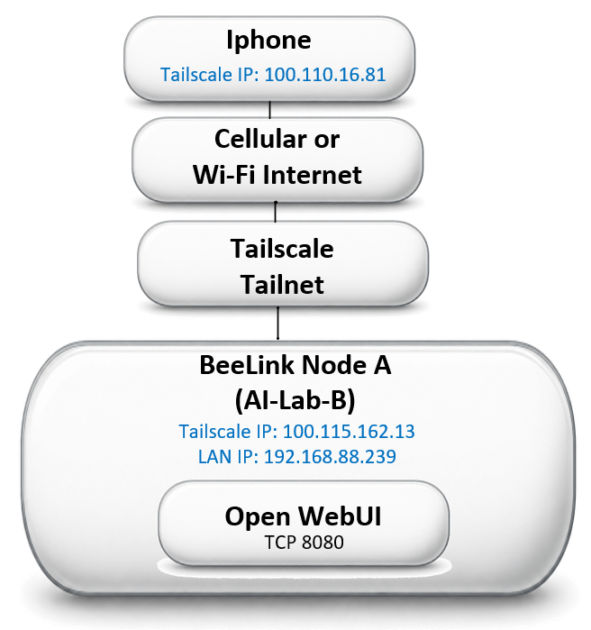

 | Conclusions After Tests 14–20 (July 7–10) CONNECTIVITY — SOLVED. SleepStudy confirmed the Beelink entered Modern Standby a median of 17 s after display sleep, and across 77 sessions (122.6 h) was never woken by network traffic. The fix (powercfg: standby-timeout-ac 0, monitor-timeout-ac 10, July 7) removed the transition. Remote access then survived 6 h 02 m (Test 16) and ~6.5 h (Test 17a) of untouched idle — the exact scenario that failed at 4 h in Test 14. MagicDNS name access works from iPhone-on-cellular and from the recovered HP desktop (Tests 19, 17b). LATENCY — CAUSE REASSIGNED. Tests 17a and 19 attributed a ~77–90 s cold/warm gap to Ollama reloading qwen3:8b from SSD. Test 20 measured it directly via Ollama's own load_duration field, using a purpose-built timing bench that calls /api/generate from the iPhone and bypasses Open WebUI: cold load = 4.5 s warm load = 0.2 s generation = 16.3–16.9 s, identical cold or warm throughput = 14.5 tok/s on every run network across Tailscale = ~0.1 s Ollama's total work is ~17 s warm, ~22 s cold. The same prompt through Open WebUI took 44 s warm and 121 s cold. The overhead therefore belongs to Open WebUI — most likely its automatic title, tag, and follow-up generation, each an extra inference call invisible to the “thought for N seconds” label. This also explains the “Load failed” timeout in Test 17a: the first request queues behind those calls, not behind an SSD read. CONFIGURATION APPLIED July 10: OLLAMA_KEEP_ALIVE=2h, OLLAMA_HOST=0.0.0.0, OLLAMA_ORIGINS=*. Note that setx does not affect running processes — Ollama kept the old 5-minute keep-alive until the stack was restarted. KEEP_ALIVE remains worth setting, but it buys back 4.5 s, not 77 s. NEXT: disable Open WebUI auto-title/tags/follow-ups and re-run the standard prompt through the chat UI. If total drops from ~44 s toward ~17 s, the mechanism is confirmed. Tests 17 (12+ h idle) and 18 (reboot resilience) remain open.

