Cover Sheet
Workbook
Clock In Clock Out
(XX)

Reasons For Manual Event
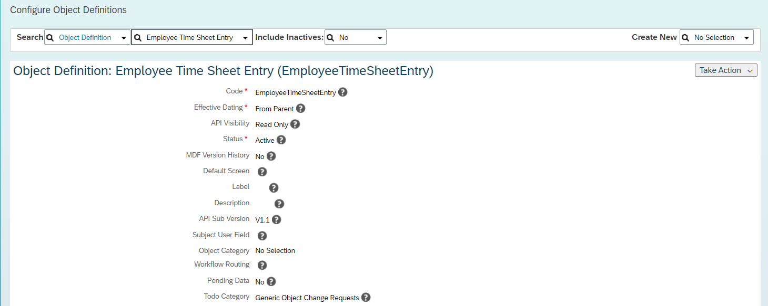
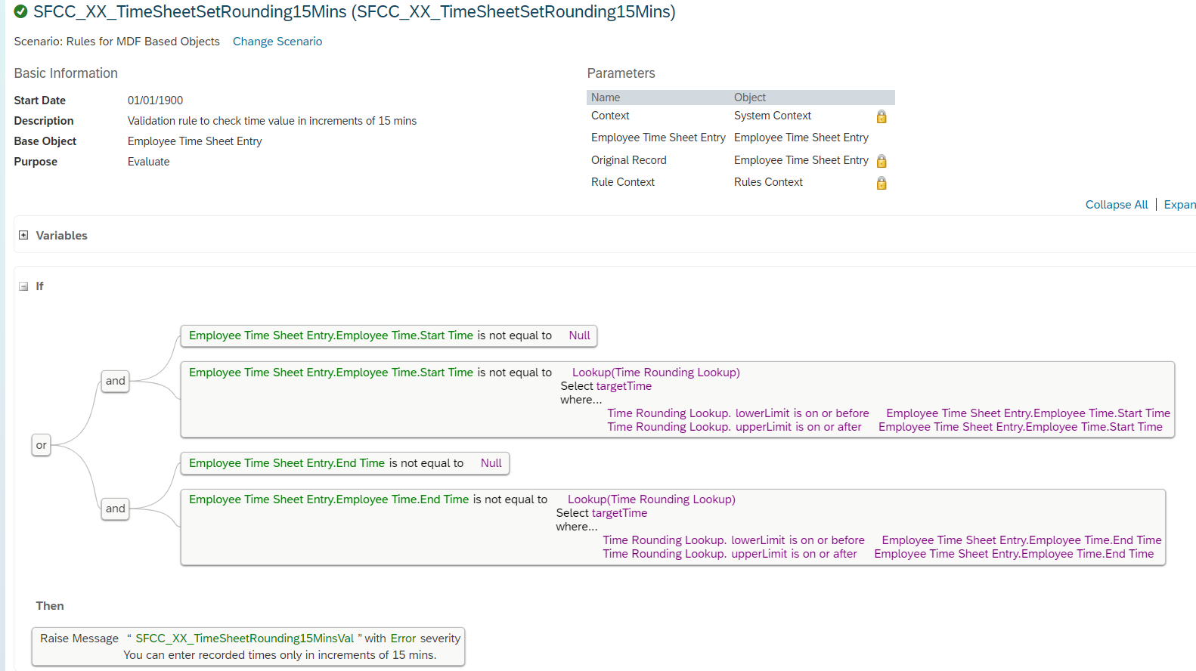
JUMP BACK TO TOC
Reasons For Manual Event
Description | External Code | A TimeRecordingProfile represents a group of time sheet configuration settings for employees. Depending on your business processes you can create profiles that cover overtime or positive time recording. Remark The fields are described here as per standard delivery. To know how to change the configuration, please refer to Metadata Framework (MDF) Implementation Guide
Forgot to punch | FORGOT_PUNCH
Terminal Not Functioning | TERMINAL_ERROR

