Cover Sheet
Workbook
Time Tracking Configuration
(XX)

Grace Rounding Workschedule
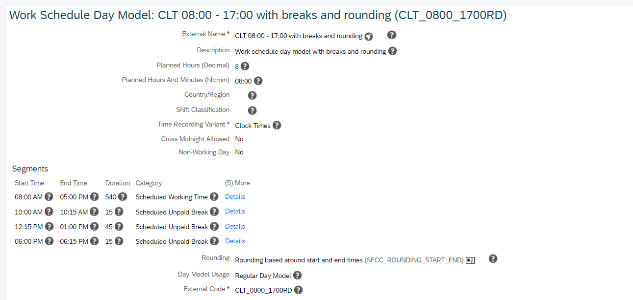
The below screenshot shows how to set up Grace Rounding Rules based on workschedules

Rounding Conifg are defined in workschedule day model and then can be used in corresponding workschedules

Custom Rounding Rules
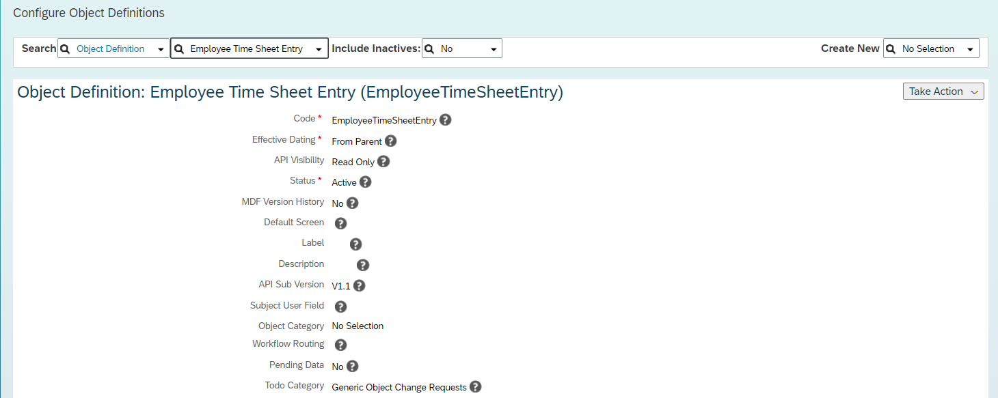
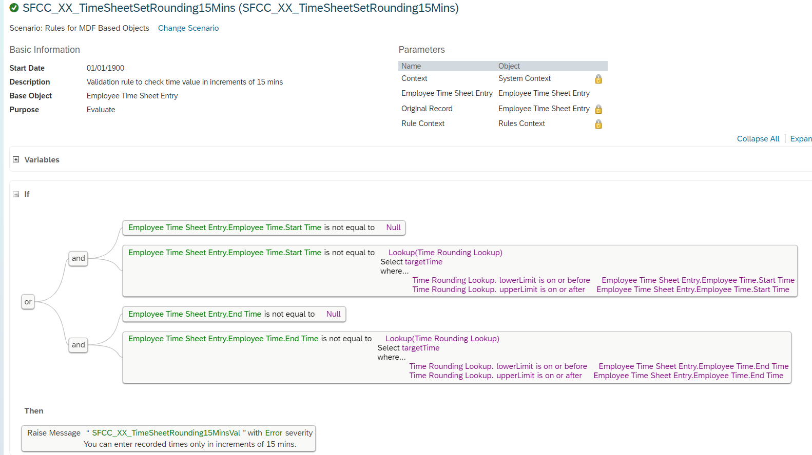
If you are using Clock In Clock Out as part of Time Tracking (you can use below rules and attach it to ExternalTimeData object)
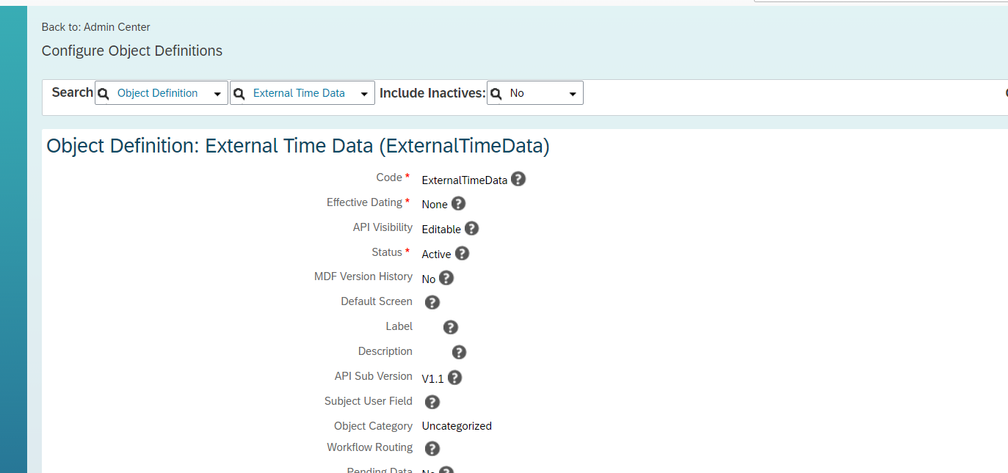

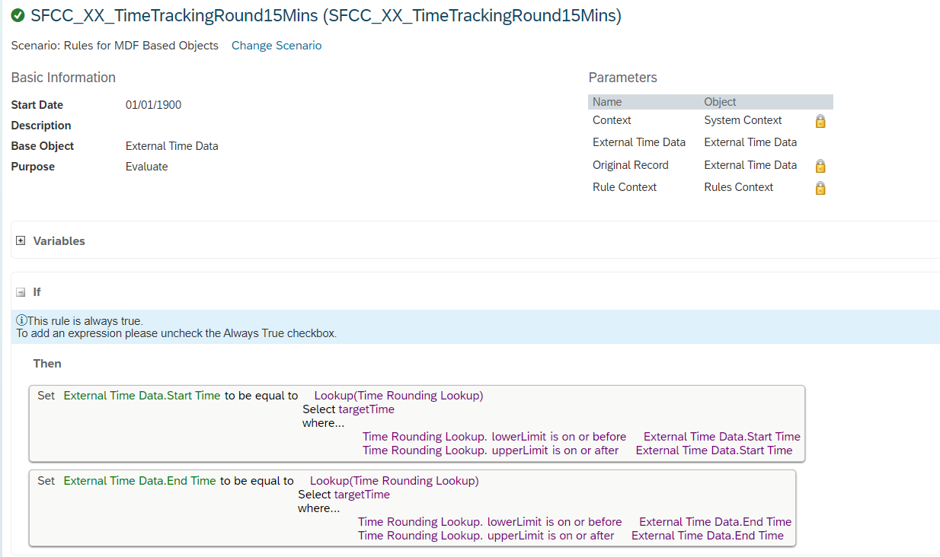

If you are not using Clock In Clock Out and just using Time tracking (you can use below rules and attach it to EmployeeTimeSheetEntry object)

