PIC24_MCX514
Comment | Each board | Designator | Description | FOOTPRINT | Quantity | Link | digikey, mouser…
Termial 1x2 | 4 | P1, P3, P4, P5 |  | Không ghi trong bản vẽ | 12 | https://icdayroi.com/search?query=terminal
LM317 | 1 | LM1 | 800mA Low-Dropout Linear Regulator | LM1117-SOP | 3
10k | 10 | R13, R14, R15, R16, R17, R18, R19, R20, R21, R22 | Chip resistor networks (MNR) | MNR14 | 30 | https://www.digikey.bg/en/products/detail/rohm-semiconductor/MNR14E0APJ103/1216202
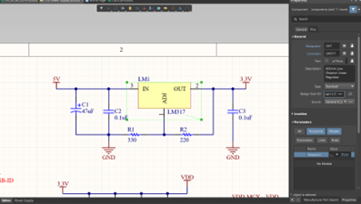
16MHz | 1 | U4 | Crystal | KC7050B | 3
Diode SMD | 1 | DIO1 | Default Diode | DIO-SMD-106 | 3
PIC24FJ128GB106-I/PT | 1 | U2 | General Purpose 16-Bit Flash Microcontroller with USB On-The-Go, 128KB Flash, 16KB SRAM, 64-Pin TQFP, Industrial Temperature | TQFP-PT64_N | 3
HDR2x2M | 1 | P6 | Header 2x2 Male | HDR2X2M | 3
HDR3x1M | 1 | P2 | Header 3x1 Male | HDR3X1M | 3
HDR6x1M | 1 | P8 | Header 6x1 Male | HDR6X1M | 3
HDR8x2F | 4 | PIC1, PIC2, PIC3, PIC4 | Header 8x2 Female | HDR8X2F-D | 12
HDR15x2F | 2 | P14, P15 | Header 15x2 Female, 2.54mm Pitch | HDR15X2F-D | 6
HDR15x2M | 4 | P9, P10, P11, P12 | Header 15x2 Male | HDR15X2M-D | 12
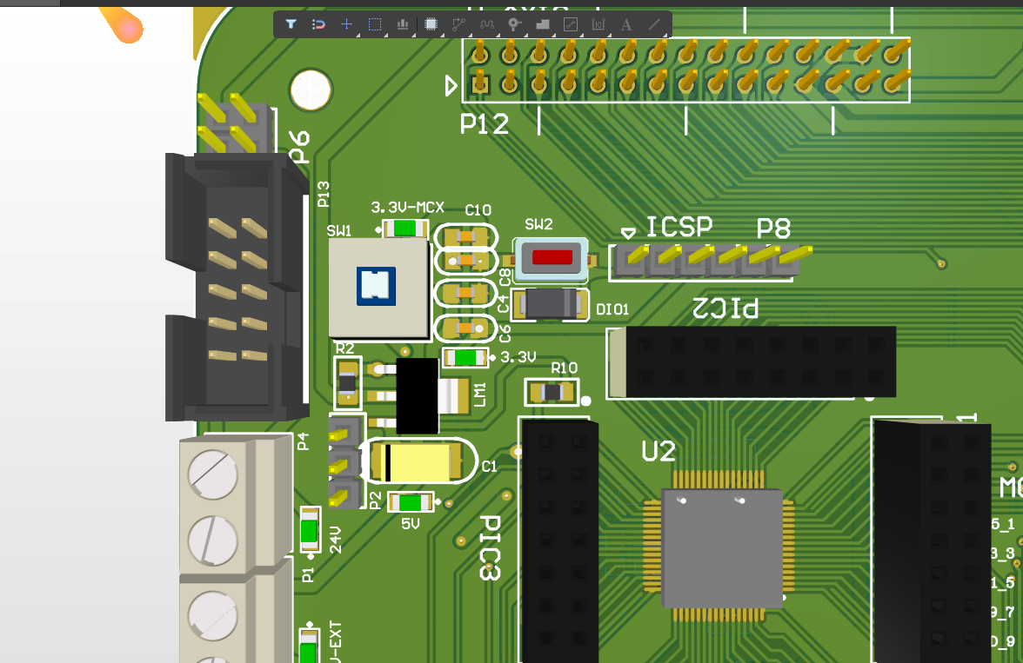
HDR18x2F | 4 | MCX1, MCX2, MCX3, MCX4 | Header 18x2 Female | HDR15X2F | 12
CABLE 10 | 2 | P7, P13 | Header, 5-Pin, Dual row | CABLE 10 | 6
LED3 | 6 | 3.3V, 3.3V-MCX, 5V, 5V-EXT, 5V-USB, 24V | LED 3mm | LED0805 | 18
Micro USB | 1 | U1 | Micro USB | USB Micro | 3
0.1uF | 17 | C2, C3, C4, C5, C6, C7, C8, C9, C10, C11, C17, C18, C19, C20, C21, C22, C23 | Non-polarized Capacito | Cap-Non-Pol | 51
10uF | 1 | C14 | Non-polarized Capacito | Cap-Non-Pol | 3
22pF | 4 | C12, C13, C15, C16 | Non-polarized Capacito | Cap-Non-Pol | 12
Nova MCX501 | 1 | U5 | Nova MCX501 |  | 3
MCX514 | 1 | U3 | Nova MCX514 |  | 3
47uF | 1 | C1 | Polarized Capacitor | Cap-Pol | 3
PushSW8x8L | 1 | SW1 | Push SW 8x8mm latching ON/OFF | SW1 giu | 3
20MHz | 1 | XT1 | Quarz Crystal | Crystal.smd_N | 3
1k | 1 | R11 | SMD Resistor | Resistor SMD | 3 | https://www.alibaba.com/product-detail/Resistance-1-16W-Thick-Film-resistors_60821812599.html
1.5k | 1 | R9 | SMD Resistor | Resistor SMD | 3
10k | 6 | R4, R5, R6, R7, R8, R12 | SMD Resistor | Resistor SMD | 18
100k | 2 | R3, R10 | SMD Resistor | Resistor SMD | 6
220 | 1 | R2 | SMD Resistor | Resistor SMD | 3
330 | 1 | R1 | SMD Resistor | Resistor SMD | 3
PTS635 | 1 | SW2 | SWITCH TACT MOM SPST SMD | Tact.Switches.PTS635.SMT | 3
32.768KHz | 1 | X1 | Tuning Forl Crystal Units (SMD-Cylinder Type) | Crystal cylinder | 3

