Dashboard_Sales
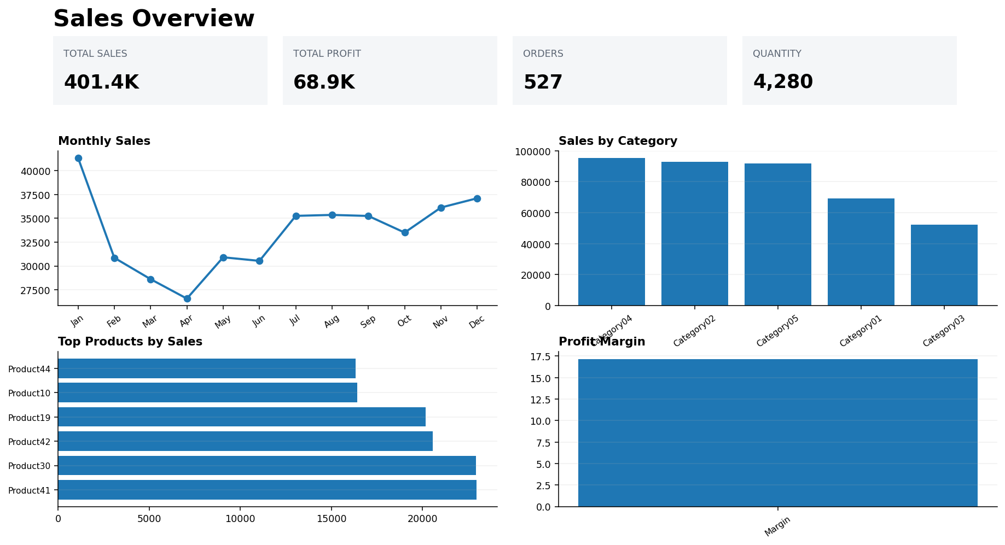
Sales Overview

Dashboard_Channel
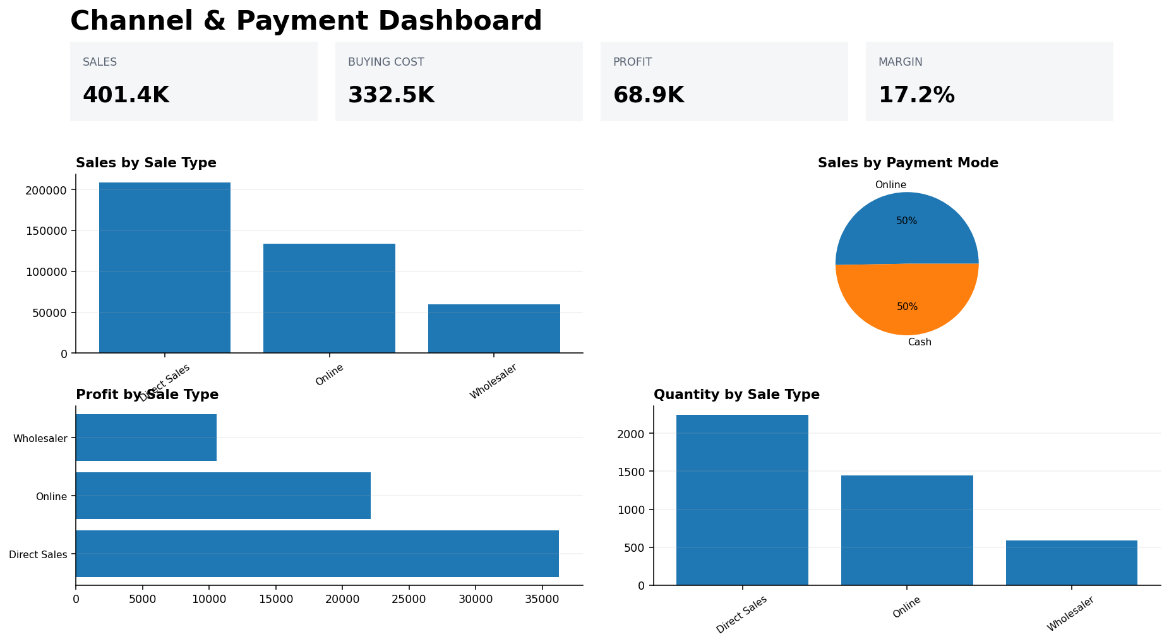
Channel & Payment Dashboard

Dashboard_Product
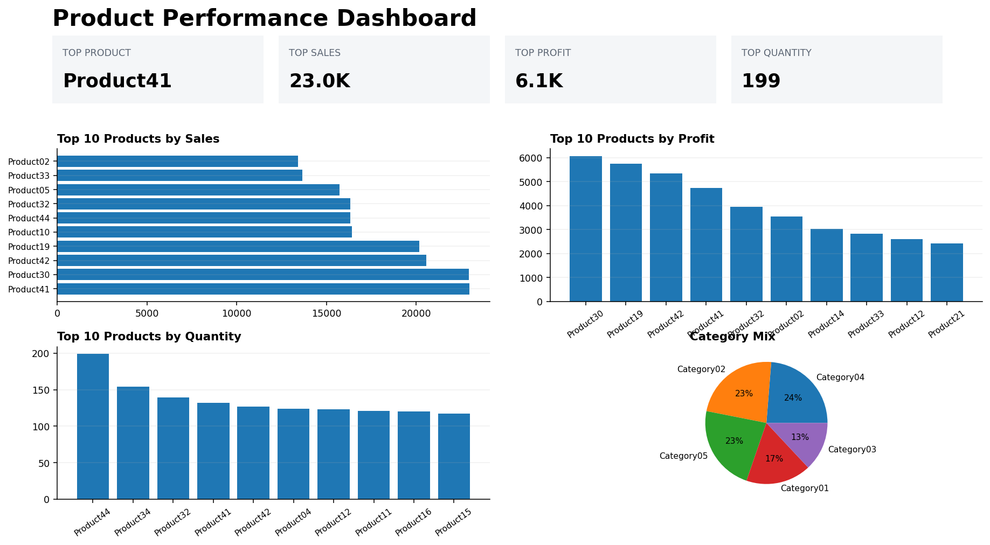
Product Performance Dashboard

Dashboard_Category
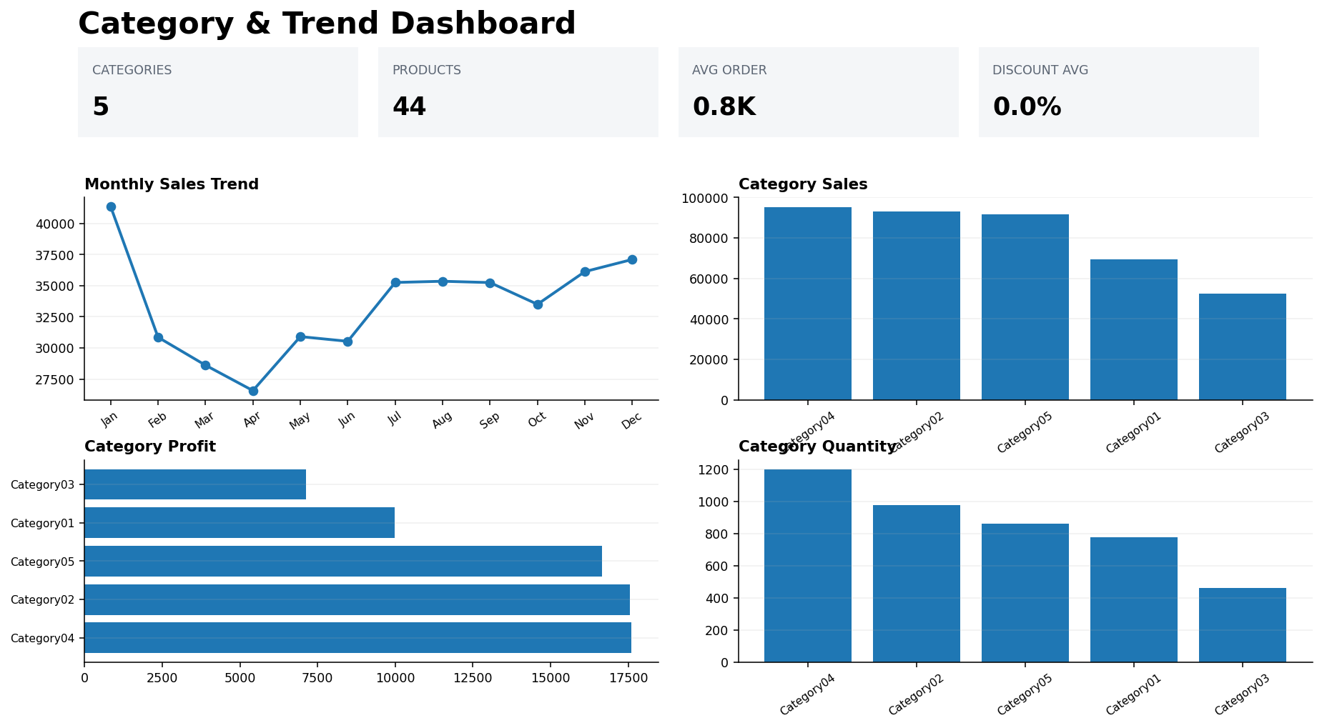
Category & Trend Dashboard

