16 - Project ID Card Parser
Project - ID Card Parser

Customer Information | ID | Gender | Firstname | Lastname | DOB | Age | Address | Zipcode | Expired Date | Expired This Year
ID 1-1078-00555-99-1 Mr. John David Date of Birth 20 Sep 1988 Address 67 Bangkok Thailand 10560 Expired Date 31 Dec 2020 | 1-1078-00555-99-1 | Mr. | John | David | 20 Sep 1988 | 32 | 67 Bangkok Thailand | 10560 | 31 Dec 2020 | TRUE
ID 3-5522-87666-87-2 Miss. Carry Anna Date of Birth 18 Jan 1995 Address 967 Tokyo Japan 10880 Expired Date 25 Apr 2025 | 3-5522-87666-87-2 | Miss. | Carry | Anna | 18 Jan 1995 | 25 | 967 Tokyo Japan | 10880 | 25 Apr 2025 | FALSE
ID 1-2222-03874-23-6 Mr. Kevin Demio Date of Birth 14 Feb 1992 Address 7878 Washington United States 11155 Expired Date 31 Oct 2020 | 1-2222-03874-23-6 | Mr. | Kevin | Demio | 14 Feb 1992 | 28 | 7878 Washington United States | 11155 | 31 Oct 2020 | TRUE
ID 1-1078-00555-99-1 Mr. Stuart Lonely Date of Birth 20 Sep 1982 Address 554 Seoul Korea 89237 Expired Date 31 Mar 2021 | 1-1078-00555-99-1 | Mr. | Stuart | Lonely | 20 Sep 1982 | 38 | 554 Seoul Korea | 89237 | 31 Mar 2021 | FALSE
ID 1-1078-00555-99-1 Miss. Anya Tayloy Date of Birth 05 May 1985 Address 998 London United Kingdom 55387 Expired Date 15 Nov 2022 | 1-1078-00555-99-1 | Miss. | Anya | Tayloy | 05 May 1985 | 35 | 998 London United Kingdom | 55387 | 15 Nov 2022 | FALSE
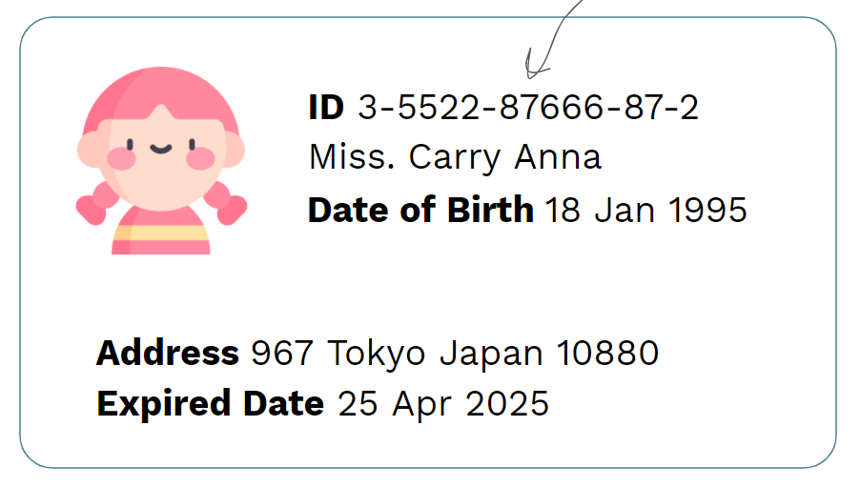
 | Solutions
 | ID | =REGEXEXTRACT(A2, "[0-9]-[0-9]{4}-[0-9]{5}-[0-9]{2}-[0-9]")
 | Gender | =REGEXEXTRACT(A2, "M[a-z]+\.")
 | Firstname | =REGEXEXTRACT(A2, "M[a-z]+\. ([A-Za-z]+) [A-Za-z]+")
 | Lastname | =REGEXEXTRACT(A2, "M[a-z]+\. [A-Za-z]+ ([A-Za-z]+)")
 | DOB | =REGEXEXTRACT(A2,"Date of Birth ([0-9]{2} [A-Za-z]+ [0-9]{4})")
 | Age | =DATEDIF(F2, TODAY(), "Y")
 | Address | =REGEXEXTRACT(A2,"Address ([0-9]+ [A-Za-z]+ [A-Za-z]+)")
 | Zipcode | =TRIM(REGEXEXTRACT(A2," \d{5}"))
 | Expired Date | =REGEXEXTRACT(A2, "Expired Date (\d{2} \w{3} \d{4})")
 | Expired This Year | =RIGHT(J2,4)="2020"

