EURGBP FX FWDS
meCurveCalibrateFXForwards(CurveCollection,StaticDataTable,IndexName,CurveBuildProperties,FXForwardConventions)

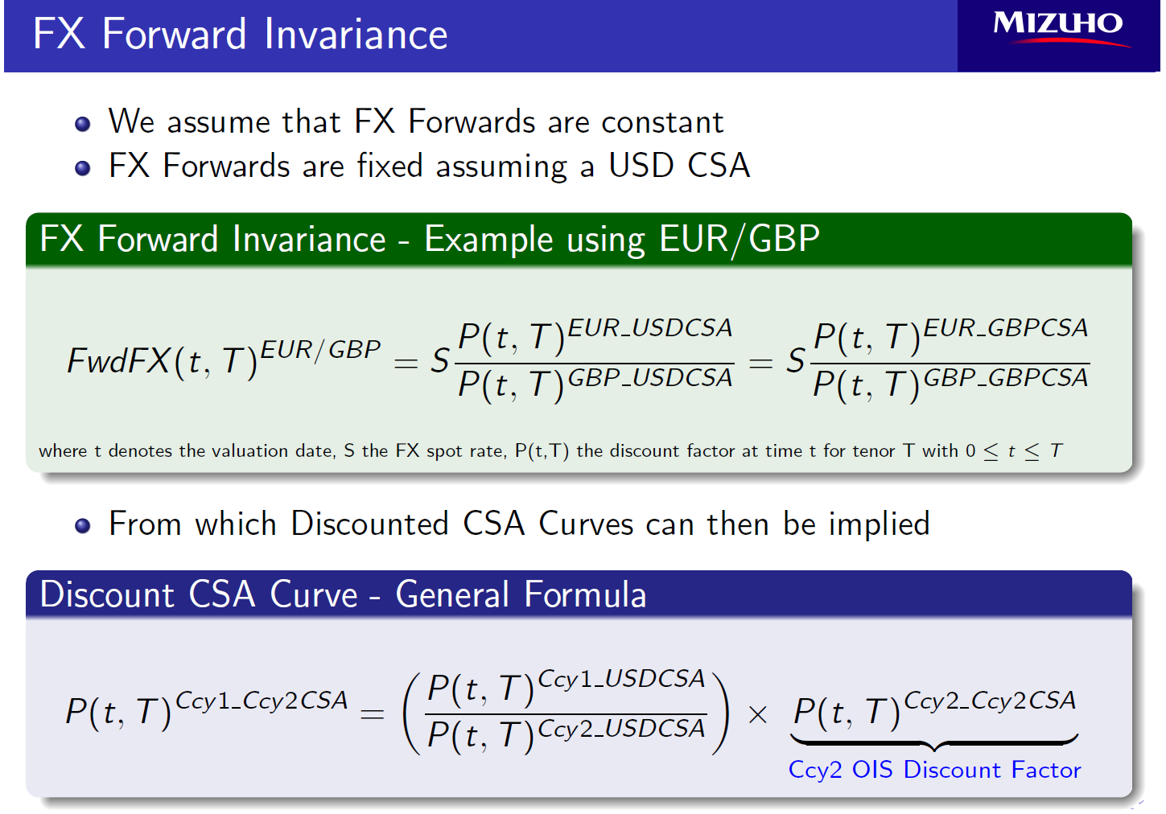
meCurveCalibrateFXForwards

 | meCurveCalibrateFXForwards | EURYC FwdFXConstGBP Curve has been set (0.00000 sec)
 | Curve Loaded | TRUE

 | Curve Names
 | CurveCollection | EURYC
 | StaticDataTable | FwdFXConstGBP
 | IndexName(s) | FwdFXConstGBP:EURDF_GBPCSA

Curve Build Properties

 | Curve Build Properties
 | AsOfDate | 19-Feb-16
 | Currency | EUR

FX Forwards

 | FX Forward Conventions
 | leg1discount | GBPYC:GBPDF
 | leg1forecast | GBPYC:GBPDF_USDCSA
 | leg2discount | EURYC:XccyBasis
 | leg2forecast | EURYC:EURDF_USDCSA
 | target | Leg2Discount

 | FX Forward Invariance
 | Target DF = Leg1Discount DF * ( Leg2Forecast DF / Leg1Forecast DF )
 | => EURDF_GBPCSA = GBPDF * ( EURDF_USDCSA / GBPDF_USDCSA )

