EUR Swaps
Bond Clean Price | meProductSwapParRate | meProductSwapPV
98.5800 | 0.65257% | 14,200

Par-Par Adjustment |  | meProductAssetSwapSpread
14,200 |  | -33.73

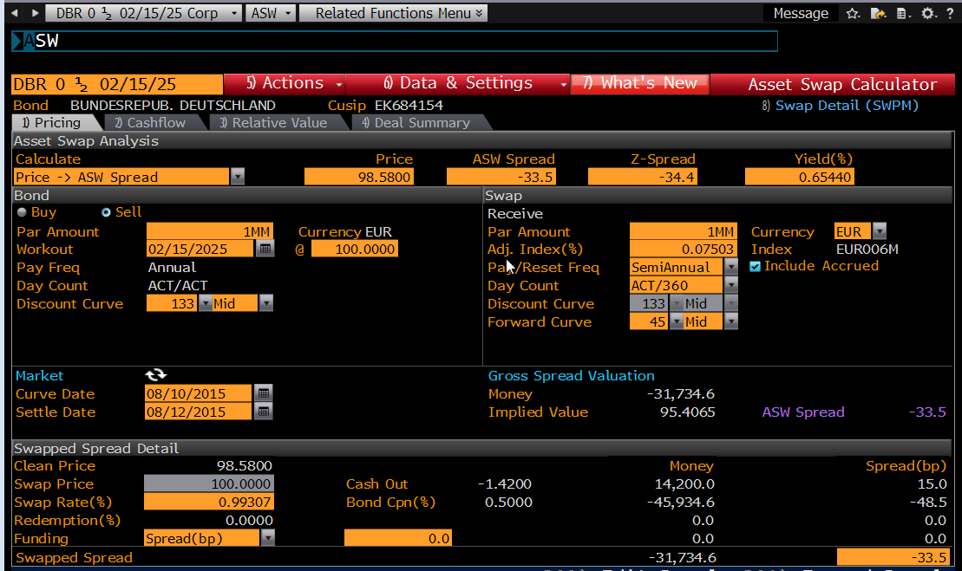
EUR Asset Swap | FIXED LEG | FLOAT LEG
Notional | 1,000,000
PayerReceiver | PAYER
isCleanPrice | TRUE
IssueDate | 15-Feb-15
EffectiveDate | 17-Aug-15 | 2D
MaturityDate | 15-Feb-25
CurveCollection | EUR_EURCSA
ForecastCurve | STD
DiscountCurve | OIS
Interpolation | Spline
Frequency | Annual | Semi-Annual
DayCount | ACT/ACT | ACT/360
BusinessDayAdjustment | MOD_FOLLOWING | MOD_FOLLOWING
calendar | TGT | TGT
firstStubDate
lastStubDate
rollDay | 15 | 15
paymentLag | 0D | 0D
stubType | ShortStart | ShortStart
fixingLag | - | 0D
firstFixing | -
lastFixing | -
Spread | - | -33.73
Rate | 0.50000% | 0

